Bug Report
 |  |  |  |  | QA |  |  |  |  |  |  | DEV
Bug #ID | Module name | BUILD NO | DESCRIPTION | TC#ID | STEP TO REPLICATE BUG | SCREEN SHOT | SEVIRITY | PRIORITY | REPORTED BY | ASSIGNED TO | RESOLUTION | STATUS | FIXED DATE

BUGorg#1 | Orange HRM-Myinfo | My info | Dashboard is displayed after login is sucessful instand of my info page | TC#1 | 1)Lanch browser 2)open URL "http://www.opensource-demo.orangehrmlive.com" 3)Provide valid ESS user name 4) Provide valid ESS user password 5)click on login button | 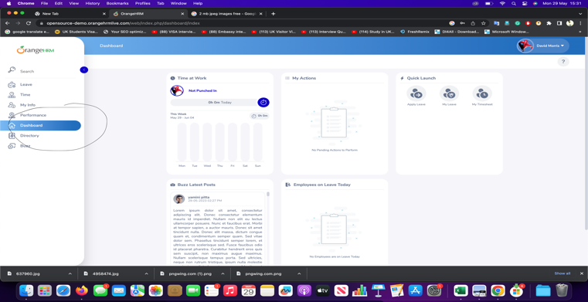 | s3 | p3 | kapilan | dev
BUGorg#2 | Orange HRM-Myinfo | My info | The message of invalid file type apper,After the Upload button but its uploads the complete exe file and then gives a message that file type is invalid | TC#8 | 1)Login as ESS user 2)Click Personal Tab 3)Click the image logo at corner of the screen 4)Click Browser button 5)Click Upload once you have selected picture in your screen | 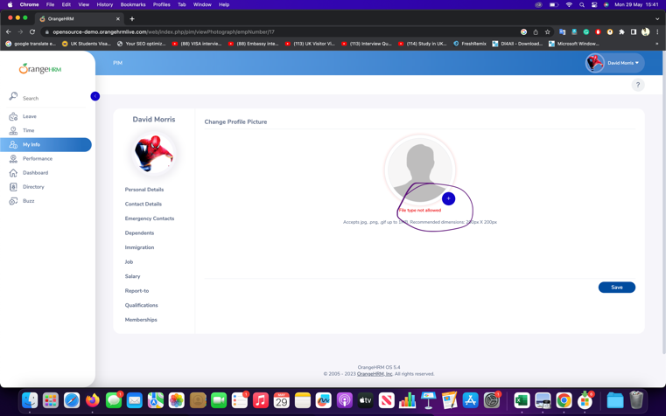 | s3 | p3 | kapilan | dev

