Screenshots-PART 1
 | Popins to be removed /merged with Repports

 | It doesn open

 | I ticket also doesn’t open

 | Reports functionality is missing |  | NO REPORTS TAB - WE NEED TO DEFINE REPORTS

 | Left menu reports - cant be at variance with the top bar reports section - we should eliminate the left bar


 | E mail link is goinf to web mail > can it point to Outlook ? |  |  |  | IGNORE


 | Needs to be reimagined - and who is responsible for content ?


 | Why this section is different from Knowledge ? Do we intend to have a trianing module seprate?

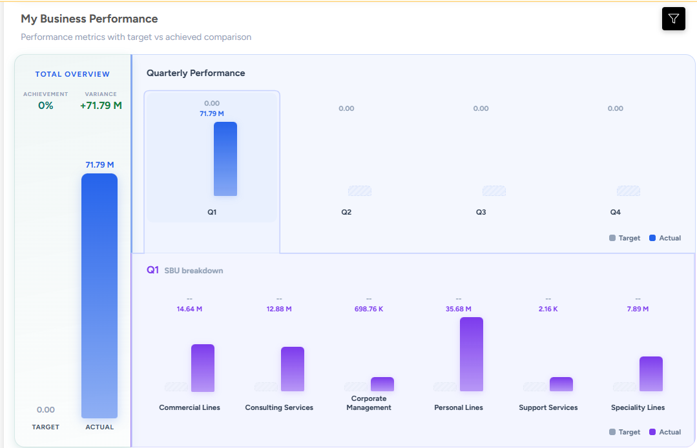

 |  |  |  | what is support services ? Not in BD report drop down

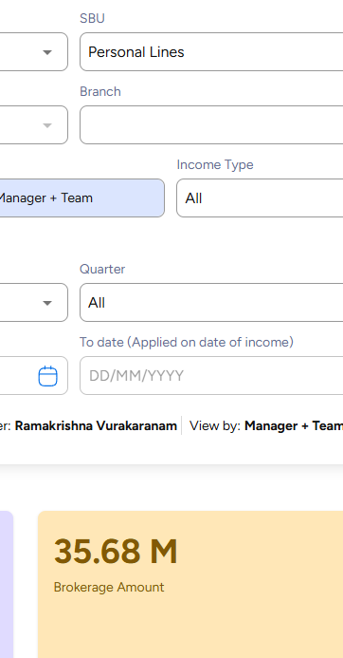
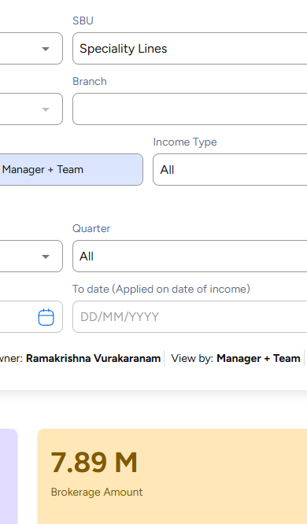
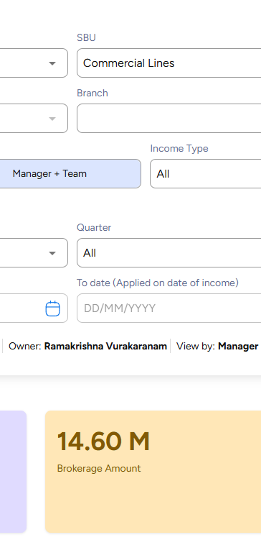

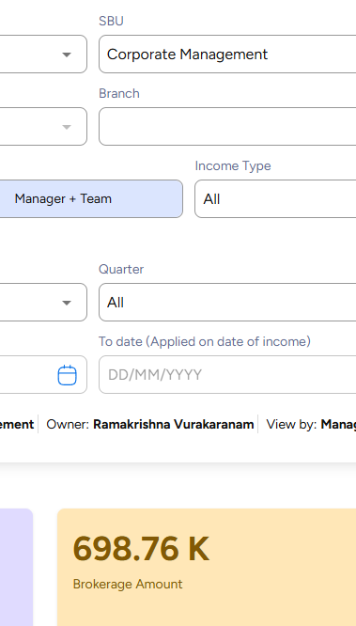
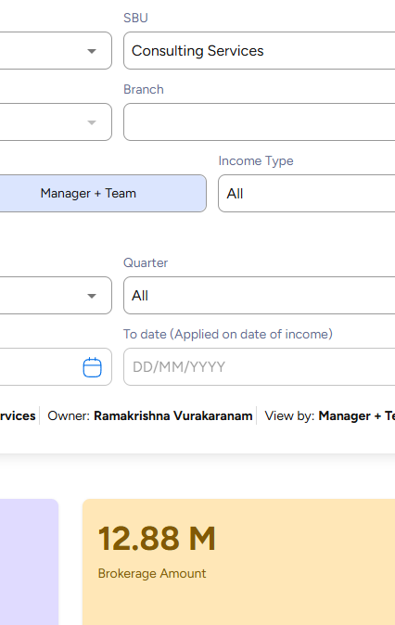

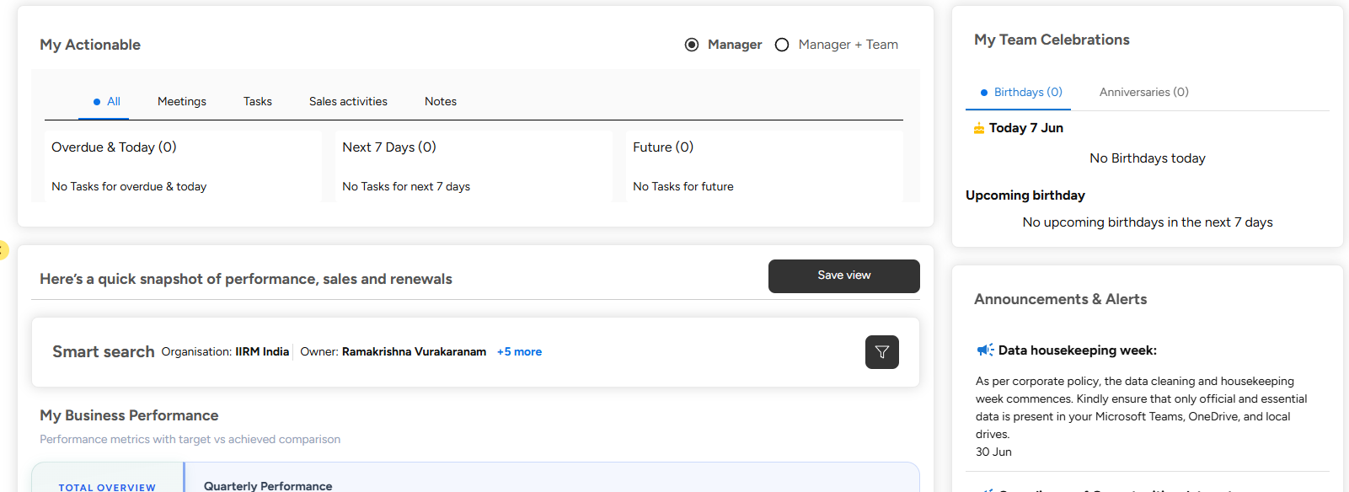

 |  | This save view button can be moved to top of screen

 |  | Filter also can be moved up - to imrove visual appeal of home screen

 |  | or it can move next to My buisness performance


 |  | can this not be part of the biz done split the bar in 2

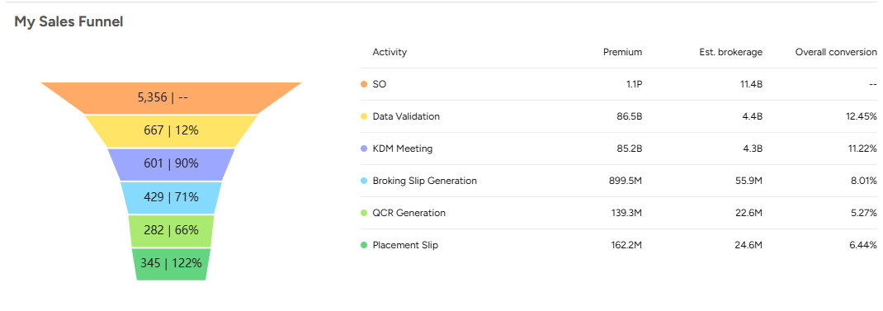
 |  |  | remove overall conversion

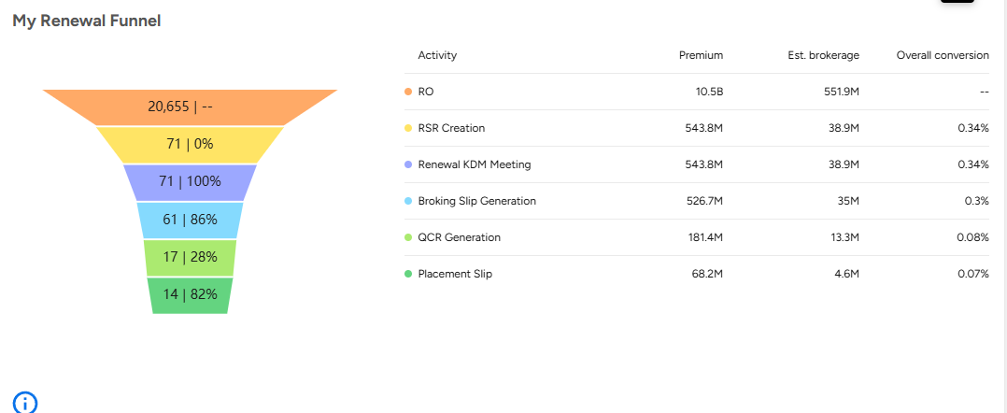
 |  |  | remove overall conversion

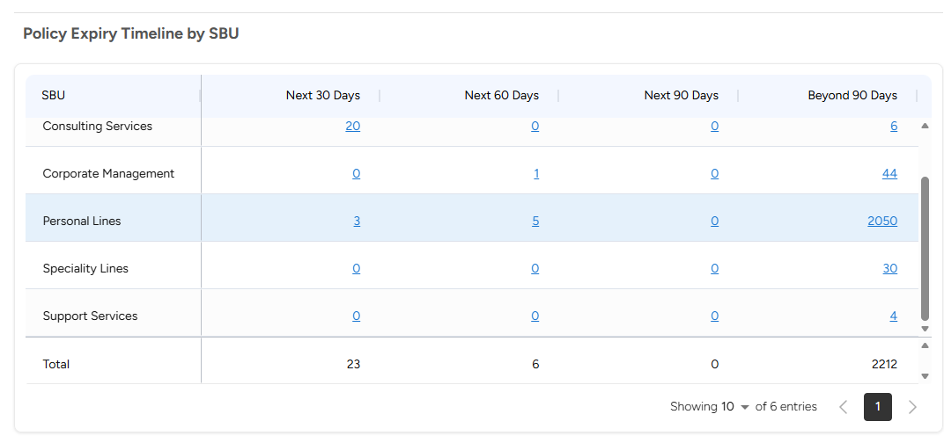
 |  |  | Not making sense
 |  |  | Need to move up if its renewal calendar

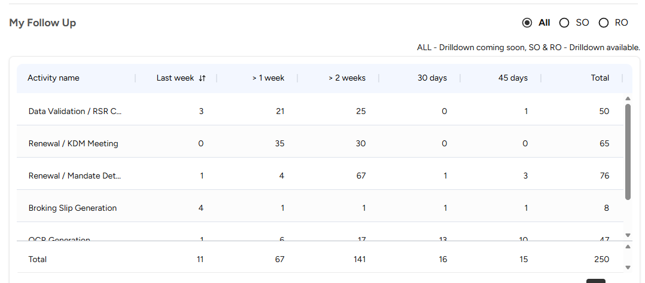
 |  |  |  | To be split in so and ro seprttely and move below funnel

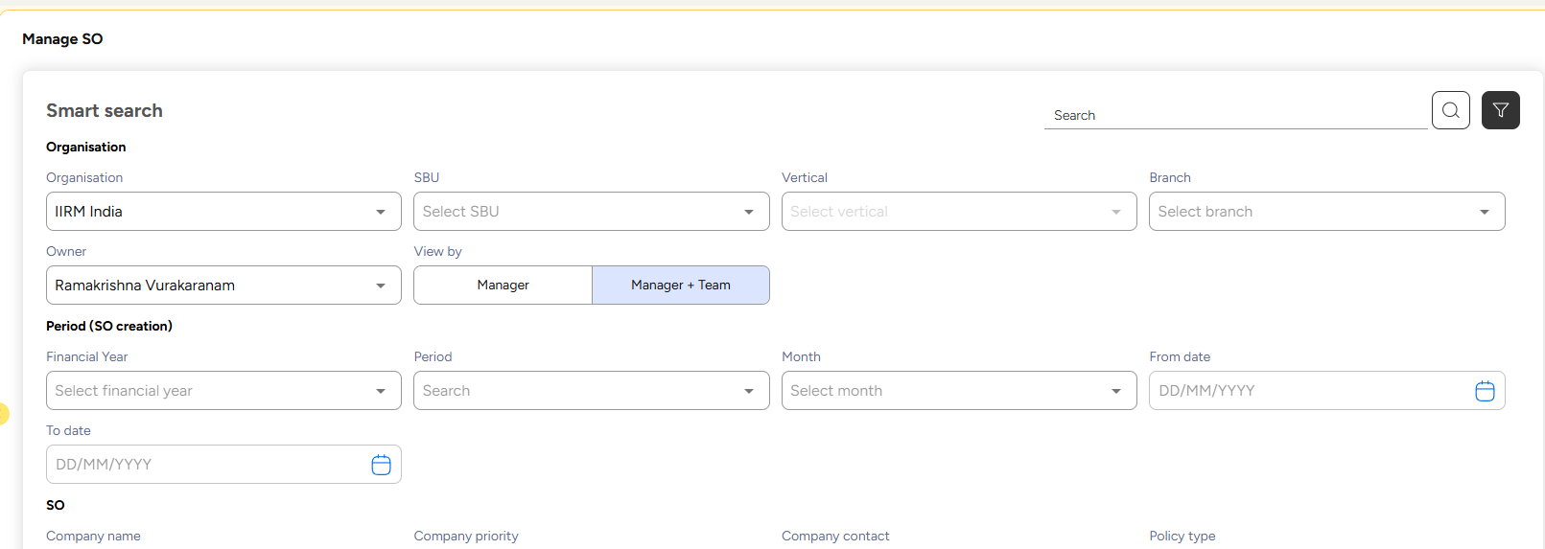
 |  |  | SO EXPIRY DATE IS RUNNING POLICY EXPIRY - NOT THE PROSECTING EXPIRY DATE

 |  |  | VALIDATION POLICY EXPIRY DATE NOT MORE THAN 365 DAYS

Manage broker to be removed

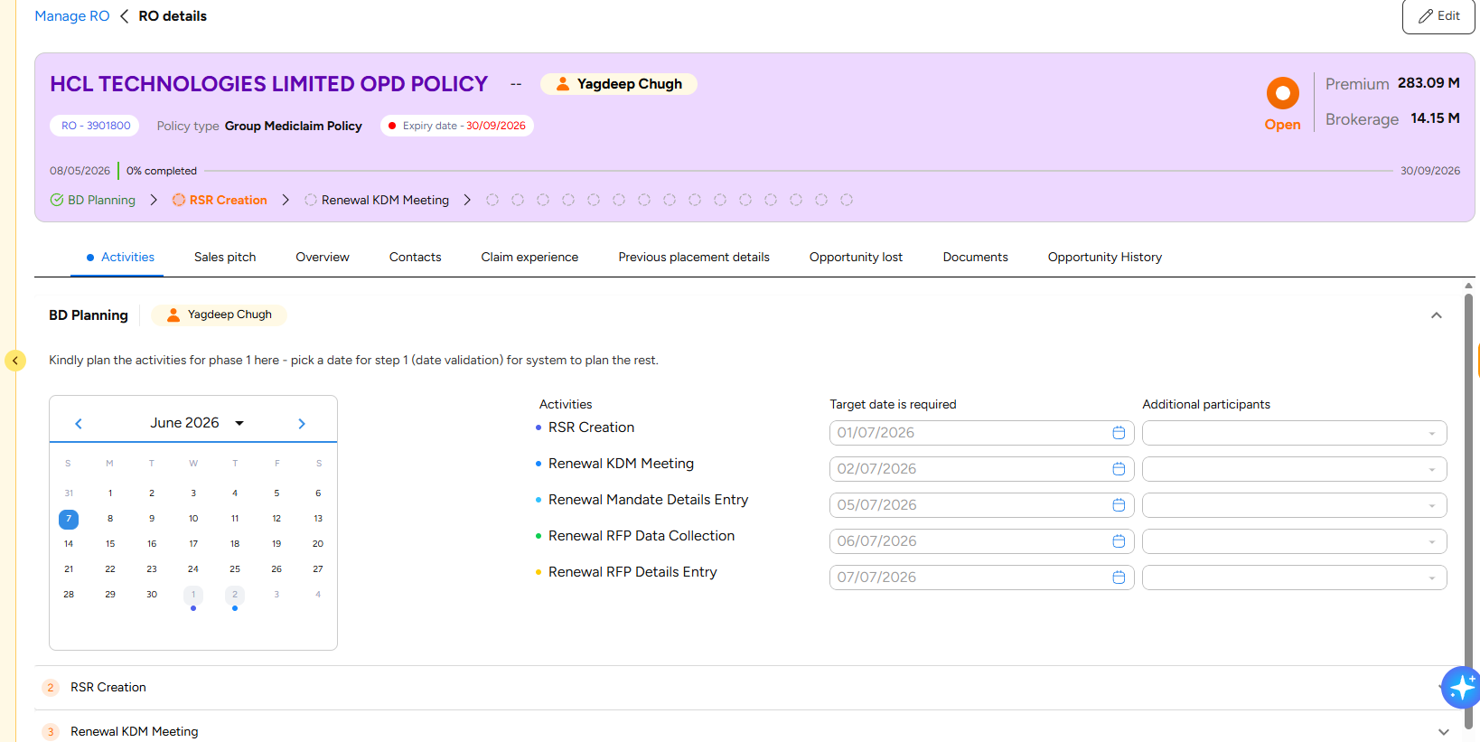
 |  |  | BD planning > Renewal Planning

Screenshots-PART 2
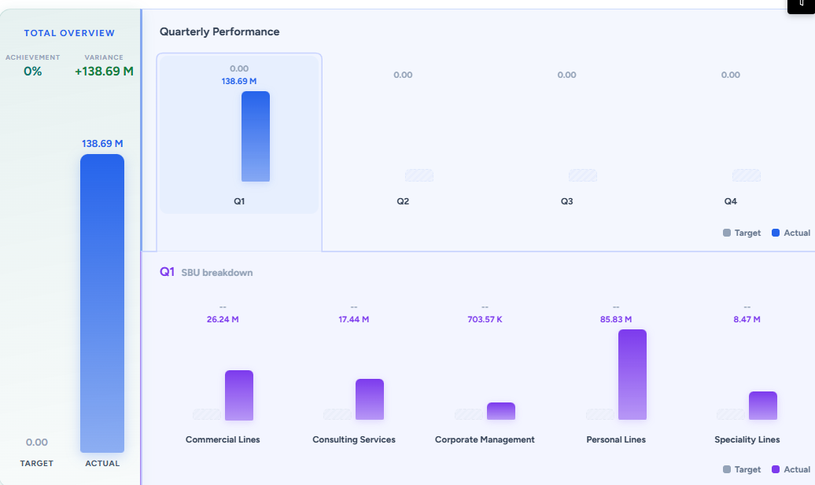
 |  |  |  |  |  |  |  |  |  |  | TRAGET MUST BE THERE IS Q1 Q2 Q3 Q4

 |  |  |  |  |  |  |  |  |  |  | TARGET MUST BE THERE IN SBU BREAK UP ALSO

 | RTNTN | NEW
CL | 300 | 60
PL | 450 | 150
SPL | 45 | 65
LIA | 0 | 10
TOTAL | 795 | 285

 |  |  |  |  |  |  |  |  |  |  | SBU | RTNTN | NEW
 |  |  |  |  |  |  |  |  |  |  | CL | 300 | 60
 |  |  |  |  |  |  |  |  |  |  | PL | 450 | 150
 |  |  |  |  |  |  |  |  |  |  | SPL | 45 | 65
 |  |  |  |  |  |  |  |  |  |  | LIA | 0 | 10
 |  |  |  |  |  |  |  |  |  |  | TOTAL | 795 | 285

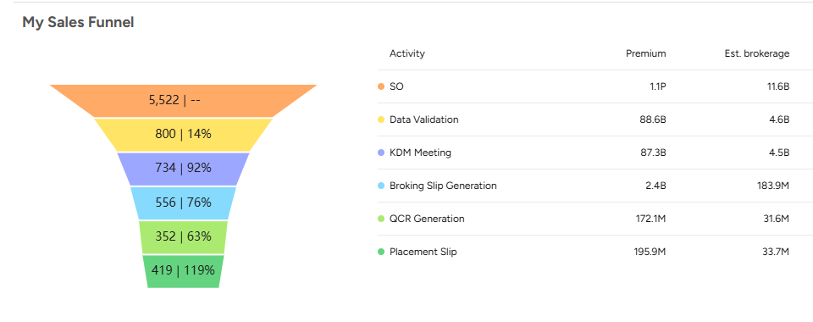
 |  |  |  |  |  |  |  |  |  |  | JUST BELOW THIS SHOW THIS TABLE----FOR ISG ALSO |  |  |  |  | THIS SHOULD BE SO DUE
 |  |  |  |  |  |  |  |  |  |  |  |  |  |  |  | NOT RENEWAL SCHEDULE BY SBU

 |  |  |  |  |  |  |  |  |  |  |  |  |  |  |  | DON’T SHOW COUNT OF SO SHOW EST BROKERAGE
 |  |  |  |  |  |  |  |  |  |  |  |  |  |  |  | ALL SBU MUST DISPLAY AT ONCE NO SCROLLING SHOULD BE THERE

THIS REPRESENTS RENEWALS DUE OR ACTIVE POLICIES ? IF ACTIVE THEN IT SHOULD MOVE ON TOP
 |  |  |  |  |  |  |  |  |  |  | BELOW THIS----FOR ISG ALSO |  |  |  |  | THIS SHOULD BE FOR SO ONLY

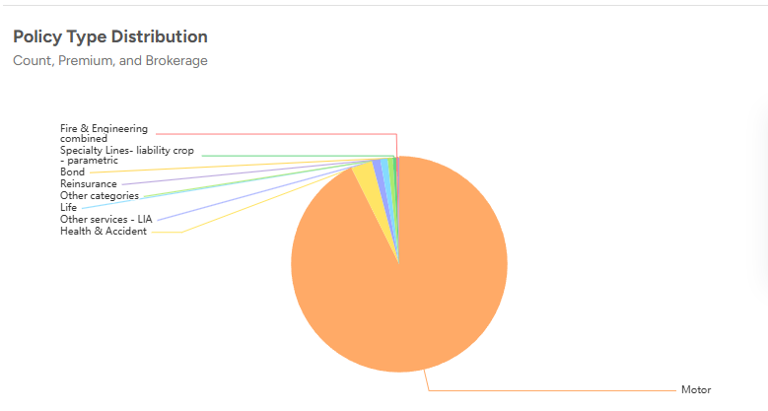
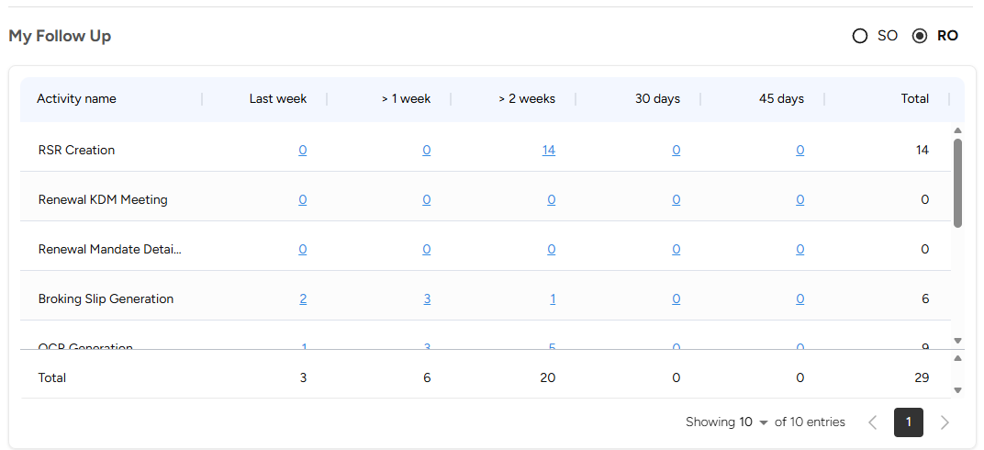
 |  |  |  |  |  |  |  |  |  |  |  |  |  |  |  | THIS SHOULD DISPLAY ONLY UP TO NEXT 90 DAYS ACTIVITIES ONLY FOR SO SHOWN ABOVE TABLE

 |  |  |  |  |  |  |  |  |  |  |  |  |  |  |  | WHEN WE DOUBLE CLICK DATA IN THE ABOVE 2 TABLES IT DISPLAYS ALL THE RECORDS LINE BY LINE
 |  | PUT PLACEMENT FUNNEL BEFORE RO FUNNE;

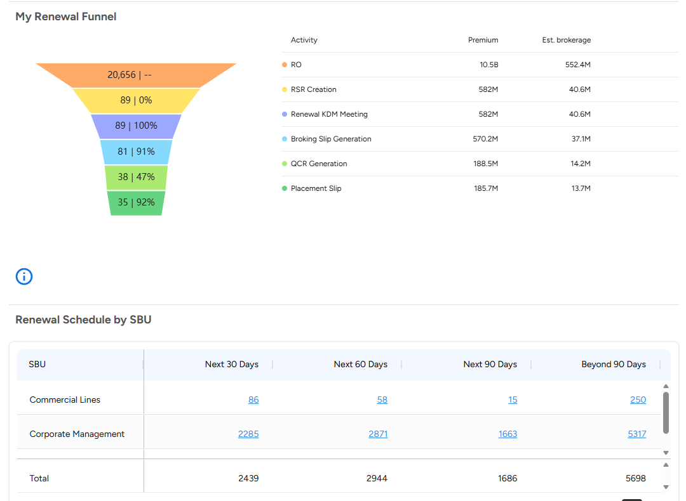

 |  |  |  |  |  |  |  |  |  |  |  |  |  |  |  | BELOW THIS THE TABLE SHOULD COME ONLY FOR RO REFLECTED IN THE LEFT TABLE NEXT 90 DAYS

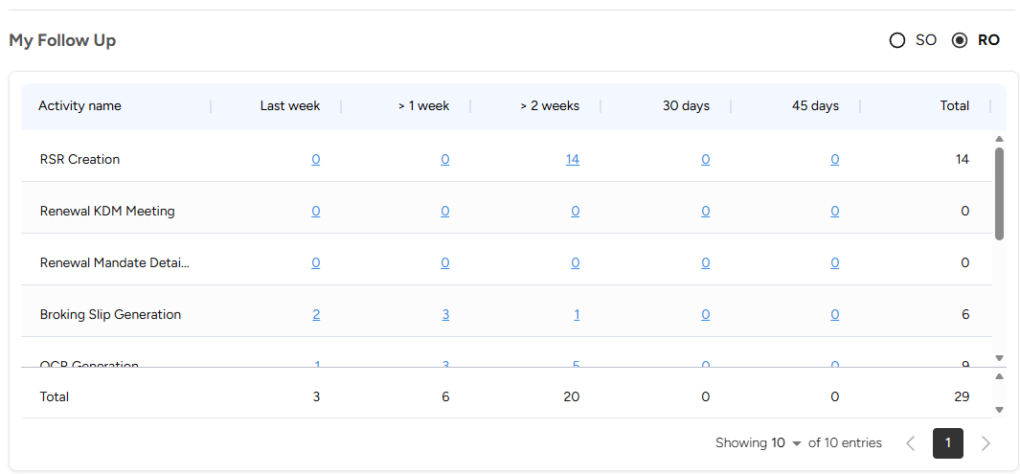

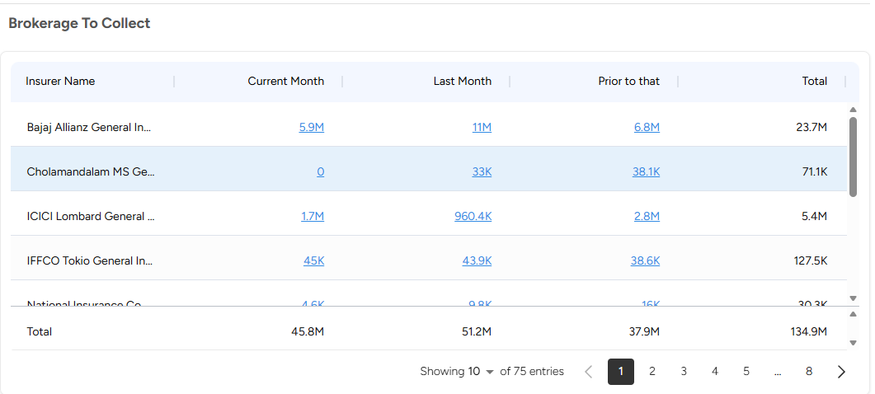
 |  |  |  |  |  |  |  |  |  |  |  |  |  |  | TO MOVE DOWN AFTETR ENDORSEMENT TAT AND CLAIMS TAT
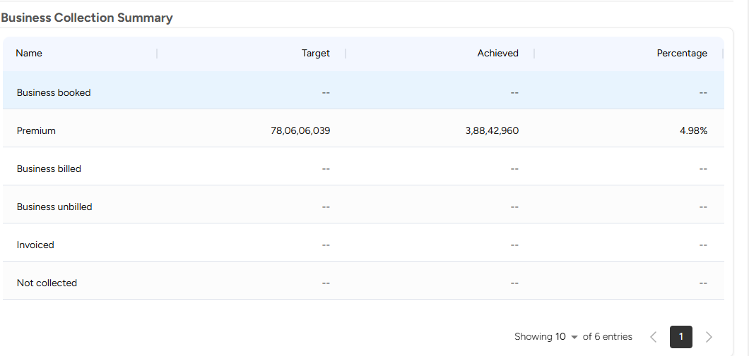

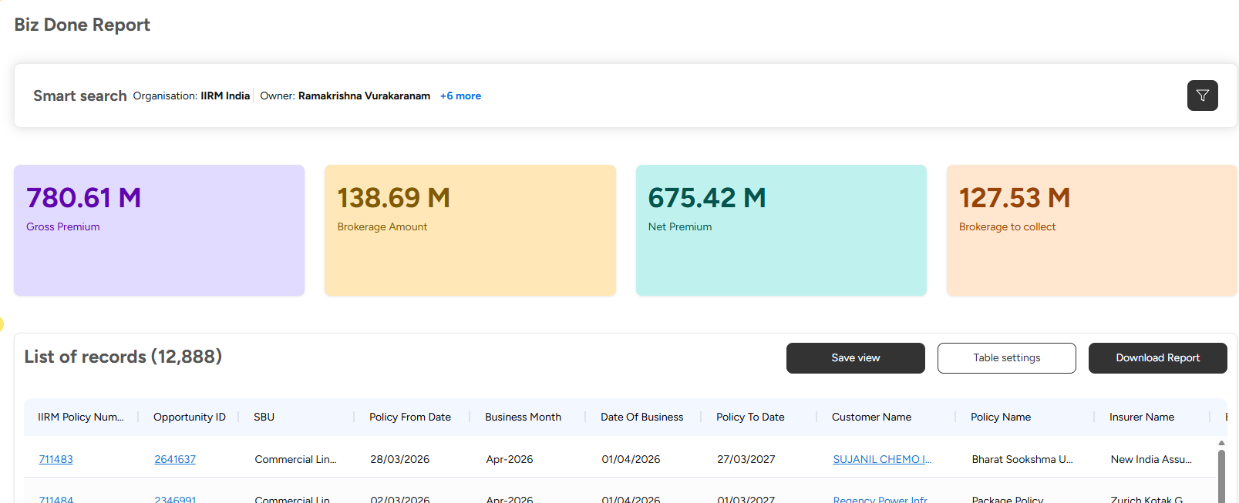
 |  |  |  |  |  |  |  |  |  |  |  |  |  |  |  | THIS REPORT SHOULD BE PRESENTED AS FOLLOWS

 |  |  |  |  |  |  |  |  |  |  |  |  |  |  | TABLE 1 |  | DATE RANGE AS PER FILTER
 |  |  |  |  |  |  |  |  |  |  |  |  |  |  |  | SBU | BUD REV | ACT REVENUE |  | VARIANCE

 |  |  |  |  |  |  |  |  |  |  |  |  |  |  |  | COMM LINES
 |  |  |  |  |  |  |  |  |  |  |  |  |  |  |  | CORP SERVICES
 |  |  |  |  |  |  |  |  |  |  |  |  |  |  |  | PRESONAL LINES
 |  |  |  |  |  |  |  |  |  |  |  |  |  |  |  | SPECIALITY LINES
 |  |  |  |  |  |  |  |  |  |  |  |  |  |  |  | CONSULTING SERVICES
 |  |  |  |  |  |  |  |  |  |  |  |  |  |  |  | OTHER SERVICES
 |  |  |  |  |  |  |  |  |  |  |  |  |  |  |  | Total

 |  |  |  |  |  |  |  |  |  |  |  |  |  |  | TABLE 2 | QUARTER WISE | TOTAL |  | Q1 |  | Q2 |  | Q3 |  | Q4
 |  |  |  |  |  |  |  |  |  |  |  |  |  |  |  |  | BUD REV | ACT REV | BUD REV | ACT REV | BUD REV | ACT REV | BUD REV | ACT REV | BUD REV | ACT REV

 |  |  |  |  |  |  |  |  |  |  |  |  |  |  |  | SBU/VERTICAL WISE
 |  |  |  |  |  |  |  |  |  |  |  |  |  |  |  | COMM LINES
 |  |  |  |  |  |  |  |  |  |  |  |  |  |  |  | EB
 |  |  |  |  |  |  |  |  |  |  |  |  |  |  |  | NON EB
 |  |  |  |  |  |  |  |  |  |  |  |  |  |  |  | PER LINES
 |  |  |  |  |  |  |  |  |  |  |  |  |  |  |  | FOS
 |  |  |  |  |  |  |  |  |  |  |  |  |  |  |  | DIST MKTH
 |  |  |  |  |  |  |  |  |  |  |  |  |  |  |  | WORK SITE
 |  |  |  |  |  |  |  |  |  |  |  |  |  |  |  | LIFE
 |  |  |  |  |  |  |  |  |  |  |  |  |  |  |  | SPLE LINES
 |  |  |  |  |  |  |  |  |  |  |  |  |  |  |  | CASUALTY
 |  |  |  |  |  |  |  |  |  |  |  |  |  |  |  | REINSURANCE

 |  |  |  |  |  |  |  |  |  |  |  |  |  |  | TABLE 3 | LOB WISE | DATE RANGE AS PER FILTER

 |  |  |  |  |  |  |  |  |  |  |  |  |  |  |  | POLICY CATEGORY | BUD PREM | BUD REV | BUD RATE | ACT PREM | ACT BROK | ACT RATE
 |  |  |  |  |  |  |  |  |  |  |  |  |  |  |  | FIRE
 |  |  |  |  |  |  |  |  |  |  |  |  |  |  |  | ENGINEERING
 |  |  |  |  |  |  |  |  |  |  |  |  |  |  |  | GROUP HEALTH
 |  |  |  |  |  |  |  |  |  |  |  |  |  |  |  | GROUP ACCIDENT
 |  |  |  |  |  |  |  |  |  |  |  |  |  |  |  | GROUP TERM LIFE
 |  |  |  |  |  |  |  |  |  |  |  |  |  |  |  | MOTOR
 |  |  |  |  |  |  |  |  |  |  |  |  |  |  |  | RETAIL HEALTH
 |  |  |  |  |  |  |  |  |  |  |  |  |  |  |  | RETAIL LIFE
 |  |  |  |  |  |  |  |  |  |  |  |  |  |  |  | RETAIL WELLNESS
 |  |  |  |  |  |  |  |  |  |  |  |  |  |  |  | TOTAL
 |  |  |  |  |  |  |  |  |  |  |  |  |  |  |  |  | DATE RANGE AS PER FILTER
 |  |  |  |  |  |  |  |  |  |  |  |  |  |  | TABLE 4 | SBU -BRANCH WISE-DEPT WISE | BUD REV | ACT REVENUE |  | VARIANCE

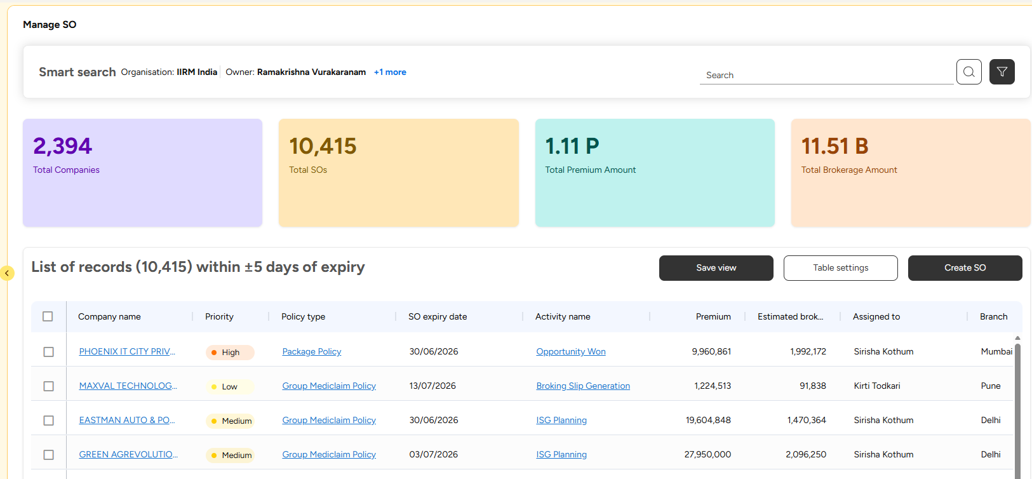

 |  |  |  |  |  |  |  |  |  |  |  |  |  | TABLE 1 | THIS TABLE IS NEEDED

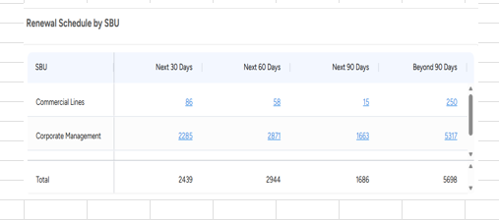

 |  |  |  |  |  |  |  |  |  |  |  |  |  | TABLE 2 |  | SBU WISE BRANCH WISE EXECUTIVE WISE

 |  |  | THE COLUMNS FOR THIS DISPLAY

 |  |  | SBU | BRANCH | EXECUTIVE | CO NAME | PRIORITY | POLICY | SO EXPIRY | PREMIUM | EST BROK | ACTIVITY | ASSIGNED TO

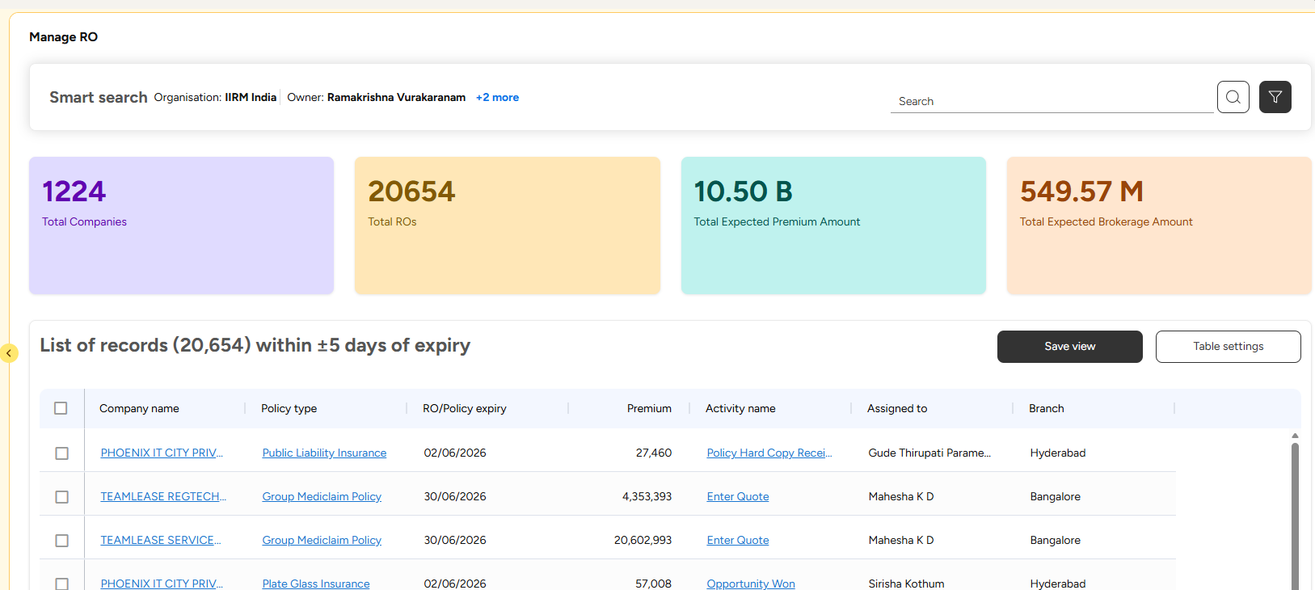
 |  |  |  |  |  |  |  |  |  |  |  |  |  | TABLE 1 | THIS TABLE IS NEEDED

 |  |  |  |  |  |  |  |  |  |  |  |  |  | TABLE 2 |  | SBU WISE BRANCH WISE EXECUTIVE WISE

 |  | THE COLUMNS FOR THIS DISPLAY

 |  | SBU | BRANCH | EXECUTIVE | CO NAME | PRIORITY | POLICY | SO EXPIRY | PREMIUM | EST BROK | ACTIVITY | ASSIGNED TO

 |  |  |  |  |  |  |  |  |  |  |  |  |  |  |  | THIS SHOULD BE IN DASH BOARD AALSO AS PLACEMENT FUNNEL AND TABLE

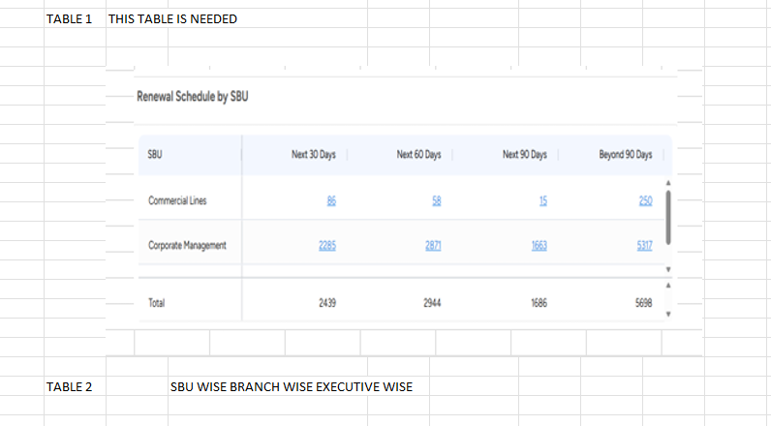

 |  | THE COLUMNS FOR THIS DISPLAY

 |  | SBU | BRANCH | EXECUTIVE | CO NAME | PRIORITY | POLICY | SO EXPIRY | PREMIUM | EST BROK | ACTIVITY | ASSIGNED TO

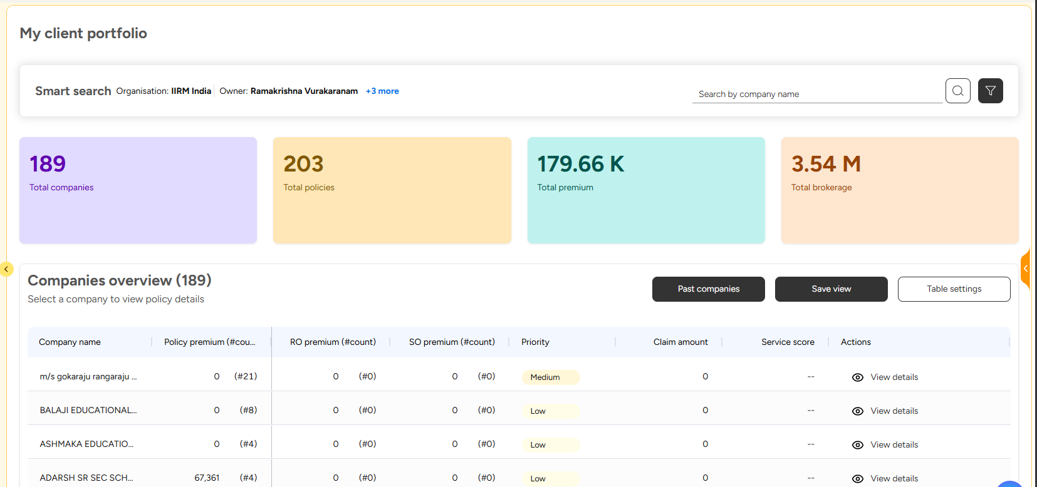
 |  |  |  |  |  |  |  |  |  |  |  |  |  | WHAT IS POLICY PREMIUM AND WHAT IS SO PREMIUM ?

 |  |  |  |  |  |  |  |  |  |  |  |  |  | WE NEED ONLY RO

 |  |  |  |  |  |  |  |  |  |  |  |  |  | COMPANY NAME |  | PRIORITY | TOTAL PREMIUM PLACED BY US | TOTAL BRKRAGE | SERVICE SCORE |  | Q1 | Q2 | Q3 | Q4 | ACTIONS
 |  |  |  |  |  |  |  |  |  |  |  |  |  |  |  |  |  |  |  |  | BROKERAGE BREAKUP | BROKERAGE BREAKUP | BROKERAGE BREAKUP | BROKERAGE BREAKUP

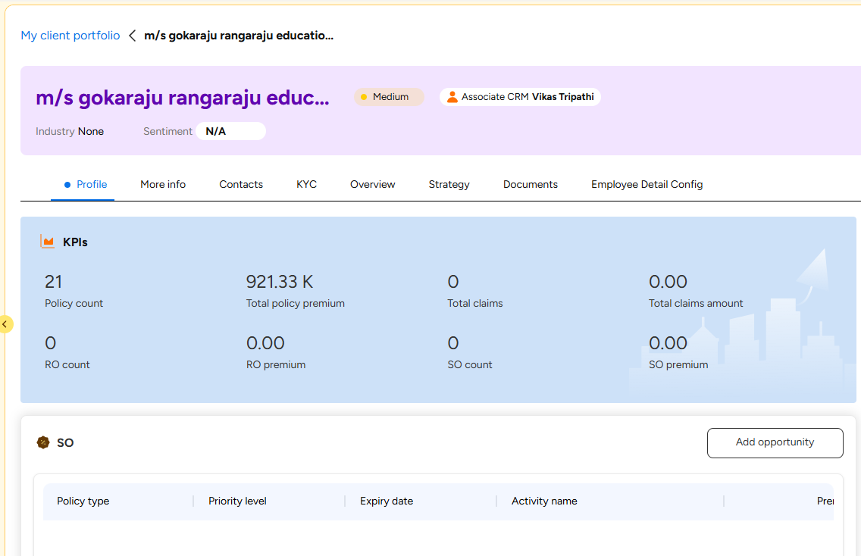
 |  |  |  |  |  |  |  |  |  |  |  |  |  | kpi

 |  |  |  |  |  |  |  |  |  |  |  |  |  | endorsement tat

 |  |  |  |  |  |  |  |  |  |  |  |  |  | claims tat

 |  |  |  |  |  |  |  |  |  |  |  |  |  | service score trend line month wise

 |  |  |  |  |  |  |  |  |  |  |  |  |  | kpi Trend graph

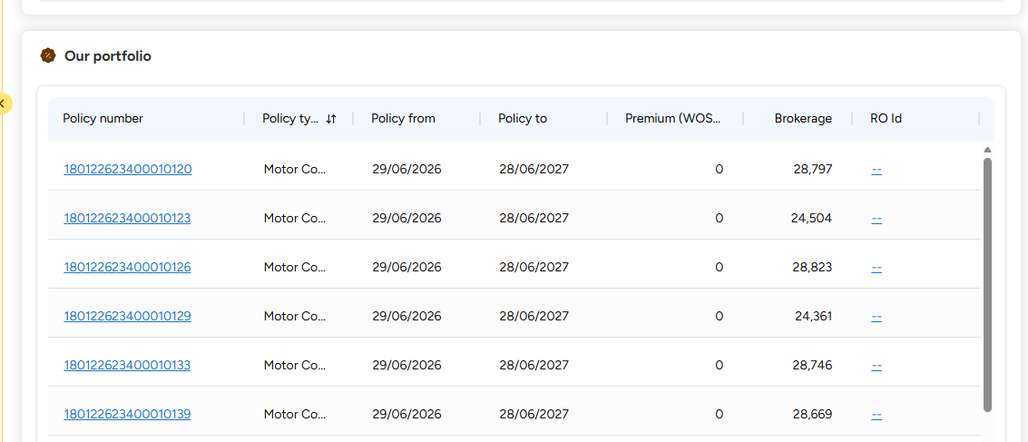

 | columns

 | policy type | expiry date | premium | brokerage | policy no | ins co | tpa if applciable |  | claims amount

