Forecasting
Sales Forecasting |  |  |  | EBITDA Forecasting |  |  |  | Earning per share Forecasting
Year Weight | Year | Sales | Sales Growth | Year Weight | Year | EBITDA | EBITDA Growth | Year Weight | Year | EPS | EPS Growth
1 | 2022-03-01 | 5,717.39 |  | 1 | 2022-03-01 | 1,742.56 |  | 1 | 2022-03-01 | 6.00
2 | 2023-03-01 | 5,694.83 | -0.395% | 2 | 2023-03-01 | 1,725.88 | -1% | 2 | 2023-03-01 | 8.00 | 33%
3 | 2024-02-29 | 6,427.00 | 13% | 3 | 2024-02-29 | 2,123.60 | 23% | 3 | 2024-02-29 | 11.00 | 38%
4 | 2025-02-28 | 7,993.66 | 24% | 4 | 2025-02-28 | 2,108.64 | -1% | 4 | 2025-02-28 | 18.00 | 64%
5 | 2026-02-28 | 8,194.02 | 3% | 5 | 2026-02-28 | 1448.36 | -31% | 5 | 2026-02-28 | 18.00 | 0%
6 | 2027-02-28 | 8981.01 | 10% | 6 | 2027-02-28 | 1768.12 | 22% | 6 | 2027-02-28 | 22.40 | 24%
7 | 2028-02-28 | 9706.22 | 8% | 7 | 2028-02-28 | 1747.55 | -1% | 7 | 2028-02-28 | 25.80 | 15%
8 | 2029-02-27 | 10431.43 | 7% | 8 | 2029-02-27 | 1726.99 | -1% | 8 | 2029-02-27 | 29.20 | 13%
9 | 2030-02-27 | 11156.63 | 7% | 9 | 2030-02-27 | 1706.42 | -1% | 9 | 2030-02-27 | 32.60 | 12%
10 | 2031-02-27 | 11881.84 | 7% | 10 | 2031-02-27 | 1685.86 | -1% | 10 | 2031-02-27 | 36.00 | 10%
Sales Forecasting
Ebitda Forecasting
Chart Title Eps

Stock Analysis
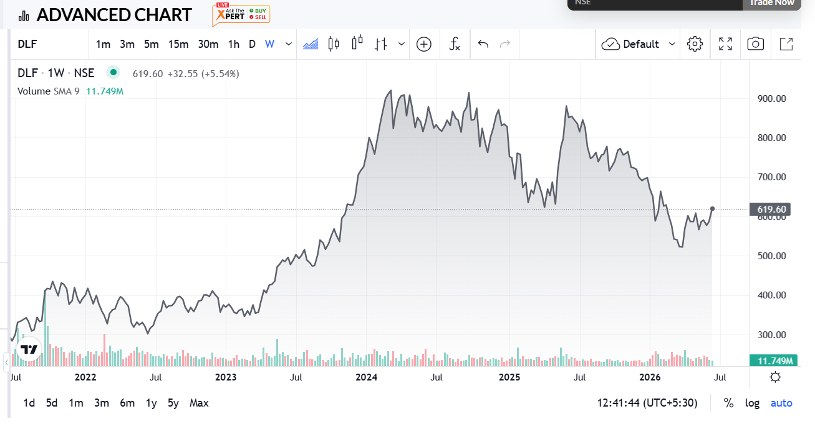
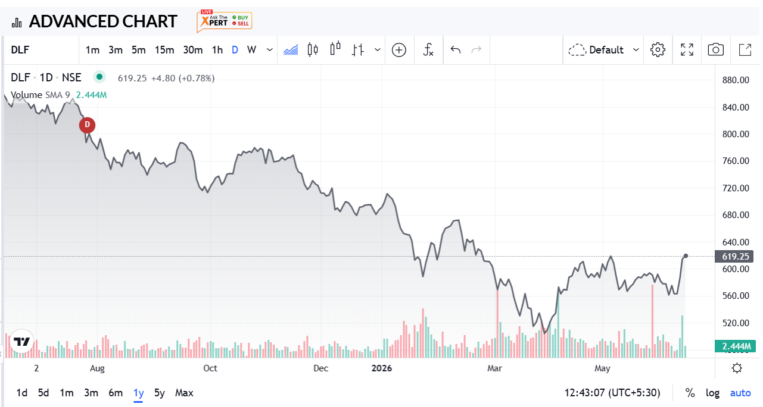
Metric | Value |  | Financial Year | Revenue (₹ Crore) | Profit After Tax (PAT) (₹ Crore) | Revenue Change (%) | PAT Change (%) | Nifty 50 Prices | Nifty 50 Change (%)
Market Cap | 154,261 |  | FY 2025-26 | 8,194.00 | 4,415.00 | 2.50% | 1.099% | 23,853.90 | -0.087092798971
Current Price | ₹ 623 |  | FY 2024-25 | 7,994.00 | 4,367.00 | 24.38% | 60.316% | 26129.60 | 0.10
High / Low | 882 / 489 |  | FY 2023-24 | 6,427.00 | 2,724.00 | 12.85% | 33.923% | 23668.00 | 0.09
Stock P/E | 34.058333333 |  | FY 2022-23 | 5,695.00 | 2,034.00 | -0.38% | 35.600% | 21726.40 | 0.20
Book Value | 184 |  | FY 2021-22 | 5,717.00 | 1,500.00 |  |  | 18105.30
Dividend Yield | 0.98%
ROCE | 6.34%
ROE | 9.62%
Face Value | ₹ 2.00

DLF LIMITED — EQUITY RESEARCH NOTE
Initiating Coverage | Real Estate — Premium Residential & Annuity | Recommendation: HOLD | CMP: ₹623 | 12-Month Target: ₹710

1. INVESTMENT THESIS
DLF Limited is India's pre-eminent premium and luxury real estate developer with an unrivalled 60+ year track record. The company operates a uniquely positioned dual-engine business model: (i) a high-margin Residential Development business driven by super-luxury launches such as The Dahlias and Privana, and (ii) a stable, contractually annuity-like Rental business held through DCCDL (66.66% owned JV with GIC, Singapore) spanning 45 msf of Grade-A offices, retail malls and hospitality assets. This combination delivers a rare mix of cyclical earnings upside through residential bookings and defensive cash flow stability through long-lease rental income — making DLF one of the most resilient real estate franchises in the country. The FY2024-25 consolidated revenue of ₹7,994 Cr (+24.4% YoY) and PAT of ₹4,368 Cr (+60.3% YoY) confirm that the residential upcycle is firmly intact. Record pre-sales on new launches and strong rental EBITDA from DCCDL are the twin growth engines. Consolidated Cash & Cash Equivalents stand at ₹4,338 Cr as of Mar 2025, providing ample runway for land acquisition and capital deployment without balance sheet stress. Promoter holding remains high at 74.08%, signalling alignment with long-term value creation.

2. KEY FINANCIAL METRICS AT A GLANCE
Metric | FY22 | FY23 | FY24 | FY25 | FY26E
Revenue (₹ Cr) | 5717 | 5695 | 6427 | 7994 | 8194
YoY Growth (%) | – | -0.4% | +12.9% | +24.4% | +2.5%
PAT — Consol. (₹ Cr) | 1501 | 2036 | 2727 | 4368 | 4415
PAT Growth (%) | – | +35.6% | +34.0% | +60.2% | +1.1%
EPS — Basic (₹) | 6 | 8 | 11 | 18 | 18
EBITDA Margin (%)* | 31% | 33% | 38% | 37% | 38%E
ROCE (%) | – | – | – | 6.3% | –
ROE (%) | – | – | – | 9.6% | –
Dividend (₹ Cr) | 495 | 743 | 990 | 1238 | –
Net Debt / Equity | Low | Low | Moderate | Low | Low

3. SHAREHOLDING STRUCTURE & INSTITUTIONAL INTEREST
Category | Shareholders | Shares Held | Stake (%) | Voting Rights (%) |  |  |  |  | Key Insight
Promoter & Promoter Group | 13 | 1,833,636,385 | 74.08% | 74.08% |  |  |  |  | Rajdhani Inv. & Agencies Pvt. Ltd holds 61.53% — cornerstone family control
Domestic Institutions (MFs, Insurance, PF) | 77 | 171,773,695 | 6.94% | 6.94% |  |  |  |  | SBI Equity Hybrid & ICICI Pru Large Cap among top holders — quality DII base
Foreign Portfolio Investors (FPI) | 726 | 335,171,497 | 13.54% | 13.54% |  |  |  |  | Invesco Global Fund (1.30%) — meaningful FII conviction; Cat I dominates
Retail & Non-Institutions | 505,753+ | 134,727,246 | 5.44% | 5.44% |  |  |  |  | 487K+ retail holders; robust shareholder breadth
TOTAL | 506,572 | 2,475,311,706 | 100.00% | 100.00%

4. VALUATION, RISKS & INVESTMENT RECOMMENDATION
Valuation Summary |  |  |  | Key Risks
CMP (₹) |  |  | ₹623 | ▪ Real estate cycle risk: residential presales can slow sharply in a rate-tightening or demand-slowdown environment.
Market Cap (₹ Cr) |  |  | ₹1,54,261 Cr | ▪ Execution risk: large pipeline of 205 msf requires sustained capital deployment and delivery capability.
Stock P/E (TTM) |  |  | 34.1x | ▪ Concentration risk: DCCDL rental income (~40% of revenue mix) depends on Grade-A office absorption trends.
Book Value / Share (₹) |  |  | ₹184 | ▪ Regulatory risk: GST, RERA, and approval delays can compress margins and stretch working capital cycles.
Price-to-Book (P/B) |  |  | ~3.4x | ▪ Valuation premium: at 34x P/E, stock already prices in near-term earnings optimism; limited margin of safety.
Dividend Yield |  |  | 0.98% | ▪ Promoter holding at 74.08% limits free float — large block sales could trigger sharp price corrections.
Beta (vs Nifty 50) |  |  | 1.57 (high sensitivity)
52-Week High / Low |  |  | ₹882 / ₹489
DCF-Based Fair Value* |  |  | ₹640–₹720 range
12-Month Price Target |  |  | ₹710 (upside ~14%)

ANALYST RECOMMENDATION — HOLD | CMP: ₹623 | TARGET: ₹710 | UPSIDE: 14%
HOLD — DLF is a quality franchise trading at a fair, though not cheap, valuation. We initiate with a HOLD recommendation at the current market price of ₹623, with a 12-month price target of ₹710 implying ~14% upside. This target is derived from a blended DCF-based intrinsic value estimate (WACC-based FCFF model) and a relative valuation cross-check using sector P/E and EV/EBITDA multiples. BULL CASE (Target: ₹820+): Sustained luxury residential bookings above ₹15,000 Cr annually, DCCDL office occupancy trending above 92%, accelerated land acquisition in NCR/MMR, and a broader re-rating of Indian real estate multiples could push the stock toward its 52-week high and beyond. BASE CASE (Target: ₹710): Revenue growth of 8–12% over FY26–27E on steady presales momentum, DCCDL rental EBITDA growing ~10% YoY driven by new office and mall completions, and manageable balance sheet with net debt/equity below 0.3x. Beta of 1.57 means this stock amplifies market moves — time entry carefully. BEAR CASE (Target: ₹490–520): A sharp slowdown in luxury housing demand (interest rate spike, wealth effect reversal), rising unsold inventory in Gurugram, and a correction in commercial office absorption due to GCC hiring freeze could compress multiples and drag the stock toward its 52-week low. Dividend yield of ~1% provides limited downside cushion. SINGLE METRIC TO WATCH: Residential pre-sales bookings for FY26 (company guidance: ₹17,000+ Cr). If this number is delivered, the stock will re-rate higher. Miss it, and the 34x P/E becomes a significant headwind. Disclosure: This note is for academic/educational purposes only and does not constitute SEBI-registered investment advice.
5. MARKET SENSITIVITY (BETA ANALYSIS)
DLF's Beta (β) against Nifty 50 stands at approximately 1.57 (OLS regression, daily returns, 6-year window as per the Beta sheet). This is materially above 1.0, indicating DLF is a high-beta, market-sensitive stock. What this means for investors: ▪ In a Nifty bull run of +10%, DLF is expected to gain approximately +15.7% on average — meaningful amplification. ▪ In a Nifty correction of -10%, DLF tends to fall approximately -15.7% — significantly higher downside than the index. ▪ R-squared of ~0.44 implies ~44% of DLF's price variance is explained by market movement; the remaining ~56% is driven by company-specific factors (pre-sales data, rental updates, management guidance, real estate cycle news). ▪ Implication: DLF is best held by investors with a medium-to-long investment horizon who can absorb inter-quarter volatility. Short-term traders must size positions conservatively given the elevated beta. Portfolio managers with strict VaR constraints should note that DLF adds meaningful systematic risk to a portfolio.

