Stock Analysis
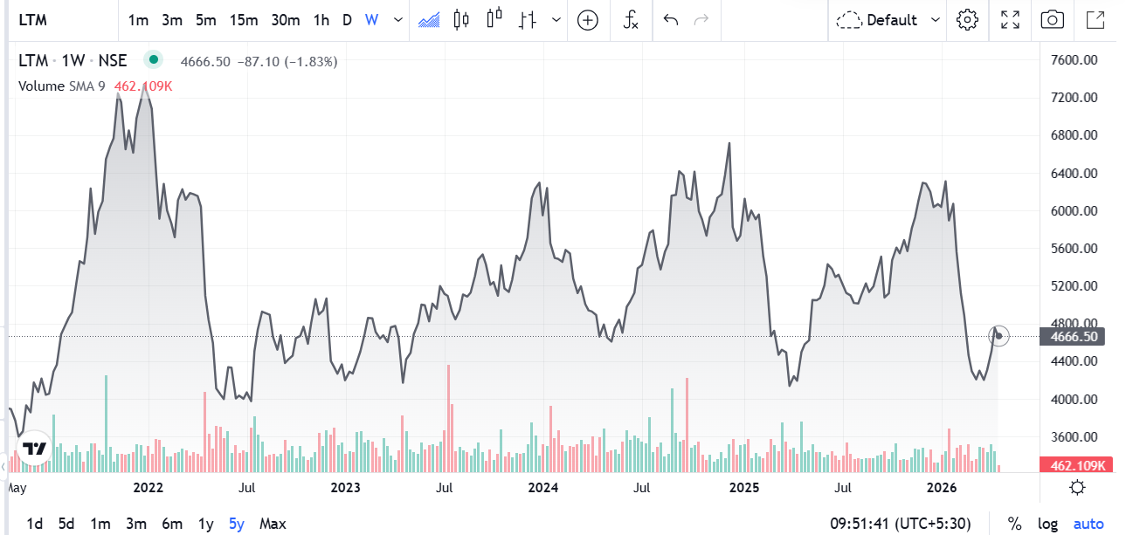
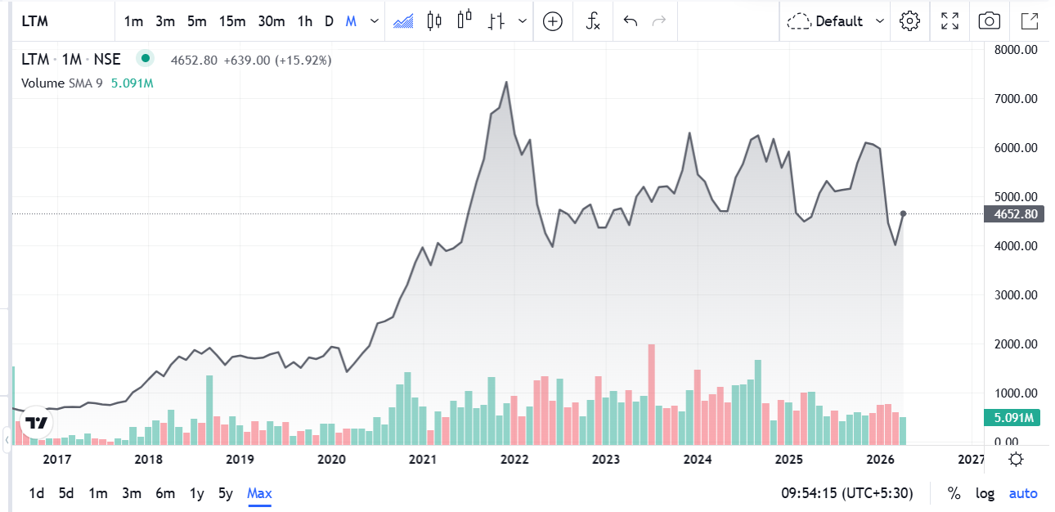
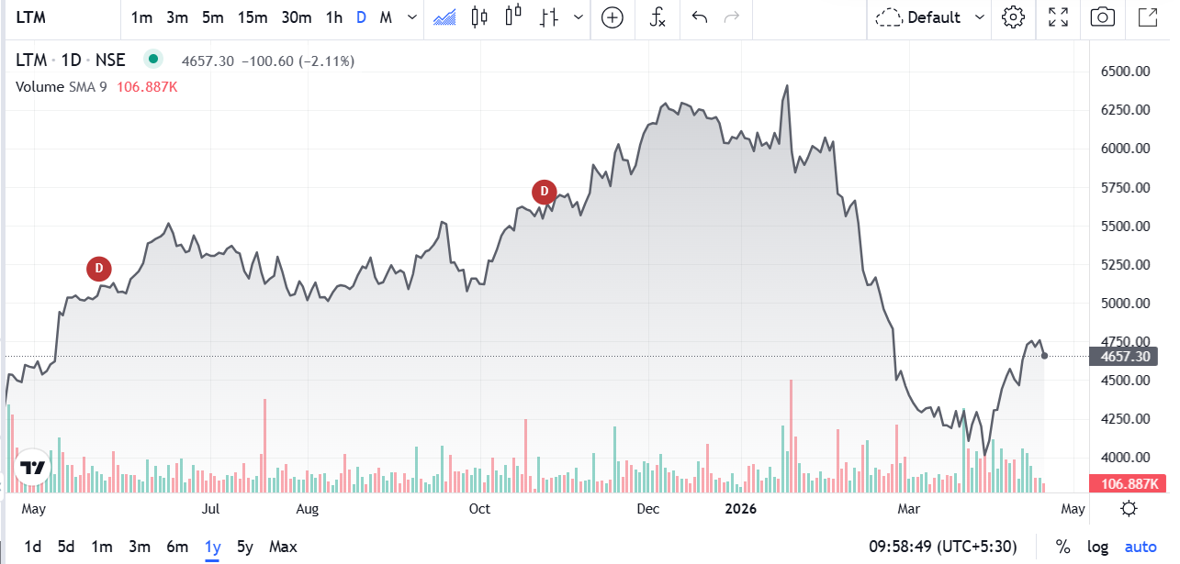


Metric | Value | Financial Year | Revenue (₹ Crore) | Profit After Tax (PAT) (₹ Crore) | Revenue Change (%) | PAT Change (%) | Nifty 50 Change (%) | Nifty 50 Prices
Market Cap | 138154 | FY 2024-25 | 38,008.10 | 4,602 | 7.01% | 0.380% | 8% | 24334.2
Current Price | ₹ 4,662 | FY 2023-24 | 35,517 | 4,584.60 | 7.03% | 3.952% | 25% | 22604.85
High / Low | 4703.80/4630.10 | FY 2022-23 | 33,183 | 4,410.30 | 111.78% | 91.877% | 6% | 18065
Stock P/E | 29.04 | FY 2021-22 | 15,668.70 | 2,298.50 | 26.67% | 18.589% | 17% | 17102.55
Book Value | ₹ 822 | FY 2020-21 | 12,369.80 | 1,938.20 |  |  |  | 14631.1
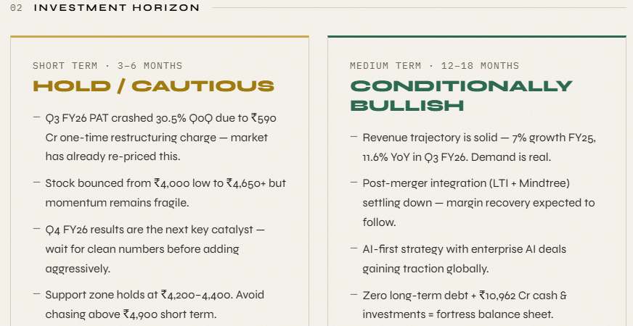
Dividend Yield | 1.40
ROCE | 26.34%
ROE | 20.36% | LTIM is a genuinely strong company - zero debt, ₹10,962 Cr cash, L&T backing, and solid revenue growth. But the stock got hammered 38% from its peak because margins are terrible vs peers (17% vs TCS's 26%), EPS didn't grow at all in FY25, and a ₹590 Cr one-time restructuring charge destroyed Q3 FY26 numbers. The market overreacted. The beaten-down price at ₹4,200-4,500 is where you should accumulate in tranches. If Q4 results come clean and margins start recovering toward 18%+ the stock can realistically re-rate to ₹5,200-5,800 in 12–18 months. The one thing you keep watching: margin expansion - that's the entire thesis.
Face Value | ₹ 1.00

 |  | Accumulate & Hold. Don't panic sell. BUY in Tranches The stock is down 26% from its peak - mostly because of a one-time restructuring charge, not because the business is broken. Fundamentals are intact, balance sheet is rock solid, and Q4 results are out today. This is a beaten-down quality stock, not a failing one.

Forecasting
Sales Forecasting |  |  |  | EBITDA Forecasting |  |  |  | Earning per share Forecasting
Year Weight | Year | Sales | Sales Growth | Year Weight | Year | EBITDA | EBITDA Growth | Year Weight | Year | EPS | EPS Growth
1 | 2022-03-01 | 15,668.70 |  | 1 | 2022-03-01 | 3,058.40 |  | 1 | 2022-03-01 | 131.00
2 | 2023-03-01 | 33,183.00 | 112% | 2 | 2023-03-01 | 6,107.70 | 100% | 2 | 2023-03-01 | 149.00 | 14%
3 | 2024-02-29 | 35,517.00 | 7% | 3 | 2024-02-29 | 6,387.40 | 5% | 3 | 2024-02-29 | 155.00 | 4%
4 | 2025-02-28 | 38,008.10 | 7% | 4 | 2025-02-28 | 6,494.90 | 2% | 4 | 2025-02-28 | 155.00 | 0%
5 | 2026-02-28 | 42,307.60 | 11% | 5 | 2026-02-28 | 7555.20 | 16% | 5 | 2026-02-28 | 169.00 | 9%
6 | 2027-02-28 | 50367.75 | 19% | 6 | 2027-02-28 | 8734.96 | 16% | 6 | 2027-02-28 | 176.40 | 4%
7 | 2028-02-28 | 56178.04 | 12% | 7 | 2028-02-28 | 9673.04 | 11% | 7 | 2028-02-28 | 184.60 | 5%
8 | 2029-02-27 | 61988.33 | 10% | 8 | 2029-02-27 | 10611.12 | 10% | 8 | 2029-02-27 | 192.80 | 4%
9 | 2030-02-27 | 67798.62 | 9% | 9 | 2030-02-27 | 11549.20 | 9% | 9 | 2030-02-27 | 201.00 | 4%
10 | 2031-02-27 | 73608.91 | 9% | 10 | 2031-02-27 | 12487.28 | 8% | 10 | 2031-02-27 | 209.20 | 4%
Sales Forecasting
EBITDA Forecasting
 | EBITDA DATA | EBITDA Forecasting Growth
2022-03-01 | 3,058.40
2023-03-01 | 6,107.70 | 100%
2024-02-29 | 6,387.40 | 5%
2025-02-28 | 6,494.90 | 2%
2026-02-28 | 7,555.20 | 16%
2027-02-28 | 8,734.96 | 16%
2028-02-28 | 9,673.04 | 11%
2029-02-27 | 10,611.12 | 10%
2030-02-27 | 11,549.20 | 9%
2031-02-27 | 12,487.28 | 8%
EPS Forecasting

