Stock Analysis
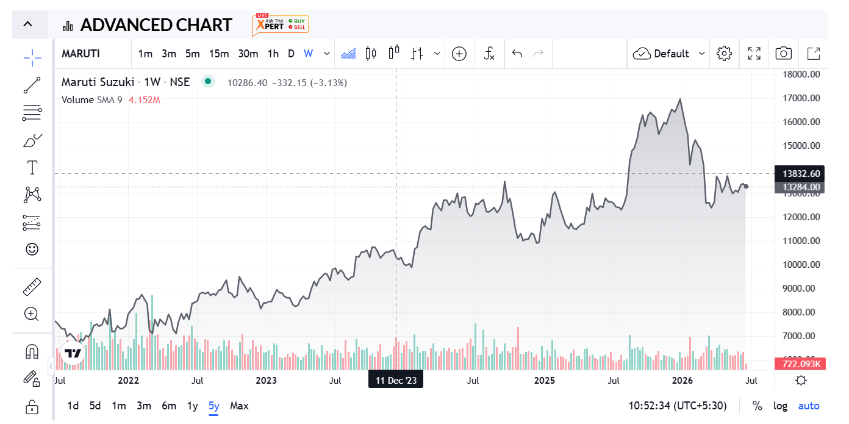
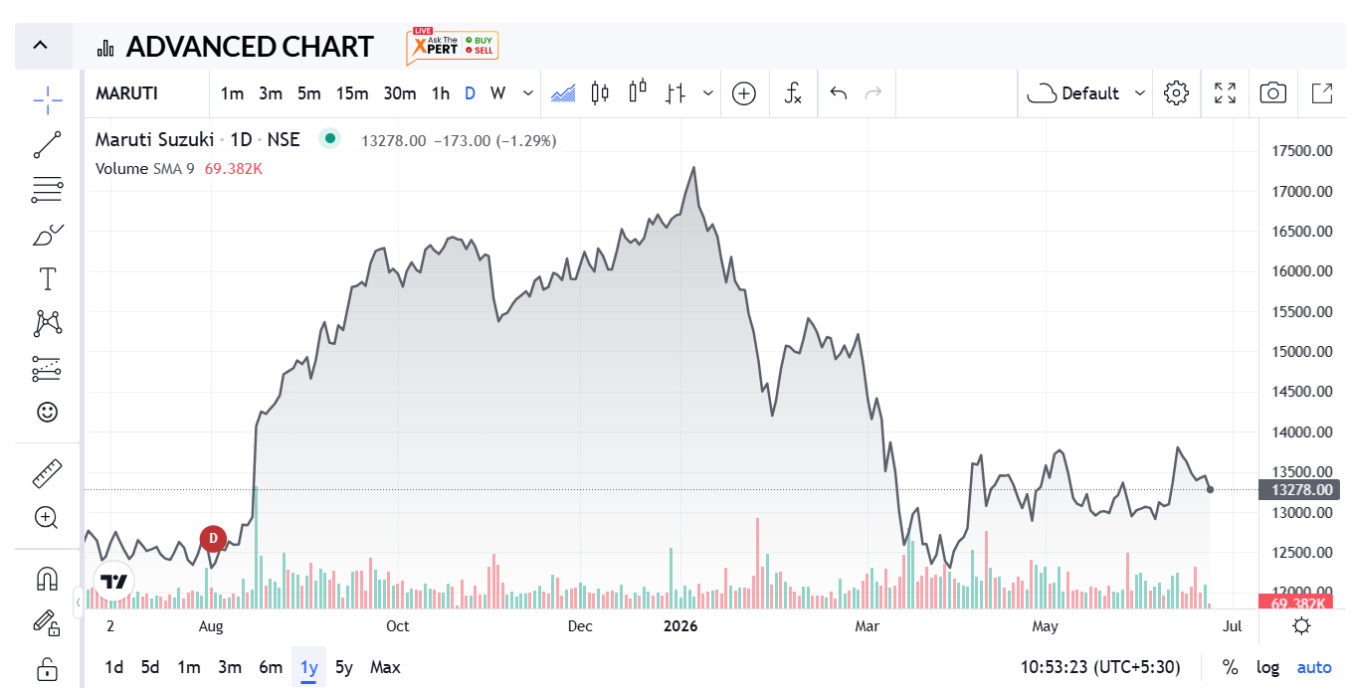
Metric | Value |  | Financial Year | Revenue (₹ Crore) | Profit After Tax (PAT) (₹ Crore) | Revenue Change (%) | PAT Change (%) | Nifty 50 Change (%) | Nifty 50 Prices
Market Cap | 423,155 |  | FY 2025-26 | 183,316 | 14,680 | 19.88% | 1.24% | -1% | 23283.7
Current Price | 13,451 |  | FY 2024-25 | 152,913 | 14,500 | 7.79% | 7.50% | 5% | 23519.35
High / Low | ₹ 17,372 / 12,201 |  | FY 2023-24 | 141,858 | 13,488 | 20.66% | 64.27% | 29% | 22326.9
Stock P/E | 28.8 |  | FY 2022-23 | 117,571 | 8,211 | 33.10% | 111.62% | -1% | 17359.75
Book Value | 3,408 |  | FY 2021-22 | 88,330 | 3,880 |  |  |  | 17464.75
Dividend Yield | 1.04 %
ROCE | 19.0 %
ROE | 14.4 %
Face Value | ₹ 5.00

EQUITY RESEARCH REPORT — MARUTI SUZUKI INDIA LIMITED (NSE: MARUTI | BSE: 532500)
RECOMMENDATION | HOLD — AWAIT BETTER ENTRY |  |  | CMP (₹) | ₹ 13,451 | DCF Intrinsic Value (₹) | ₹ 12,023 | Premium / (Discount) | +11.9% Premium
Relative Valuation Range (₹) | EV/Sales: ₹9,365 | EV/EBITDA: ₹8,985 | P/E: ₹8,397 |  |  | Sector: Automobiles — Passenger Vehicles |  |  | Report Date: June 2025 | FY25 Actuals + FY26E Projections
1. COMPANY OVERVIEW
Maruti Suzuki India Limited (MSIL) is India's largest passenger vehicle (PV) manufacturer, commanding ~40%+ market share in the domestic PV segment. Incorporated in 1981 as a Government of India – Suzuki Motor Corporation (SMC, Japan) joint venture, MSIL became a subsidiary of SMC in 2002. As at FY2025, SMC holds 58.53% of equity. MSIL operates three manufacturing facilities in Haryana (Gurugram, Manesar, Kharkhoda) with a combined installed capacity of approximately 2.6 Mn units per annum, supplemented by Suzuki Motor Gujarat Pvt. Ltd. (SMG) adding 0.75 Mn units. The company markets vehicles through dual retail channels — Arena (mass-market) and NEXA (premium) — spanning hatchbacks, sedans, SUVs, MPVs and light commercial vehicles, with powertrain options including Petrol, CNG, Mild Hybrid, SHEV and BEV (e VITARA launch imminent). MSIL is also India's largest passenger vehicle exporter, having set an all-time export record of 332,585 units in FY25.
2. FINANCIAL PERFORMANCE — KEY METRICS (FY2022–FY2026E)
Particulars | FY 2021-22 | FY 2022-23 | FY 2023-24 | FY 2024-25 | FY 2025-26E | Trend / Remarks
Revenue from Ops (₹ Cr.) | 88,330 | 1,17,571 | 1,41,858 | 1,52,913 | 1,83,316 | 4-yr CAGR ~20%; FY26E +19.9% YoY — strong volume recovery + price mix improvement
EBITDA (₹ Cr.) | 5,706 | 11,018 | 18,526 | 20,156 | 21,456 | Margin expanded from 6.5% (FY22) → 13.2% (FY25); FY26E margin at 11.7% — commodity headwinds moderate expansion
EBIT (₹ Cr.) | 2,917 | 8,192 | 13,271 | 14,548 | 14,715 | EBIT margin improved from 3.3% → 9.5% (FY25); consistent operating leverage
PAT (₹ Cr.) | 3,718 | 8,034 | 13,234 | 14,256 | 14,394 | PAT CAGR of ~41% over FY22–FY25; FY26E PAT flat YoY — higher depreciation on new capex cycle
EPS (₹) | 128 | 272 | 429 | 461 | 467 | EPS grew 3.6x in 3 years; FY26E EPS ₹467 — modest growth as D&A headwinds cap PAT expansion
ROCE (%) | 5.5% | 13.0% | 16.0% | 15.2% | 13.9% | Post-tax ROCE peaked at 16% in FY24; normalising as large capex cycle (Kharkhoda plant) begins
ROE (%) | 6.7% | 13.0% | 15.5% | 14.8% | 13.4% | ROE healthy but diluted by rising equity base; debt-free balance sheet throughout
3. RATIO ANALYSIS — OPERATIONAL & EFFICIENCY METRICS
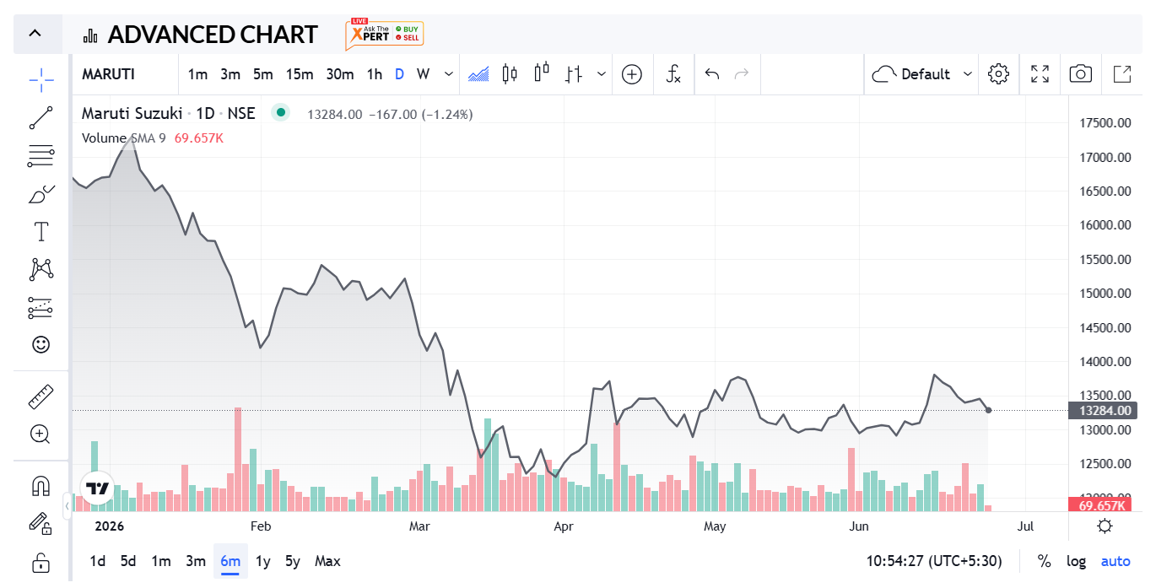
Ratio | FY22 | FY23 | FY24 | FY25 | FY26E | Interpretation
Gross Margin | 25.2% | 26.6% | 29.7% | 29.7% | 27.7% | Stable at ~29–30%; FY26E slight compression from material cost inflation
EBITDA Margin | 6.5% | 9.4% | 13.1% | 13.2% | 11.7% | FY22 was a trough; margins doubled by FY25 driven by ASP hikes and cost control
Net Profit Margin | 4.2% | 6.8% | 9.3% | 9.3% | 7.9% | FY26E moderation due to higher depreciation on Kharkhoda capex ramp-up
Interest Coverage | 23.1x | 43.8x | 68.5x | 74.9x | 61.6x | Extremely robust — zero long-term debt; finance cost is minimal lease obligations only
Debtor Days | 8.4 | 10.2 | 11.8 | 15.6 | 10.6 | Short collection cycle; slight elongation in FY25 offset by strong CFO
Payable Days | 54 | 50 | 62 | 70 | 61 | Improving supplier leverage; supports working capital efficiency
Inventory Days | 14.6 | 13.3 | 13.7 | 16.5 | 22.5 | FY26E inventory build-up reflects higher input stocking for expanded production
Cash Conversion Cycle | (31.0) | (26.3) | (36.7) | (37.5) | (27.8) | Negative CCC — suppliers finance operations; structural competitive advantage
CFO/Sales | 2.1% | 7.9% | 11.8% | 10.6% | 10.4% | High and consistent operating cash generation; self-funding capex model
Debt/Equity | 0.007x | 0.020x | 0.0x | 0.0x | 0.0x | Effectively zero debt; entire capital structure is equity — pristine balance sheet
4. VALUATION SUMMARY — DCF, RELATIVE & SCENARIO ANALYSIS
4a. Intrinsic Value — DCF Valuation (FCFF-Based)
DCF Methodology | Free Cash Flow to Firm (FCFF) discounted at WACC; 10-year explicit forecast period + terminal value
WACC | 12.17% | Ke = 6.25% (Rf) + 0.97 (β) × 6.10% (ERP) = 12.17% | Debt = NIL; all-equity capital structure
Growth Scenario Used | Scenario 3 (EBIT-Growth based): Year 1 sales growth of 24.3%, step-down to ~12.2% terminal rate
Terminal Growth Rate (g) | 9.79% (= ROE × Retention Ratio = 13.4% × 72.9%) — anchored to sustainable internal growth rate
PV of FCFFs (Y1–Y10) | ₹72,002 Cr.
PV of Terminal Value | ₹3,07,761 Cr. (represents 81% of total enterprise value — material terminal value sensitivity)
Value of Operating Assets | ₹3,79,764 Cr.
Add: Cash & Equivalents | ₹1,580 Cr.
Less: Minority Interest | ₹3,338 Cr. (SMG amalgamation pending; treated as minority for now)
Equity Value (Total) | ₹3,78,006 Cr.
Shares Outstanding | 31.44 Cr.
DCF Intrinsic Value per Share | ₹12,023
CMP (₹) | ₹13,451 | Premium to DCF Fair Value: +11.9% → Stock appears MODESTLY OVERVALUED on base-case DCF

4b. Relative Valuation vs. Peer Group (FY2025 Actuals)
Company | Mkt Cap (₹Cr.) | EV/Sales | EV/EBITDA | P/E | CMP (₹) | EPS (₹) | Revenue (₹Cr.) | EBITDA (₹Cr.) | Remarks
Maruti Suzuki | 4,24,787 | 2.75x | 20.9x | 29.3x | 13,511 | 461 | 1,52,913 | 20,156 | Market leader; premium justified by brand, scale, balance sheet
M&M | 3,79,438 | 2.42x | 12.8x | 22.1x | 3,051 | 138 | 1,98,639 | 37,561 | SUV portfolio re-rating; EV optionality driving premium over Maruti on EBITDA
Hyundai Motor India | 1,60,233 | 2.13x | 17.5x | 29.5x | 1,972 | 66.8 | 70,763 | 8,598 | Comparable P/E to Maruti; smaller scale and lower EBITDA margin
Tata Motors (PV) | 1,31,026 | 0.54x | 9.6x | 1.6x | 355.8 | 224 | 3,35,582 | 18,719 | Blended entity; PV division profitable but JLR cyclicality distorts multiples
Force Motors | 23,802 | 2.53x | 15.4x | 19.6x | 18,064 | 920 | 9,057 | 1,483 | Niche commercial/defence exposure; not a direct comparable
Peer Average | 2,23,625 | 1.90x | 13.8x | 18.2x | — | 337 | 1,53,510 | 16,590
Peer Median | 1,70,238 | 2.27x | 14.1x | 20.9x | — | 181 | 1,34,701 | 13,659
Implied Price from Peer Multiples (vs. Maruti CMP ₹13,511): |  |  | EV/Sales (Avg) | ₹9,365 | EV/EBITDA (Avg) | ₹8,985 | P/E (Avg) | Interpretation: CMP at 30–60% premium to peer-avg implied prices on all three multiples

5. INVESTMENT THESIS
5a. KEY POSITIVES — BULL CASE
▶ Market Leadership & Network Moat |  | 41%+ domestic PV market share; 4,235 retail outlets and 5,424 service touchpoints — unmatched distribution reach in India. 7 of the top-10 best-selling PV models in India are Maruti models (FY25). Brand trust built over four decades is a near-unassailable moat.
▶ Debt-Free, Cash-Generating Balance Sheet |  | Zero long-term debt as at FY25; negative cash conversion cycle (-37.5 days) means suppliers finance operations. Operating cash flow of ₹16,136 Cr. in FY25 (CFO/Sales: 10.6%); cumulative investments of ₹57,928 Cr. in non-current instruments.
▶ Capacity Expansion Underway — 4 Mn Unit Target by FY31 |  | Kharkhoda greenfield plant (Haryana) under construction; combined group capacity targeted at 4 Mn units p.a. by FY2030-31. SMG amalgamation (Jan 2025 Board approval, regulatory pending) will simplify structure and unlock operational efficiencies.
▶ Record Export Performance + European Entry Planned |  | FY25 exports hit an all-time high of 332,585 units (+17.5% YoY); cumulative exports crossed 3 million. MSIL is entering European markets, significantly expanding its addressable TAM and reducing dependence on domestic cycles.
▶ EV & Hybrid Optionality |  | e VITARA (MSIL's first BEV) launches on a dedicated platform; CNG and SHEV already gaining traction. Powertrain target by FY31: 25% CNG, 25% Hybrid, 15% BEV, 35% Ethanol — reduces EV transition risk via diversified approach.
▶ PAT CAGR Recovery |  | PAT grew from ₹3,718 Cr. (FY22) to ₹14,256 Cr. (FY25) — a 3.8x increase in 3 years driven by volume, ASP, and commodity tailwinds. EPS of ₹461 in FY25 vs ₹128 in FY22; dividend payout of ₹135/share in FY25.

5b. KEY RISKS — BEAR CASE
⚠ Valuation Premium Risk |  | CMP trades at a 30–61% premium to all peer-derived implied prices (EV/Sales, EV/EBITDA, P/E). DCF intrinsic value at ₹12,023 implies ~12% downside from current levels. At P/E of 28.8x on FY25 EPS, the market is pricing significant forward earnings acceleration.
⚠ SUV Segment Competition |  | M&M's resurgent SUV portfolio (Thar Roxx, Scorpio-N, XUV700) is gaining share in the premium SUV segment where Maruti is relatively weak. Hyundai and Kia continue to add capacity; the hatchback segment — Maruti's stronghold — faces structural demand shift toward SUVs.
⚠ EV Disruption & Delayed BEV Ramp |  | e VITARA faces aggressive competition from Tata Nexon EV, MG Windsor, and BYD Atto 3. MSIL's BEV entry is late compared to peers; any further delay in EV adoption or charging infra build-out could compress long-term growth assumptions.
⚠ Commodity & Forex Volatility |  | MSIL imports CKD units and components from SMC Japan; INR depreciation and steel/aluminium price spikes directly compress margins. FY26E EBITDA margin is estimated at 11.7% vs 13.2% in FY25 — a 150 bps contraction anticipated.
⚠ Regulatory & Emission Compliance Risk |  | CAFE Phase-II norms (from FY27), ADAS mandates, and potential ICE restriction policies add compliance cost. Non-compliance with emission targets could result in penalties and forced model transitions.
⚠ High Terminal Value Dependency in DCF |  | PV of terminal value constitutes ~81% of total enterprise value in the DCF model. A 1% increase in WACC or 2% decline in terminal growth rate reduces intrinsic value by 30–50% (as seen in sensitivity table), making the valuation highly sensitive to macro assumptions.

6. ANALYST RECOMMENDATION & CONCLUSION
HOLD — AWAIT BETTER ENTRY | CMP: ₹13,451 | DCF Fair Value: ₹12,023 | Relative Valuation Range: ₹8,397–₹9,365
Maruti Suzuki India Limited is, unambiguously, the highest-quality franchise in the Indian passenger vehicle space. The company's four-decade track record of market leadership, a pristine zero-debt balance sheet, best-in-class distribution network, consistently negative cash conversion cycle, and a credible roadmap to 4 million units per annum capacity make it a core holding for any India-focused equity portfolio. However, from a valuation standpoint, the stock currently offers limited margin of safety. Our DCF analysis (FCFF-based, WACC 12.17%, g = 9.79%) derives an intrinsic value of ₹12,023 per share, implying the CMP of ₹13,451 is trading at an ~11.9% premium to fair value. This is further corroborated by the relative valuation analysis: on EV/Sales, EV/EBITDA, and P/E multiples, the peer-average implied price ranges between ₹8,400–₹9,400 — suggesting the market is pricing in a significant earnings re-rating that has yet to fully materialise, particularly given that FY26E PAT growth is expected to be near-flat (+1.0% YoY) due to rising depreciation from the Kharkhoda capex cycle. The bull case rests on: (i) sustained volume outperformance driven by new launches and SUV segment entry; (ii) successful ramp-up of e VITARA and hybrid models; (iii) operating leverage benefits from 4 Mn unit capacity utilisation; and (iv) margin recovery post the current commodity and D&A headwind phase. The bear case is anchored in: (i) SUV share loss to M&M and Hyundai; (ii) delayed EV pivot in a fast-moving segment; (iii) high terminal value dependency making DCF sensitive to macro changes; and (iv) stretched valuation multiples relative to peers. In summary, we recommend HOLD for existing investors who are long-term oriented — the business quality warrants portfolio retention. For fresh/incremental allocation, we advise awaiting a better entry in the ₹11,500–₹12,200 range (5–10% correction), which would offer a more attractive risk-reward profile and bring the stock cl

