CLIRT Checksheet F29 BE CNC MC
 |  | C,L,I,RT( Cleaning ,lubrication ,inspection & Re-Tightening ) Check Sheet for Fanuc Robodrill BE-F29 CNC-1 & CNC-2 Machine |  |  |  |  |  |  |  |  |  |  |  |  |  |  |  |  |  |  |  |  |  |  |  |  |  |  |  |  | Doc No :43-ME80-F29-ASLY-00001-B
Machine : Fanuc Robodrill Machine |  | Time Required : 15 Min |  |  |  |  |  |  |  |  |  |  |  |  |  |  |  |  | Month: Year:
No. | Nature of Activity | Shift | Type of Activity | PHOTO | Method (How to do) | When To Do | PIC | W1 |  |  |  |  |  |  | W2 |  |  |  |  |  |  | W3 |  |  |  |  |  |  |  | W4 |  |  |  |  |  |  |  |  | Remark
 |  |  |  |  |  |  |  | 1 | 2 | 3 | 4 | 5 | 6 | 7 | 8 | 9 | 10 | 11 | 12 | 13 | 14 | 15 | 16 | 17 | 18 | 19 | 20 | 21 | 22 | 23 | 24 | 25 | 26 | 27 | 28 | 29 | 30 | 31
1 | Check fixture O-ring & Fixture vacuum pressure Interlock. (-60 to -90 Kpa ) फिक्स्चर ओ-रिंग और वैक्यूम दबाव की जाँच करें (-60 से -90 केपीए) | A | Inspection निरीक्षण |  | 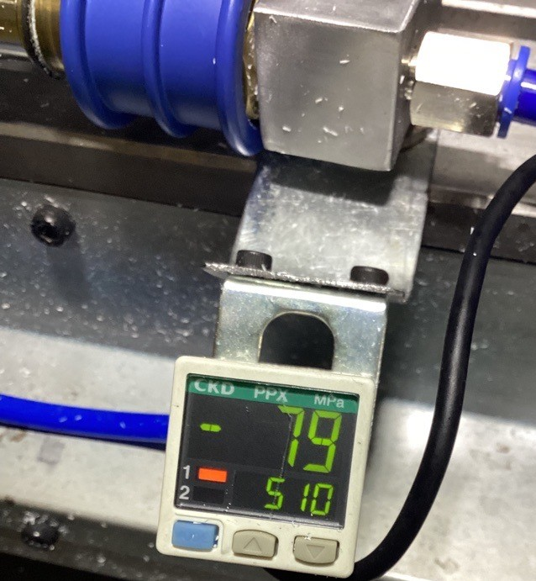 | Every Shift (हर शिफ्ट) | Operator
 |  | B
 |  | C
2 | Clean Machine inside burr & outer surface of machine. (मशीन के अंदर की बर की और बाहरी सतह को साफ करें) | Day | Cleaning सफाई | 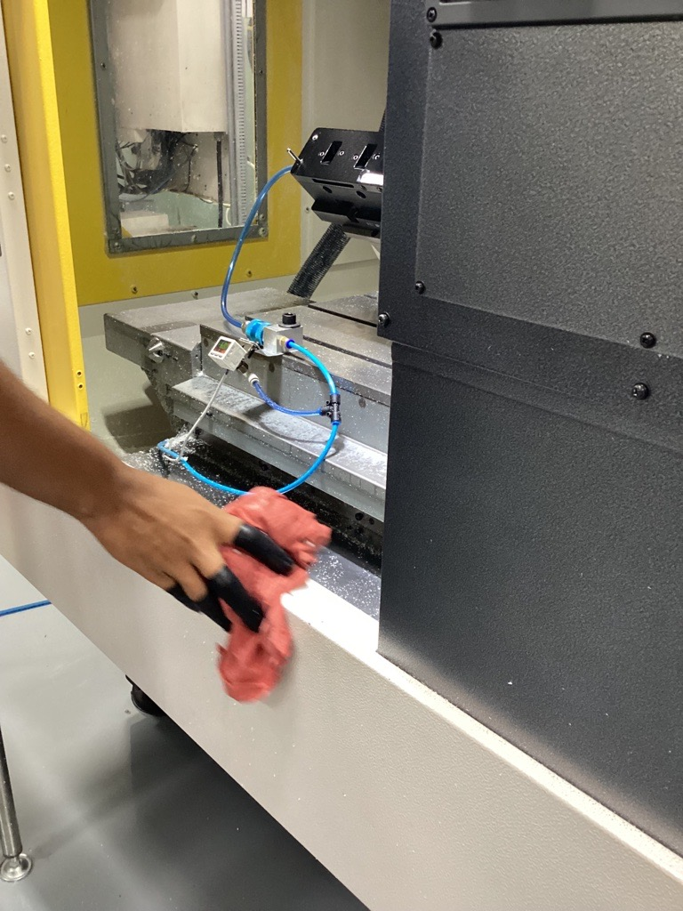 | 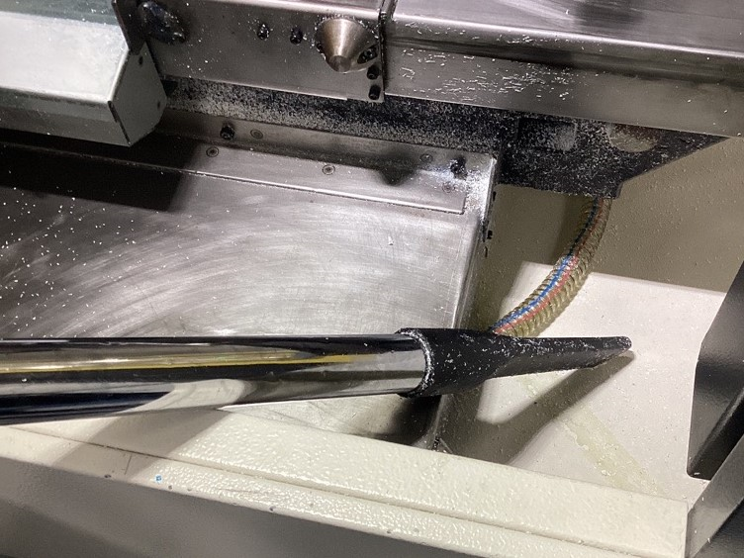 | Every Day (हर दिन) | Operator

3 | Check mist air pipe properly set on cutter flute. (मिस्ट एअर पाइप की जाँच करें) | A | Inspection निरीक्षण | 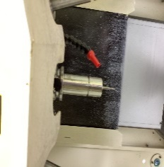 |  | Every Shift (हर शिफ्ट) | Operator
 |  | B
 |  | C
4 | Check abnormal noise in machine in running condition (मशीन चलने की स्थिति में मशीन में असामान्य शोर की जाँच करें) | A | Inspection निरीक्षण | NA | NA | Every Shift (हर शिफ्ट) | Operator
 |  | B
 |  | C
5 | Check working of safety front door interlock (सुरक्षा फ्रंट डोर इंटरलॉक की जाँच करें) | A | Inspection निरीक्षण |  | 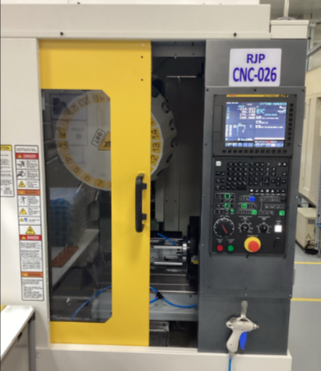 | Every Shift (हर शिफ्ट) | Operator
 |  | B
 |  | C
6 | Check machine safety tower indicator lamp working (मशीन सुरक्षा टॉवर संकेतक लैंप काम कर रहा है) | A | Inspection निरीक्षण | 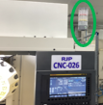 | 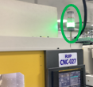 | Every Shift (हर शिफ्ट) | Operator
 |  | B
 |  | C
Signed by Operator |  | A
 |  | B
 |  | C
Verified Signature ( Shift Leader)
Remarks: If the maintenance is normal, type "V", if it is abnormal, type "X", and write the reason in the remarks below, and type "/" if it is not applicable.

