2020 Conditions
Condition and Link | Common Name | Primary Chakra | Secondary Chakra | Tertiary Chakra | URL | 1 | 2 | 3 | 4 | 5 | 6 | 7 | 7 | G | I My
ADHD / ADD | Attention Deficit | 6 | 5 | 3 | http://www.webmd.com/www/add-adhd/default.htm
Alcohol Abuse | Alcohol Abuse | 1 | 2 | 4 | http://www.webmd.com/www/mental-health/Alcohol-Abuse/default.htm |  |  |  |  |  |  |  | 6 | F | Ah Mah
Allergies | Allergies | 3 | 4 | 5
Anxiety / Panic Disorder | Anxiety | 1 | 2 | 3 |  |  |  |  |  |  |  |  | 5 | E | Oh Go
Back Pain Lower | Back Pain Lower | 1 | 2 | 3 |  |  |  |  |  |  |  |  | 4 | D# | Eu You
Back Pain Middle | Back Pain Middle | 2 | 3 | 4
Back Pain Upper | Back Pain Upper | 3 | 4 | 5 |  |  |  |  |  |  |  |  | 4 | D | Eu You
Anorexia – Bulimia | Eating Disorder | 1 | 2 | 3
Cholesterol Management | Cholesterol | 3 | 4 | 5 |  |  |  |  |  |  |  |  | 4 | C# | Eu You
Cold & Flu | Cold-Flu | 3 | 4 | 5
Constipation | Constipation | 1 | 2 | 3 |  |  |  |  |  |  |  |  | 3 | C | Uuh Cup
Depression | Depression | 1 | 2 | 4 |  |  |  |  |  |  |  |  | 2 | B | Ee Me
Diarrhea | Diarrhea | 1 | 2 | 3
Edema | Edema | 3 | 4 | 5 |  |  |  |  |  |  |  |  | 1 | A | Ay Way
Erectile Dysfunction | Erectile Dysfunction | 1 | 2 | 3
Heartburn/GERD | Hearburn | 2 | 3 | 5
Hypertension | Hypertension | 2 | 3 | 4
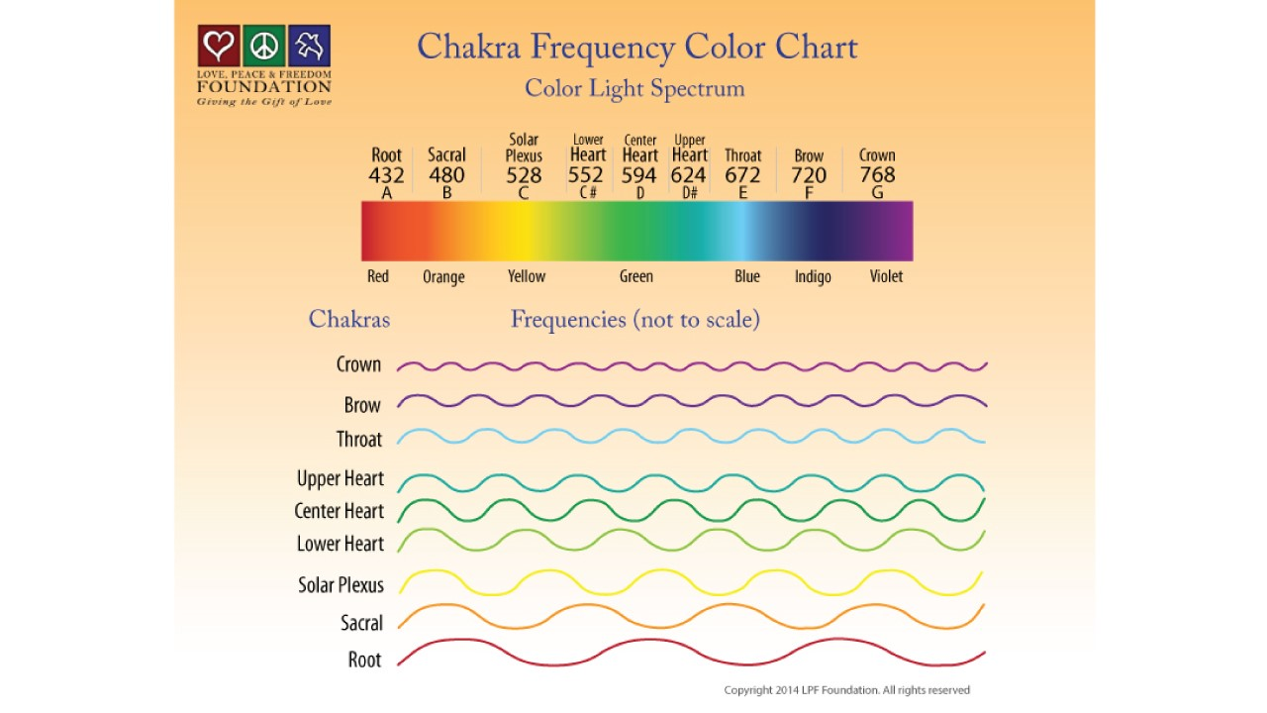
Infertility & Reproduction | Infertility | 1 | 2 | 4
IBD / Crohn's Disease | Irritable Bowel Disease | 2 | 3 | 4
IBS | Irritable Bowel Syndrome | 1 | 2 | 4
Knee Pain | Joint Pain | 1 | 2 | 3
Menstrual Issues | Menstrual Issues | 1 | 2 | 3
Migraines / Headaches | Headaches | 6 | 5 | 4
Nasal – Sinus | Sinus | 5 | 4 | 3
Reproductive Blend |  | --
Male | Fertility Male | 1 | 2 | 3
Female | Fertility Female | 1 | 2 | 5
Rheumatoid Arthritis | Rheumatoid Arthritis | 1 | 3 | 5
Psoriasis/Excema | Skin Inflammation | 2 | 3 | 5
Sleep Disorders | Sleep Disorders | 5 | 6 | 7
Smoking Cessation | Smoking | 2 | 3 | 4
Throat – Sore | Inflamed Throat | 4 | 5 | 6
Weight Loss | Overweight | 1 | 2 | 3

Chakra Sound Map
Chakra Sound Map | Sanskrit Sound | Note | Frequency |  | Solfeggio | Sound | + | 0 | - | Harmonic
1 | LAM | A | 432 |  | 396 | UT |  |  |  |  |  |  | https://www.chakrahealingsounds.com/index.html
2 | VAM | B | 480 |  | 417 | RE |  |  |  |  |  |  | https://balance.chakrahealingsounds.com/about-us/
3 | HAM | C | 528 |  | 528 | MI
4 | YAM | C#/D/D# | 552/594/624 |  | 639 | FA
5 | HAM | E | 672 |  | 741 | SOL
6 | SHAM | F | 720 |  | 852 | LA
7 | OM | G | 768 |  | 963 | SI/TI

Color Musical Planet Interpretation Affliction Note

Red | Do | Mars |  |  |  |  | Force, | Nervousness, Egotism

Orange Re Sun Thoughtfulness, Consideration

Green Fa Saturn Healing, Helpful

Laziness, Repression

Mixed with Yellow – Deceit

Yellow | Mi | Mercury |  |  |  |  | Health, Well-being, Friendliness | Timidity, Weakness of Will

Blue | Sol | Jupiter |  |  |  |  | Spiritual, Artistic, Selfless | Struggle, Melancholy

Indigo | La | V enus |  |  |  |  | Seeking, Religious | Heart & Stomach Trouble

Violet | Ti | Moon |  |  |  |  | Seeking, Religious | Heart & Stomach Trouble

https://img1.wsimg.com/blobby/go/68fa65e7-f0f5-4462-8f43-b22e61c8caca/downloads/1cckuj6gf_812294.pdf

https://innercalmadvisory.ca

http://www.chakra-centers-heal.com

https://www.universallifetools.com/2017/02/part-2-sounds-of-the-cosmos-the-healing-sounds-of-colour/#

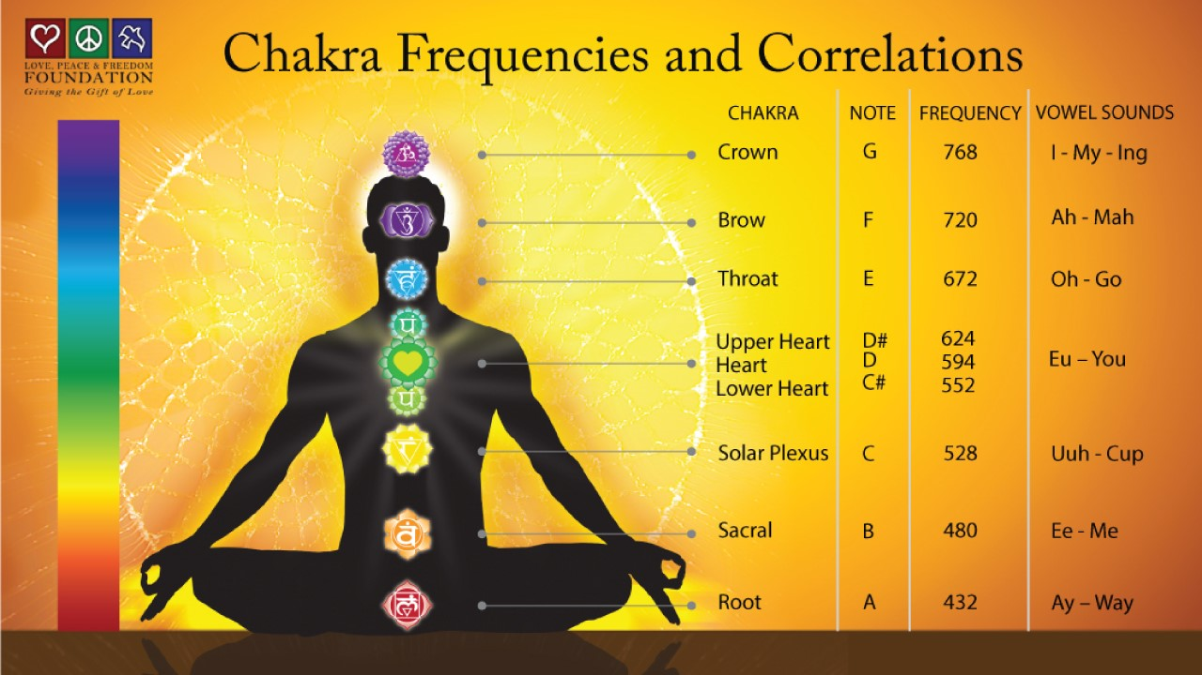
https://www.chakrakey.com/chakra-frequencies-and-correlations-2/

Chakra | Color | Frequency | 1 Octave Below | 2 Octaves Below | Note | Sound
Crown | Violet | 768 | 384 | 192
 |  |  |  |  | G | I My
Brow | Purple | 720 | 360 | 180
 |  |  |  |  | F | Ah Mah
Throat | Blue | 672 | 336 | 168
 |  |  |  |  | E | Oh Go
Upper Heart | Blue Green | 624 | 312 | 156
 |  |  |  |  | D# | Eu You
Heart | Green | 600 | 300 | 150
 |  |  |  |  | D | Eu You
Lower Heart | Yellow Green | 552 | 276 | 138
 |  |  |  |  | C# | Eu You
Solar Plexus | Yellow | 528 | 264 | 132
 |  |  |  |  | C | Uuh Cup
Sacral | Orange | 480 | 240 | 120
 |  |  |  |  | B | Ee Me
Root | Red | 432 | 216 | 108
 |  |  |  |  | A | Ay Way

 |  |  |  |  |  |  |  |  |  |  |  | https://heavenofsound.com/pages/chakras |  | Uses Hans Cousto

 |  |  |  |  |  |  |  |  |  |  | Interesting Kiwi Chica https://elfenharmonics.com

