Angular sesstion state + ngrx
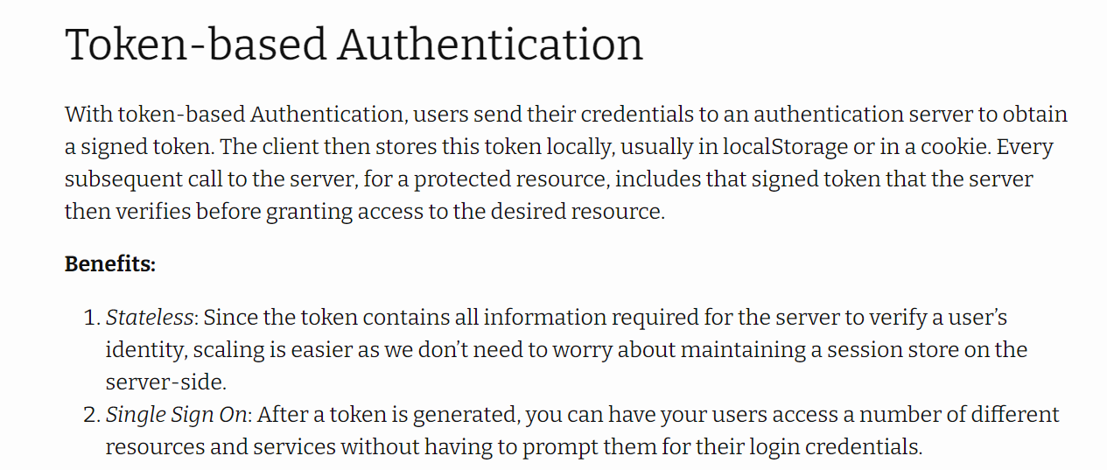
Refer
 | https://mherman.org/blog/authentication-in-angular-with-ngrx/
 |  | 1. Develop a fully-functioning Angular app with authentication
 |  | 2. Discuss the benefits and drawbacks of using token-based authentication
 |  | 3. Implement user authentication with tokens
 |  | 4. Utilize NGRX Store for state management
 |  | 5. Isolate and manage side effects with NGRX Effects
 |  | 6. Set up an HTTP Interceptor to hijack outgoing requests and incoming responses
 |  | 7. Configure route-based authorization with route guards

