Sharing between component
Component
Component
Component

Component
Component

How to share data between angular component
 | 1 | Parent-child:
 |  |  | @Input , @Output
 | 2 | Separated Component
 |  | - | Rxjs (Behavior Object … )
 |  | - | Framework (Flux系）

what is state
 | it is everything you can manage in UI
 |  | display data
 |  | selecting data
 |  | session info
 |  | dynamic theme (button color, button position.. )

ngrx overview
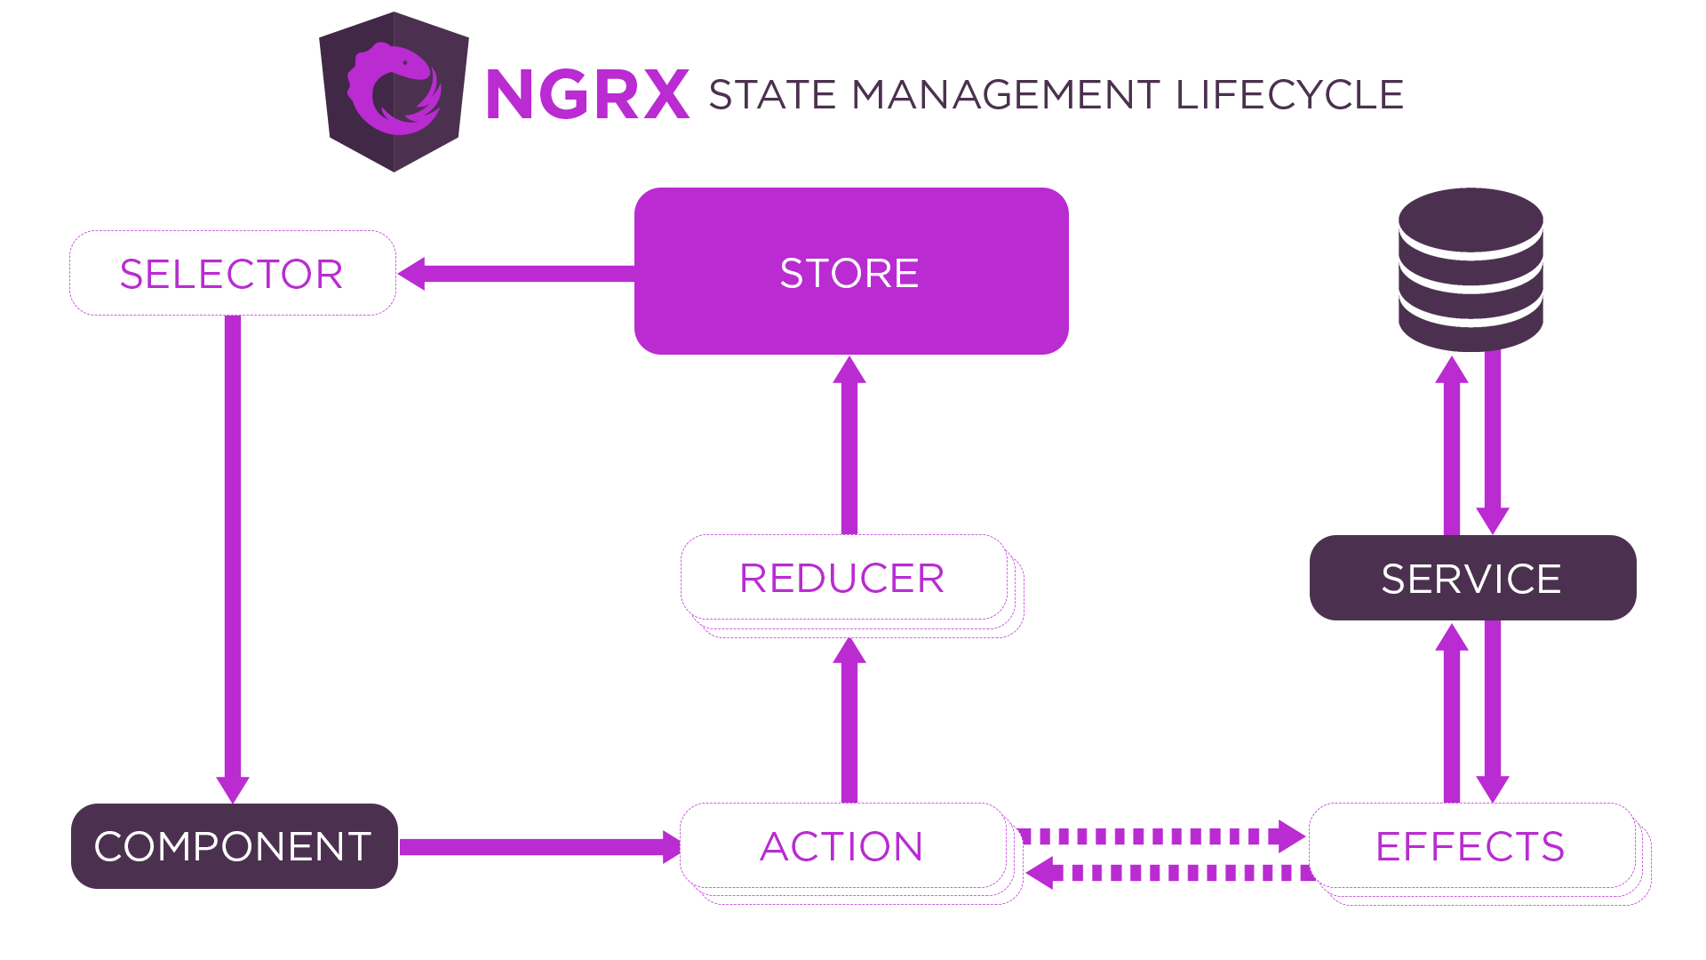

PetList Component |  | Action | Effect | service |  | Reducer
LOAD_PETS
ofType(LOAD_PETS)
Call API OK:
Dispatch(
LOAD_SUCCESS
payload: { pets }
)
Call API NG:
Dispatch(
LOAD_FAILURE
payload: { }
)
dispatch(LOAD_PETS)

Call API: getListPets()
Call API: getListPets()
 |  |  |  |  | ON:
 |  |  |  |  |  | LOAD_SUCCESS
 |  |  |  |  |  |  | make a new petstate with incoming payload data

store
 |  |  |  |  |  | LOAD_FAILURE
 |  |  |  |  |  |  | make a new petstate with pet list is empty

Notify a change event
subcribe pets in store
 | petList$

Angular sesstion state + ngrx
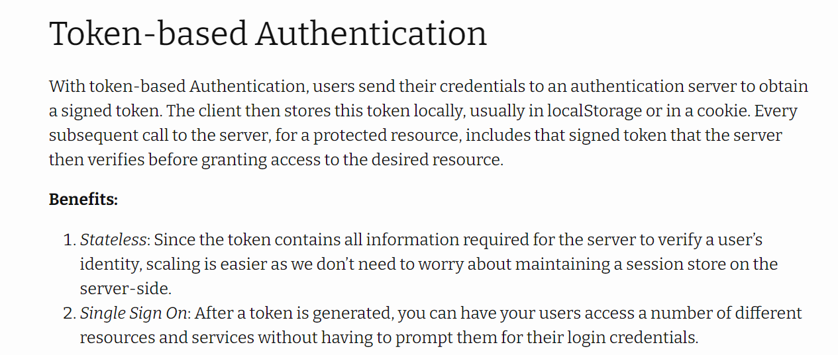
Refer
 | https://mherman.org/blog/authentication-in-angular-with-ngrx/
 |  | 1. Develop a fully-functioning Angular app with authentication
 |  | 2. Discuss the benefits and drawbacks of using token-based authentication
 |  | 3. Implement user authentication with tokens
 |  | 4. Utilize NGRX Store for state management
 |  | 5. Isolate and manage side effects with NGRX Effects
 |  | 6. Set up an HTTP Interceptor to hijack outgoing requests and incoming responses
 |  | 7. Configure route-based authorization with route guards

