Sheet3
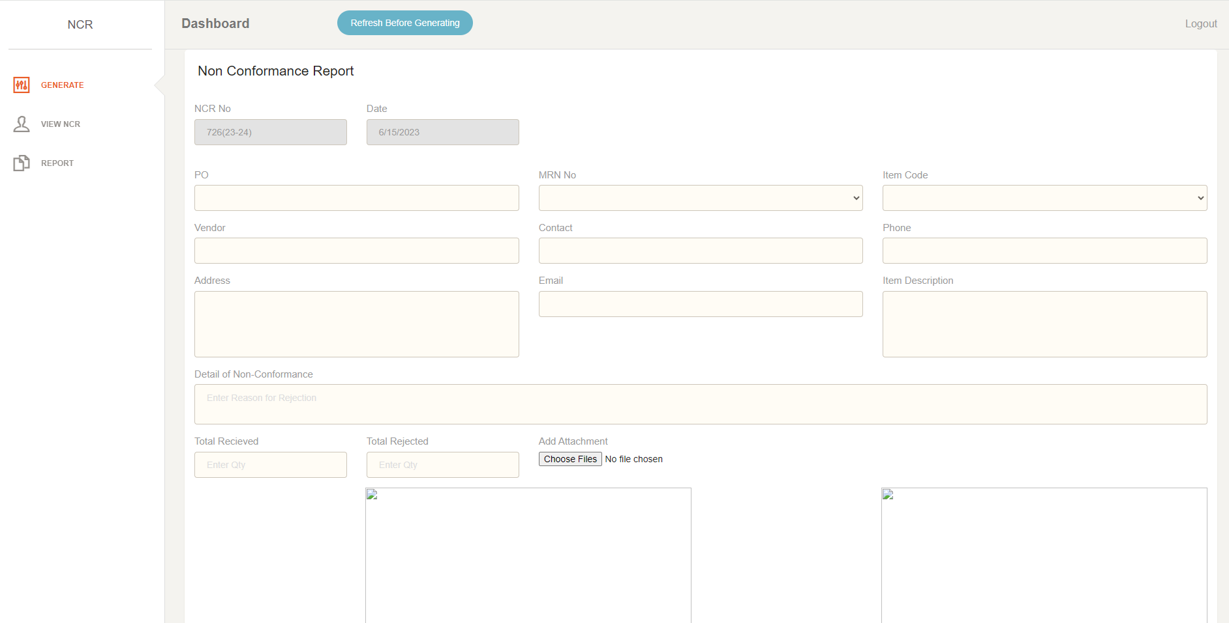

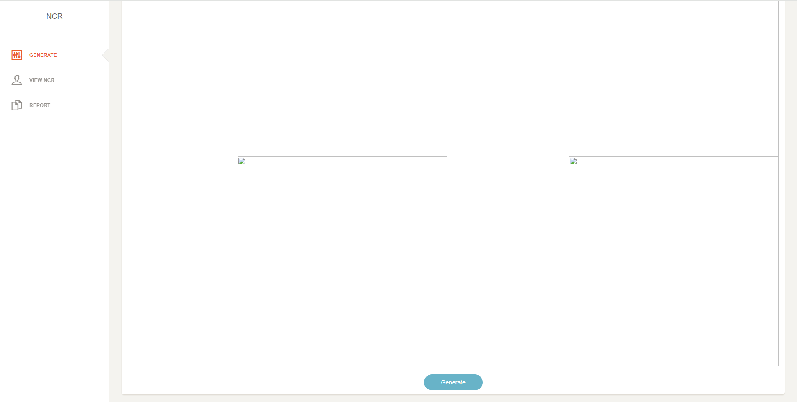

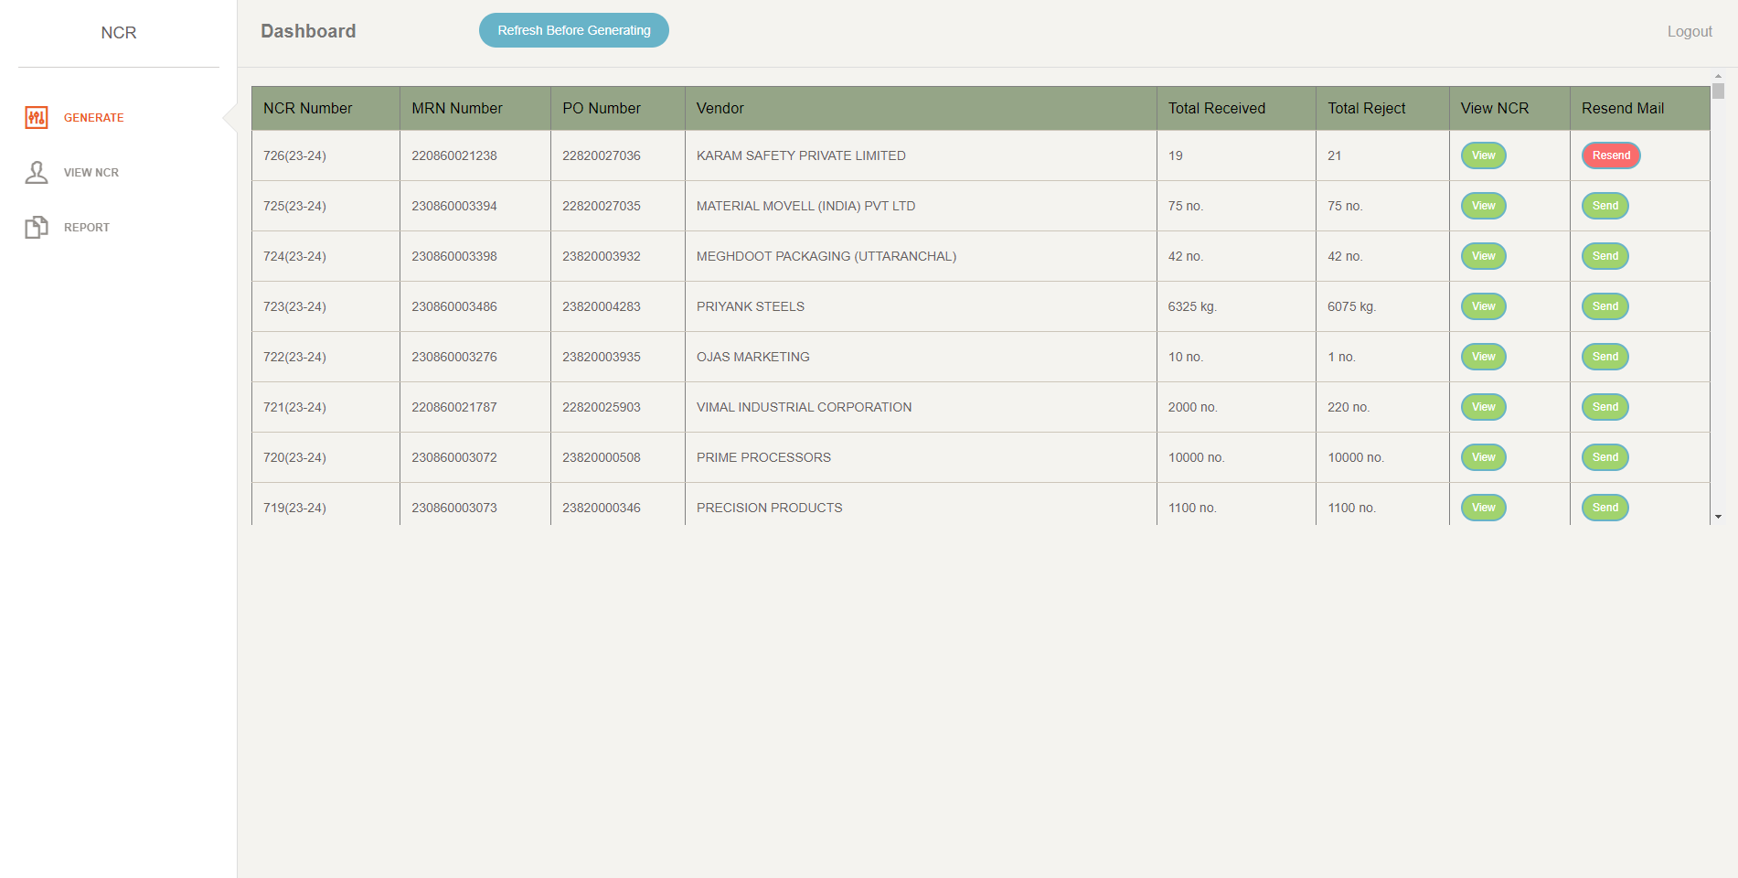

Generated_date | Ncr_No | VENDOR | Item_Code | MRN | Details | Email | Description | PO_Number | Total_Received | Total_Reject
2023-06-03 | 724(23-24) | MEGHDOOT PACKAGING (UTTARANCHAL) | PMMC161-02 | 230860003398 | During folding the carton getting teared off. | pavan@le-intl.co.in | PRINTED MASTER CARTON, (IRUDEK) (ART. WORK: REV. 03) (SIZE : 1510X320X330MM (OD) tolerance of + - 5 mm) FOR 7 FEET TRIPOD, CARTON MAY BE USED ALONG WITH EPE : PMEPE08, STYLE : FULL FLAP RSC,SPECIFICATION | 23820003932 | 42 no. | 42 no.
2023-06-03 | 725(23-24) | MATERIAL MOVELL (INDIA) PVT LTD | SA-17W(01.2) | 230860003394 | Wrong item received. | sumit@materialmovell.com | SWIVEL WHEEL WITH LOCKING 50MM X 25MM, MAKE:SUPO | 22820027035 | 75 no. | 75 no.
2023-06-15 | 726(23-24) | KARAM SAFETY PRIVATE LIMITED | ID03 | 220860021238 | tesst | vishal@karam.in | AMERICAN ID PLATE - BLACK ID03 | 22820027036 | 19 | 21

