Clustering
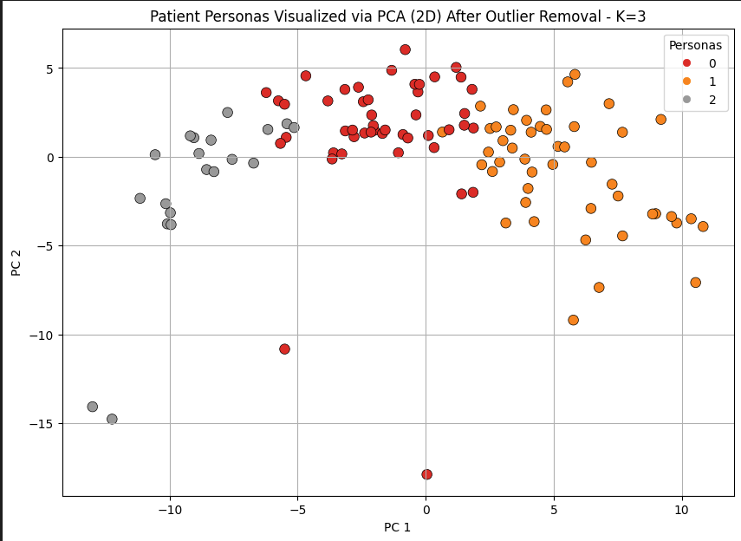
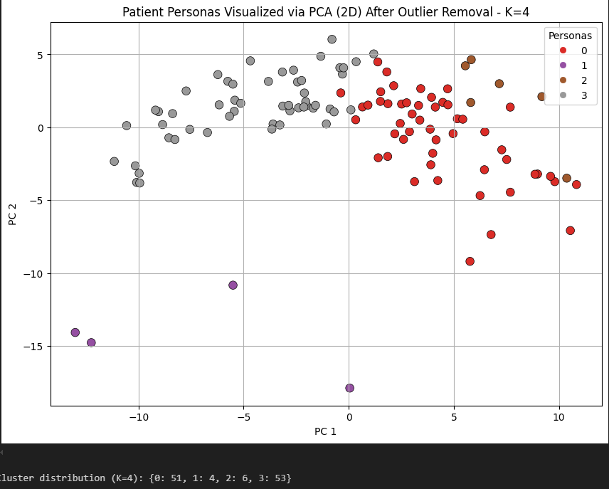
K = 6

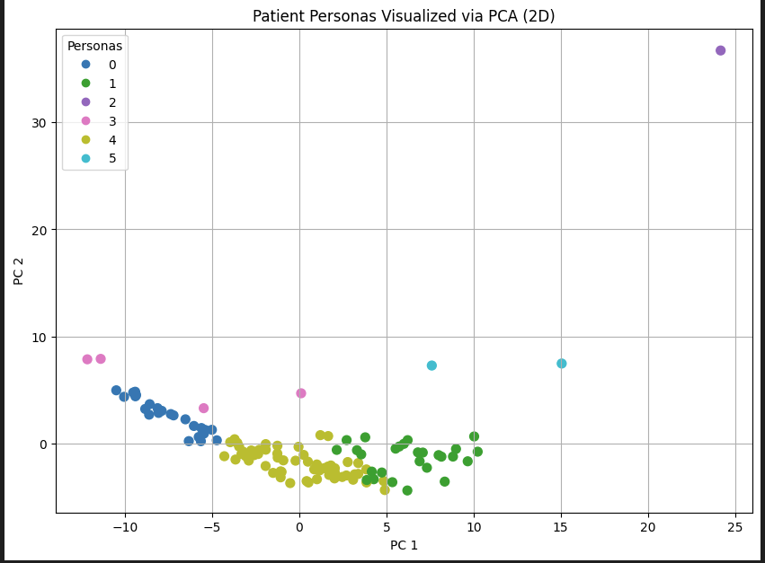

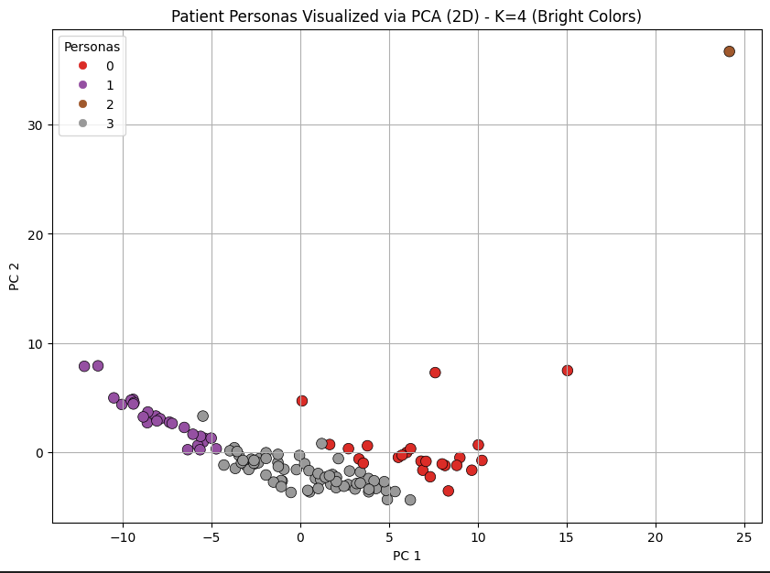
 | Conclusion | Reason
 | The outlier is genuine | It's not a side-effect of choosing too many clusters — even fewer clusters still isolate this patient.
 | The patient is truly different | Across the reduced PCA space, this patient is so different that KMeans isolates it regardless of K.
 | KMeans is trying its best | KMeans is a distance-based algorithm — if the patient is far from others, KMeans must separate it.

OUTLINER REMOVEAL

