Analysis
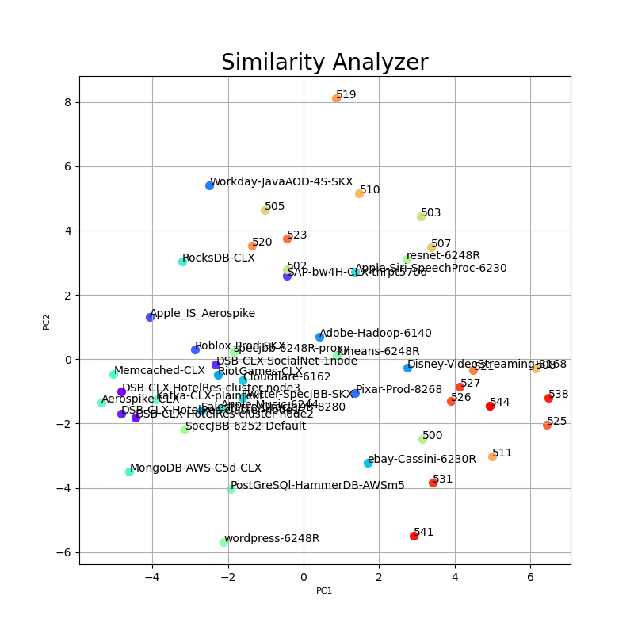
48 Components | 47 Components | 2 Components

