SW_H3.O_OP0
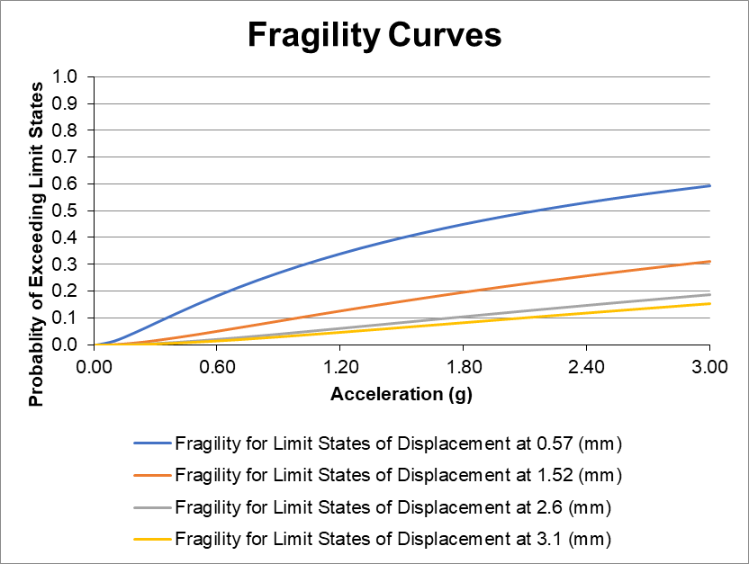
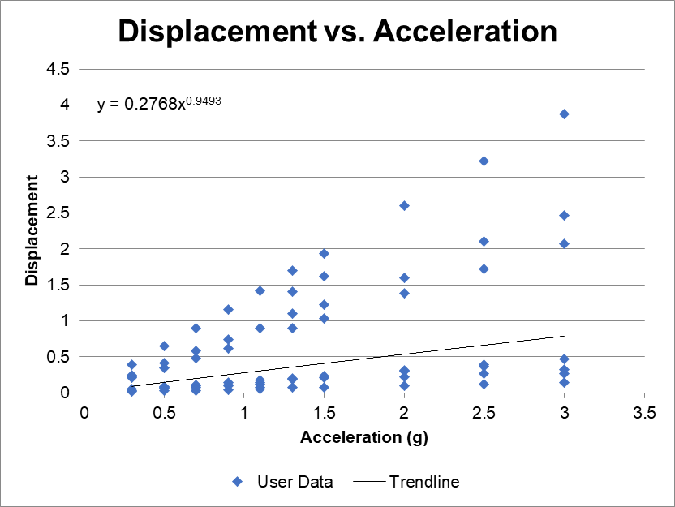

SW-H3.0-OPC
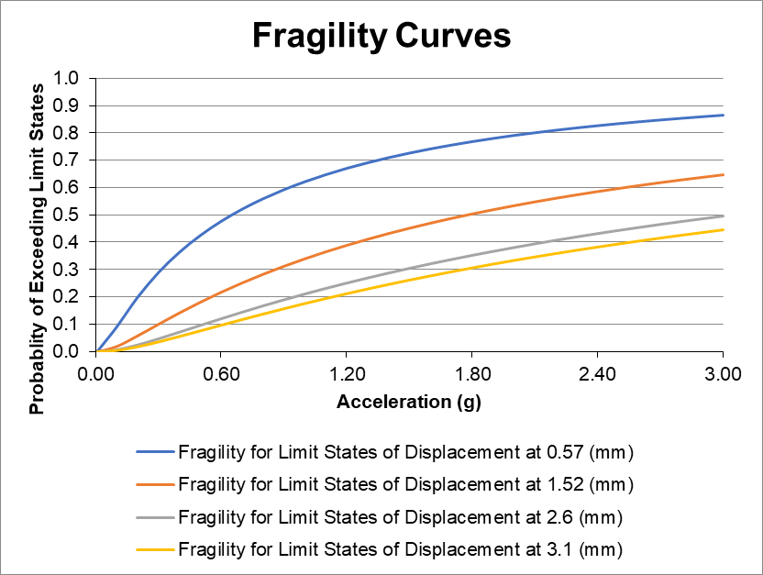
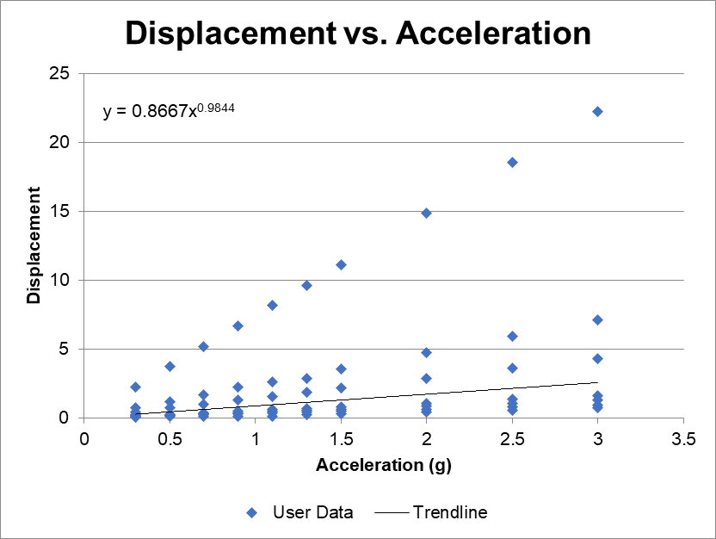

SW-H3.0-OPS
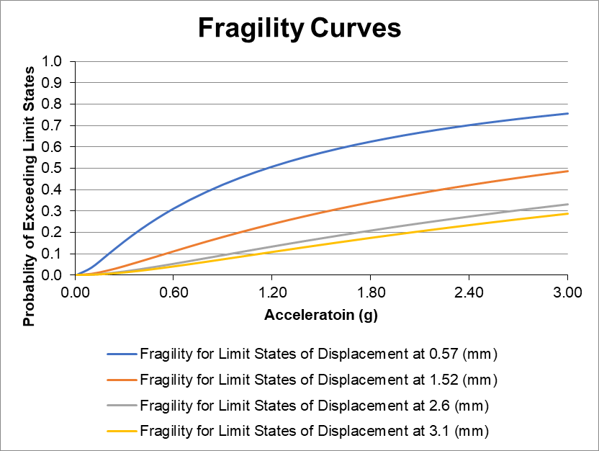
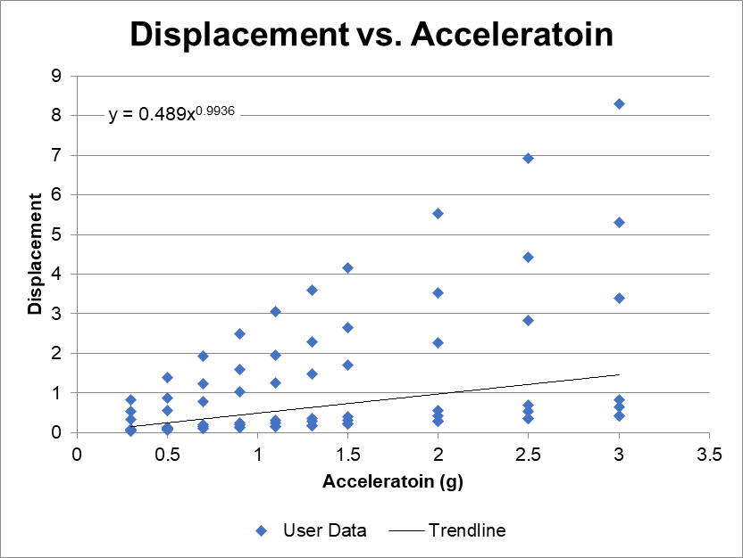

SW-H2.0-OP0-OS-SAP



SW-H4.0-OP0
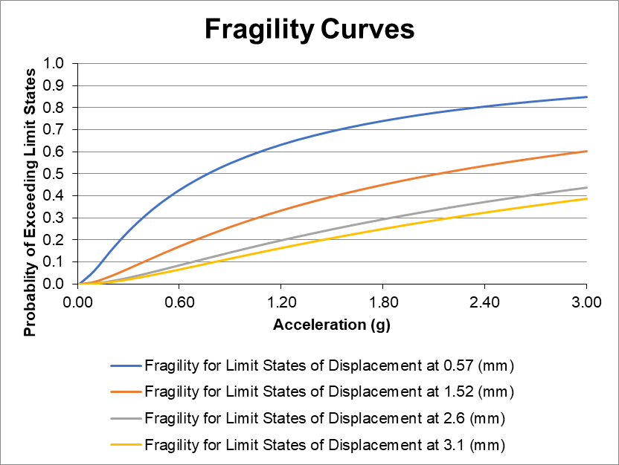
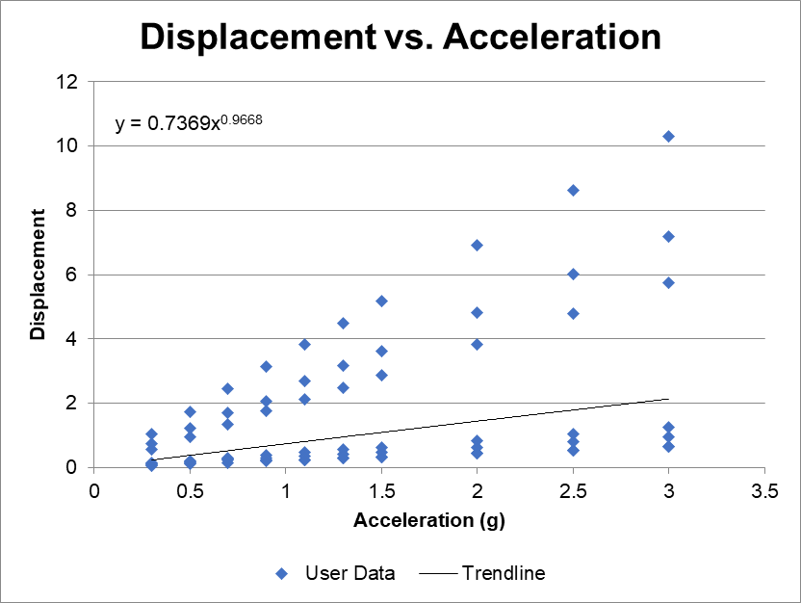

OpenSees Comparison
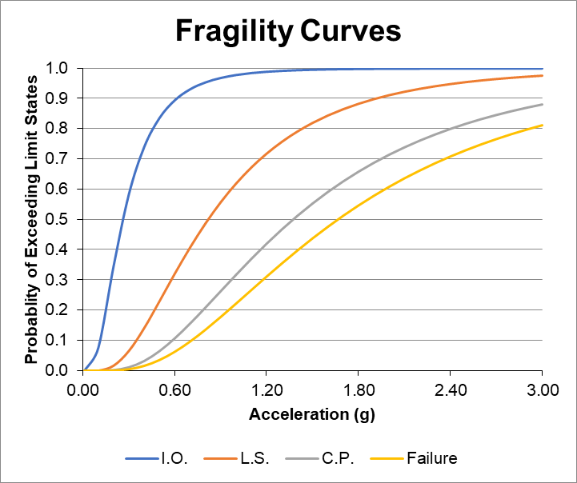
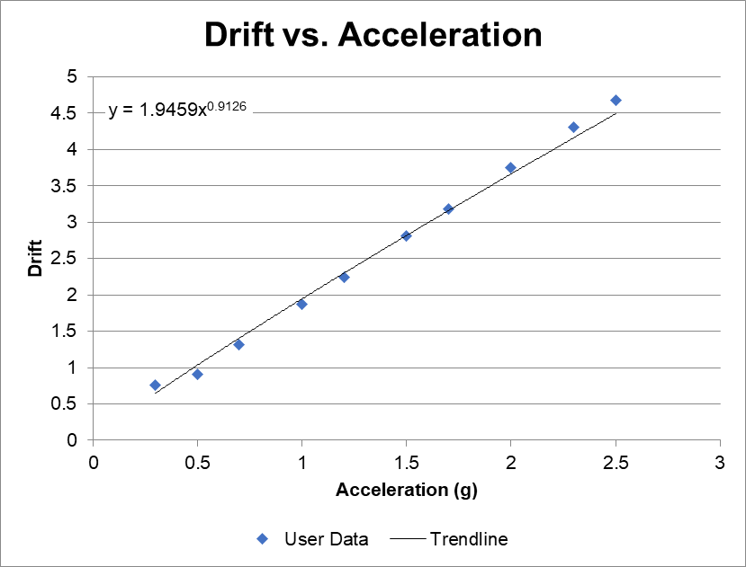
Intensity Measure (g) | Displacement (mm) | Drift Ratio (%)
0.3 | 15.2 | 0.76
0.5 | 18.23 | 0.9115
0.7 | 26.2 | 1.31
1 | 37.42 | 1.871
1.2 | 44.91 | 2.2455
1.5 | 56.13 | 2.8065
1.7 | 63.62 | 3.181
2 | 74.9 | 3.745
2.3 | 86.07 | 4.3035
2.5 | 93.56 | 4.678

