Sayfa1
 | STATEMENT | STEPS | FREQUENCY |  | TOTAL STEPS
 |  |  | IF sorted = true | IF FALSE | IF TRUE | IF FALSE
1 | int i = N; bool sorted = false; | 2 | 1 | 1 | 2 | 2
2 | while(i>1 and sorted == false) | 2 | 1 | N
3 | sorted = true | 1 | 1 | N-1
4 | for(int j = 1; j<i; j++) | 1 | N+1 | N+1 * (N-1)
5 | if(arr[j]<arr[j-1]) | 1 | N | N * (N-1)
6 | int temp = arr[j]; arr[j] = arr[j-1]; arr[j-1] = temp; sorted = false; | 4 | N | N * (N-1)
7 | i = i -1 | 1 | 1 | N-1
TOTAL |  |  | O(N) | O(n^2)
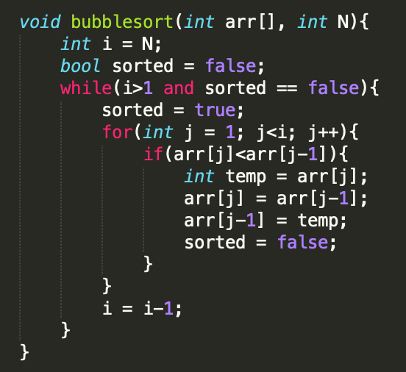
9
10
11
12

Sayfa2
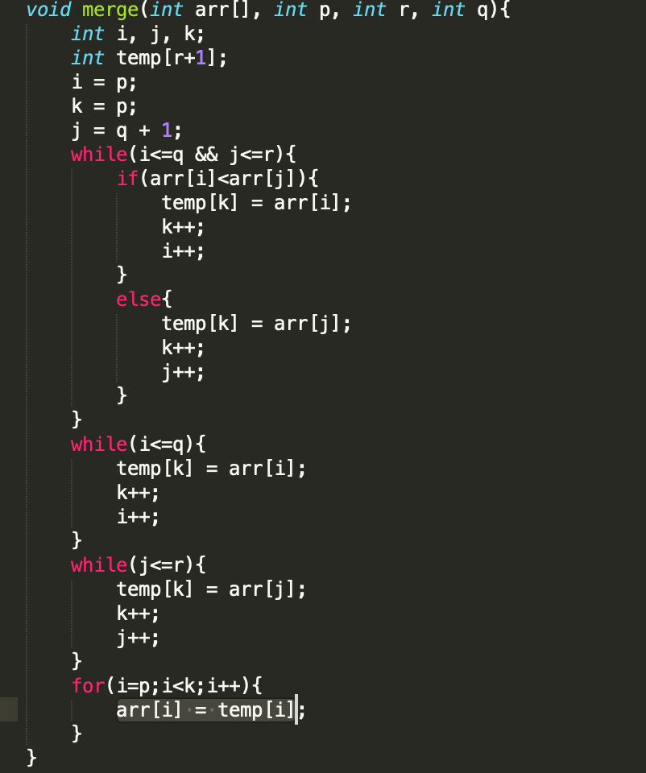
 | STATEMENT | STEPS | FREQUENCY |  | TOTAL STEPS
 |  |  | IF TRUE | IF FALSE | IF TRUE | IF FALSE
1 | int i, j, k; int temp[r+1]; i = p; k = p; j = q + 1; | 7 | 1 | 1 | 1 | 1
2 | while(i<=q && j<=r) | 1 | n/2 | n/2 | n/2 | n/2
3 | if(arr[i]<arr[j]) | 1 | n/2 | n/2 | n/2 | n/2
4 | temp[k] = arr[i]; k++; i++; | 3 | n/2 | 0 | 3n/2 | 0
 | else |  | 0 | n/2 | 0 | n/2
 | temp[k] = arr[j]; k++; j++; | 3 | 0 | n/2 | 0 | 3n/2
 | while(i<=q) | 1 | n/2 | n/2 | n/2 | n/2
 | temp[k] = arr[i]; k++; i++; | 3 | n/2 | n/2 | n/2 | n/2
 | while(j<=r) | 1 | n/2 | n/2 | n/2 | n/2
 | temp[k] = arr[j]; k++; j++; | 3 | n/2 | n/2 | n/2 | n/2
 | for(i=p;i<k;i++) | 1 | n+1 | n+1 | n+1 | n+1
 | arr[i] = temp[i] | 1 | n | n | n | n
TOTAL |  |  |  |  | O(n) | Ω(n)

Sayfa3
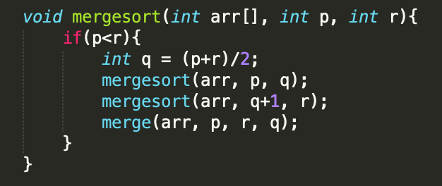
 | STATEMENT | STEPS | FREQUENCY |  | TOTAL STEPS
 |  |  | IF TRUE | IF FALSE | IF TRUE | IF FALSE
1 | if(p<r) | 1 | 1 | 1 | 1 | 1
2 | int q = (p+r)/2 | 1 | 1 | 0 | 1 | 1
3 | mergesort(arr, p, q) | x | 1 | 0 | x | 0
4 | mergesort(arr, q+1, r) | x | 1 | 0 | x | 0
5 | merge(arr, p, r, q) | O(n) | 1 | 0 | O(n)
TOTAL |  |  |  |  | 2x + O(n) + 2 | 2
 |  |  |  |  | nlogn | nlogn

