Step3-Board Details
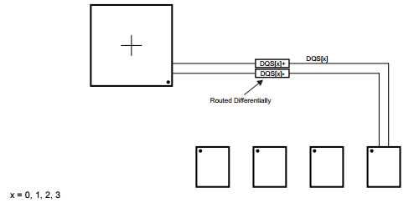
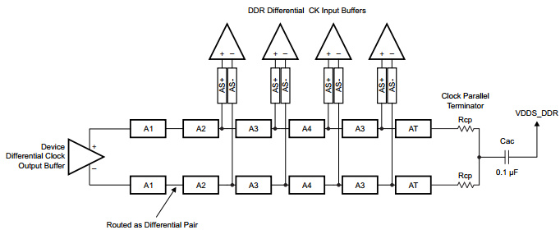
AM43xx EMIF Tool: Register Configuration - Step 3, Board Details

Directions

1) | Fill in the board delay and trace lengths for the associated clock and data strobe signals for each appropriate EMIF channel / rank. Lengths should be measured in inches.

 | Notes:
 | 1) | Microstrip' refers to the trace length in inches routed on the outer PCB layers. 'Stripline' refers to the trace length in inches routed on the inner PCB layers between two planes.
 | 2) | For each byte lane, the clock trace length should be equal to the routing length from the SOC to the DDR memory associated with the DQSn signal.

3A) | Enter the PCB delay per inch

 | Detail | Description |  | Delay | Units
 | 1 | Microstrip |  | 160 | ps
 | 2 | Stripline |  | 170 | ps

3B) | Enter the trace lengths for the DDR signals

 | DRAMs Connected to EMIF

 | Signal | PCB Trace Length in inches
 |  | Byte 0 |  | Byte 1 |  | Byte 2 |  | Byte 3
 |  | Microstrip | Stripline | Microstrip | Stripline | Microstrip | Stripline | Microstrip | Stripline
 | CLK | 0.393 | 0.947 | 0.393 | 0.947 | 2.117 | 1.601 | 2.117 | 2.335
 | DQSn | 0.729 | 0.000 | 0.128 | 0.479 | 0.383 | 1.169 | 0.341 | 1.532

Figure 1: DDR3 Clock Routing Topology (Ref: SPRS851B) |  |  |  |  |  |  |  |  |  | Figure 2: DDR3 DQS Routing Topology (Ref: SPRS851B)

Invert Clock
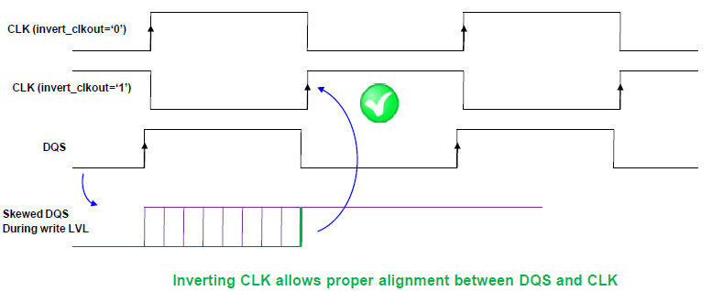
AM43xx EMIF Tool: Register Configuration - Invert Clock Calculation

Directions

 | 1) | Calculates if invert clock (DDR3 only) is required or not based on the board details.

Invert Clock | 1 | Read Latency increased by 1

Signal Name |  | Board Delay (ps) | tWLS Margin (ps) | tWLH Margin (ps)

DQS0 | 0.729 | 117 | 1143 | 912
CK_0 (A1+A2) | 1.340 | 224
DQS1 | 0.607 | 102 | 1128 | 927
CK_1 (A1+A2+A3) | 1.340 | 224
DQS2 | 1.552 | 260 | 899 | 1156
CK_2 (A1+A2+A3+A4) | 3.718 | 611
DQS3 | 1.873 | 315 | 829 | 1226
CK_3 (A1+A2+A3+A4+A3) | 4.452 | 736

Copyright (C) 2016 Texas Instruments Incorporated

Figure 1: DDR3 Write Leveling DQS_dly Similar to CLK_dly |  |  |  |  | Figure 3: DDR3 Timing Diagram of Write Level ling Sequence (Ref: JESD79-3F)

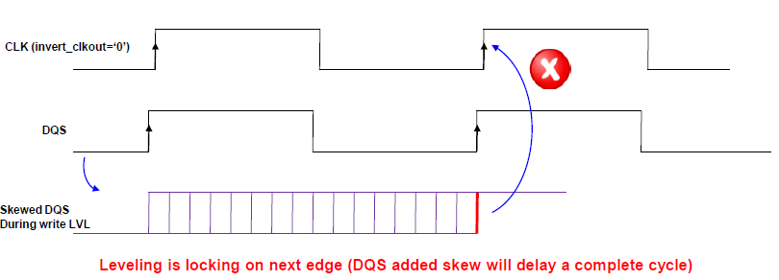
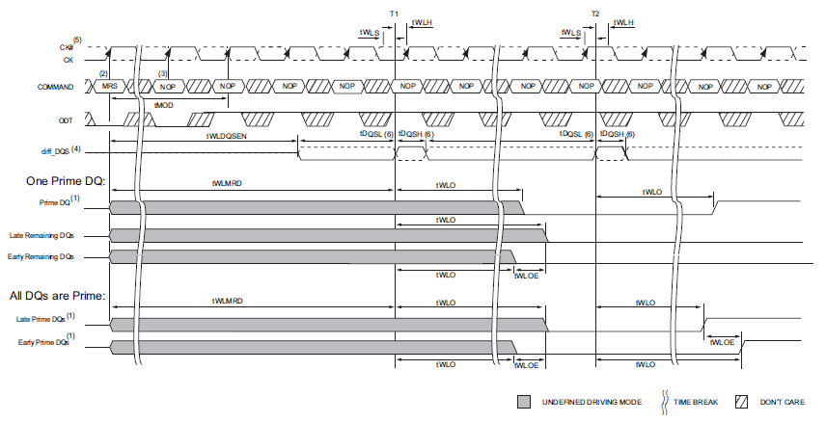

Figure 2: DDR3 Write Leveling invert_clkout set to ‘1’

