Sheet
TAMS SHARING 10.2.2.5:7000
Type | Populasi Tams | Download Completed start Scheduller | Apply config | Active transaksi
A920pro | 8791 | 317 | 5703 | 3496
X990 | 6846 | 149 | 4289 | 181
Total | 15637 | 466 | 9992 | 3677

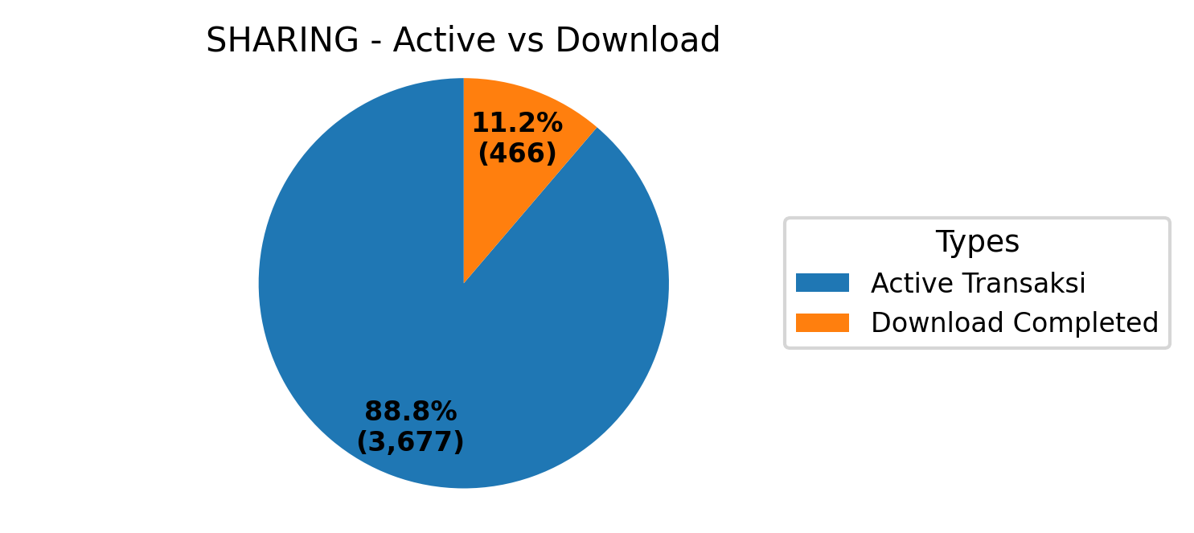
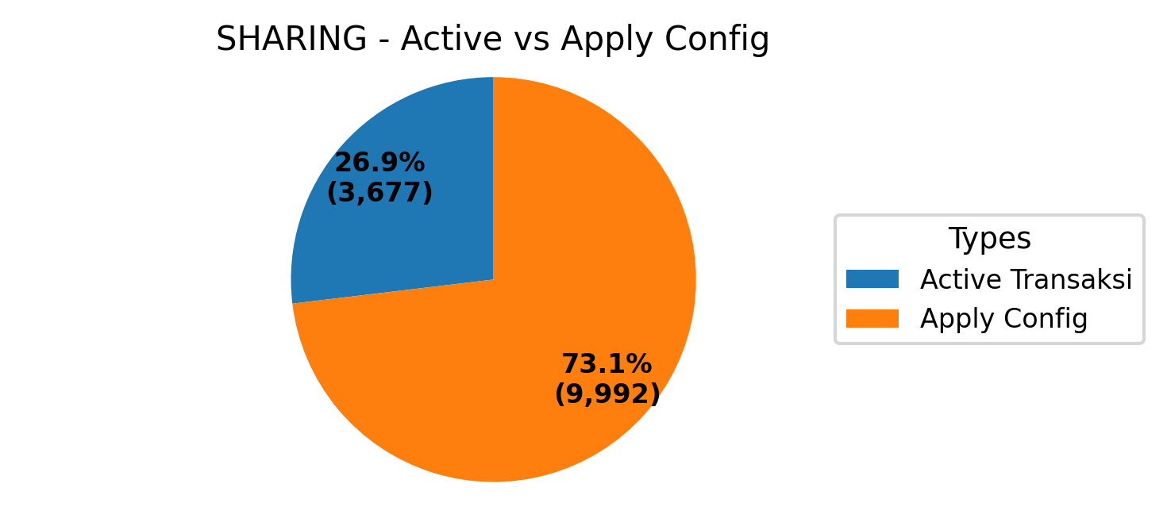
TAMS FMS 10.2.30.2:7000
Type | Populasi Tams | Download Completed start Scheduller | Apply config | Active transaksi
A920pro | 3612 | 226 | 3296 | 3496
X990 | 244 | 7 | 197 | 181
Total | 3856 | 233 | 3493 | 3677

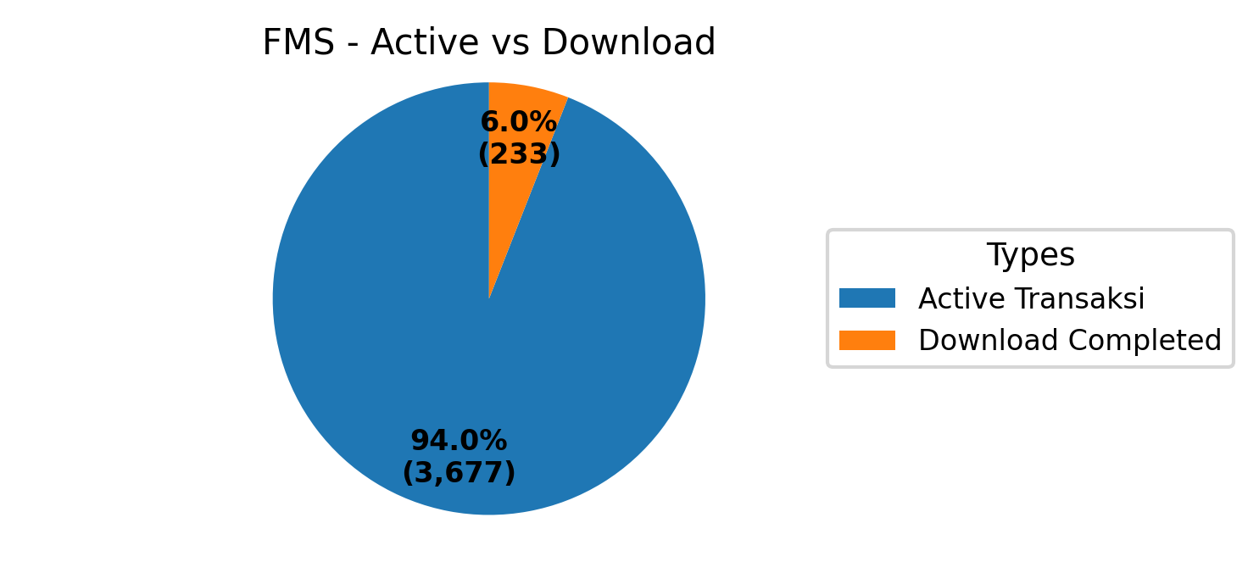
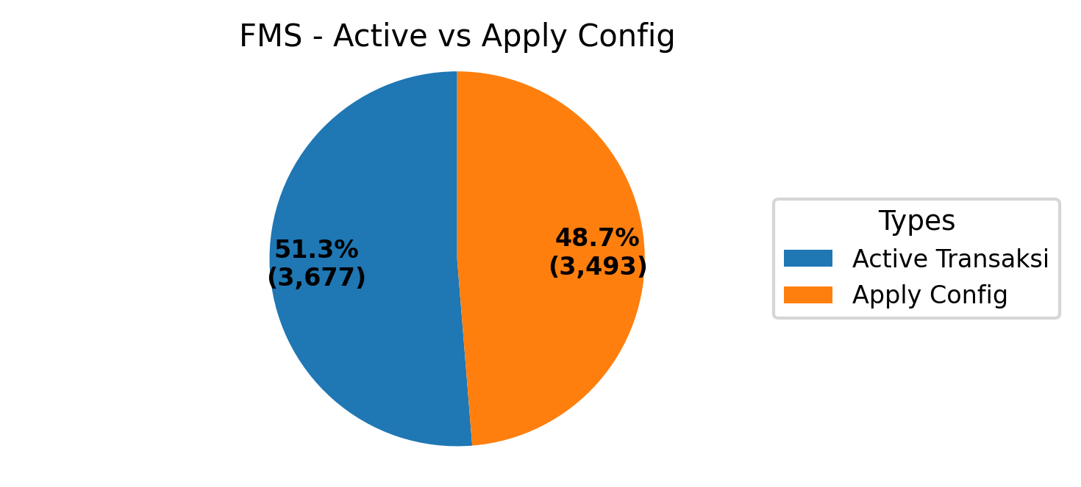
TAMS FMS dan SHARING

Type | Populasi Tams | Download Completed start Scheduller | Apply config | Active transaksi
A920pro | 12403 | 543 | 8999 | 6992
X990 | 7090 | 156 | 4486 | 362
Total | 19493 | 699 | 13485 | 7354

