Sheet1
2 Round: |  |  |  |  |  | 100 rounds |  |  |  |  |  | 1000 rounds
 | Cheater | Copycat | Grudger | Cooperator | Random |  | Cheater | Copycat | Grudger | Cooperator | Random |  | Cheater | Copycat | Grudger | Cooperator | Random
Cheater | 2 | 1 | 1 | 0 | 2 | Cheater | 100 | 100 | 99 | 0 | 55 | Cheater | 1000 | 1000 | 999 | 0 | 573
Copycat | 4 | 4 | 2 | 2 | 1 | Copycat | 100 | 200 | 198 | 198 | 102 | Copycat | 1000 | 2000 | 2000 | 1998 | 1017
Grudger | 4 | 2 | 4 | 4 | 1 | Grudger | 102 | 201 | 200 | 200 | 102 | Grudger | 1002 | 2000 | 2000 | 2000 | 982
Cooperator | 6 | 5 | 4 | 4 | 5 | Cooperator | 300 | 201 | 200 | 200 | 248 | Cooperator | 3000 | 2001 | 2000 | 2000 | 2469
Random | 4 | 2 | 4 | 2 | 4 | Random | 286 | 264 | 249 | 104 | 311 | Random | 1854 | 2490 | 2509 | 1062 | 2265
 | 20 | 14 | 15 | 12 | 13 |  | 888 | 966 | 946 | 702 | 818 |  | 7856 | 9491 | 9508 | 7060 | 7306

2 rounds
100 rounds
1000 rounds

 |  |  |  |  |  |  |  |  |  |  |  |  |  |  |  |  |  | Point system
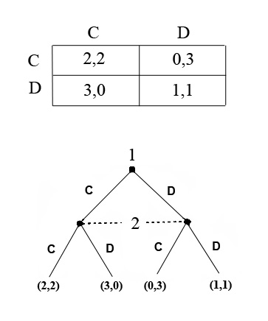

 | Series 1: | Cheater | Opponents |  |  | Series 1: | Cheater | Opponents |  |  |  | Series 1: | Cheater | Opponents
 | Series 2: | Copycat |  |  |  | Series 2: | Copycat |  |  |  |  | Series 2: | Copycat
 | Series 3: | Grudger |  |  |  | Series 3: | Grudger |  |  |  |  | Series 3: | Grudger
 | Series 4: | Cooperator |  |  |  | Series 4: | Cooperator |  |  |  |  | Series 4: | Cooperator
 | Series 5: | Random |  |  |  | Series 5: | Random |  |  |  |  | Series 5: | Random |  |  | C: | Cooperate
 |  |  |  |  |  |  |  |  |  |  |  |  |  |  |  | D: | Defect / don't cooperate
100 rounds
2 rounds
1000 rounds

