Description
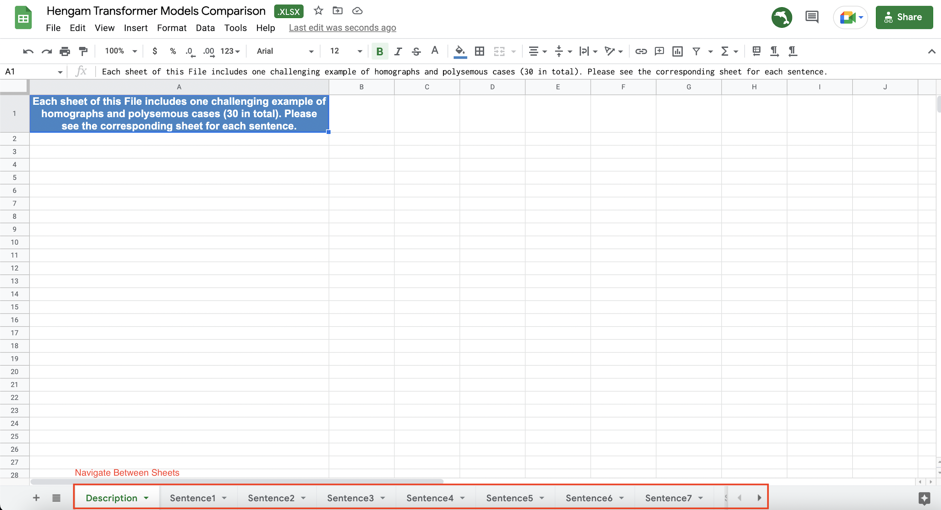
Each sheet of this file includes one challenging example of homographs and polysemous cases (30 in total). Please see the corresponding sheet for each sentence.

