Hoja1
 |  | Valores a capturar |  |  |  |  |  |  | VS | Very small | (métodos, no clases)
Calculate the types with Fuzzy Logic Method |  |  |  |  |  |  |  |  | VL | Very large

Calculation | Cálculos matemáticos |  |  |  | Data | Base de datos
 | LOCs | Log | Factor |  |  | LOCs | Log | Factor
VS | 10 | 1 | 0.069688400238 |  | VS | 5 | 0.69897000434 | 0.075257498916
S | 11.740548859 | 1.0696884002 |  |  | S | 5.946035575 | 0.77422750325
M | 13.784048752 | 1.1393768005 |  |  | M | 7.0710678119 | 0.84948500217
L | 16.183229785 | 1.2090652007 |  |  | L | 8.4089641525 | 0.92474250108
VL | 19 | 1.278753601 |  |  | VL | 10 | 1

IO | Lectura y escritura |  |  |  | Logic | Estructura lógica principal
 | LOCs | Log | Factor |  |  | LOCs | Log | Factor
VS | 10 | 1 | 0.057612230345 |  | VS | 22 | 1.3424226808 | 0.02618383763
S | 11.418583454 | 1.0576122303 |  |  | S | 23.367191539 | 1.3686065185
M | 13.03840481 | 1.1152244607 |  |  | M | 24.819347292 | 1.3947903561
L | 14.888011344 | 1.172836691 |  |  | L | 26.361747366 | 1.4209741937
VL | 17 | 1.2304489214 |  |  | VL | 28 | 1.4471580313

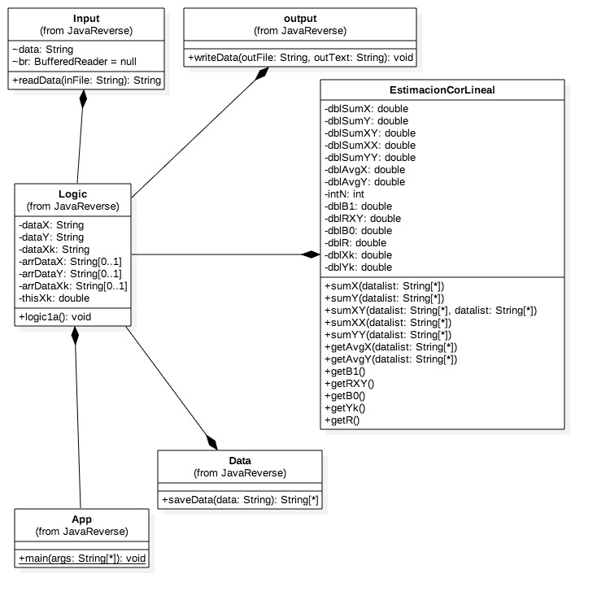
Estimated Reuse

Object | Description | Size | Number | LOC | Total
Input |  | L | 1 | 8.4089641525 | 8.4089641525
Data |  | M | 1 | 7.0710678119 | 7.0710678119
Output |  | M | 1 | 7.0710678119 | 7.0710678119
 |  |  |  | Reuse TOTAL LOC | 22.551099776

Estimated Size, BASE

Object | Description | Size | Number | LOC | Total
App |  | M | 1 | 24.819347292 | 24.819347292
Logic |  | L | 1 | 26.361747366 | 26.361747366

 |  |  |  | Base TOTAL LOC | 51.181094658

Estimated Size, Add

Object | Description | Size | Number | LOC | Total
sumX |  | M | 1 | 13.784048752 | 13.784048752
sumY |  | M | 1 | 13.784048752 | 13.784048752
sumXX |  | M | 1 | 13.784048752 | 13.784048752
sumXY |  | M | 1 | 13.784048752 | 13.784048752
sumYY |  | M | 1 | 13.784048752 | 13.784048752
avgX |  | S | 1 | 11.740548859 | 11.740548859
avgY |  | S | 1 | 11.740548859 | 11.740548859
B1 |  | L | 1 | 16.183229785 | 16.183229785
B0 |  | S | 1 | 11.740548859 | 11.740548859
yk |  | S | 1 | 11.740548859 | 11.740548859
R |  | VL | 1 | 19 | 19
RR |  | S | 1 | 11.740548859 | 11.740548859

 |  |  |  | TOTAL LOC estimated | 162.80621784

 |  |  |  |  | TOTAL LOC | 236.53841228

