ARCH Analysis
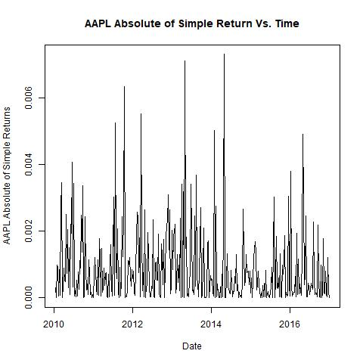
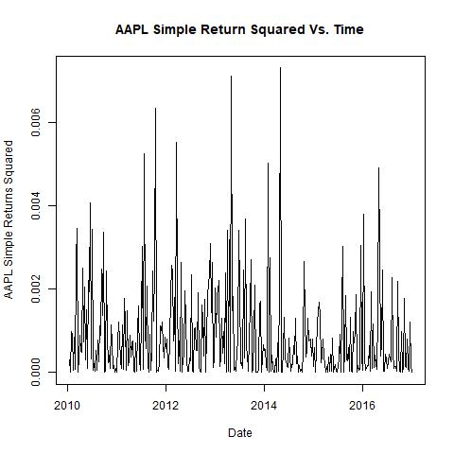
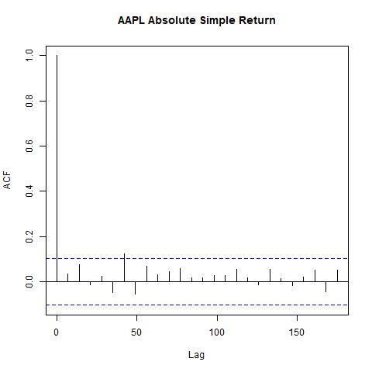
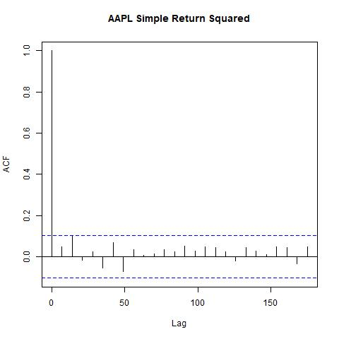
Number of Lags Used | Squared Weekly Simple Return Ljung Box Test P Value | Absolute of Weekly Simple Return Ljung Box Test P Value
5 Lags | 0.3021 | 0.5932
10 Lags | 0.4175 | 0.1939
25 Lags | 0.8155 | 0.66

