sabizabulin
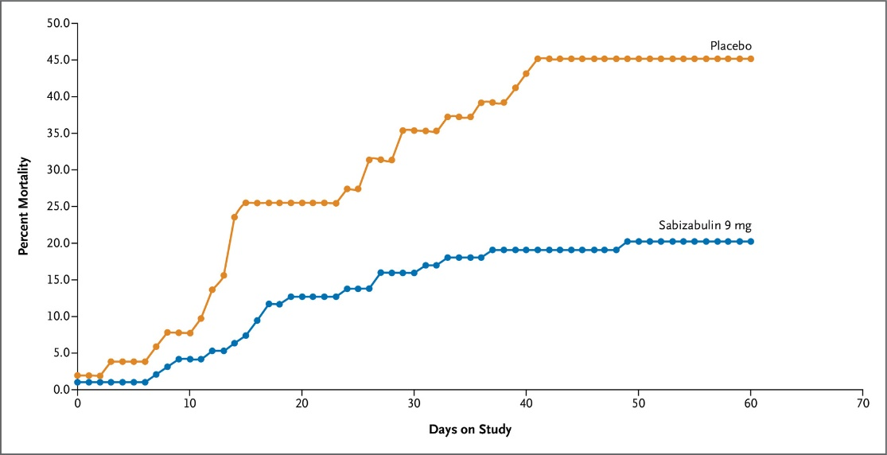
Main
 | Brand
 | Generic | sabizabulin
 | Indication | COVID-19
 | Clinical Trials
 |  | Phase III n=204 hospitalized C19 at high risk - NCT04842747
 |  | 2:1 randomization
 |  | small baseline imbalances in severity
 |  | small difference in ex-US mortality

