Personal Information
CS Form No. 212
Revised 2017

PERSONAL DATA SHEET
WARNING: Any misrepresentation made in the Personal Data Sheet and the Work Experience Sheet shall cause the filing of administrative/criminal case/s against the person concerned.
READ THE ATTACHED GUIDE TO FILLING OUT THE PERSONAL DATA SHEET (PDS) BEFORE ACCOMPLISHING THE PDS FORM.
Print legibly. Tick appropriate boxes ( ) and use separate sheet if necessary. Indicate N/A if not applicable. DO NOT ABBREVIATE. |  |  |  | 1. CS ID No. | (Do not fill up. For CSC use only)

I. PERSONAL INFORMATION
2. | SURNAME
 | FIRST NAME |  |  |  | NAME EXTENSION (JR., SR)
 | MIDDLE NAME
3. | DATE OF BIRTH (mm/dd/yyyy) | 16. CITIZENSHIP

4. | PLACE OF BIRTH | If holder of dual citizenship, |  |  | Pls. indicate country:
5. | SEX | please indicate the details.
6 | CIVIL STATUS | 17. RESIDENTIAL ADDRESS
 |  |  | House/Block/Lot No. |  | Street

 |  |  | Subdivision/Village |  | Barangay
7. | HEIGHT (m)
 |  |  | City/Municipality |  | Province
8. | WEIGHT (kg) | ZIP CODE
9. | BLOOD TYPE | 18. PERMANENT ADDRESS
 |  |  | House/Block/Lot No. |  | Street
10. | GSIS ID NO.
 |  |  | Subdivision/Village |  | Barangay
11. | PAG-IBIG ID NO.
 |  |  | City/Municipality |  | Province
12. | PHILHEALTH NO. | ZIP CODE
13. | SSS NO. | 19. TELEPHONE NO.
14. TIN NO. |  | 20. MOBILE NO.
 |  | 21. E-MAIL ADDRESS (if any)

Picture
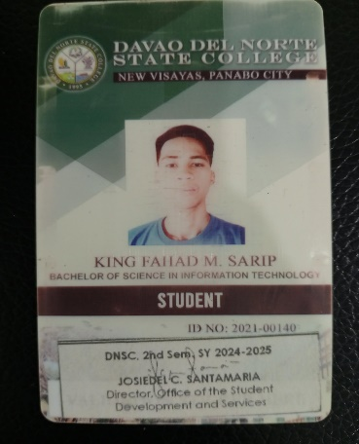

ID picture taken within
the last 6 months
3.5 cm. X 4.5 cm
(passport size)
With full and handwritten
name tag and signature over
printed name
Computer generated
or photocopied picture
is not acceptable

