Sheet1
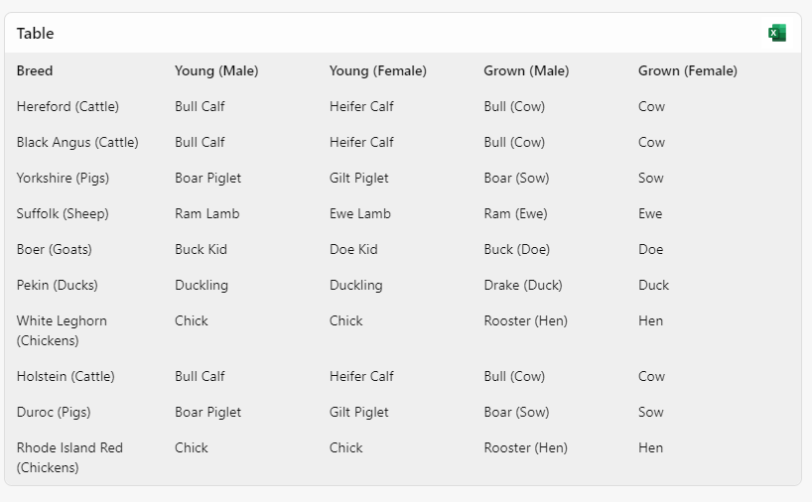
LINK TO COPILOT CHAT (worth a try)
Breed | Young (Male) | Young (Female) | Grown (Male) | Grown (Female)
Hereford (Cattle) | Bull Calf | Heifer Calf | Bull (Cow) | Cow
Black Angus (Cattle) | Bull Calf | Heifer Calf | Bull (Cow) | Cow
Yorkshire (Pigs) | Boar Piglet | Gilt Piglet | Boar (Sow) | Sow
Suffolk (Sheep) | Ram Lamb | Ewe Lamb | Ram (Ewe) | Ewe
Boer (Goats) | Buck Kid | Doe Kid | Buck (Doe) | Doe
Pekin (Ducks) | Duckling | Duckling | Drake (Duck) | Duck
White Leghorn (Chickens) | Chick | Chick | Rooster (Hen) | Hen
Holstein (Cattle) | Bull Calf | Heifer Calf | Bull (Cow) | Cow
Duroc (Pigs) | Boar Piglet | Gilt Piglet | Boar (Sow) | Sow
Rhode Island Red (Chickens) | Chick | Chick | Rooster (Hen) | Hen

