Sheet1
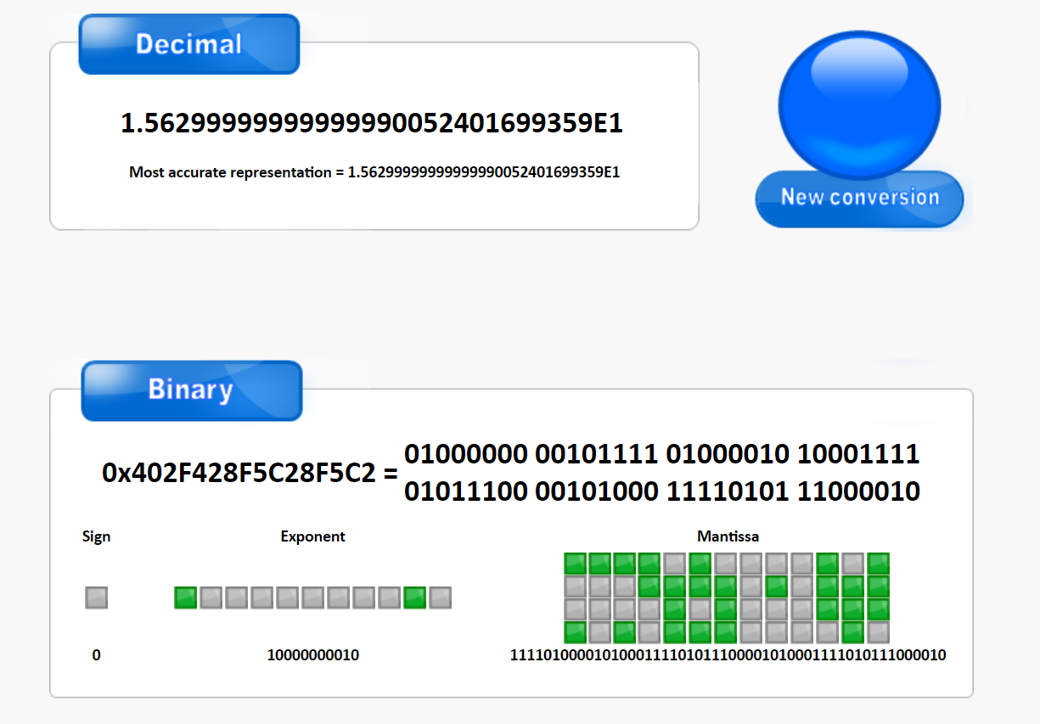
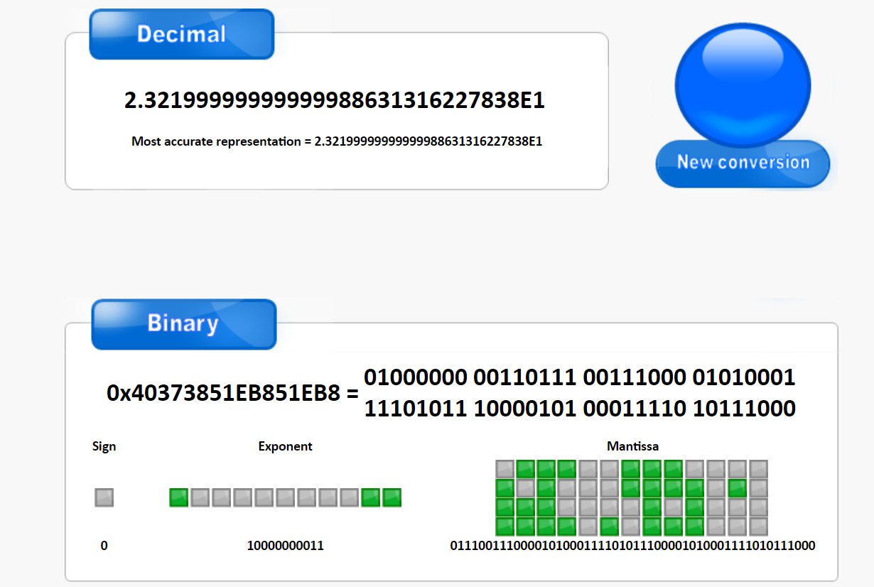
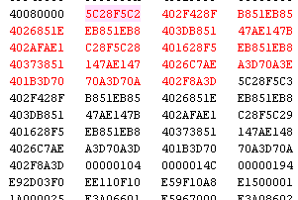
 |  | in hex |  |  | in decimal |  |  |  |  |  | Cycle Time | instruction count p1
p1 | L1 misses | loads | cycles | L1 misses | loads | cycles | CPI | Ex Time |  |  | 1.25E-09 | 1542
LSL #2 | 1f | 202 | 10cc | 31 | 514 | 4300 | 2.7885862516 | 0.000005375 |  |  | N | instruction count p2
LSL #3 | 3f | 201 | 1cfc | 63 | 513 | 7420 | 4.8119325551 | 0.000009275 |  |  | 3 | 477
LSL #4 | 7f | 201 | 1ea1 | 127 | 513 | 7841 | 5.0849546044 | 9.80125E-06 |  |  | 16 | 59952
p2 N=3 (no cache) | 0 | 42 | 22fe | 0 | 66 | 8958 | 18.779874214 | 1.11975E-05 |  | BLOCK | 128 | 29524352
p2 N=16 | 45 | 2103 | 15df0 | 69 | 8451 | 89584 | 1.4942620763 | 0.00011198 |  | 32 | 128 | 31638272
p2 N=128 | 1fc38d | 404004 | 8194d49 | 2081677 | 4210692 | 135875913 | 4.6021641051 | 0.16984489125
p3 N=128 | 70761 | 103a63 | 1cc33e4 | 460641 | 1063523 | 30159844 | 0.95327089925 | 0.037699805

n=3 test matrix

C[0][0] |  |  |  |  | C[2][3] |  |  |  | smart way

