DataBases
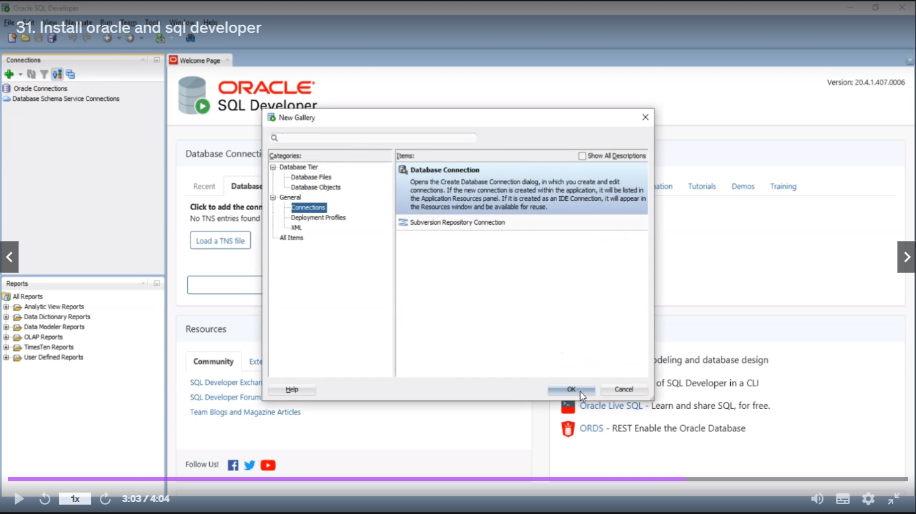
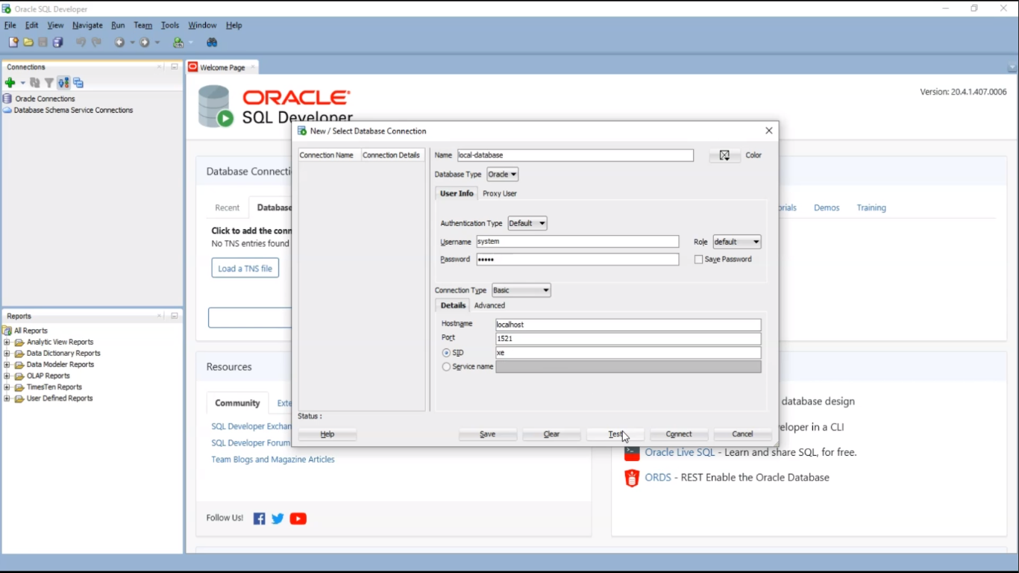
Database Insert
postman payload | Database insert config | response | curl
{ "employeeID": 123, "employeeName": "Chinna", "employeeStatus": "inActive" } | insert into emp(emp_id, emp_name, emp_status) values(:empID, :empName, :empStatus) { empID: payload.employeeID, empName: payload.employeeName, empStatus: payload.employeeStatus } | { "status": 200, "message": "Success" } | curl --location 'http://localhost:8091/emp-sapi/create-employee' \ --header 'Content-Type: application/json' \ --data '{ "employeeID": 101, "employeeName": "John", "employeeStatus": "Active" }'

Database Update
postman payload | Database insert config | response | curl
<?xml version="1.0" encoding="UTF-8"?> <employee> <employeeID>123</employeeID> <employeeStatus>inActive</employeeStatus> </employee> | update emp set emp_status=:empStatus where emp_id=:empID { empStatus: payload.employee.employeeStatus, empID: payload.employee.employeeID } | <?xml version='1.0' encoding='UTF-8'?> <response> <status>200</status> <message>Success</message> </response> | curl --location --request PUT 'http://localhost:8091/emp-sapi/update-employee' \ --header 'Content-Type: application/xml' \ --data '<?xml version="1.0" encoding="UTF-8"?> <employee> <employeeID>123</employeeID> <employeeStatus>inActive</employeeStatus> </employee>'

Database Get By Id
postman payload | Database insert config | response | curl
 | select emp_id, emp_name, emp_status from emp where emp_id=:empID { empID: attributes.queryParams.employeeID } | { "employeeID": 123, "employeeName": "Chinna", "employeeStatus": "Inactive" } | curl --location 'http://localhost:8091/emp-sapi/get-employee?employeeID=123'

Database Delete by stored procedure
postman payload | Database insert config | response | curl
 | {call delete_emp(:empID, :empName)} { empID: attributes.uriParams.employeeID, empName: attributes.uriParams.employeeName } | { "status": 200, "message": "Success" } | curl --location --request DELETE 'http://localhost:8091/emp-sapi/delete-employee/123/Chinna' stored-procedures DELIMITER // CREATE PROCEDURE delete_emp(IN id INT, IN name VARCHAR(255)) BEGIN DELETE FROM emp WHERE emp_id = id AND emp_name = name; END; // DELIMITER ;

oracle database
file->new->connections local-database,system,2424

