XML PI Certificate
XML PI Certificate
1. Install renewed certificate

Navigate to URL of environment for which you need to get certificate
TEST URL: https://xmlpitest-ea.dhl.com/XMLShippingServlet
PRODUCTION URL: https://xmlpi-ea.dhl.com/XMLShippingServlet
Click on the lock icon as shown at screenshot bellow, then click at “Install certificate” and then click “Next” until “Finish” without changing anything.
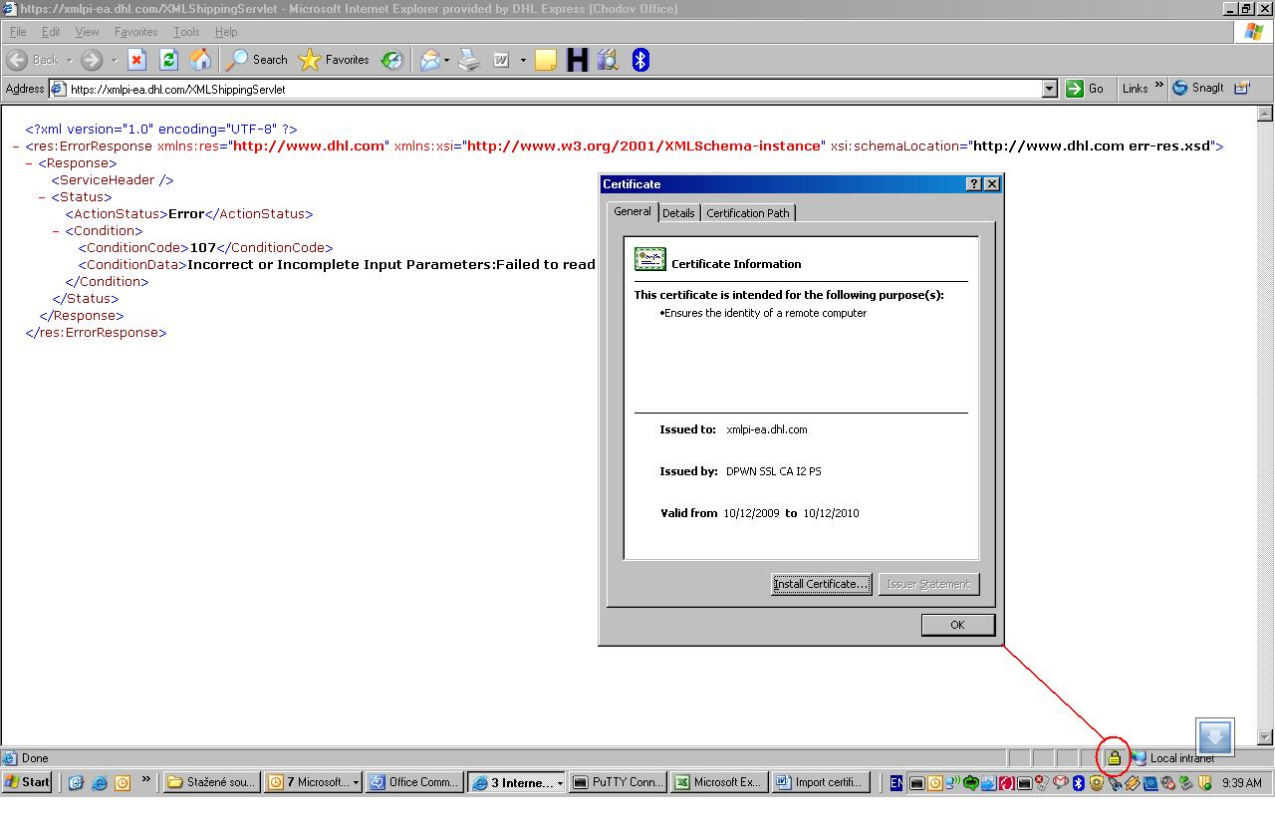

2. Export certificate to file
Go to “TOOLS>Internet Options” in the Internet Explorer. You will get config.window as shown at screenshot bellow. Choose “Content” and “Certificates”. In subsequent window choose “Other people”, click the certificate you want to export and then click “Export”. In next process you have to specify path for file and its name in last step, but otherwise you don’t have to change anything.
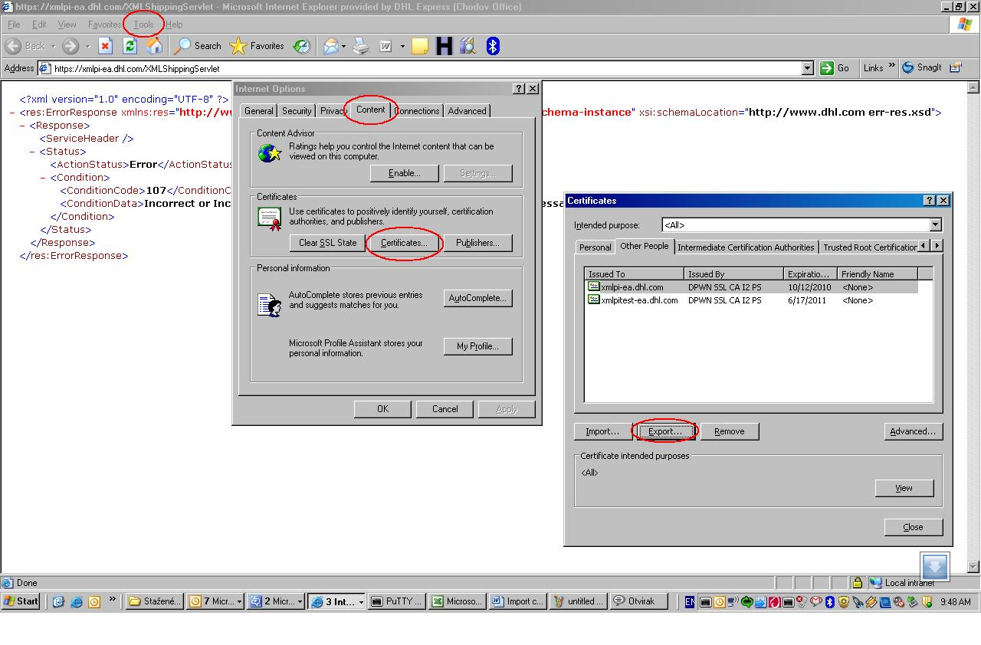

3. Import certificates to java certificate store (note that paths in this example are just informative and will be different in your environment)

C:\Program Files\Java\jre1.6.0_02\bin>keytool.exe -import -alias xmlpiprod -keystore "C:\Program Files\Java\jre1.6.0_02\
lib\security\cacerts" -file "c:\temp\XMLPI PROD.cer"

C:\Program Files\Java\jre1.6.0_02\bin>keytool.exe -import -alias xmlpitest -keystore "C:\Program Files\Java\jre1.6.0_02\
lib\security\cacerts" -file "c:\temp\XMLPI\XMLPI TEST.cer"

The default keystore password is “changeit”

