Front Page
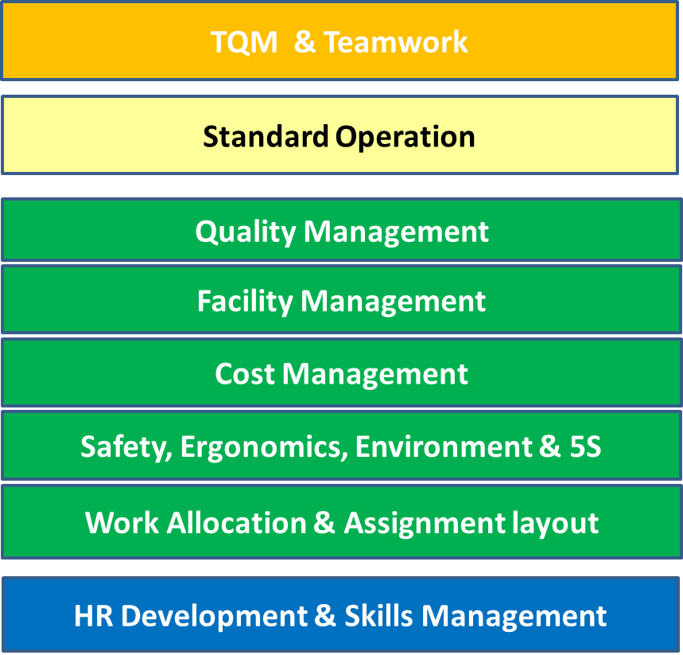
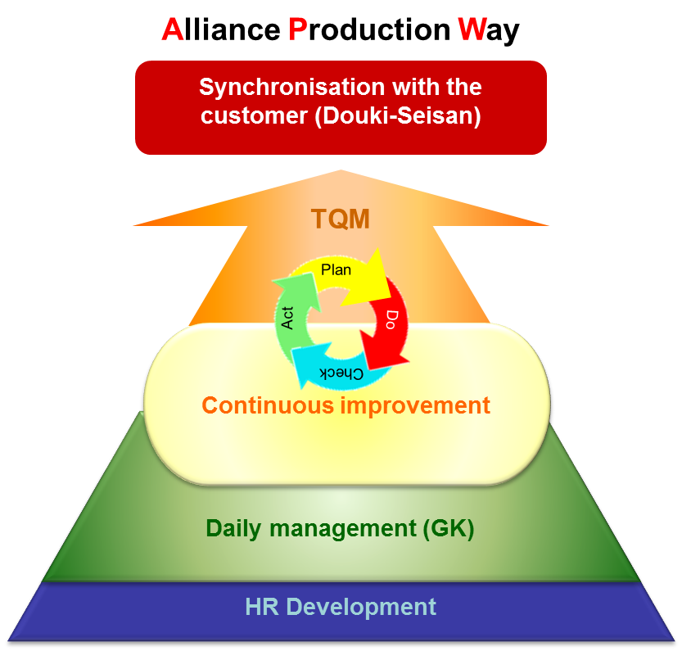
Daily Management Diagnosis

1 - TQM & Teamwork
ショップ
Daily Management Diagnosis 1/8 |  |  |  |  |  |  | Purpose: - To ensure the Zone has accurately deployed shop objectives to manage their zones performance to continuously improve Profitability and Competitiveness. - To ensure the Supervisor is managing their zone and engaging their team through effective two-way communication.
Diagnosis Category : TQM & Teamwork

Evaluation Item | Level |  |  |  |  | Alliance Compliance Requirement | Check Item | How |  |  |  | Evaluation / Scoring Standard to achieve level
 | 1 | 2 | 3 | 4 | 5 |  |  | S | D | O | G
TQM | 1 |  |  |  |  | 1-1 The Supervisor has an Annual Objective Plan and can explain the content, deployment logic and link to the Plant/Shop direction. | - SSV AOP - SV AOP - Sv's knowledge | O | O |  |  | SV is able to explain the AOP content and deployment logic AOP must contain : * targets & strategy and control items * correct deployment from Senior's AOP
 | 1 |  |  |  |  | 1-2 The Supervisor has a TQM visual Management board to display the Control Charts showing performance against the Targets and Strategies. | TQM Visual Management board - Control charts for Policy objectives & strategies of the zone |  | O |  |  | TQM Visual Management board has Control Charts for Policy Objectives and Strategies
 |  | 1 |  |  |  | 2-1 The Annual Objective Plan includes the relevant SQCTP KPI's, targets that challenge current zone performance and robust strategies to manage the zone's performance. | - SSV AOP - SV AOP - SV target setting logic | O | O |  |  | SV is able to explain the targets & strategies AOP must contain : * challenging targets targets for relevant SQCTP based on facts & data * Robust & quantifiable strategies to achieve the objectives 3 or less minor issues are identified
 |  | 1 |  |  |  | 2-2 The TQM Visual Management board contains the latest performance results from the previous month. Daily month to date performnce for Quality and Delivery can be demonstrated. | TQM Visual Management board - RF1 - Monthly Control charts - Month to date or daily management of Quality and delivery KPI | O | O |  |  | - Daily month to date data available for quality & delivery KPI - Monthly Control Charts updated by the 10th of the month - RF1 document with latest performance results.
 |  |  |  |  |  | 3-1 Monthly AOP performance reviews are taking place. Quick actions are taken to return to standard. | - Monthly performance review (RF1) - control charts - Quick actions | O | O |  |  | SV can : * demonstrate the performance Review is taking place using RF1 * show the reasons for deviation on control charts * explain his improvement plan for the deviance to targets * explain quick actions to return to standard where appropriate
 |  |  |  |  |  | 4-1 Countermeasures have been implemented for all causes of failed targets. Kaizen Plans are in place to manage improvements. | - Kaizen Plan - Root cause analysis - Countermeasure | O | O |  | O | SV can : * Demonstrate correct root cause analysis * Show countermeasures for root cause analysis are in place on genba * Validate effectiveness of countermeasure or Kaizen Plan.
 |  |  |  |  |  | 5-1 All of the QCT targets are challenging Global Best of the Best performance | - Benchmark knowledge - Control charts | O | O |  |  | SV can : * Show evidence of global benchmark targets KPI targets challenge global benchmark
 |  |  |  |  |  | 5-2 Best practices are implemented and All KPI are achieving target condition to improve profitability and competitiveness | - Best practices adoption - Control charts | O | O |  |  | SV can : * show evidence of best practices adoption All KPI's are achieving target condition for the 3 previous months.
Item Score | 2.0
Team Work | 1 |  |  |  |  | 1-1 The Supervisor has communicated the Annual Objectives and main SQCT KPI targets for the zone to their team. | - AOP communication | O | O | O |  | The SV can : * explain how AOP objectives and targets are communicated
 | 1 |  |  |  |  | 1-2 The Supervisor holds a daily communication session with his team to review the shifts SQCT performance levels. | - Start of shift briefing | O | O | O |  | * Time is allocated for the start of shift briefing * The SV can show documented evidence of start of shift
 | 1 |  |  |  |  | 1-3 The Supervisor ensures a robust handover session with their counterpart on the opposite shift. | Zone supervisor handover | O | O |  |  | The SV can show documented evidence of supervisor handover
 |  | 1 |  |  |  | 2-1 The team members know the key Quality and Delivery KPI targets and current performance against these key targets. | - Team members awareness |  |  | O | O | Team members can explain Quality and Delivery targets and current performance. This should include the last quality defect from the work station.
 |  |  | 1 |  |  | 3-1 Through 2-way communication, issues and suggestions for improvement are generated and recorded for follow-up and countermeasure. Where appropriate, quick actions are taken to return to standard. | - Team members suggestions - Quick actions |  | O |  | O | The SV can : - show documented evidence of improvements suggested by team members - show Quick actions implemented where appropriate
 |  |  |  |  |  | 4-1 Countermeasures are applied to the issues raised through effective 2-way communication. | - Countermeasures implementation |  | O |  | O | The SV can show - countermeasures for team member improvement suggestions are implemented in a reasonable time frame
 |  |  |  |  |  | 5-1 All zone issues and suggestions resulting from effective communication are documented and solutions are implemented by zone staff to promote operator engagement and teamwork. | Team members involvement | O | O |  | O | The SV can show improvements every month made with direct involvement from Team member
 |  |  |  |  |  | 5-2 The Operators receive Recognition for positive contribution. | Recognition activity | O | O |  |  | The SV can show that recognition has been given to team members every month for good suggestions and involvement
Item Score | 3.0
Category Score |  |  |  |  |  | Diagnosis Method: 1. Commence diagnosis for level 1 for each Evaluation Item. 2. Continue the diagnosis by level, if the Supervisors fails to deliver the Compliance Requirement within a level, complete the rest of the level and stop the diagnosis for that particular Evaluation Item. 3. For Diagnosis categories with more than 1 Evaluation Item, repeat step 2 for the next Evaluation Item. |  | Key: S = Talk to and request information from the Supervisor. D = Request to see and then validate documentation. O = Talk to and request information from the Operator. G = Validate the actual condition in the Genba (shop floor).
Available score | /5 | /2 | /2 | /2 | /4
Actual Score | 5 | 1 | 1 | 0 | 0
Achievement % | 100% | 50% | 50% | 0% | 0%
Category Rank | 2.0

OVERALL SCORING
TQM | 2 | 0 | 0 | 0 | 0
Team Mgt | 3 | 1 | 1 | 0 | 0
Total | 5 | 1 | 1 | 0 | 0

SUB CATEGORY SCORING
TQM | 1.0 | 1.0 | 0.0 | 0.0 | 0.0 | 2.0
Team Mgt | 1.0 | 1.0 | 1.0 | 0.0 | 0.0 | 3.0

2 - Quality Management
＊ＯＫなら、○印を塗りつぶすこと
取り組んではいるが不十分な場合は８０％以上できていると評価者が判断した場合に限り、○の左半分を塗りつぶすこと
ショップ
Daily Management Diagnosis 2/8 |  |  |  |  |  |  | Purpose: - To promote 'Quality Mindset' and respect of our Product, Process and our Customers. - To validate the zones Quality Assurance systems to ensure high level of 'Built in Quality - 'Do not receive, produce or pass defects'. - To confirm the Quality Control and Quality Management systems within the zone.
Diagnosis Category : Quality Management

Evaluation Item | Level |  |  |  |  | Alliance Compliance Requirement | Check Item | How |  |  |  | Evaluation / Scoring Standard to achieve level
 | 1 | 2 | 3 | 4 | 5 |  |  | S | D | O | G
Do not produce | 1 |  |  |  |  | 1.1 The SV understands & can demonstrate the Quality Assurance requirements within the zone & can explain the purpose of the appropriate documents | - Engineering OS - Inspection standards - Operation Requirement Table | O | O |  |  | The SV knows and can explain : - where to get his quality assurance checks from - the purpose of the documents
 | 1 |  |  |  |  | 1-2 There is a 4M change management system in place and the Supervisor can explain the purpose of 4M change management (planned or un-planned). | - 4 M Change management - SV knowledge | O | O |  |  | The SV - knows and can explain the 4M change Management system
 | 1 |  |  |  |  | 1-3 Operators who work on an assignment with an Important A/B/C (Nissan), CSR (Renault) components or characteristics have been trained and certified to do so | -Importance A/B/C & CSR Training records |  | O |  |  | The SV can demonstrate that Team members assigned to A/B/C/CSR operations in ILU planning have been trained and certified
 |  | 1 |  |  |  | 2-1 The Control Item List is being used to manage the quality within the zone | - Control item list |  | O |  |  | The SV show : CIL is being used to carry out daily confirmation checks at the correct frequency CIL contains relevant quality confirmation checks
 |  | 1 |  |  |  | 2-2 Tool and Gauge calibration is taking place in accordance with the standards. | - Tool & gauge calibration records |  | O |  |  | The SV can show Tool & Gauge calibration has been completed to the correct standard (frequency and specification)
 |  | 1 |  |  |  | 2-3 The Supervisor can demonstrate recent 4M Change control (planned or un-planned). | 4M changes | O | O |  |  | The SV can show examples of recent of planned and un-planned 4M Change management
 |  | 1 |  |  |  | 2-4 A/B/C (Nissan), CSR (Renault) processes are carried out according to required QA standards. | - A/B/C/CSR operation |  |  |  | O | Validate : - the operator is performing the operation according to standard operation - QA compliance within workstation (parts on floor, caps on, …)
 |  | 1 |  |  |  | 2-5 The zone has a register of Poka Yoke systems (Fail Safe) and daily checks for zone Poka Yoke are being performed according to standard | - Poka yoke register/List - Poka yoke check records | O | O |  | O | Poka Yoke (PY) register/List exist and include all current PY systems. * Check sheets are up to date * Checking process is performed to standard (when possible)
 |  | 1 |  |  |  | 2-6 The zone demonstrates 'Quality Mindset' during all aspects of product handling, processing and storage to prevent potential quality concerns. | - Shop floor |  |  |  | O | Any examples/evidence of poor Quality Mindset which could cause poor quality being produced, will result in this level not being achieved.
 |  |  | 1 |  |  | 3-1 Issues identified using the Control Item List (CIL) are quickly identified & corrected. | - Control Item List - Quick actions | O | O |  |  | When concerns are found they are corrected quickly to return to standard
 |  |  |  |  |  | 3-2 Issues identified during zone Poka Yoke checks are quickly corrected | - Poka yoke check records - Quick actions |  | O |  | O | - When concerns are found they are rectified quickly to return to standard
 |  |  |  |  |  | 3-3 Issues identified during Tool and Gauge calibration are quickly corrected. | - Tool and gauge calibration records - Quick actions | O | O |  |  | - The required Tool & Gauge Calibration checks for the zone are performed based on the required frequency. - When concerns are found they are rectified quickly to return to standard
 |  |  |  |  |  | 3-4 Quality confirmation checks are taking place according to standard and issues identified are quickly corrected. | - Quality confirmation check records ( for example Torque Confirmation, Body Chisel Check, Paint Film Thickness records, Neighbour Checks compliance to standard op, C&R etc.) - Quick actions | O | O |  |  | - Quality confirmation checks must be carried out in accordance with the standards. - Any deviation from specification must be documented and rectified quickly to return to standard
 |  |  |  |  |  | 4-1 Supervisor is pro-actively implementing quality improvement activities to eliminate the potential for defects. | - Before/After condition for potential defects ( Poka Yoke fail safe to eliminate human error in the process, Tune/optimise control limits to ensure specification closer to nominal, New line balance, implementation of kitting, part selection, commonisation of Bolts/nuts, successful design change, secondary damage prevention, Line balance to reduce the chance of defects. Improvements identified in Job Observation…..) |  | O |  | O | SV can produce recent & relevant examples of proactive quality improvement activity. Improvement must be within previous 3 months.
 |  |  |  |  |  | 5-1 Supervisor has implemented quality improvement ideas against human error that has eliminated the need for inspection (NVA) within the process. | - Improvement for elimination of inspection (poka yoke, design change…) |  | O |  | O | SV can produce recent & relevant examples of inspection reduction.
 |  |  |  |  |  | 5-2 The Supervisor demonstrates 'Quality Mindset' and develops best practices suitable for horizontal deployment. | - Creation of Best practices & innovation |  | O |  | O | SV can produce recent & relevant examples of best practices innovation
Item Score | 2.3
Do not receive Do not pass | 1 |  |  |  |  | 1-1 The Supervisor has a defined standard for when to use & how to react to the 'QRQC call' / line stop system when defects occur. | * QRQC call standard |  | O |  |  | * QRQC Call standard exists and contains details on when to activate and how to react, including upstream communication
 | 1 |  |  |  |  | 1-2 For zones with in-line QC assignment, the zone has a training and assessment process for Defect Detection, Quality Judgment and Defect Repair capability where appropriate. | * training material * training records |  | O |  |  | * Training material exists for in zone check man and includes Detection, Judgment and Repair (where required) * Training and certification records exists for assigned check persons
 | 1 |  |  |  |  | 1-3 Procedure or Action Standards are established to manage defects leaving the zone. | * Action standard for defect outflow |  | O |  |  | Defect Outflow Action Standard exist and contains: * Defect Containment. * Establishment of defect cut-off / clean point. * Communication of cut-off / clean point and CM to Customer (Downstream process).
 | 1 |  |  |  |  | 1-4 The Supervisor understands and can explain the zones quality assurance items within the QA check stations (out of zone) | * Quality map / matrix * In-line check station job allocation | O | O |  | O | Supervisor can : - explain what the checks are - demonstrate where the checks take place
 |  | 1 |  |  |  | 2-1 QRQC call is being used for quality defects within the process & data is recorded | * QRQC Call Standard compliance * Help Call data | O | O |  |  | * There is documented evidence that QRQC call standard was applied for recent Help Calls.
 |  | 1 |  |  |  | 2-2 If the zone has an In-Line Quality check station. The Job Allocation is dynamic and based on the zones quality performance and includes sufficient time for feedback cycle. | * Check man Job Allocation (S0S) * QA Item list (for long cycle times) |  | O |  |  | * Allocation reflects sufficient time to perform checks and feedback. * Check person is following JA. * Allocation reflects recent 4M changes. * QA item list exist (for long cycle times).
 |  | 1 |  |  |  | 2-3 Procedure or Action Standards are implemented when defects are passed to the customer (leave the zone) | * Defect Outflow Action Standard compliance * Operator defect tracking log |  | O |  |  | * Defect Outflow Action Standard has been followed for recent defects. * Operators are assigned responsibility for all defects that pass from zone including to the in zone check station.
 |  |  |  |  |  | 3-1 QRQC call data (number of calls, reason for call, etc.) are sorted and analysed to understand concerns. Quick actions are taken to return to standard. | * QRQC Call data * Root Cause Analysis * Quick Action |  | O |  |  | * QRQC Call data has been sorted by Abnormality, Station, Operator. * Supervisor can produce documented evidence that Quick action was taken for recent QRQC calls (upstream feedback, return to standard)
 |  |  |  |  |  | 3-2 All defects which leave the zone are sorted and analysed to understand concerns. Appropriate actions are identified. Quick actions are taken to return to standard. | * Defect Outflow data * Root cause analysis * Quick Action |  | O |  |  | * All zone defect outflow is collated, analysed and prioritised (critical and major defects). * Quick Action has taken place for all defect outflow.
 |  |  |  |  |  | 4-1 Countermeasures are implemented to solve the concerns related to QRQC Calls. (including defects that are received and produced) | * Countermeasure for QRQC Calls * QRQC Call data * Root cause analysis |  | O |  | O | * It is evident that Countermeasures are in place and eliminate root cause. * Root cause analysis has been performed. * Data indicates that related QRQC Calls are declining and or eliminated.
 |  |  |  |  |  | 4-2 Countermeasures are taken against defects that have passed to the customer (downstream process) to prevent recurrence | * Root cause analysis * Countermeasure confirmation * SOS * Outflow data |  | O | O | O | * Root cause analysis has been performed based on priority. * Countermeasures have been communicated to the Operator. * It is evident that Countermeasures are in place and eliminate root cause. * SOS / Standards have been revised to reflect the improved condition. * Defect has not reoccurred.
 |  |  |  |  |  | 5-1 Through robust application of QC, the zone is achieving it's Quality targets and has achieved zero defects outflow (zone responsibility)from the zone for the previous 3 months. | * Control charts |  | O |  |  | * Control Charts show that all quality KPI's are achieving target and no defects that were the zones responsibility have 'out flowed' in the previous 3 months.
 |  |  |  |  |  | 5-2 All defects (received and passed) are investigated and robust countermeasures are implemented to prevent re-occurrence. | * Countermeasure for All defect outflow | O | O |  |  | * Supervisor can explain and provide documented evidence that all defects received have been fedback and defects produced and passed are investigated and countermeasured and defects do not reoccur.
 |  |  |  |  |  | 5-3 The Supervisor knows the Alliance quality KPI benchmarks for the zone Shop and results from the zone is are achieving TOP3 level. | * SV Knowledge * Alliance Benchmark data | O | O |  |  | * Supervisor can provide quality Bench Mark results relating to their zone Shop * Zone Shop is achieving TOP 3 Alliance quality KPI results.
Item Score | 2.0
Category Score |  |  |  |  |  | Diagnosis Method: 1. Commence diagnosis for level 1 for each Evaluation Item. 2. Continue the diagnosis by level, if the Supervisors fails to deliver the Compliance Requirement within a level, complete the rest of the level and stop the diagnosis for that particular Evaluation Item. 3. For Diagnosis categories with more than 1 Evaluation Item, repeat step 2 for the next Evaluation Item. |  | Key: S = Talk to and request information from the Supervisor. D = Request to see and then validate documentation. O = Talk to and request information from the Operator. G = Validate the actual condition in the Genba (shop floor).
Available score | /7 | /9 | /6 | /3 | /5
Actual Score | 7 | 9 | 1 | 0 | 0
Achievement % | 100% | 100% | 17% | 0% | 0%
Category Rank | 2.2

OVERALL SCORING
QA | 3 | 6 | 1 | 0 | 0
QC | 4 | 3 | 0 | 0 | 0
Total | 7 | 9 | 1 | 0 | 0

SUB CATEGORY SCORING
QA | 1.0 | 1.0 | 0.3 | 0.0 | 0.0 | 2.3
QC | 1.0 | 1.0 | 0.0 | 0.0 | 0.0 | 2.0

3 - Standard Operation
＊ＯＫなら、○印を塗りつぶすこと
取り組んではいるが不十分な場合は８０％以上できていると評価者が判断した場合に限り、○の左半分を塗りつぶすこと
＊ＯＫなら、○印を塗りつぶすこと
取り組んではいるが不十分な場合は８０％以上できていると評価者が判断した場合に限り、○の左半分を塗りつぶすこと
ショップ
Daily Management Diagnosis 3/8 |  |  |  |  |  |  | Purpose: - To confirm that the best current method is being used to achieve SQCT during the manufacture of the vehicle / product. - To validate that the Supervisor is actively looking to improve the current condition, promote Standardisation and manage 4M Change.
Diagnosis Category : Standard Operation

Evaluation Item | Level |  |  |  |  | Alliance Compliance Requirement | Check Item | How |  |  |  | Evaluation / Scoring Standard to achieve level
 | 1 | 2 | 3 | 4 | 5 |  |  | S | D | O | G
Standard Operation | 1 |  |  |  |  | 1-1 All operations with Engineering Operation Sheets have Standard Operation Sheets (SOS) and they are written in accordance with A-TWI standards. Including QA Checks. | * OS Sheets * SOS (Analysis, Procedure, Flow, Combination) | O | O |  |  | * Supervisor explains that all zone processes(cyclic) have SOS. * SOS is in correct format (Analysis for Cyclic, Procedure for Non cyclic). * SOS's have been created based on OS according to ATWI. * Main Steps and Key points have been correctly identified
 | 1 |  |  |  |  | 1-2 Non cyclic operations which could impact on the quality of the product have Standard Operation Sheets i.e. Tool calibration, sealer barrel change, Quality checks, TPM, backup procedures etc. | * SOS (Procedure, Flow) | O | O |  |  | * Supervisor explains that all zone processes (Non cyclic) have SOS. * SOS is correct format. * SOS have been created based on OS according to ATWI. * Main Steps and Key points have been correctly identified.
 | 1 |  |  |  |  | 1-3 Job Allocation Sheets are created for each assignment. | * Job Allocation SOS |  | O |  |  | * Each assignment has Job Allocation sheet based on current line balance. * JA sheet includes Main Steps, Time, Key Points and Walking Path.
 | 1 |  |  |  |  | 1-4 Authors of the SOS have been trained to write them during formal A-TWI education. | * ATWI Training records |  | O |  |  | * A-TWI training records exists for Supervisor and Leaders of the zone.
 | 1 |  |  |  |  | 1-5 The Supervisor has a schedule to review Standard Operation Sheets (for example every 6 months) and complete Job Observations (every job every month). | * SOS Review Schedule * Job Observation Schedule |  | O |  |  | * SOS review schedule exists. * Job Observation schedule has been created based on observing every assignment, every month.
 |  | 1 |  |  |  | 2-1 The Supervisor has completed the shop Basic Skills program and can perform all cyclic operations in the zone to 'I' level (cycle time achievement not required) | * Basic Skills records * Shop Floor practical skill / knowledge |  | O |  | O | * Validate Basic Skill records * Validate practical skill for performing actual operations
 |  | 1 |  |  |  | 2-2 Operators are working in compliance with SOS / Job Allocation and fully understand the Key Points of the operation. | * Operator SOS compliance |  | O |  | O | * Operators must follow the detail and sequence as specified in the SOS / Job Allocation for each Operation reviewed. * Key Points must be carried out exactly as specified in the SOS.
 |  | 1 |  |  |  | 2-3 Non Cyclic operations are being carried out in accordance with the SOS | * Operator SOS compliance |  | O |  | O | * Operators must follow the detail sequence as specified in the SOS for each Operation reviewed. * Key Points must be carried out exactly as specified in the SOS.
 |  |  | 1 |  |  | 3-1 Job Observations are conducted to validate that the operator is working in accordance with the standard operations and to identify improvement opportunities within the assignment. Quick actions are taken to return to standard. | * Job Observation sheets *Job allocation SOS * Supervisor Job Observation compliance * Quick Actions | O | O |  |  | * Supervisor is conducting Job Observations using APW Job Observation sheet and with SOS. * There is documented evidence that the Supervisor took Quick Action when deviation from standard was identified.
 |  |  | 1 |  |  | 3-2 Standard Operation Sheets are reviewed in accordance with plant review guideline. If improvement opportunity is identified, implement quick action to resolve the issue. | * SOS review compliance |  | O |  |  | *Reviwed SOS's have been reviewed in accordance with the plant guidelines.
 |  |  |  |  |  | 4-1 SOS are revised where applicable, following a 4M change. This should include process changes following countermeasures to defects. | * SOS revisions * Communication to Operators |  | O | O |  | * Validate latest 3 SOS revisions. * There is documented evidence that SOS revisions have been communicated to Operators.
 |  |  |  |  |  | 4-2 Improvement opportunities identified during Job Observation have been implemented. | * Countermeasure implementation * Job Observation sheets * Facts and Data |  | O |  | O | * Countermeasure is in place. * Supervisor can demonstrate the improvement using facts and data.
 |  |  |  |  |  | 5-1 Svr is actively looking to improve current best method using SOS. There are no issues with any of the SOS viewed. | * SOS |  | O |  |  | * Reviewed SOS are written exactly to ATWI standards with no identified issues (Main Step, Key point, Reasons for Key point…)
 |  |  |  |  |  | 5-2 There are no operator related quality defects in the zone >3 months. | * Zone Quality data |  | O |  |  | * Documented evidence that no Operator has produced a defect within previous 3 months.
Category Score |  |  |  |  |  | Diagnosis Method: 1. Commence diagnosis for level 1 for each Evaluation Item. 2. Continue the diagnosis by level, if the Supervisors fails to deliver the Compliance Requirement within a level, complete the rest of the level and stop the diagnosis for that particular Evaluation Item. 3. For Diagnosis categories with more than 1 Evaluation Item, repeat step 2 for the next Evaluation Item.
Available score | /5 | /3 | /2 | /2 | /2
Actual Score | 5 | 3 | 2 | 0 | 0
Achievement % | 100% | 100% | 100% | 0% | 0%
Category Rank | 3.0

4 -Skill Management
ショップ
Daily Management Diagnosis 4/8 |  |  |  |  |  |  | Purpose: - To ensure that all operators are introduced to the shop in a structured manner to enable them to feel welcome and as part of the Team. - To ensure they go on to receive structured training to enable them to perform their role and function.
Diagnosis Category : HR Development & Skill Management

Evaluation Item | Level |  |  |  |  | Alliance Compliance Requirement | Check Item | How |  |  |  | Evaluation / Scoring Standard to achieve level
 | 1 | 2 | 3 | 4 | 5 |  |  | S | D | O | G
Skill Management | 1 |  |  |  |  | 1-1 There is a standard Shop Induction method for all new operators which includes an introduction to the Company, Shop and the Zone. | * Shop specific information for new Team Member |  | O |  |  | Shop Induction package should include all information about the company that the employee would need i.e. Management structure, shift pattern, Terms & Conditions, Expectations (5S, Safety, QRQC call etc.).
 | 1 |  |  |  |  | 1-2 There is an Operator Training Module which includes an Off Line Basic Skills program which all operators attend prior to commencing On Line training. | * Shop specific Basic Skills program |  | O |  | O | * The shop has a Basic Skills training area / program. * All newcomers have attended before commencing on-line training.
 | 1 |  |  |  |  | 1-3 The Supervisor has training plans that meet the needs of his zone - this should also include non cyclic operations. Operator personal development for succession planning is considered. | * ILU Planning Matrix * Annual Training plan * Personal development plans |  | O |  |  | * There is an Annual and Monthly training plan for the zone. * Annual plan reflects long term needs to achieve WTB. * Succession Plans in place with names and skill requirements.
 | 1 |  |  |  |  | 1-4 Skills and knowledge requirements for the zone are specified in the Operation Requirement Table (ORT) and the training material is available. | * Operation Requirement Table * Knowledge and Skill training material |  | O |  |  | * ORT contains knowledge and skill requirements for the zone. * Training material exists for zone Knowledge and Skill requirements as specified in ORT.
 |  | 1 |  |  |  | 2-1 Training records exist for all operators and include details of Induction, Basic Skills, On line assignments and special skills / personal development training. | * Training records |  | O |  |  | * Required Training Records exists for all Operators reviewed
 |  | 1 |  |  |  | 2-2 The ILU criteria is defined. Training Plan / ILU for the current month meets the needs of the zone and reflects the actual skill levels of operators. | * ILU Criteria * ILU Matrix * Data to support ILU criteria (Training Plans) |  | O |  |  | * ILU criteria has been defined and includes both Time and Quality. * Current monthly plan reflects the needs of the zone. * Reviewed Operators meet criteria for assigned level.
 |  | 1 |  |  |  | 2-3 Training is carried out by competent persons that have been instructed how to teach using 3 Step Teaching Method. | * 3 Step training capability | O |  | O |  | * Supervisor and Leader can demonstrate 3 Step Training correctly.
 |  | 1 |  |  |  | 2-4 Assignments for new operators is based on assignment grading in ORT. | * ILU Planning Matrix * ORT |  | O |  |  | * New Team Members are assigned to "C" level operations within the zone.
 |  |  | 1 |  |  | 3-1 There is a method in place to validate training progress and 'L' level attainment. | * Job Observation sheet |  | O |  |  | * There is documented evidence that the Supervisor is validating Operators training progress at each level (ILU)
 |  |  | 1 |  |  | 3-2 Where training has varied from plan, the Supervisor understands the issues (volume fluctuation, headcount changes etc.) and can demonstrate the changes this has caused and explain future plans. | * Monthly / Annual Training plan | O | O |  |  | * Supervisor understands future changes that will affect the needs of the zone. * Training plans (Annual / Monthly) reflect training needs based on future 4M changes.
 |  |  | 1 |  |  | 3-3 The Supervisor is giving the people identified in their succession plans, the opportunity to practice the skills. | * Records of skill practice ( Performance Appraisal, Personal Fact Files, Training records …) | O |  |  |  | The Supervisor can demonstrate how the candidates practice the skills required for succession.
 |  |  |  | 1 |  | 4-1 100% achievement of 1Man 2Jobs and 1Job 2Men at 'L' level. (Exclude new starters less than 6 months in the zone). | * ILU Matrix |  | O |  |  | All Operators who have been in the zone for six months can complete two jobs to 'L' level and each job can be covered by two 'L' level Operators.
 |  |  |  |  |  | 4-2 100% achievement of 1M3J and 1J3M at L level. (Exclude new starters less than 6 months in the zone). | * ILU Matrix |  | O |  |  | All Operators who have been in the zone for six months can complete three jobs to 'L' level and each job can be covered by three 'L' level Operators.
 |  |  |  |  |  | 5-1 Optimum Job Flexibility is attained. 100% achievement of 3MAJ at L level. | * ILU Matrix |  | O |  |  | There are three Operators who are at 'L' level for all of the Operations within the zone.
 |  |  |  |  |  | 5-2 All Quality objectives are achieving target level for >1 month. | * Quality Data |  | O |  |  | There are no defects which can be attributed to Operator error within the last month.
 |  |  |  |  |  | 5-3 Team Leaders have been trained at all work stations in the zone before and after their process (Customer & Supplier) and can perform at least 1 job at L level. Validation of L level takes place every month. | * ILU * Training Records |  | O |  |  | Training records must contain evidence that up & down stream flexibility exists.
Category Score |  |  |  |  |  | Diagnosis Method: 1. Commence diagnosis for level 1 for each Evaluation Item. 2. Continue the diagnosis by level, if the Supervisors fails to deliver the Compliance Requirement within a level, complete the rest of the level and stop the diagnosis for that particular Evaluation Item. 3. For Diagnosis categories with more than 1 Evaluation Item, repeat step 2 for the next Evaluation Item. |  | Key: S = Talk to and request information from the Supervisor. D = Request to see and then validate documentation. O = Talk to and request information from the Operator. G = Validate the actual condition in the Genba (shop floor).
Available score | /4 | /4 | /3 | /2 | /3
Actual Score | 4 | 4 | 3 | 1 | 0
Achievement % | 100% | 100% | 100% | 50% | 0%
Category Rank | 3.5

5 - Work Allocation
ショップ
Daily Management Diagnosis 5/8 |  |  |  |  |  |  | Purpose: - To ensure an efficient line balance. - To ensure an assignment layout with minimum loss and improved efficiency.
Diagnosis Category : Work Allocation & Assignment Layout

Evaluation Item | Level |  |  |  |  | Alliance Compliance Requirement | Check Item | How |  |  |  | Evaluation / Scoring Standard to achieve level
 | 1 | 2 | 3 | 4 | 5 |  |  | S | D | O | G
Work Allocation (Line Balance) & Assignment Layout | 1 |  |  |  |  | 1-1 Operator allocation is clearly defined. The number of Operators and Man Assignments can be explained. Absence and holiday cover should be included. | * Man map / ILU / Line balance chart etc… |  | O |  |  | * There is documentation that shows number of Operators ROR, RTO and includes absentee and holiday coverage plans.
 | 1 |  |  |  |  | 1-2 The zone has a line balance based on current cycle time of the line. | * Line balance system * Job Allocation sheet * Capacity Planning document / Production Plan |  | O |  |  | * Current cycle time is reflected on Line Balance System, Job Allocation sheet
 |  | 1 |  |  |  | 2-1 The line balance displays accurate times by assignment for average model and include times for each individual model derivatives. | * Line balance * Job Allocation sheet |  | O |  |  | Actual times for each model derivative and average model times must be in place for the current model mix within the Line Balance method.
 |  | 1 |  |  |  | 2-2 The line balance system clearly shows the split between Value Added (VA) and Non Value Added (NVA) operations. | * Line balance * Job Allocation sheet, Man/Machine Chart ….. |  | O |  |  | NVA and VA information must be in place in the Line Balance method.
 |  | 1 |  |  |  | 2-3 Assignment Layout for parts and tools location has been defined - all part locations are correctly labeled with part number and all locations for tooling are clearly identified and items are in the correct location. | * Tools and Parts layout |  |  |  | O | * In the workstations reviewed, all parts have been clearly labeled with part number and all items / parts are in the correct locations. * All tool locations are clearly defined and are in the correct location.
 |  | 1 |  |  |  | 2-4 Production lead time is considered when producing parts to stock and no over production occurs. Min and Max stock levels should be specified / identified. | * Sub Assembly Workstations (Main Line and Line side) |  |  |  | O | * There is no over-production of sub assemblies in any workstation. * Min and Max stock levels have been decided (where applicable)
 |  |  |  |  |  | 2-5 Stock rotation First in First Out (FIFO) is applied and Lot Control procedure is followed where applicable. | * Workstations with line side stock requirements * Lot control records |  |  |  | O | * Parts must be presented and stored in order to ensure FIFO is achieved. * Lot Control methods must be in use and the procedure being followed where they have been specified.
 |  |  |  |  |  | 3-1 The 12 principles of Work Allocation is is used to identify issues (Bottle necks, excessive NVA, low utilisation, model mix, assignment layout etc.) which prevent an efficient line balance are understood and can be explained. | * Line balance | O | O |  |  | * The Supervisor can explain the issues and uses the Line Balance system to support the identification of issues with actual data.
 |  |  |  |  |  | 4-1 The Supervisor is actively looking to improve the efficiency of the line balance and countermeasures are taken against issues with line balance and assignment layout. | * Countermeasures for Line Balance issues * Line Balance |  | O |  | O | * Improvements can be seen both on the shop floor and through appropriate reporting methods. * The Line Balance system can demonstrate the improved condition and has been updated.
 |  |  |  |  |  | 5-1 All tooling is located within the 'Strike Zone / Point'. | * Workstations |  |  |  | O | * 100% of zone tooling is located within the Strike Zone / Point.
 |  |  |  |  |  | 5-2 All Parts are located within the 'Strike Zone / Point'. | * Workstations |  |  |  | O | * 100% of zone parts is located within the Strike Zone / Point.
 |  |  |  |  | 1 | 5-3 All assignments are balanced to 98% of the line cycle time. | * Line balance graph * Line Balance Graph Validation |  | O |  | O | * Supervisor must be able to demonstrate through the Line Balance system that all Allocation loss is gathered in 1 operation and other operations are balanced to 98%. with minimal NVA. If there is any evidence to the contrary (e.g. on the Genba) then the level is not achieved.
Category Score |  |  |  |  |  | Diagnosis Method: 1. Commence diagnosis for level 1 for each Evaluation Item. 2. Continue the diagnosis by level, if the Supervisors fails to deliver the Compliance Requirement within a level, complete the rest of the level and stop the diagnosis for that particular Evaluation Item. 3. For Diagnosis categories with more than 1 Evaluation Item, repeat step 2 for the next Evaluation Item. |  | Key: S = Talk to and request information from the Supervisor. D = Request to see and then validate documentation. O = Talk to and request information from the Operator. G = Validate the actual condition in the Genba (shop floor).
...

6 - Facility Management
ショップ
...
How |  |  |  | Evaluation / Scoring Standard to achieve level
S | D | O | G
 | O |  |  | * TPM Activity staus exists and contains priority grading, activity timing and current stage attainment.
 | O |  |  | Risk Assessments must have been completed for TPM activity on each facility.
 | O |  |  | * TPM standards exist and contain details on Who, What, When and How checks will be performed. * There must be supporting standard for each TPM check item.
 | O |  |  | * Training records exist for all Operators who are assigned to perform TPM.
 | O |  | O | * Operator performs TPM check according to standard. * TPM check sheet is up to date.
...

7 - Safety & Environment
ショップ
...
How |  |  |  | Evaluation / Scoring Standard to achieve level
S | D | O | G
 | O |  |  | Safety rules must be established and on display as a constant reminder to all staff.
 | O |  |  | Shop / Zone specific Safety education (training) material must be have been developed.
 | O |  |  | Safety education must be provided for new operators and for those returning from long term absence.
 |  |  | O | Operators must be following the safety rules at all times and are wearing appropriate Personal Protective Equipment (PPE).
 | O |  |  | * Documented evidence exists that Pro-active Safety checks (audits) are being performed to identify potential safety concerns. * Supervisor is taking Quick Action when concerns with compliance has been identified.
...

8- Cost Management
＊ＯＫなら、○印を塗りつぶすこと
取り組んではいるが不十分な場合は８０％以上できていると評価者が判断した場合に限り、○の左半分を塗りつぶすこと
ショップ
 |  |  |  |  | Purpose: - To ensure that robust Cost Management is in place in the zone. - To ensure the zone is actively looking to reduce Costs to support TdC, Competitiveness & Profitability improvements.
...
 |  |  |  | Alliance Compliance Requirement | Check Item | How |  |  |  | Evaluation / Scoring Standard to achieve level
2 | 3 | 4 | 5 |  |  | S | D | O | G
 |  |  |  | 1-1 The zone has target values to manage Headcount. | * Zone Headcount Target | O |  |  |  | * Headcount target has been established for the zone
 |  |  |  | 1-2 The zone has budget allocated and has target values to manage Overheads. | * Overheads Budget / Target |  | O |  |  | The zone must have a budget / target to manage Overheads.
 |  |  |  | 1-3 The zone has budget allocated and has target values to manage Non Production Overtime. | * Zone OT Budget / Target |  | O |  |  | * Non-Production OT target and tracking exist for the zone.
 |  |  |  | 1-4 The zone has budget allocated and has target values to manage Scrap. | * Zone Scrap Budget / Target |  | O |  |  | * Scrap target and tracking exist for the zone.
1 |  |  |  | 2-1 The zone has a method for managing / controlling Headcount and can demonstrate Monthly control of Headcount / DSTR verses target. | * Headcount tracking |  | O |  |  | The zone must have a method for managing / controlling Headcount. Monthly control of Headcount against target exist
...

Report
...
Evaluation Rank |  | Diagnosis Result (Result comments from Auditor) |  |  |  | Kaizen Idea (Recommended actions from the Auditor) | Kaizen Plan (Actions to be taken by the Auditee) | Resp
 | 2.0
3.0
3.5
1.8
2.0
2.0 | 2.5
 | 3.0
 | 1.0
 | 1.0
2.0
...
 |  | Target | Result | Importance | Score
 |  | 5.0 | 2.0 | 2 | 4.0
 |  | 5.0 | 2.2 | 2 | 4.3
 |  | 5.0 | 3.0 | 5 | 15.0
 |  | 5.0 | 3.5 | 2 | 7.0
 |  | 5.0 | 1.8 | 1 | 1.8
 |  | 5.0 | 2.0 | 1 | 2.0
 |  | 5.0 | 2.0 | 2 | 4.0
 |  | 5.0 | 2.0 | 1 | 2.0
 |  |  |  | Total | 40.1
 |  |  |  | Level | 2.51

