1
Gambling Commission
Gambling participation: activities and mode of access - October 2022

1
 | Gambling participation in the past four weeks
The following chart represents all gambling participation across all survey respondents during the previous four weeks. In order to minimise sample volatility, all the data contained within this report are shown as annual figures by aggregating the results for the four quarterly surveys for each year. Previous years data has been included in order to provide an initial indication of changes in rates of participation.

Proportion of respondents participating in at least one form of gambling in the past four weeks by gender and age

 |  | All Respondents | Males | Females | 16-24 year olds | 25-34 year olds | 35-44 year olds | 45-54 year olds | 55-64 year olds | 65+ year olds
Year to Sept 2018 | % | 45.8 | 50.1 | 41.7 | 37.2 | 45.6 | 42.9 | 51.2 | 55.7 | 43.0
Year to Sept 2019 | % | 46.7 | 51.7 | 41.9 | 38.1 | 48.8 | 47.2 | 52.5 | 51.4 | 41.7
Year to Sept 2020 | % | 42.7 | 45.5 | 40.0 | 32.3 | 40.5 | 47.6 | 48.5 | 45.8 | 39.5
Year to Sept 2021 | % | 42.0 | 43.6 | 40.5 | 30.6 | 37.9 | 43.6 | 51.0 | 47.4 | 39.0
Year to Sept 2022 | % | 44.1 | 45.8 | 42.4 | 35.6 | 43.2 | 45.7 | 49.6 | 47.8 | 40.9

Sample Size for Year to September 2022 | n | 4,018 | 2,117 | 1,901 | 293 | 334 | 378 | 543 | 857 | 1,613

(Notes on the data in this section:)
(* Statistically significant change from Year to September 2021 at the 95% level)

1a
Gambling Commission
Gambling participation: activities and mode of access - October 2022

1a
 | Gambling participation in the past four weeks, excluding those only playing National Lottery draw products
The following chart represents gambling participation (excluding those only playing National Lottery draw products) across all survey respondents during the previous four weeks. In order to minimise sample volatility, all the data contained within this report are shown as annual figures by aggregating the results for the four quarterly surveys for each year. Previous years data has been included in order to provide an initial indication of changes in rates of participation.

Proportion of respondents participating in at least one form of gambling in the past four weeks by gender and age, excluding those only playing National Lottery draw products
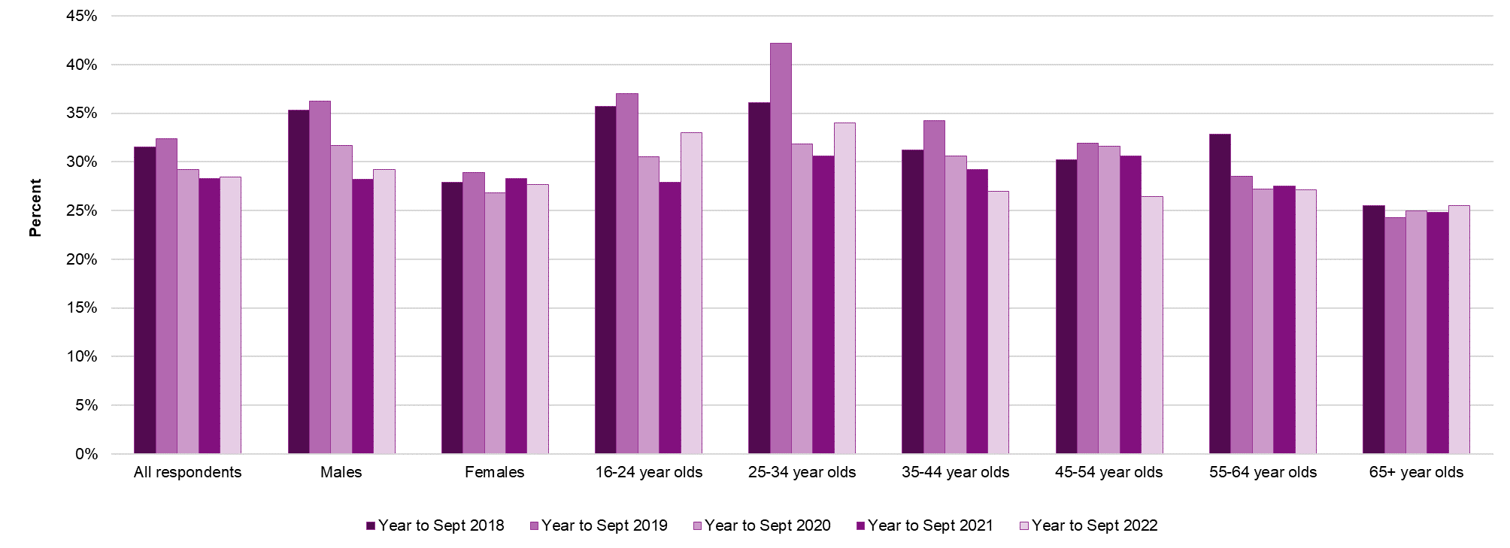

 |  | All Respondents | Males | Females | 16-24 year olds | 25-34 year olds | 35-44 year olds | 45-54 year olds | 55-64 year olds | 65+ year olds
Year to Sept 2018 | % | 31.5 | 35.3 | 27.9 | 35.7 | 36.1 | 31.2 | 30.2 | 32.8 | 25.5
Year to Sept 2019 | % | 32.4 | 36.2 | 28.8 | 37.0 | 42.1 | 34.2 | 31.9 | 28.4 | 24.3
Year to Sept 2020 | % | 29.2 | 31.7 | 26.8 | 30.5 | 31.8 | 30.6 | 31.6 | 27.2 | 25.0
Year to Sept 2021 | % | 28.3 | 28.2 | 28.3 | 27.9 | 30.6 | 29.2 | 30.6 | 27.5 | 24.8
Year to Sept 2022 | % | 28.4 | 29.2 | 27.7 | 33.0 | 34.0 | 27.0 | 26.5 | 27.1 | 25.5

Sample Size for Year to September 2022 | n | 4,018 | 2,117 | 1,901 | 293 | 334 | 378 | 543 | 857 | 1,613

(Notes on the data in this section:)
(* Statistically significant change from Year to September 2021 at the 95% level)

1b
Gambling Commission
Gambling participation: activities and mode of access - October 2022

1b
 | Online gambling participation in the past four weeks
The following chart represents online gambling participation across all survey respondents during the previous four weeks. In order to minimise sample volatility, all the data contained within this report are shown as annual figures by aggregating the results for the four quarterly surveys for each year. Previous years data has been included in order to provide an initial indication of changes in rates of participation.

Proportion of respondents participating in at least one form of online gambling in the past four weeks by gender and age

 |  | All Respondents | Males | Females | 16-24 year olds | 25-34 year olds | 35-44 year olds | 45-54 year olds | 55-64 year olds | 65+ year olds
Year to Sept 2018 | % | 18.4 | 21.6 | 15.3 | 12.6 | 23.8 | 22.5 | 20.5 | 21.3 | 11.3
Year to Sept 2019 | % | 20.6 | 25.1 | 16.2 | 16.5 | 24.5 | 24.6 | 23.8 | 23.2 | 12.7
Year to Sept 2020 | % | 22.6 | 25.6 | 19.7 | 16.6 | 21.6 | 29.8 | 28.8 | 23.6 | 15.9
Year to Sept 2021 | % | 25.0 | 28.1 | 22.1 | 15.8 | 25.2 | 28.8 | 32.8 | 28.0 | 18.8
Year to Sept 2022 | % | 27.0 | 29.5 | 24.5 | 18.9 | 28.3 | 32.2 | 35.0 | 31.2 | 17.3
 |  | *

Sample Size for Year to September 2022 | n | 4,018 | 2,117 | 1,901 | 293 | 334 | 378 | 543 | 857 | 1,613

(Notes on the data in this section:)
(* Statistically significant change from Year to September 2021 at the 95% level)

1c
Gambling Commission
Gambling participation: activities and mode of access - October 2022

1c
 | Online gambling participation in the past four weeks, excluding those only playing National Lottery draw products
The following chart represents online gambling participation (excluding those only playing National Lottery draw products) across all survey respondents during the previous four weeks. In order to minimise sample volatility, all the data contained within this report are shown as annual figures by aggregating the results for the four quarterly surveys for each year. Previous years data has been included in order to provide an initial indication of changes in rates of participation.

Proportion of respondents participating in online gambling in the past four weeks, excluding those only playing National Lottery draw products

 |  | All Respondents | Males | Females | 16-24 year olds | 25-34 year olds | 35-44 year olds | 45-54 year olds | 55-64 year olds | 65+ year olds
Year to Sept 2018 | % | 13.9 | 16.7 | 11.4 | 11.9 | 19.6 | 17.0 | 14.0 | 14.9 | 7.8
Year to Sept 2019 | % | 16.2 | 19.5 | 13.2 | 16.3 | 21.7 | 19.9 | 16.9 | 16.7 | 8.7
Year to Sept 2020 | % | 16.9 | 19.3 | 14.6 | 15.7 | 17.8 | 19.5 | 20.3 | 17.8 | 11.8
Year to Sept 2021 | % | 17.7 | 19.3 | 16.2 | 13.5 | 20.4 | 20.0 | 21.3 | 17.7 | 13.5
Year to Sept 2022 | % | 18.4 | 19.6 | 17.2 | 17.6 | 22.1 | 20.2 | 20.3 | 19.1 | 12.9

Sample Size for Year to September 2022 | n | 4,018 | 2,117 | 1,901 | 293 | 334 | 378 | 543 | 857 | 1,613

(Notes on the data in this section:)
(* Statistically significant change from Year to September 2021 at the 95% level)

1d
Gambling Commission
Gambling participation: activities and mode of access - October 2022

1d
 | In person gambling participation in the past four weeks
The following chart represents in person gambling participation across all survey respondents during the previous four weeks. In order to minimise sample volatility, all the data contained within this report are shown as annual figures by aggregating the results for the four quarterly surveys for each year. Previous years data has been included in order to provide an initial indication of changes in rates of participation.

Proportion of respondents participating in at least one form of in person gambling in the past four weeks by gender and age

 |  | All Respondents | Males | Females | 16-24 year olds | 25-34 year olds | 35-44 year olds | 45-54 year olds | 55-64 year olds | 65+ year olds
Year to Sept 2018 | % | 34.7 | 37.7 | 31.9 | 27.5 | 33.5 | 32.1 | 38.8 | 40.4 | 35.6
Year to Sept 2019 | % | 34.9 | 37.1 | 32.8 | 26.3 | 37.7 | 33.9 | 37.8 | 37.6 | 33.9
Year to Sept 2020 | % | 28.6 | 29.8 | 27.6 | 20.1 | 28.0 | 29.6 | 31.3 | 31.7 | 28.6
Year to Sept 2021 | % | 23.9 | 23.6 | 24.3 | 16.6 | 20.4 | 23.3 | 27.5 | 27.5 | 25.4
Year to Sept 2022 | % | 26.6 | 26.6 | 26.5 | 25.7 | 26.0 | 27.5 | 24.3 | 26.7 | 28.4
 |  | * | * |  | *

Sample Size for Year to September 2022 | n | 4,018 | 2,117 | 1,901 | 293 | 334 | 378 | 543 | 857 | 1,613

(Notes on the data in this section:)
(* Statistically significant change from Year to September 2021 at the 95% level)

1e
Gambling Commission
Gambling participation: activities and mode of access - October 2022

1e
 | In person gambling participation in the past four weeks, excluding those only playing National Lottery draw products
The following chart represents in person gambling participation (excluding those only playing National Lottery draw products) across all survey respondents during the previous four weeks. In order to minimise sample volatility, all the data contained within this report are shown as annual figures by aggregating the results for the four quarterly surveys for each year. Previous years data has been included in order to provide an initial indication of changes in rates of participation.

Proportion of respondents participating in in person gambling in the past four weeks, excluding those only playing National Lottery draw products

 |  | All Respondents | Males | Females | 16-24 year olds | 25-34 year olds | 35-44 year olds | 45-54 year olds | 55-64 year olds | 65+ year olds
Year to Sept 2018 | % | 24.2 | 27.4 | 21.2 | 26.4 | 27.6 | 25.0 | 23.2 | 23.4 | 20.8
Year to Sept 2019 | % | 24.4 | 26.5 | 22.3 | 25.4 | 33.4 | 25.0 | 23.2 | 20.2 | 20.1
Year to Sept 2020 | % | 20.0 | 21.7 | 18.4 | 19.2 | 22.9 | 21.2 | 21.2 | 18.2 | 17.9
Year to Sept 2021 | % | 16.8 | 16.0 | 17.6 | 15.5 | 17.8 | 17.5 | 17.5 | 16.3 | 16.2
Year to Sept 2022 | % | 18.3 | 19.0 | 17.6 | 24.0 | 22.7 | 18.9 | 13.5 | 16.0 | 17.2
 |  |  | * |  | *

Sample Size for Year to September 2022 | n | 4,018 | 2,117 | 1,901 | 293 | 334 | 378 | 543 | 857 | 1,613

(Notes on the data in this section:)
(* Statistically significant change from Year to September 2021 at the 95% level)

2
Gambling Commission
Gambling participation: activities and mode of access - October 2022

2
 | Past four week participation in each activity
The table below provides the percentage of respondents reporting participating in each gambling activity in the previous four weeks. In order to minimise sample volatility, all the data contained within this report are shown as annual figures by aggregating the results for the four quarterly surveys for each year.

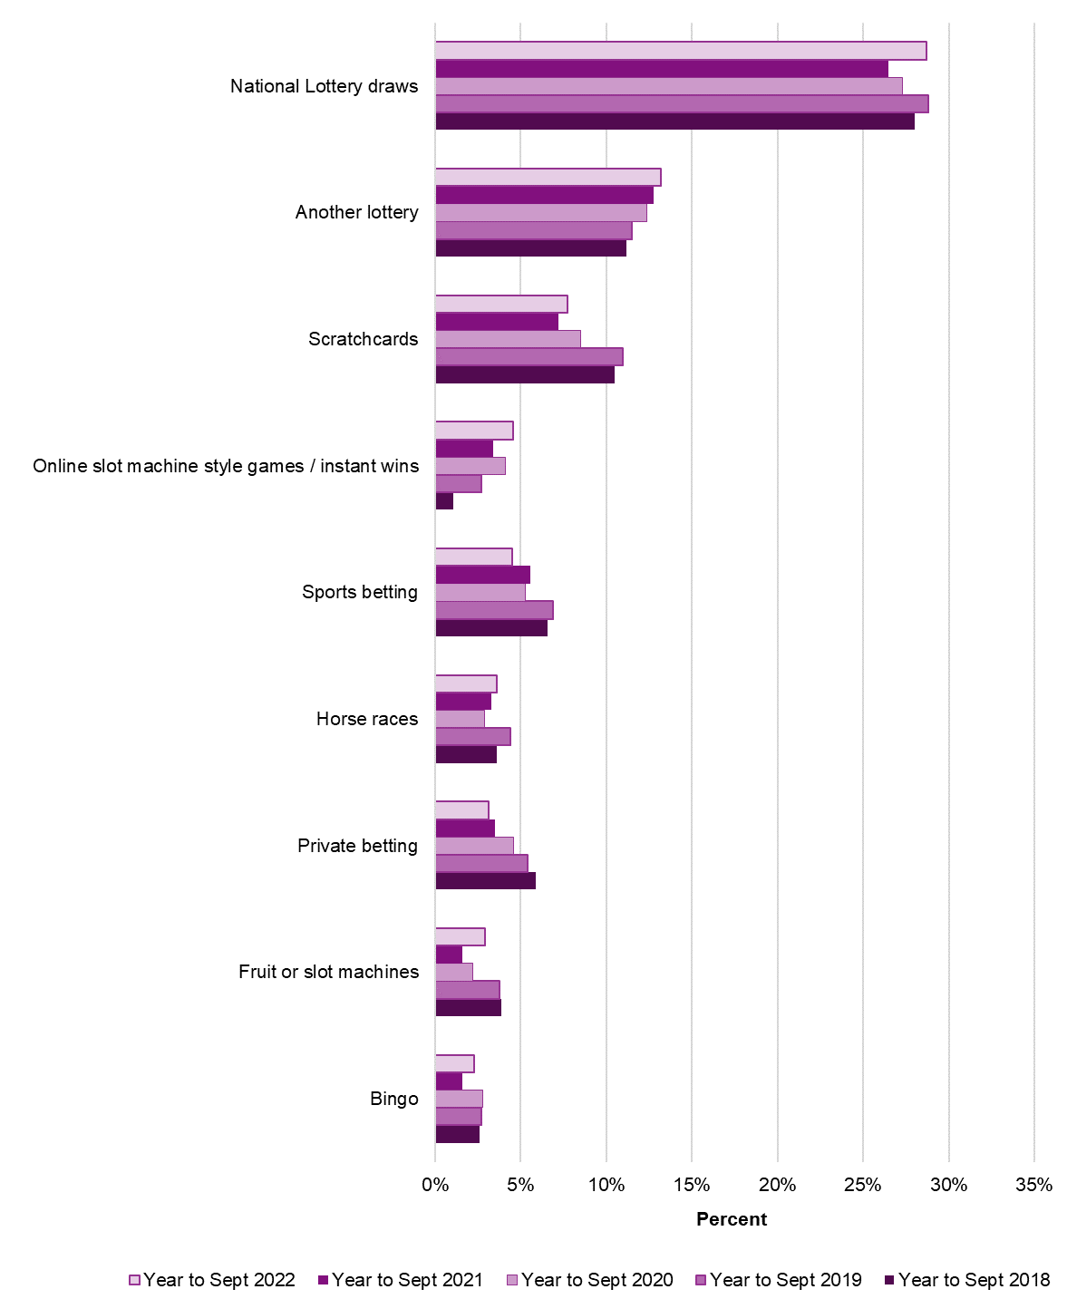
Proportion of respondents gambling in the past four weeks by type of gambling activity
Gambling activity |  |  | Year to Sept 2018 | Year to Sept 2019 | Year to Sept 2020 | Year to Sept 2021 | Year to Sept 2022
National Lottery drawsg |  | % | 28.0 | 28.8 | 27.3 | 26.5 | 28.7 | *
Lotto |  | % | : | 20.6 | 20.1 | 17.3 | 19.1 | *
EuroMillions |  | % | : | 19.5 | 17.7 | 17.9 | 18.8
Thunderball |  | % | : | 3.3 | 3.0 | 2.9 | 2.6
Lotto/EuroMillions Hotpicks |  | % | : | 1.2 | 1.0 | 1.1 | 0.9
Set for Life |  | % | : | : | 5.0 | 4.8 | 4.4
Scratchcards |  | % | 10.5 | 11.0 | 8.5 | 7.2 | 7.7
National Lottery scratchcards |  | % | : | : | 8.1 | 6.5 | 7.2
Other lottery scratchcards |  | % | : | : | 0.9 | 0.9 | 0.7
Another lottery |  | % | 11.2 | 11.5 | 12.4 | 12.8 | 13.2
Fruit or slot machines |  | % | 3.9 | 3.8 | 2.2 | 1.6 | 3.0 | *
In pubs |  | % | 2.0 | 1.8 | 1.2 | 0.8 | 1.6 | *
In gaming centres / arcades |  | % | 2.1 | 2.0 | 1.2 | 1.1 | 1.7 | *
In casinos |  | % | 1.0 | 0.7 | 0.2 | 0.1 | 0.3
In bingo halls |  | % | 0.3 | 0.5 | 0.2 | 0.2 | 0.6 | *
Virtual gaming machines in a bookmakers |  | % | 1.6 | 0.8 | 0.8 | 0.3 | 0.8 | *
Bingoa |  | % | 2.6 | 2.7 | 2.8 | 1.6 | 2.3 | *
Football pools |  | % | 1.3 | 1.7 | 1.7 | 1.2 | 1.2
Horse racesb |  | % | 3.6 | 4.4 | 2.9 | 3.3 | 3.6
Dog racesb |  | % | 0.9 | 0.8 | 0.4 | 0.3 | 0.5
Sports bettingb |  | % | 6.6 | 6.9 | 5.3 | 5.6 | 4.5 | *
Football |  | % | 5.7 | 6.0 | 4.7 | 5.0 | 4.3
Tennis |  | % | 0.2 | 0.5 | 0.2 | 0.2 | 0.3
Other sports |  | % | 2.1 | 3.1 | 1.9 | 2.0 | 1.3 | *
Betting on other eventsb |  | % | 1.0 | 1.3 | 1.1 | 0.7 | 0.9
The outcome of lotteries |  | % | : | 0.4 | 0.4 | 0.2 | 0.2
Political events |  | % | : | 0.4 | 0.3 | 0.1 | 0.4 | *
Other events |  | % | : | 0.6 | 0.4 | 0.3 | 0.4
Virtual dog or horse races |  | % | 0.3 | 0.5 | 0.2 | 0.3 | 0.7 | *
Spread betting |  | % | 0.3 | 0.3 | 0.2 | 0.3 | 0.4
Online slot machine style games / instant wins |  | % | 1.1 | 2.7 | 4.1 | 3.4 | 4.6 | *
National Lottery Online Instant Wins |  | % | : | 1.9 | 2.7 | 2.5 | 3.1
Other Instant Wins |  | % | : | 1.0 | 1.7 | 1.1 | 1.8 | *
Casino gamesc |  | % | 1.6 | 1.6 | 1.3 | 1.0 | 1.0
Poker at a pub / club |  | % | 0.8 | 0.5 | 0.3 | 0.1 | 0.3
Private betting |  | % | 5.9 | 5.4 | 4.6 | 3.5 | 3.2
Any other activity |  | % | 0.8 | 0.7 | 0.6 | 0.6 | 0.7
Any online bettingd |  | % | 5.4 | 6.6 | 5.1 | 6.4 | 5.7
Any online gamblinge |  | % | 18.4 | 20.5 | 22.6 | 25.0 | 27.0 | *
Any National Lottery |  | % | : | : | 31.3 | 29.4 | 32.3 | *
Any gambling activity |  | % | 45.8 | 46.7 | 42.7 | 42.0 | 44.1

Sample Size for Year to Sept 2022
All activities (adults aged 16+)
4,018

(Notes on the data in this section:)
(Respondents give multiple responses where they participate in more than one activity.)
(Figures are rounded to one decimal place.)
(* Statistically significant change from Year to September 2021 at the 95% level)
(a Includes bingo played at a club or online.)
(b Includes bets made online, by telephone, or in person, with a bookmaker or a betting exchange.)
(c Includes casino games played in a casino or online.)
(d Includes betting on horse races, betting on dog races, sports betting, or betting on other events.)
(e Includes online play in any activity.)
(f In December 2017 this option was expanded, with separate options for National Lottery online instant wins and other instant wins. Participation is reported by the new categories and has been combined to continue the existing trend.)
(g In December 2017 a supplementary question was added, asked of those who have participated in National Lottery draws, to ascertain which National Lottery draw based games they had played.The 'Set for Life' option was added in June 2019 just after the game began operating.)
(':' No observations, data not collected)

3
Gambling Commission
Gambling participation: activities and mode of access - October 2022

3
 | How people gamble - Online participation
The table below displays mode of gambling amongst all respondents for activities which can be played either online or in person. This table includes respondents who had participated either only online or had participated both in person and online, and therefore some respondents will be double counted over Tabs 3 and 3a.

Online participation in the past four weeks by activityd

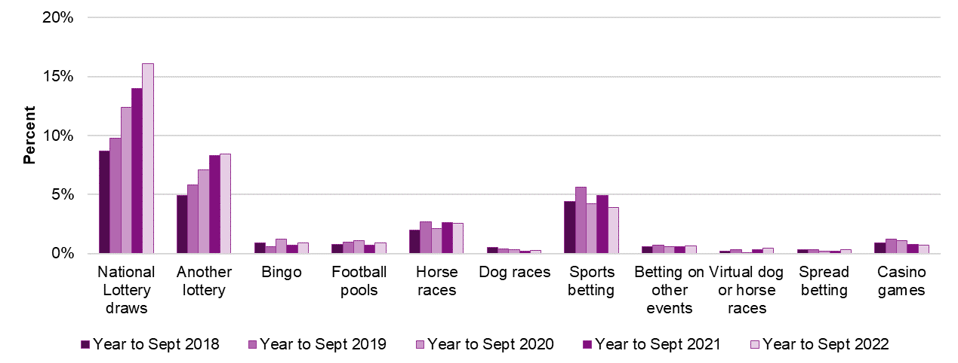

Activity |  | Year to Sept 2018 | Year to Sept 2019 | Year to Sept 2020 | Year to Sept 2021 | Year to Sept 2022
National Lottery draws | % | 8.7 | 9.8 | 12.4 | 14.0 | 16.1 | *
Another lottery | % | 4.9 | 5.8 | 7.1 | 8.3 | 8.4
Bingoa | % | 0.9 | 0.6 | 1.2 | 0.7 | 0.9
Football pools | % | 0.8 | 1.0 | 1.1 | 0.7 | 0.9
Horse racesb | % | 2.0 | 2.7 | 2.1 | 2.6 | 2.6
Dog racesb | % | 0.5 | 0.4 | 0.3 | 0.2 | 0.3
Sports bettingb | % | 4.4 | 5.6 | 4.2 | 4.9 | 3.9 | *
Football | % | 3.7 | 5.0 | 3.7 | 4.4 | 3.8
Tennis | % | 0.1 | 0.4 | 0.1 | 0.2 | 0.3
Other sports | % | 1.5 | 2.5 | 1.4 | 1.9 | 1.0 | *
Betting on other eventsb | % | 0.6 | 0.7 | 0.6 | 0.6 | 0.6
The outcome of lotteries | % | 0.1 | 0.1 | 0.1 | 0.1 | 0.1
Political events | % | 0.2 | 0.2 | 0.3 | 0.1 | 0.3
Other events | % | 0.4 | 0.5 | 0.2 | 0.3 | 0.1 | *
Virtual dog or horse races | % | 0.2 | 0.3 | 0.1 | 0.3 | 0.4
Spread betting | % | 0.3 | 0.3 | 0.2 | 0.2 | 0.4
Casino gamesc | % | 0.9 | 1.2 | 1.1 | 0.8 | 0.7

Sample Size for Year to Sept 2022
All activities (adults aged 16+)
4,018

(Notes on the data in this section:)
(a The definition of bingo includes games played at a club or online.)
(b Betting can include those bets made online, by telephone, or in person, with a bookmaker or a betting exchange.)
(c The definition of casino games includes those games played in a casino or online.)
(d In December 2020 the bases for Tab 3 and 3a were updated from 'among those who had participated in activity' to 'all respondents' to better understand changes in mode of participation at a population level.)
(':' No observations, data not collected)
(* Statistically significant change from Year to September 2021 at the 95% level)

3a
Gambling Commission
Gambling participation: activities and mode of access - October 2022

3a
 | How people gamble - In person participation
The table below displays mode of gambling amongst all respondents for activities which can be played either online or in person. This table includes respondents who had participated either only in person or had participated both in person and online, and therefore some respondents will be double counted over Tabs 3 and 3a.

In person participation in the past four weeks by activityd

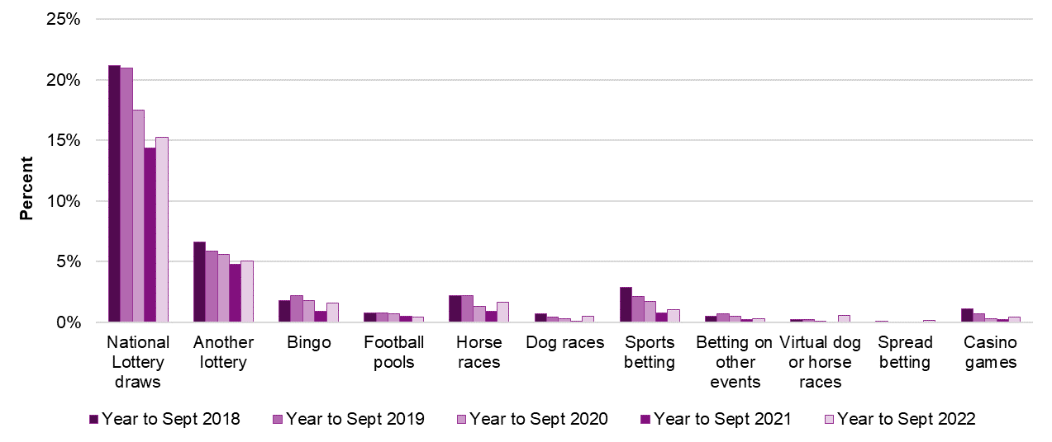

Activity |  | Year to Sept 2018 | Year to Sept 2019 | Year to Sept 2020 | Year to Sept 2021 | Year to Sept 2022
National Lottery draws | % | 21.2 | 21.0 | 17.5 | 14.4 | 15.3
Another lottery | % | 6.6 | 5.9 | 5.6 | 4.8 | 5.1
Bingoa | % | 1.8 | 2.2 | 1.8 | 0.9 | 1.6 | *
Football pools | % | 0.8 | 0.8 | 0.7 | 0.5 | 0.4
Horse racesb | % | 2.2 | 2.2 | 1.3 | 0.9 | 1.7 | *
Dog racesb | % | 0.7 | 0.4 | 0.3 | 0.1 | 0.5 | *
Sports bettingb | % | 2.9 | 2.1 | 1.7 | 0.8 | 1.0
Football | % | 2.4 | 1.8 | 1.5 | 0.8 | 1.0
Tennis | % | - | 0.1 | 0.1 | - | 0.2
Other sports | % | 0.7 | 0.7 | 0.6 | 0.1 | 0.4 | *
Betting on other eventsb | % | 0.5 | 0.7 | 0.5 | 0.2 | 0.3
The outcome of lotteries | % | 0.3 | 0.4 | 0.2 | 0.1 | 0.1
Political events | % | 0.1 | 0.2 | ~ | - | 0.1
Other events | % | 0.1 | 0.2 | 0.2 | ~ | 0.1
Virtual dog or horse races | % | 0.2 | 0.2 | 0.1 | ~ | 0.6
Spread betting | % | 0.1 | ~ | ~ | ~ | 0.1
Casino gamesc | % | 1.1 | 0.7 | 0.3 | 0.2 | 0.4

Sample Size for Year to Sept 2022
All activities (adults aged 16+)
4,018

(Notes on the data in this section:)
(a The definition of bingo includes games played at a club or online.)
(b Betting can include those bets made online, by telephone, or in person, with a bookmaker or a betting exchange.)
(c The definition of casino games includes those games played in a casino or online.)
(d In December 2020 the bases for Tab 3 and 3a were updated from 'among those who had participated in activity' to 'all respondents' to better understand changes in mode of participation at a population level.)
(':' No observations, data not collected)
(‘~’ Data point too small to show)
(* Statistically significant change from Year to September 2021 at the 95% level)

4
Gambling Commission
Gambling participation: activities and mode of access - October 2022

4
 | Gambling involvement
The chart below demonstrates the frequency of all gambling activities amongst past four week gamblers.

Frequency of gambling amongst past four week gamblers

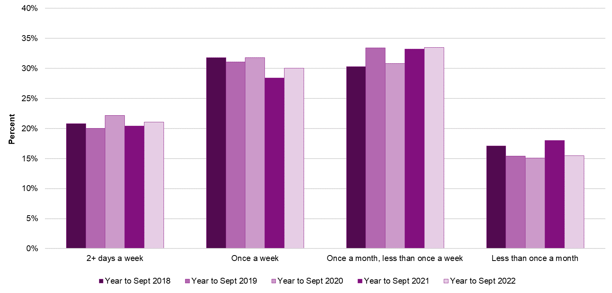

 |  | 2+ days a week | Once a week | Once a month, less than once a week | Less than once a month
Year to Sept 2018 | % | 20.8 | 31.8 | 30.3 | 17.1
Year to Sept 2019 | % | 20.0 | 31.1 | 33.4 | 15.4
Year to Sept 2020 | % | 22.2 | 31.8 | 30.8 | 15.1
Year to Sept 2021 | % | 20.4 | 28.4 | 33.2 | 18.0
Year to Sept 2022 | % | 21.0 | 30.0 | 33.5 | 15.5

Sample Size for Year to September 2022
Past four week gamblers
1,685

(Notes on the data in this section:)
^{(*} Statistically significant change from Year to September 2021 at the 95% level)

4a
Gambling Commission
Gambling participation: activities and mode of access - October 2022

4a
 | Betting involvement
The chart below demonstrates the frequency of all betting activities amongst past four week bettors.

Frequency of betting amongst past four week bettors

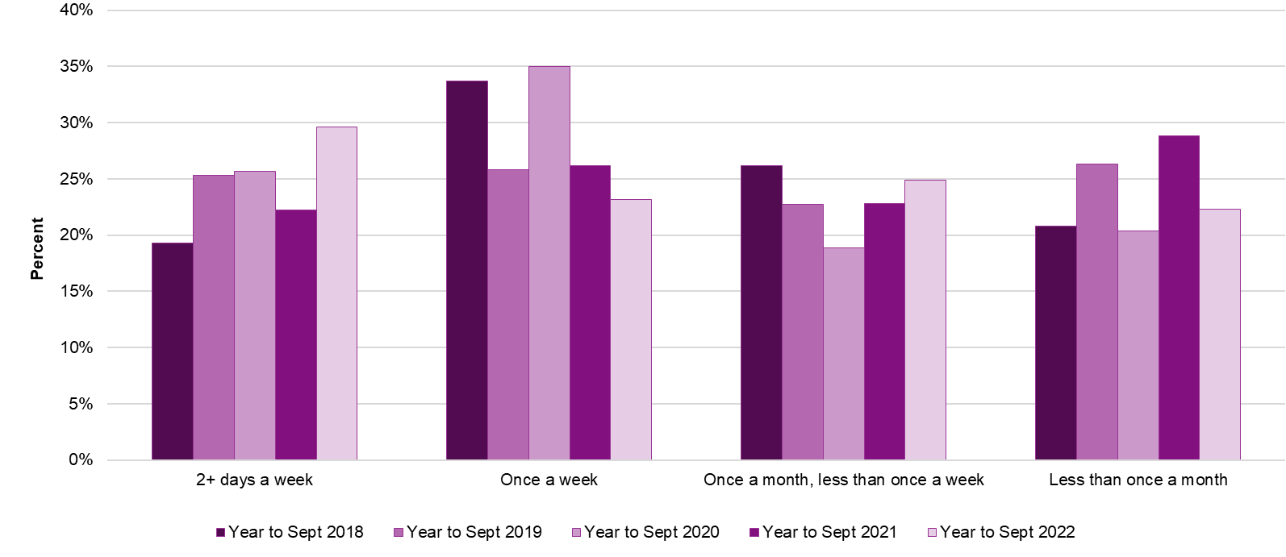

 |  | 2+ days a week | Once a week | Once a month, less than once a week | Less than once a month
Year to Sept 2018 | % | 19.3 | 33.7 | 26.2 | 20.8
Year to Sept 2019 | % | 25.3 | 25.8 | 22.7 | 26.3
Year to Sept 2020 | % | 25.7 | 35.0 | 18.9 | 20.4
Year to Sept 2021 | % | 22.2 | 26.2 | 22.8 | 28.8
Year to Sept 2022 | % | 29.6 | 23.1 | 24.9 | 22.3

Sample Size for Year to September 2022
Past four week bettors
248

(Notes on the data in this section:)
(a Betting on horse races, betting on dog races, sports betting, or betting on other events.)
(* Statistically significant change from Year to September 2021 at the 95% level)

5
Gambling Commission
Gambling participation: activities and mode of access - October 2022

5
 | Problem gambling (according to the PGSI mini-screen)
As with all data contained within this publication, rates of problem gambling and risk rates are based on survey estimates and therefore have confidence intervals around the observed estimate within which the true rate is likely to fall. As such, changes significant at the 95% level are marked with a *.

Problem gambling rates (according to the short-form PGSI) by gender and age
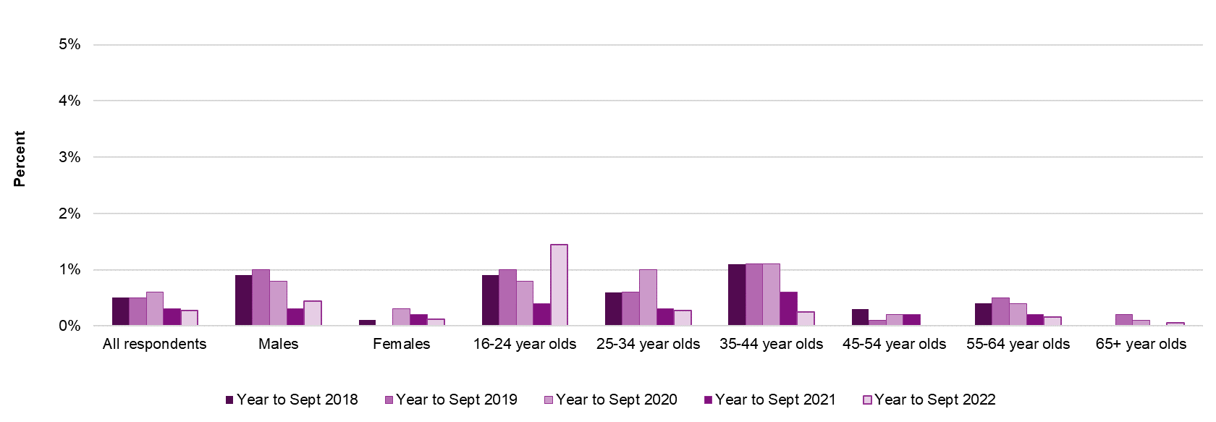

 |  | All Respondents | Males | Females | 16-24 year olds | 25-34 year olds | 35-44 year olds | 45-54 year olds | 55-64 year olds | 65+ year olds
Year to Sept 2018 | % | 0.5 | 0.9 | 0.1 | 0.9 | 0.6 | 1.1 | 0.3 | 0.4 | -
Year to Sept 2019 | % | 0.5 | 1.0 | ~ | 1.0 | 0.6 | 1.1 | 0.1 | 0.5 | 0.2
Year to Sept 2020 | % | 0.6 | 0.8 | 0.3 | 0.8 | 1.0 | 1.1 | 0.2 | 0.4 | 0.1
Year to Sept 2021 | % | 0.3 | 0.3 | 0.2 | 0.4 | 0.3 | 0.6 | 0.2 | 0.2 | ~
Year to Sept 2022 | % | 0.3 | 0.4 | 0.1 | 1.4 | 0.3 | 0.2 | - | 0.2 | 0.1

Sample Size for Year to September 2022 | n | 4,018 | 2,117 | 1,901 | 293 | 334 | 378 | 543 | 857 | 1,613

(Notes on the data in this section:)
(Problem gambling status has been defined using the short-form Problem Gambling Severity Index (PGSI) (Volberg, 2012), which was developed from the full 9-item PGSI. This instrument is formed of three questions, which are scored on a 4-point scale from never to almost always, asked to all participants who have gambled at least once in the last 12 months. Responses are scored from 0 - 3 resulting in a total possible score of 9. Respondents are then categorised by their total score, as follows:)
(0 Non-problem gambler This group probably will not have experienced any adverse consequences of gambling)
(1 Low risk gambler This group likely will not have experienced any adverse consequences from gambling)
(2-3 Moderate risk gambler This group may or may not have experienced adverse consequences from gambling)
(4+ Problem gambler This group are those who have experienced adverse consequences from their gambling)
(These scores have been analysed to provide overall problem gambling rates as well as by gender and age. Due to small base sizes rates split by age and gender should be treated with caution. As advised following the development of the short-form PGSI, it has not been used to report or track changes in any further sociodemographic characteristics or gambling behaviour.)
(- No observations (zero values)
(‘~’ Data point too small to show)
(* Statistically significant change from Year to September 2021 at the 95% level)

5a
Gambling Commission
Gambling participation: activities and mode of access - October 2022

5a
 | Moderate risk gambling (according to the PGSI mini-screen)
As with all data contained within this publication, rates of problem gambling and risk are based on survey estimates and therefore have confidence intervals around the observed estimate within which the true rate is likely to fall. As such, changes significant at the 95% level are marked with a *.

Moderate risk gambling rates (according to the short-form PGSI) by gender and age

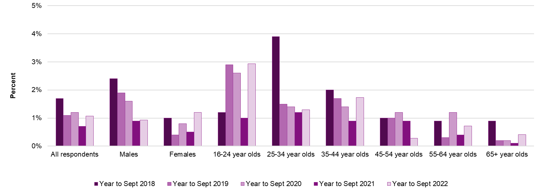

 |  | All Respondents | Males | Females | 16-24 year olds | 25-34 year olds | 35-44 year olds | 45-54 year olds | 55-64 year olds | 65+ year olds
Year to Sept 2018 | % | 1.7 | 2.4 | 1.0 | 1.2 | 3.9 | 2.0 | 1.0 | 0.9 | 0.9
Year to Sept 2019 | % | 1.1 | 1.9 | 0.4 | 2.9 | 1.5 | 1.7 | 1.0 | 0.3 | 0.2
Year to Sept 2020 | % | 1.2 | 1.6 | 0.8 | 2.6 | 1.4 | 1.4 | 1.2 | 1.2 | 0.2
Year to Sept 2021 | % | 0.7 | 0.9 | 0.5 | 1.0 | 1.2 | 0.9 | 0.9 | 0.4 | 0.1
Year to Sept 2022 | % | 1.1 | 0.9 | 1.2 | 2.9 | 1.3 | 1.7 | 0.3 | 0.7 | 0.4
 |  |  |  | *
Sample Size for Year to September 2022 | n | 4,018 | 2,117 | 1,901 | 293 | 334 | 378 | 543 | 857 | 1,613

(Notes on the data in this section:)
(Problem gambling status has been defined using the short-form Problem Gambling Severity Index (PGSI) (Volberg, 2012), which was developed from the full 9-item PGSI. This instrument is formed of three questions, which are scored on a 4-point scale from never to almost always, asked to all participants who have gambled at least once in the last 12 months. Responses are scored from 0 - 3 resulting in a total possible score of 9. Respondents are then categorised by their total score, as follows:)
(0 Non-problem gambler This group probably will not have experienced any adverse consequences of gambling)
(1 Low risk gambler This group likely will not have experienced any adverse consequences from gambling)
(2-3 Moderate risk gambler This group may or may not have experienced adverse consequences from gambling)
(4+ Problem gambler This group are those who have experienced adverse consequences from their gambling)
(These scores have been analysed to provide overall problem gambling rates as well as by gender and age. Due to small base sizes rates split by age and gender should be treated with caution. As advised following the development of the short-form PGSI, it has not been used to report or track changes in any further sociodemographic characteristics or gambling behaviour.)
(- No observations (zero values)
(* Statistically significant change from Year to September 2021 at the 95% level)

5b
Gambling Commission
Gambling participation: activities and mode of access - October 2022

5b
 | Low risk gambling (according to the PGSI mini-screen)
As with all data contained within this publication, rates of problem gambling and risk rates are based on survey estimates and therefore have confidence intervals around the observed estimate within which the true rate is likely to fall. As such, changes significant at the 95% level are marked with a *.

Low risk gambling rates (according to the short-form PGSI) by gender and age

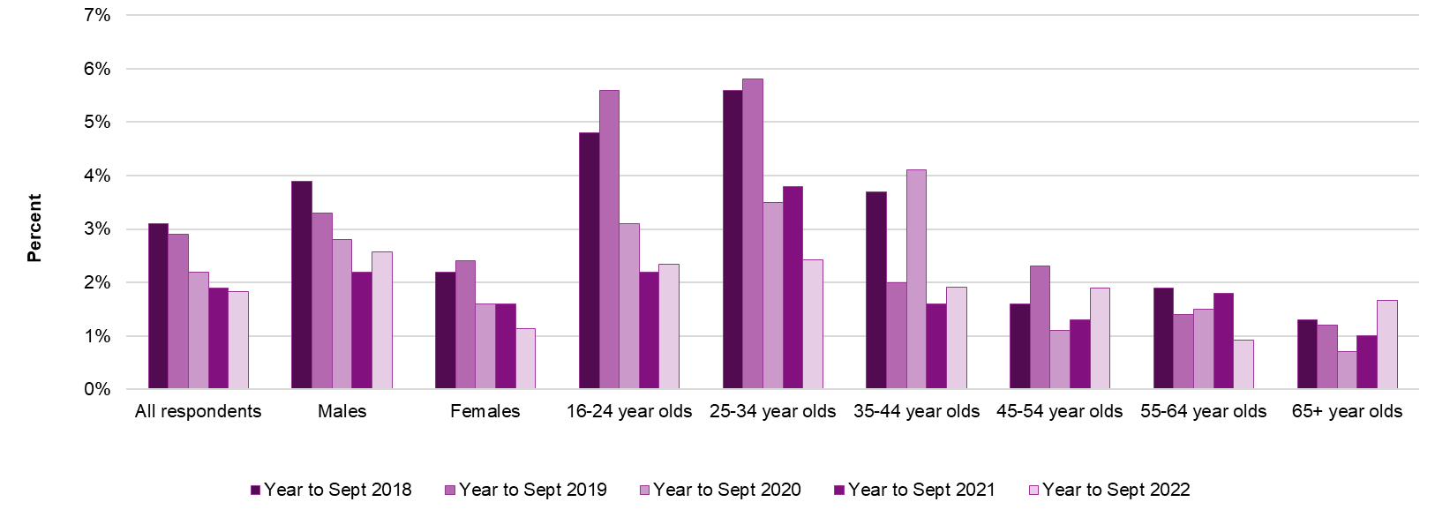

 |  | All Respondents | Males | Females | 16-24 year olds | 25-34 year olds | 35-44 year olds | 45-54 year olds | 55-64 year olds | 65+ year olds
Year to Sept 2018 | % | 3.1 | 3.9 | 2.2 | 4.8 | 5.6 | 3.7 | 1.6 | 1.9 | 1.3
Year to Sept 2019 | % | 2.9 | 3.3 | 2.4 | 5.6 | 5.8 | 2.0 | 2.3 | 1.4 | 1.2
Year to Sept 2020 | % | 2.2 | 2.8 | 1.6 | 3.1 | 3.5 | 4.1 | 1.1 | 1.5 | 0.7
Year to Sept 2021 | % | 1.9 | 2.2 | 1.6 | 2.2 | 3.8 | 1.6 | 1.3 | 1.8 | 1.0
Year to Sept 2022 | % | 1.8 | 2.6 | 1.1 | 2.3 | 2.4 | 1.9 | 1.9 | 0.9 | 1.7

Sample Size for Year to September 2022 | n | 4,018 | 2,117 | 1,901 | 293 | 334 | 378 | 543 | 857 | 1,613

(Notes on the data in this section:)
(Problem gambling status has been defined using the short-form Problem Gambling Severity Index (PGSI) (Volberg, 2012), which was developed from the full 9-item PGSI. This instrument is formed of three questions, which are scored on a 4-point scale from never to almost always, asked to all participants who have gambled at least once in the last 12 months. Responses are scored from 0 - 3 resulting in a total possible score of 9. Respondents are then categorised by their total score, as follows:)
(0 Non-problem gambler This group probably will not have experienced any adverse consequences of gambling)
(1 Low risk gambler This group likely will not have experienced any adverse consequences from gambling)
(2-3 Moderate risk gambler This group may or may not have experienced adverse consequences from gambling)
(4+ Problem gambler This group are those who have experienced adverse consequences from their gambling)
(These scores have been analysed to provide overall problem gambling rates as well as by gender and age. Due to small base sizes rates split by age and gender should be treated with caution. As advised following the development of the short-form PGSI, it has not been used to report or track changes in any further sociodemographic characteristics or gambling behaviour.)
(- No observations (zero values)
(* Statistically significant change from Year to September 2021 at the 95% level)

6
Gambling Commission
Gambling participation: activities and mode of access - October 2022

6 | Appendix 1 - Confidence levels and sample sizes

Yonder interviewed the following random samples of adults (16+) by telephone. Interviews were conducted across the country and the results have been weighted to the profile of all adults.

 |  | Year to Sept 2018 |  | Year to Sept 2019 |  | Year to Sept 2020 |  | Year to Sept 2021 |  | Year to Sept 2022

Based on | Group | Sample size | Maximum margin of error at 95% confidence level | Sample size | Maximum margin of error at 95% confidence level | Sample size | Maximum margin of error at 95% confidence level | Sample size | Maximum margin of error at 95% confidence level | Sample size | Maximum margin of error at 95% confidence level
50% normal distributiona | All respondents | 4,001 | +/- 1.55% | 4,010 | +/- 1.55% | 4,007 | +/- 1.54% | 4,005 | +/- 1.55% | 4,018 | +/- 1.55%
50% normal distributiona | Males | 1,920 | +/- 2.24% | 1,978 | +/- 2.20% | 1,932 | +/- 2.23% | 1,950 | +/- 2.22% | 2,117 | +/- 2.13%
50% normal distributiona | Females | 2,081 | +/- 2.15% | 2,032 | +/- 2.17% | 2,075 | +/- 2.16% | 2,055 | +/- 2.16% | 1,901 | +/- 2.25%
50% normal distributiona | 16-24 year olds | 468 | +/- 4.53% | 447 | +/- 4.64% | 410 | +/- 4.84% | 374 | +/- 5.07% | 293 | +/- 5.73%
50% normal distributiona | 25-34 year olds | 539 | +/- 4.22% | 555 | +/- 4.16% | 567 | +/- 4.12% | 530 | +/- 4.26% | 334 | +/- 5.36%
50% normal distributiona | 35-44 year olds | 641 | +/- 3.87% | 714 | +/- 3.67% | 656 | +/- 3.83% | 608 | +/- 3.97% | 378 | +/- 5.04%
50% normal distributiona | 45-54 year olds | 755 | +/- 3.57% | 739 | +/- 3.60% | 754 | +/- 3.57% | 629 | +/- 3.91% | 543 | +/- 4.21%
50% normal distributiona | 55-64 year olds | 671 | +/- 3.78% | 643 | +/- 3.86% | 676 | +/- 3.78% | 735 | +/- 3.62% | 857 | +/- 3.35%
50% normal distributiona | 65+ year olds | 927 | +/- 3.22% | 912 | +/- 3.25% | 944 | +/- 3.19% | 1,129 | +/- 2.92% | 1,613 | +/- 2.44%
problem gambling ratesb | All respondents | 4,001 | +/- 0.22% | 4,010 | +/- 0.22% | 4,007 | +/- 0.23% | 4,005 | +/- 0.17% | 4,018 | +/- 0.16%
problem gambling ratesb | Males | 1,920 | +/- 0.42% | 1,978 | +/- 0.44% | 1,932 | +/- 0.41% | 1,950 | +/- 0.24% | 2,117 | +/- 0.28%
problem gambling ratesb | Females | 2,081 | +/- 0.14% | 2,032 | +/- 0.10% | 2,075 | +/- 0.24% | 2,055 | +/- 0.19% | 1,901 | +/- 0.16%
problem gambling ratesb | 16-24 year olds | 468 | +/- 0.86% | 447 | +/- 0.92% | 410 | +/- 0.84% | 374 | +/- 0.64% | 293 | +/- 1.36%
problem gambling ratesb | 25-34 year olds | 539 | +/- 0.65% | 555 | +/- 0.64% | 567 | +/- 0.82% | 530 | +/- 0.47% | 334 | +/- 0.56%
problem gambling ratesb | 35-44 year olds | 641 | +/- 0.81% | 714 | +/- 0.77% | 656 | +/- 0.81% | 608 | +/- 0.61% | 378 | +/- 0.50%
problem gambling ratesb | 45-54 year olds | 755 | +/- 0.39% | 739 | +/- 0.23% | 754 | +/- 0.33% | 629 | +/- 0.35% | 543 | -
problem gambling ratesb | 55-64 year olds | 671 | +/- 0.48% | 643 | +/- 0.55% | 676 | +/- 0.48% | 735 | +/- 0.32% | 857 | +/- 0.27%
problem gambling ratesb | 65+ year olds | 927 | - | 912 | +/- 0.29% | 944 | +/- 0.21% | 1,129 | - | 1,613 | +/- 0.11%

(Notes:)
(a This assumes the maximum margin of error for a figure of 50%)
(b This displays the maximum margin of error for the observed problem gambling figures reported in tab 5)
(- No observations (zero values))

