Observations
1. Handling Missing Values

No missing values detected

Price column: 0 blanks (all 32 records have prices)
Category column: 0 blanks (all records assigned)

2. Correcting Inconsistent Data

No typos found in Category column (consistent: "Electronics", "Fashion", "Kitchen", "Outdoor", "Accessories")
No inconsistent casing in Product Name column
No hidden spaces or formatting issues

3. Removing Duplicates

Method: Data tab → Remove Duplicates → Select all columns

Duplicates Found & Removed (2 rows):

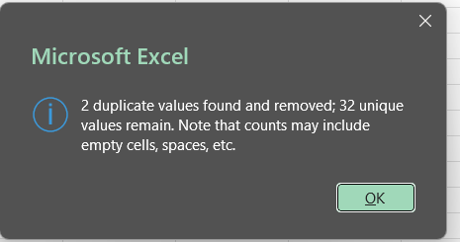

4. Splitting and Merging Data

4A: Split Product ID using LEFT & RIGHT functions

4B: Merge columns using concatenation (&)

combining brand and product fields created a unified "Product Brand" identifier, optimizing the readability of client-facing dashboards.

5. Number Formatting

Format prices as currency & dates as DD-MM-YYYY
Converting raw numeric characters into explicit currency formats and standardized DD-MM-YYYY dates dramatically enhanced visual data comprehension.

6. Conditional Formatting:

Apply data bars & conditional highlighting

Applying color gradients across the "Price" metric instantly surfaced revenue outliers and premium products at a glance

Additionally, the custom highlight rule applied to "Electronics" creates an immediate visual anchor for high-priority product segments during executive reviews.

