Summary
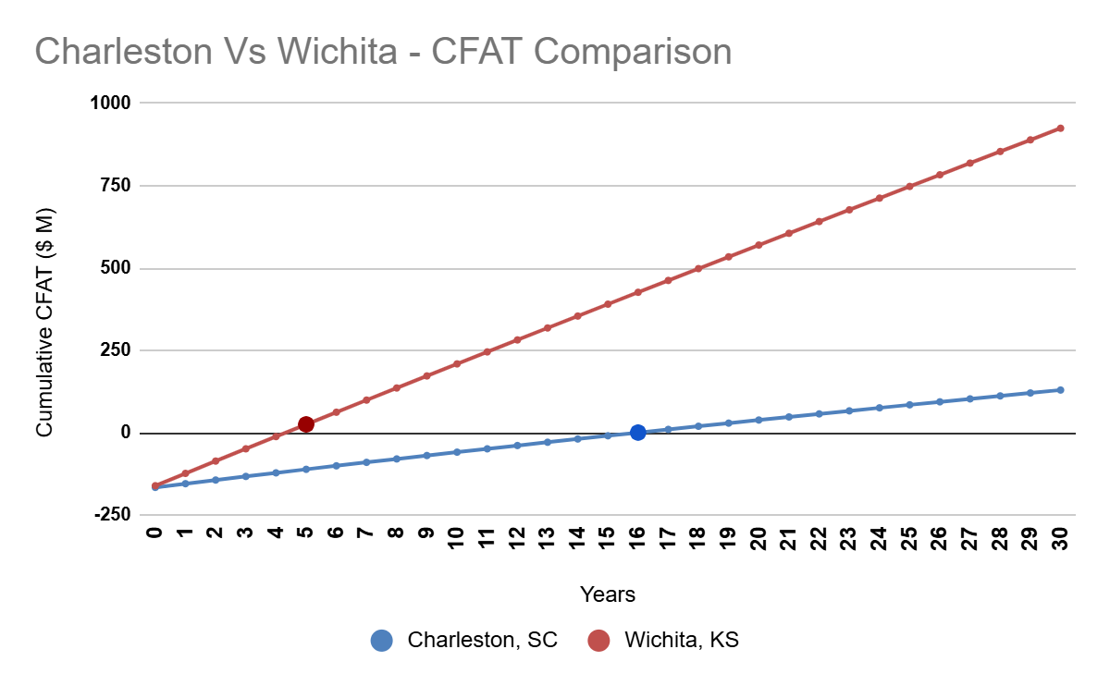
Location | IRR (%) | NPV ($) | Annual Worth ($) | Payback Period (Years)
Charleston | 4.4779604321 | -61121811.889 | -6483755.857 | 16
Wichita | 23.083105972 | 168715050.66 | 17897165.743 | 5

Recommendation: Among the 2 recommended locations, Wichita, Kansas would be the better option to start a new facility for Boeing Company
Workbook uploaded in Google Sheets for easy access.
Workbook Link
Wichita, KS - CFAT Projection
 | Wichita, KS
2 | -122532137.5
4 | -47986637.5
6 | 26117900
8 | 99807875
10 | 173106387.5
12 | 246035300
14 | 318617300
16 | 390873837.5
18 | 462826362.5
20 | 534496325
22 | 605905175
24 | 677074362.5
26 | 748025337.5
28 | 818778725
30 | 889355975
Charleston, SC - CFAT Projection
 | Charleston, SC
5 | -120936188
10 | -68364357
15 | -18193639
20 | 29931178
25 | 76358871
30 | 121435214

