Charts
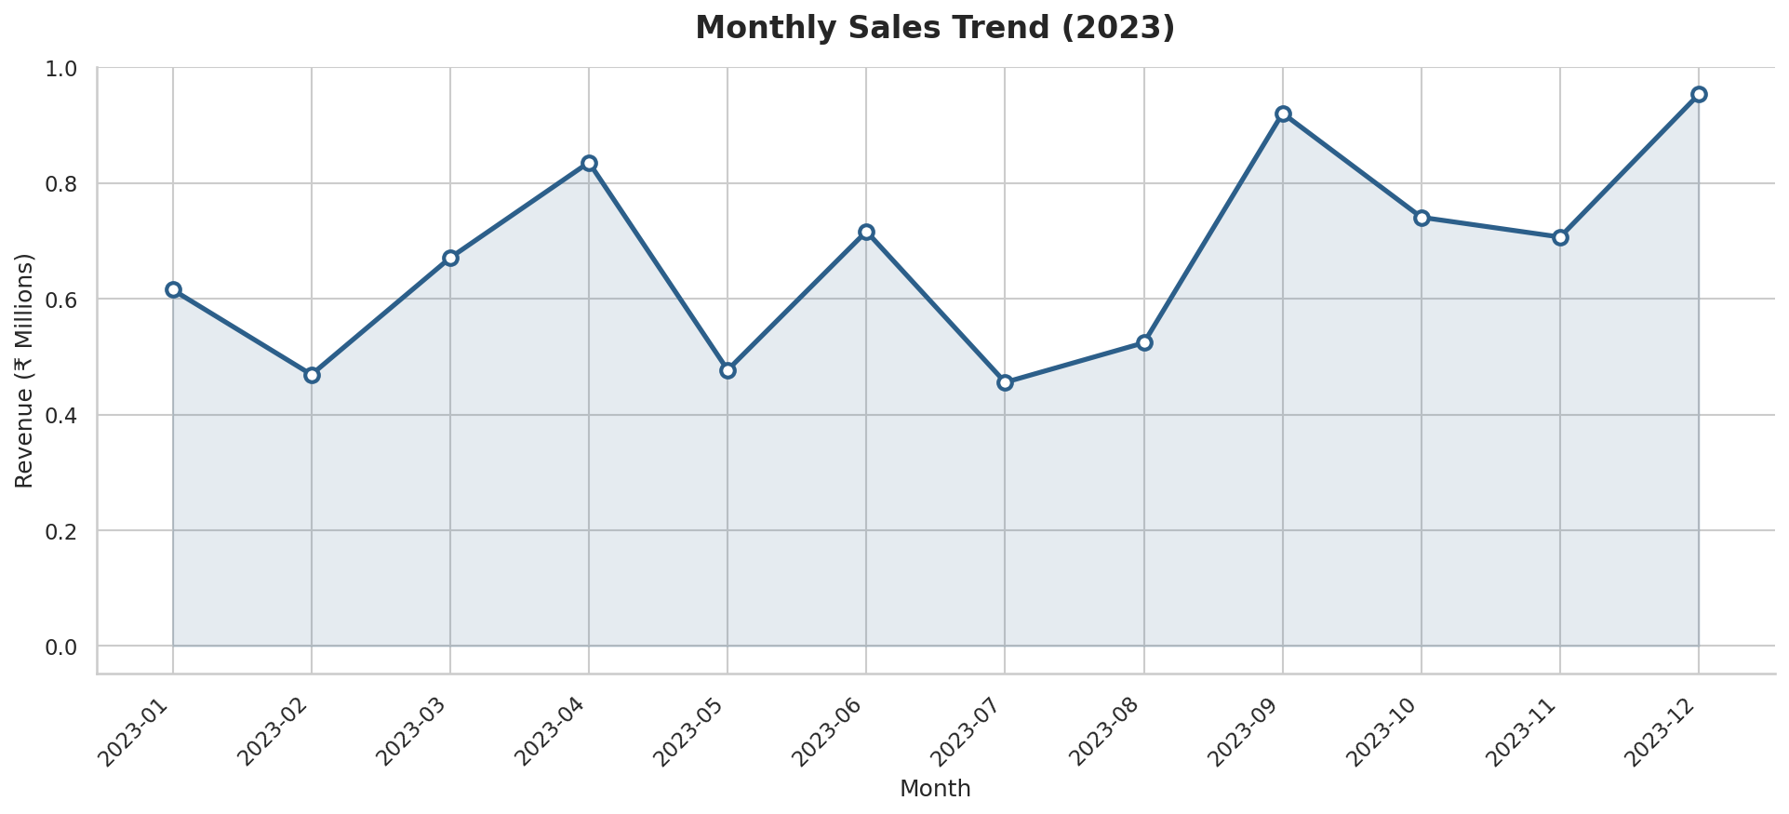
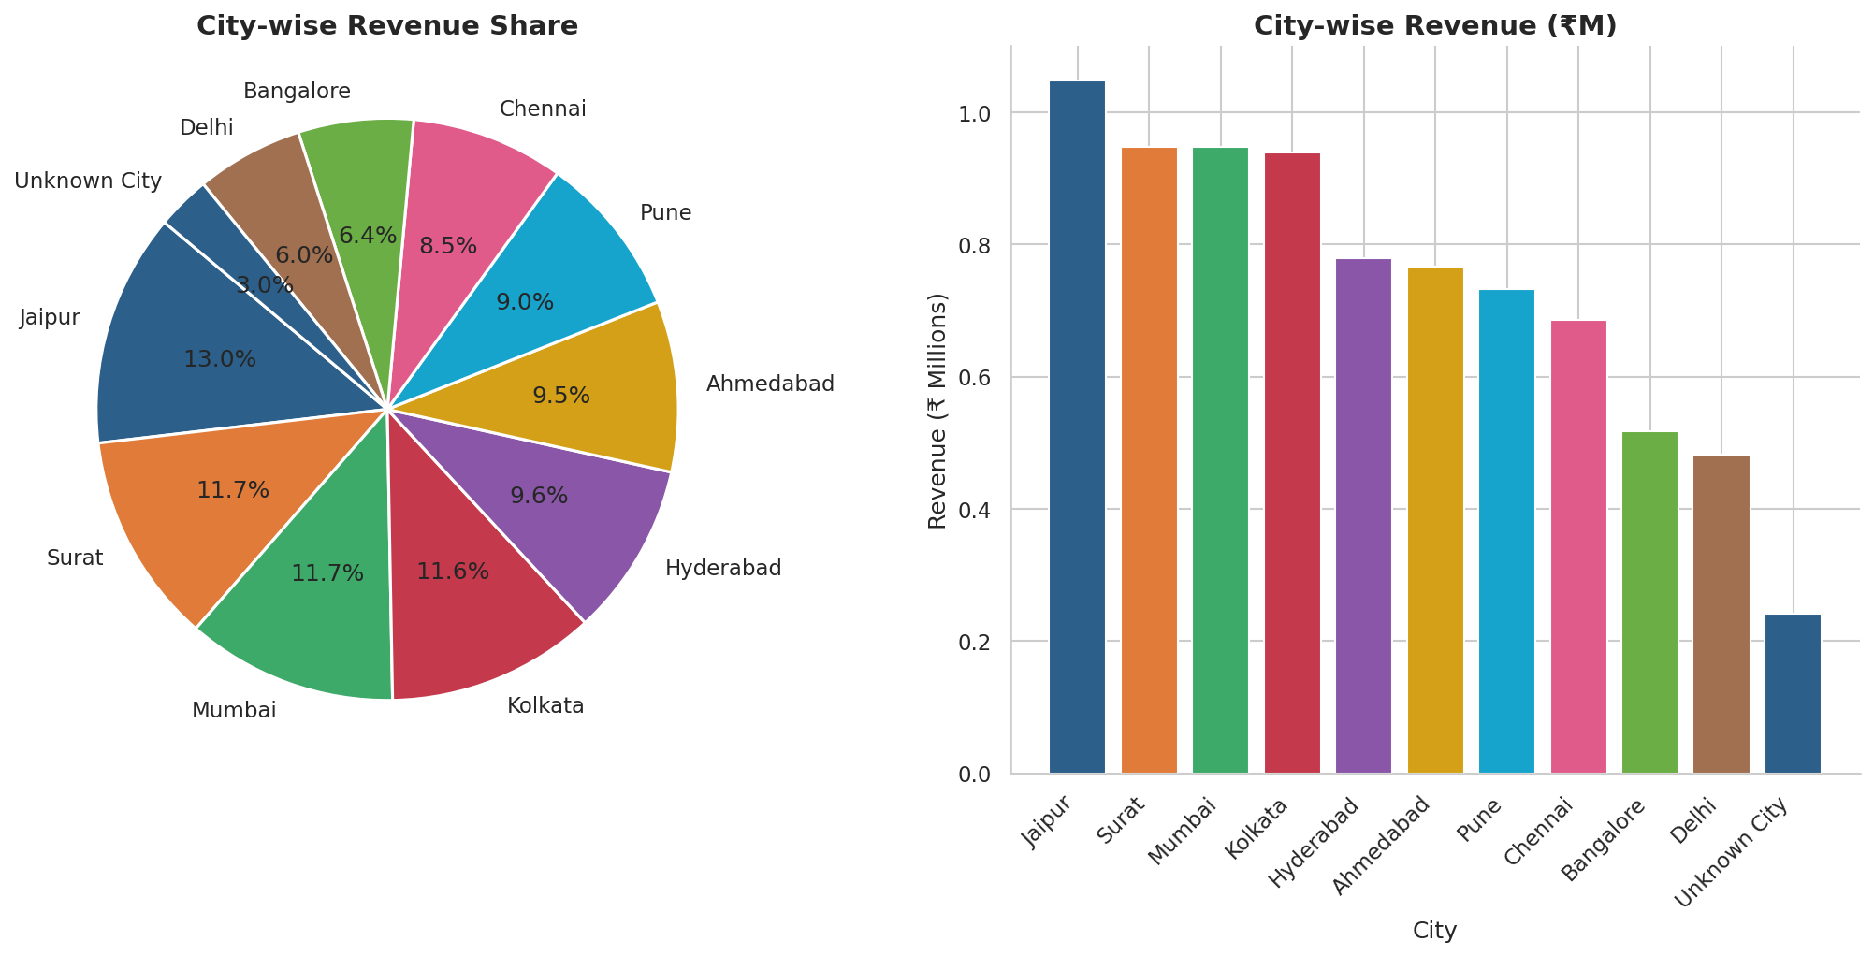
Automated Visualisations — Sales Analysis Dashboard

Sales by Category | Top 10 Products
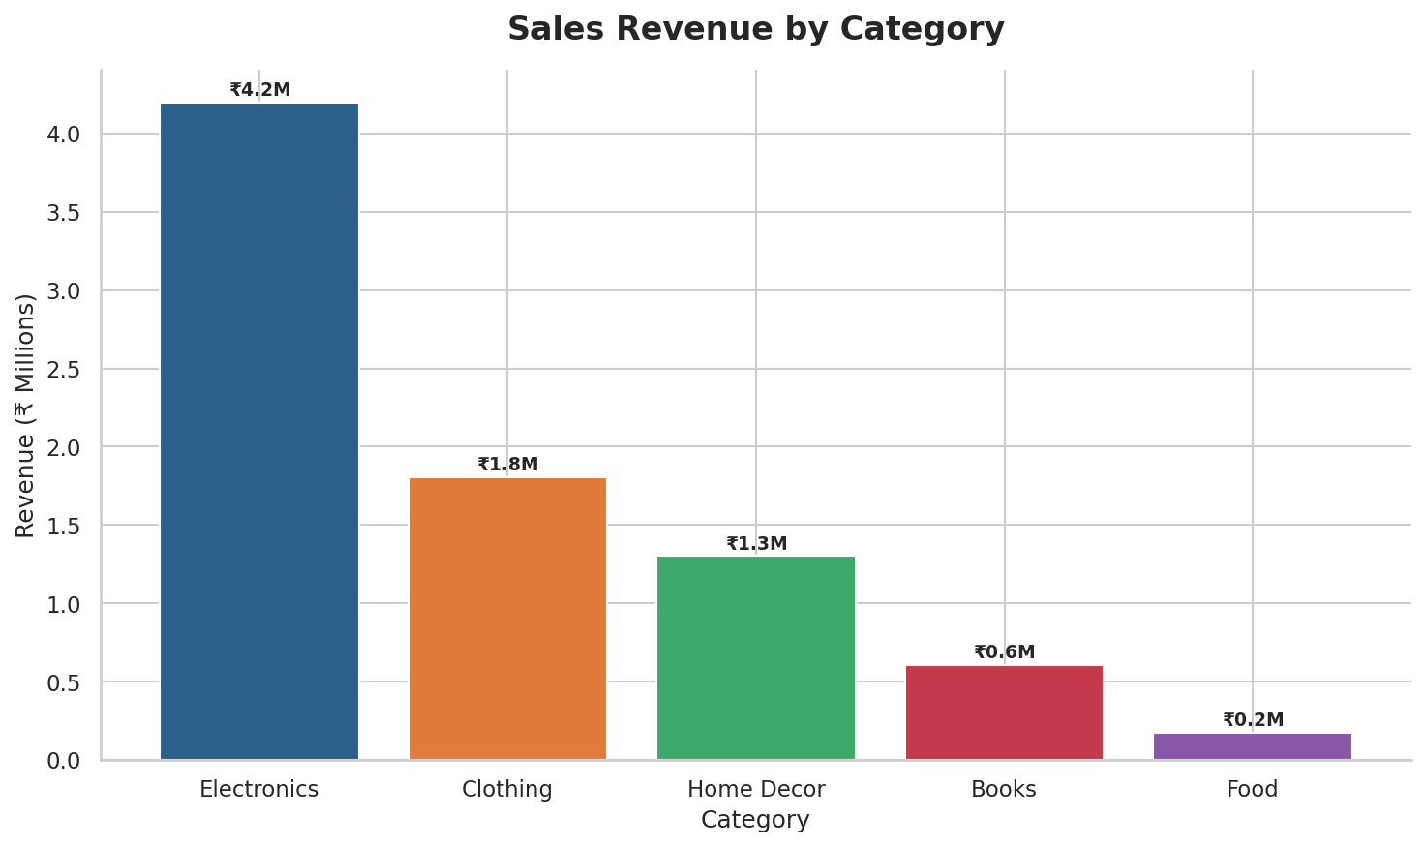
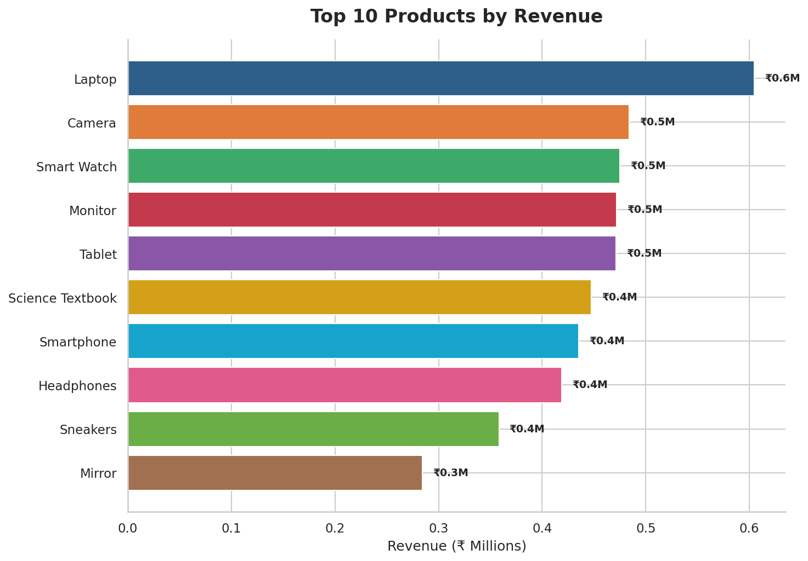

Monthly Sales Trend | City-wise Distribution

