Tools
What is Selenium?
•Open source automation tool for web based applications
•Embeds test automation engine in your browser
•Selenium operations are highly flexible, allowing many options for locating UI elements and comparing expected test results against actual application behavior
•Supports cross browser testing. The selenium tests can be run on multiple browsers.

Selenium Web Driver- Most important component in the selenium suite, used for creating test scripts, it is a programmatic interface

What Is Robot Framework ?
•Robot framework is a generic test automation framework
•It utilizes the keyword-driven testing approach
•Its testing capabilities can be extended by test libraries
•Users can create new higher-level keywords from existing ones using the same syntax
•It is operating system and application independent. The core framework is implemented using python
•Robot framework itself is open source

Tools
•Rebot - Tool for generating logs and reports based on XML outputs and for combining multiple outputs together.
•Editors - RIDE, Sublime plugin, Notepad++

Clear Reports
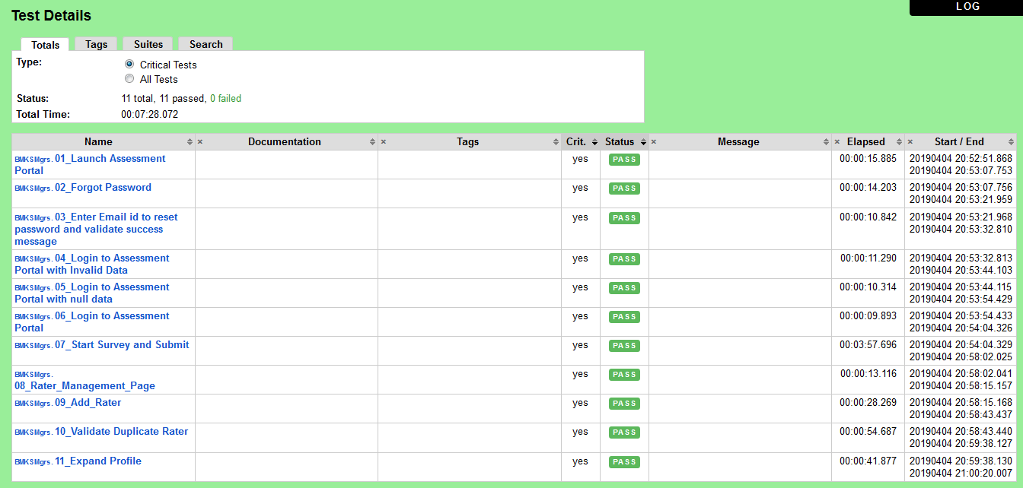
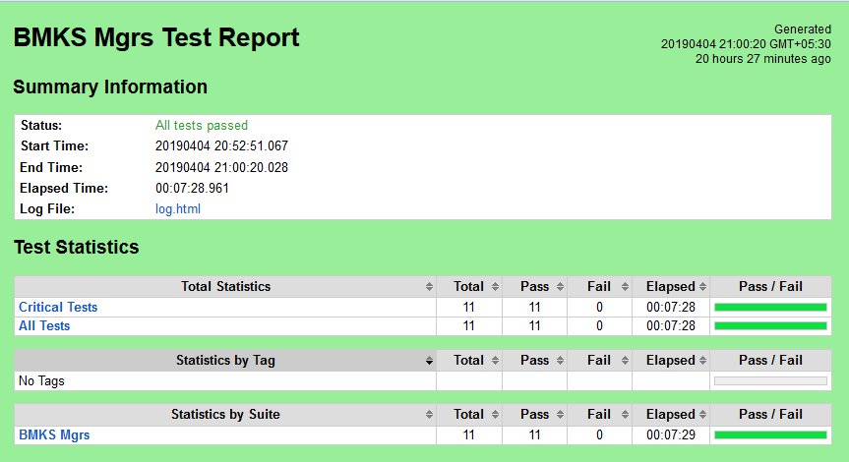

Detailed logs

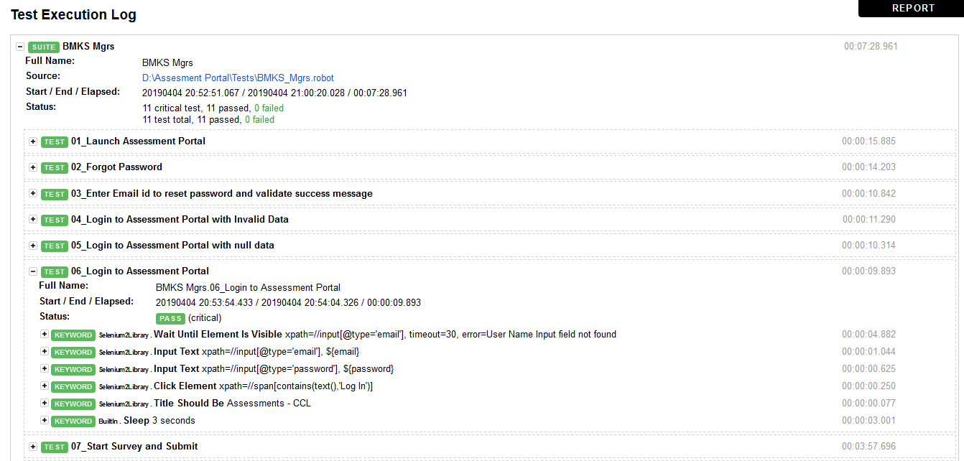

Advantages of Selenium
•Open source, free software
•Easy installation
•Compatibility - Multiple operating system (Windows, Linux, Mac), Cross browser testing, No dedicated machine required for test execution, Time saving

