Sheet2
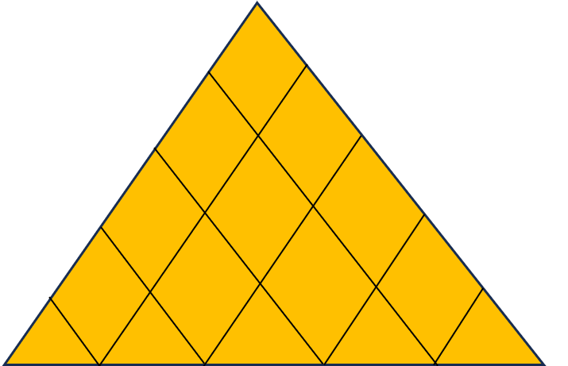
⊕
+
+
Complete House of Quality for Gaming consoles
 |  |  |  |  |  |  |  |  |  |  |  |  |  | Meaning of symbols
 |  |  |  |  |  |  |  |  |  |  |  |  |  | ⊕ | Strong Positive
 |  |  |  |  |  |  |  |  |  |  |  |  |  | + | Medium Positive
 |  |  |  |  |  |  |  |  |  |  |  |  |  | - | Medium Negative
⊕
-
+
⊖
 |  |  |  |  |  |  |  |  |  |  |  |  |  | ⊖ | Strong Negative
 |  |  |  |  |  |  |  |  |  |  |  |  |  | N | Nintendo Switch
Importance
 |  |  |  |  |  |  |  |  |  |  |  |  |  | P | Playstation 5
 |  |  |  | Processor | RAM | Storage(ROM) | Weight of console | Latency of controller |  |  |  |  |  | X | Xbox X
 |  |  |  |  |  |  |  |  |  |  |  |  |  | C | Our company

 |  |  |  |  |  |  |  |  | Competitive assessment
 |  | Customer Requirements |  |  |  |  |  |  | 1 | 2 | 3 | 4 | 5
 |  | Has good gaming library | 9 | - |  | ⊕ |  | ⊖ |  |  | C | XP | N
 |  | has good graphics | 7 | ⊕ | ⊕ | ⊕ | - | ⊕ |  |  | N | C X | P
 |  | compatible with online multiplayer games | 4 |  | ⊕ |  | ⊖ |  |  |  |  | C N | PX
 |  | should be affordable | 8 | ⊕ | + | + |  | + |  |  | P | X | C N
 |  | is portable | 6 |  | ⊖ |  | ⊕ |  | X | P |  |  | CN
 | Objective measures | units of measure |  | GHz | GB | GB | kg | msec
 |  | Playstation 5 |  | 3.5 | 16 | 825 | 4.5 | 11.5
 |  | Nintendo Switch |  | 2 | 4 | 64 | 0.42 | 100
 |  | Xbox series x |  | 3.8 | 16 | 1000 | 4.45 | 11
 |  | Our Gaming Console |  | 3 | 16 | 512 | 0.64 | 65.2
 | Estimated impact |  |  | 4 | 3 | 3 | 5 | 2
 | Estimated Cost |  |  | 5 | 4 | 3 | 3 | 2
 | Targets |  |  | 3.5 | 16 | 1000 | 0.64 | 37.1
 | Design Changes |  |  | * |  | * |  | *

