Fig3 reference
 | 1-way |  | 4-way |  | 4way/1way
d=sqrtN | Conv time | Packets exchanged | Conv time | Packets exchanged
3 | 445.24 | 59.05 | 603.05 | 68.15 | 1.35 | 1.15
4 | 590.86 | 145.29 | 692.89 | 163.57 | 1.17 | 1.13
5 | 779.63 | 307.13 | 809.92 | 298.82 | 1.04 | 0.97
8 | 1301.5 | 1379.14 | 1242.57 | 1193.35 | 0.95 | 0.87
10 | 1617.3 | 2734.29 | 1521.75 | 2336.78 | 0.94 | 0.85
12 | 2157.11 | 5374.89 | 2010.63 | 4521.27 | 0.93 | 0.84
15 | 2592.98 | 10248.56 | 2581.89 | 8937.97 | 1.00 | 0.87
18 | 3058.17 | 17681.59 | 3367.1041667 | 16526.84375 | 1.10 | 0.93 | 169.89833333
20 | 3516.23 | 25378.91 | 3649.0352941 | 21944.952941 | 1.04 | 0.86 | 175.8115

Fig6 reference
 | Default |  | Smart exchange
d=sqrtN | Conv time | Packets exchanged | Conv time | Packets exchanged
3 | 445.24 | 59.05 | 230.46 | 64.41
4 | 590.86 | 145.29 | 273.39 | 145.11
5 | 779.63 | 307.13 | 342.17 | 299.59
8 | 1301.5 | 1379.14 | 572 | 1312.64
10 | 1617.3 | 2734.29 | 713.46 | 2512.16
12 | 2157.11 | 5374.89 | 900.46 | 4337.21
15 | 2592.98 | 10248.56 | 1195.45 | 8300.87
18 | 3058.17 | 17681.59 | 1567.79 | 13989.07
20 | 3516.23 | 25378.91 | 1796.29 | 18498.1

Fig7 reference
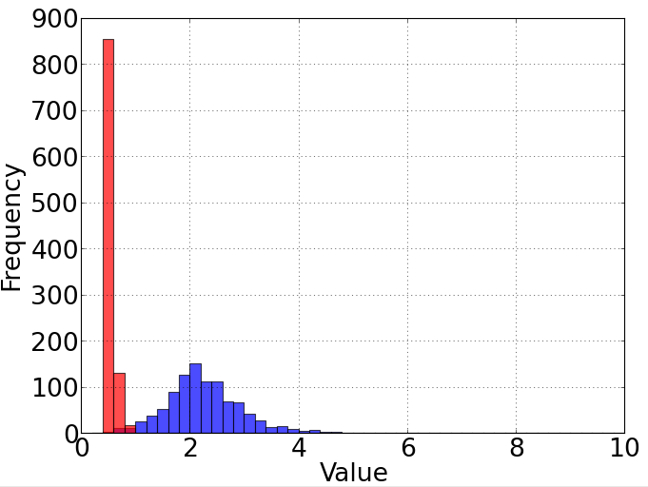
N=10x10
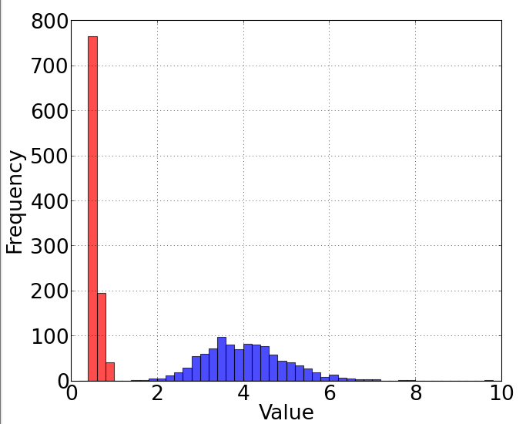
N=20x20

w/o rand
μ= 2.23
σ= 0.73
max=6.55
w. rand
μ= 0.56
σ= 0.06
max=0.99
w/o rand
μ= 4.08
σ= 1.00
max=11.55
w. rand
μ= 0.59
σ= 0.08
max=0.99

Fig8 reference
N |  |  |  |  |  |  |  |  |  | Conv time
Num acc -> | 1 | 2 | 3 | 4 | 5 | 6 | 7 | 8 | 9 | 10 | 11 | 12 | 13 | 14 | 15 | 16 | 17 | 18 | 19 | 20 |  | 2 | 11.88 | 17.88 | 0.98 | 2 | 0 | 5.04
2 | 277.91 | 445.56 | 405.89 | 473.44 |  |  |  |  |  |  |  |  |  |  |  |  |  |  |  |  |  |  | 9.26 | 25.96 | 2.8 | 5 | 0 | 5.1977777778
3 | 202.9 | 329.94 | 367.15 | 383.19 | 389.12 | 386.42 | 382.9 | 408.26 | 406.28 |  |  |  |  |  |  |  |  |  |  |  |  |  | 11.2 | 56.72 | 3.26 | 7 | 0 | 5.41125
4 | 237.29 | 402.85 | 455.72 | 466.08 | 484.34 | 482.1 | 493.5 | 539.97 | 537.49 | 527.58 | 509.21 | 527.97 | 529.32 | 536.73 | 535.15 | 528.13 |  |  |  |  |  | 5 | 12.26 | 98.97 | 3.77 | 7 | 0 | 5.5032
5 | 269.08 | 474.87 | 527.76 | 561.77 | 590.13 | 593.35 | 629.22 | 636.6 | 639.48 | 650.91 | 675.52 | 674.68 | 696.01 | 672.13 | 699.52 | 687.09 | 670.74 | 697.91 | 703.39 | 680.6 |  | 8 | 13.93 | 294.54 | 4.62 | 8 | 0 | 5.5625
8 | 311.16 | 684.8 | 801.42 | 896.57 | 961.28 | 959.6 | 1001.2 | 1037.75 | 1086.73 | 1073.95 | 1115.51 | 1103.47 | 1122.5 | 1122.52 | 1140.11 | 1183.27 | 1140.61 | 1175.98 | 1153.77 | 1190.72 |  | 10 | 14.58 | 477.87 | 4.83 | 8 | 0 | 5.566
10 | 321.2 | 854.62 | 985.95 | 1099.04 | 1214.1 | 1195.78 | 1278.99 | 1298.03 | 1305.87 | 1413.63 | 1384.72 | 1460.62 | 1442.25 | 1375.4 | 1473.28 | 1576.9 | 1486.45 | 1493.77 | 1548.22 | 1478.91 |  | 12 | 14.83 | 703.1 | 5.03 | 10 | 0 | 5.5590277778
12 | 321.68 | 981.35 | 1151.9 | 1308.57 | 1495.03 | 1542.58 | 1501.4 | 1580.45 | 1632.56 | 1768.98 | 1640.63 | 1757.09 | 1714.75 | 1712.88 | 1845.57 | 1807.8 | 1699.1 | 1859.65 | 1788.82 | 1759.8 |  | 15 | 15.2 | 1128.98 | 5.37 | 10 | 0 | 5.6361777778
15 | 336.2 | 1110.12 | 1332.7 | 1542.21 | 1738.2 | 1877.21 | 1876.33 | 2023.71 | 2038.73 | 2088.36 | 2072.91 | 2328.37 | 2281.79 | 2268.81 | 2192.7 | 2380.06 | 2219.04 | 2231.83 | 2381.61 | 2321.86 |  | 18 | 15.37 | 1634.02 | 5.74 | 9 | 0 | 5.6377160494
18 | 336.81 | 1298.41 | 1563.36 | 1851.4 | 2183.88 | 2398.29 | 2226.15 | 2430.1 | 2364.33 | 2543.89 | 2369.4 | 2506.54 | 2569.47 | 2644.57 | 2634.17 | 2884.16 | 2767.08 | 2769.59 | 2839.22 | 2756.06 |  | 20 | 15.34 | 1997.21 | 5.72 | 9 | 0 | 5.6235
20 | 334.83 | 1416.5 | 1706.41 | 1897.25 | 2513.11 | 2583.41 | 2248.15 | 2669.07 | 2546.46 | 2806.99 | 2628.39 | 2862.04 | 2868.67 | 2798.67 | 2968.01 | 3123.31 | 2859.05 | 3001.06 | 3183.27 | 3110.19

SoC dimension (√N) ->
 | 2 | 3 | 4 | 5 | 8 | 10 | 12 | 15 | 18 | 20 | Start error
1 | 277.91 | 202.9 | 237.29 | 269.08 | 311.16 | 321.2 | 321.68 | 336.2 | 336.81 | 334.83 | 5.440889289
2 | 445.56 | 329.94 | 402.85 | 474.87 | 684.8 | 854.62 | 981.35 | 1110.12 | 1298.41 | 1416.5 | 16.722594779
3 | 405.89 | 367.15 | 455.72 | 527.76 | 801.42 | 985.95 | 1151.9 | 1332.7 | 1563.36 | 1706.41 | 18.432970183
4 | 473.44 | 383.19 | 466.08 | 561.77 | 896.57 | 1099.04 | 1308.57 | 1542.21 | 1851.4 | 1897.25 | 20.320920261
5 |  | 389.12 | 484.34 | 590.13 | 961.28 | 1214.1 | 1495.03 | 1738.2 | 2183.88 | 2513.11 | 21.059702199
6 |  | 386.42 | 482.1 | 593.35 | 959.6 | 1195.78 | 1542.58 | 1877.21 | 2398.29 | 2583.41 | 21.689057693
7 |  | 382.9 | 493.5 | 629.22 | 1001.2 | 1278.99 | 1501.4 | 1876.33 | 2226.15 | 2248.15 | 22.223852286
8 |  | 408.26 | 539.97 | 636.6 | 1037.75 | 1298.03 | 1580.45 | 2023.71 | 2430.1 | 2669.07 | 22.628112144
9 |  | 406.28 | 537.49 | 639.48 | 1086.73 | 1305.87 | 1632.56 | 2038.73 | 2364.33 | 2546.46 | 22.82651406
10 |  |  | 527.58 | 650.91 | 1073.95 | 1413.63 | 1768.98 | 2088.36 | 2543.89 | 2806.99 | 23.153291465
11 |  |  | 509.21 | 675.52 | 1115.51 | 1384.72 | 1640.63 | 2072.91 | 2369.4 | 2628.39 | 23.319274716
12 |  |  | 527.97 | 674.68 | 1103.47 | 1460.62 | 1757.09 | 2328.37 | 2506.54 | 2862.04 | 23.544970718
13 |  |  | 529.32 | 696.01 | 1122.5 | 1442.25 | 1714.75 | 2281.79 | 2569.47 | 2868.67 | 23.620173154
14 |  |  | 536.73 | 672.13 | 1122.52 | 1375.4 | 1712.88 | 2268.81 | 2644.57 | 2798.67 | 23.818863321
15 |  |  | 535.15 | 699.52 | 1140.11 | 1473.28 | 1845.57 | 2192.7 | 2634.17 | 2968.01 | 23.921293425
16 |  |  | 528.13 | 687.09 | 1183.27 | 1576.9 | 1807.8 | 2380.06 | 2884.16 | 3123.31 | 23.954712959
17 |  |  |  | 670.74 | 1140.61 | 1486.45 | 1699.1 | 2219.04 | 2767.08 | 2859.05 | 24.092979849
18 |  |  |  | 697.91 | 1175.98 | 1493.77 | 1859.65 | 2231.83 | 2769.59 | 3001.06 | 24.161468346
19 |  |  |  | 703.39 | 1153.77 | 1548.22 | 1788.82 | 2381.61 | 2839.22 | 3183.27 | 24.25013769
20 |  |  |  | 680.6 | 1190.72 | 1478.91 | 1759.8 | 2321.86 | 2756.06 | 3110.19 | 24.282230324

 | Start Err
2 | 5.01 | 17.52 | 17.68373016 | 20.815
3 | 4.81777778 | 16.60437118 | 18.37333333 | 20.30821444 | 20.30785249 | 21.26571835 | 21.76646883 | 22.45533114 | 22.94666667
4 | 5.30125 | 16.38541667 | 18.51664101 | 20.115 | 21.28551889 | 21.4089783 | 22.35415912 | 22.79930556 | 22.17933057 | 22.92160858 | 22.5529899 | 23.36245486 | 23.5139861 | 23.83233845 | 24.0900558 | 23.75220588
5 | 5.6272 | 16.76534964 | 18.56557311 | 20.26910422 | 21.1224 | 21.82202541 | 22.20055643 | 22.55873985 | 22.69765728 | 23.14232754 | 23.71210639 | 23.70783986 | 23.29027918 | 23.80399342 | 23.8449242 | 23.92663026 | 23.97607518 | 23.95244028 | 24.13704015 | 24.00216605
8 | 5.660625 | 16.561875 | 18.42944479 | 20.3925 | 20.98938289 | 21.64835818 | 22.30017055 | 22.66229167 | 22.91717215 | 23.09075202 | 23.43975975 | 23.47966451 | 23.73740021 | 23.81129939 | 23.99991074 | 23.93977941 | 24.12429528 | 24.27320315 | 24.29656748 | 24.28444577
10 | 5.5798 | 16.65466667 | 18.57411212 | 20.2484 | 21.25006667 | 21.79098128 | 22.17729491 | 22.5586252 | 22.98542793 | 23.24469091 | 23.40200149 | 23.57315082 | 23.60892522 | 23.82827473 | 23.69398431 | 24.1162974 | 24.07561669 | 24.20368859 | 24.20043435 | 24.38917143
12 | 5.53194444 | 16.69481481 | 18.57375 | 20.26694444 | 21.18387016 | 21.77670635 | 22.27329993 | 22.70483025 | 22.94347222 | 23.19735002 | 23.35174872 | 23.6033547 | 23.73601181 | 23.85956204 | 23.99861604 | 23.94574346 | 24.07593622 | 24.24315789 | 24.31163369 | 24.28567842
15 | 5.60044444 | 16.68832398 | 18.55671111 | 20.25938395 | 21.11534815 | 21.79955977 | 22.35328891 | 22.6030832 | 22.93484444 | 23.19904667 | 23.35292699 | 23.53611963 | 23.67297956 | 23.8098262 | 23.93435556 | 23.92551196 | 24.13565674 | 24.18627598 | 24.40923074 | 24.36468549
18 | 5.63290123 | 16.65927984 | 18.575 | 20.27055556 | 21.18516387 | 21.81772487 | 22.29725804 | 22.6201191 | 22.8991358 | 23.17345143 | 23.37941433 | 23.51492877 | 23.70104671 | 23.80316998 | 23.91091806 | 24.02780589 | 24.14038555 | 24.15111111 | 24.18626637 | 24.32542701
20 | 5.64695 | 16.69185 | 18.4814062 | 20.2641 | 21.09771667 | 21.87146673 | 22.29217385 | 22.69068333 | 22.93491948 | 23.25710455 | 23.36325016 | 23.58225259 | 23.70075644 | 23.80244236 | 23.89758269 | 24.00372941 | 24.12289328 | 24.12040142 | 24.20979105 | 24.3240381
Avg | 5.440889289 | 16.722594779 | 18.432970183 | 20.320920261 | 21.059702199 | 21.689057693 | 22.223852286 | 22.628112144 | 22.82651406 | 23.153291465 | 23.319274716 | 23.544970718 | 23.620173154 | 23.818863321 | 23.921293425 | 23.954712959 | 24.092979849 | 24.161468346 | 24.25013769 | 24.282230324 | #DIV/0! | #DIV/0! | #DIV/0! | #DIV/0! | #DIV/0! | #DIV/0! | #DIV/0! | #DIV/0! | #DIV/0! | #DIV/0! | #DIV/0! | #DIV/0!

 |  |  |  |  |  |  |  |  |  |  |  |  |  |  |  | 277.91 | 445.56 | 405.89 | 473.44 | 0 | 0 | 0 | 0 | 0 | 0 | 0 | 0 | 0 | 0 | 0 | 0 | 0 | 0 | 0 | 0
 |  |  |  |  |  |  |  |  |  |  |  |  |  |  |  | 202.9 | 329.94 | 367.15 | 383.19 | 389.12 | 386.42 | 382.9 | 408.26 | 406.28 | 0 | 0 | 0 | 0 | 0 | 0 | 0 | 0 | 0 | 0 | 0
 |  |  |  |  |  |  |  |  |  |  |  |  |  |  |  | 237.29 | 402.85 | 455.72 | 466.08 | 484.34 | 482.1 | 493.5 | 539.97 | 537.49 | 527.58 | 509.21 | 527.97 | 529.32 | 536.73 | 535.15 | 528.13 | 0 | 0 | 0 | 0
 |  |  |  |  |  |  |  |  |  |  |  |  |  |  |  | 269.08 | 474.87 | 527.76 | 561.77 | 590.13 | 593.35 | 629.22 | 636.6 | 639.48 | 650.91 | 675.52 | 674.68 | 696.01 | 672.13 | 699.52 | 687.09 | 670.74 | 697.91 | 703.39 | 680.6
 |  |  |  |  |  |  |  |  |  |  |  |  |  |  |  | 311.16 | 684.8 | 801.42 | 896.57 | 961.28 | 959.6 | 1001.2 | 1037.75 | 1086.73 | 1073.95 | 1115.51 | 1103.47 | 1122.5 | 1122.52 | 1140.11 | 1183.27 | 1140.61 | 1175.98 | 1153.77 | 1190.72
 |  |  |  |  |  |  |  |  |  |  |  |  |  |  |  | 321.2 | 854.62 | 985.95 | 1099.04 | 1214.1 | 1195.78 | 1278.99 | 1298.03 | 1305.87 | 1413.63 | 1384.72 | 1460.62 | 1442.25 | 1375.4 | 1473.28 | 1576.9 | 1486.45 | 1493.77 | 1548.22 | 1478.91
 |  |  |  |  |  |  |  |  |  |  |  |  |  |  |  | 321.68 | 981.35 | 1151.9 | 1308.57 | 1495.03 | 1542.58 | 1501.4 | 1580.45 | 1632.56 | 1768.98 | 1640.63 | 1757.09 | 1714.75 | 1712.88 | 1845.57 | 1807.8 | 1699.1 | 1859.65 | 1788.82 | 1759.8
 |  |  |  |  |  |  |  |  |  |  |  |  |  |  |  | 336.2 | 1110.12 | 1332.7 | 1542.21 | 1738.2 | 1877.21 | 1876.33 | 2023.71 | 2038.73 | 2088.36 | 2072.91 | 2328.37 | 2281.79 | 2268.81 | 2192.7 | 2380.06 | 2219.04 | 2231.83 | 2381.61 | 2321.86
 |  |  |  |  |  |  |  |  |  |  |  |  |  |  |  | 336.81 | 1298.41 | 1563.36 | 1851.4 | 2183.88 | 2398.29 | 2226.15 | 2430.1 | 2364.33 | 2543.89 | 2369.4 | 2506.54 | 2569.47 | 2644.57 | 2634.17 | 2884.16 | 2767.08 | 2769.59 | 2839.22 | 2756.06
 |  |  |  |  |  |  |  |  |  |  |  |  |  |  |  | 334.83 | 1416.5 | 1706.41 | 1897.25 | 2513.11 | 2583.41 | 2248.15 | 2669.07 | 2546.46 | 2806.99 | 2628.39 | 2862.04 | 2868.67 | 2798.67 | 2968.01 | 3123.31 | 2859.05 | 3001.06 | 3183.27 | 3110.19

sqrt(N) ->
 | 2 | 4 | 8 | 10 | 15 | 20 | Start error
1 | 277.91 | 237.29 | 311.16 | 321.2 | 336.2 | 334.83 | 5.440889289
2 | 445.56 | 402.85 | 684.8 | 854.62 | 1110.12 | 1416.5 | 16.722594779
3 | 405.89 | 455.72 | 801.42 | 985.95 | 1332.7 | 1706.41 | 18.432970183
4 | 473.44 | 466.08 | 896.57 | 1099.04 | 1542.21 | 1897.25 | 20.320920261
5 |  | 484.34 | 961.28 | 1214.1 | 1738.2 | 2513.11 | 21.059702199
6 |  | 482.1 | 959.6 | 1195.78 | 1877.21 | 2583.41 | 21.689057693
7 |  | 493.5 | 1001.2 | 1278.99 | 1876.33 | 2248.15 | 22.223852286
8 |  | 539.97 | 1037.75 | 1298.03 | 2023.71 | 2669.07 | 22.628112144
9 |  | 537.49 | 1086.73 | 1305.87 | 2038.73 | 2546.46 | 22.82651406
10 |  | 527.58 | 1073.95 | 1413.63 | 2088.36 | 2806.99 | 23.153291465
11 |  | 509.21 | 1115.51 | 1384.72 | 2072.91 | 2628.39 | 23.319274716
12 |  | 527.97 | 1103.47 | 1460.62 | 2328.37 | 2862.04 | 23.544970718
13 |  | 529.32 | 1122.5 | 1442.25 | 2281.79 | 2868.67 | 23.620173154
14 |  | 536.73 | 1122.52 | 1375.4 | 2268.81 | 2798.67 | 23.818863321
15 |  | 535.15 | 1140.11 | 1473.28 | 2192.7 | 2968.01 | 23.921293425
16 |  | 528.13 | 1183.27 | 1576.9 | 2380.06 | 3123.31 | 23.954712959
17 |  |  | 1140.61 | 1486.45 | 2219.04 | 2859.05 | 24.092979849
18 |  |  | 1175.98 | 1493.77 | 2231.83 | 3001.06 | 24.161468346
19 |  |  | 1153.77 | 1548.22 | 2381.61 | 3183.27 | 24.25013769
20 |  |  | 1190.72 | 1478.91 | 2321.86 | 3110.19 | 24.282230324

