Range
Year | Quarter | Region | Category | Product | Amount | Year | Quarter | Region | Category | Product | Amount | Year | Quarter | Region | Category | Product | Amount | Year | Quarter | Region | Category | Product | Amount | Year | Quarter | Region | Category | Product | Amount | Year | Quarter | Region | Category | Product | Amount
2010 | Q1 | North | Bicycles | B100 | $3,448.00 | 2010 | Q1 | North | Bicycles | B100 | $3,448.00 | 2010 | Q1 | North | Bicycles | B100 | $3,448.00 | 2010 | Q1 | North | Bicycles | B100 | $3,448.00 | 2010 | Q1 | North | Bicycles | B100 | $3,448.00 | 2010 | Q1 | North | Bicycles | B100 | $3,448.00
Year | Quarter | Region | Category | Product | Amount | Year | Quarter | Region | Category | Product | Amount | Year | Quarter | Region | Category | Product | Amount | Year | Quarter | Region | Category | Product | Amount | Year | Quarter | Region | Category | Product | Amount | Year | Quarter | Region | Category | Product | Amount
2010 | Q1 | North | Bicycles | B100 | $3,448.00 | 2010 | Q1 | North | Bicycles | B100 | $3,448.00 | 2010 | Q1 | North | Bicycles | B100 | $3,448.00 | 2010 | Q1 | North | Bicycles | B100 | $3,448.00 | 2010 | Q1 | North | Bicycles | B100 | $3,448.00 | 2010 | Q1 | North | Bicycles | B100 | $3,448.00
Year | Quarter | Region | Category | Product | Amount | Year | Quarter | Region | Category | Product | Amount | Year | Quarter | Region | Category | Product | Amount | Year | Quarter | Region | Category | Product | Amount | Year | Quarter | Region | Category | Product | Amount | Year | Quarter | Region | Category | Product | Amount
2010 | Q1 | North | Bicycles | B100 | $3,448.00 | 2010 | Q1 | North | Bicycles | B100 | $3,448.00 | 2010 | Q1 | North | Bicycles | B100 | $3,448.00 | 2010 | Q1 | North | Bicycles | B100 | $3,448.00 | 2010 | Q1 | North | Bicycles | B100 | $3,448.00 | 2010 | Q1 | North | Bicycles | B100 | $3,448.00
Year | Quarter | Region | Category | Product | Amount | Year | Quarter | Region | Category | Product | Amount | Year | Quarter | Region | Category | Product | Amount | Year | Quarter | Region | Category | Product | Amount | Year | Quarter | Region | Category | Product | Amount | Year | Quarter | Region | Category | Product | Amount
2010 | Q1 | North | Bicycles | B100 | $3,448.00 | 2010 | Q1 | North | Bicycles | B100 | $3,448.00 | 2010 | Q1 | North | Bicycles | B100 | $3,448.00 | 2010 | Q1 | North | Bicycles | B100 | $3,448.00 | 2010 | Q1 | North | Bicycles | B100 | $3,448.00 | 2010 | Q1 | North | Bicycles | B100 | $3,448.00
Year | Quarter | Region | Category | Product | Amount | Year | Quarter | Region | Category | Product | Amount | Year | Quarter | Region | Category | Product | Amount | Year | Quarter | Region | Category | Product | Amount | Year | Quarter | Region | Category | Product | Amount | Year | Quarter | Region | Category | Product | Amount
2010 | Q1 | North | Bicycles | B100 | $3,448.00 | 2010 | Q1 | North | Bicycles | B100 | $3,448.00 | 2010 | Q1 | North | Bicycles | B100 | $3,448.00 | 2010 | Q1 | North | Bicycles | B100 | $3,448.00 | 2010 | Q1 | North | Bicycles | B100 | $3,448.00 | 2010 | Q1 | North | Bicycles | B100 | $3,448.00 | Year | Quarter | Region | Category | Product | Amount | Year | Quarter | Region | Category | Product | Amount | Year | Quarter | Region | Category | Product | Amount
Year | Quarter | Region | Category | Product | Amount | Year | Quarter | Region | Category | Product | Amount | Year | Quarter | Region | Category | Product | Amount | Year | Quarter | Region | Category | Product | Amount | Year | Quarter | Region | Category | Product | Amount | Year | Quarter | Region | Category | Product | Amount | 2010 | Q1 | North | Bicycles | B100 | $3,448.00 | 2010 | Q1 | North | Bicycles | B100 | $3,448.00 | 2010 | Q1 | North | Bicycles | B100 | $3,448.00
2010 | Q1 | North | Bicycles | B100 | $3,448.00 | 2010 | Q1 | North | Bicycles | B100 | $3,448.00 | 2010 | Q1 | North | Bicycles | B100 | $3,448.00 | 2010 | Q1 | North | Bicycles | B100 | $3,448.00 | 2010 | Q1 | North | Bicycles | B100 | $3,448.00 | 2010 | Q1 | North | Bicycles | B100 | $3,448.00 | Year | Quarter | Region | Category | Product | Amount | Year | Quarter | Region | Category | Product | Amount | Year | Quarter | Region | Category | Product | Amount
Year | Quarter | Region | Category | Product | Amount | Year | Quarter | Region | Category | Product | Amount | Year | Quarter | Region | Category | Product | Amount | Year | Quarter | Region | Category | Product | Amount | Year | Quarter | Region | Category | Product | Amount | Year | Quarter | Region | Category | Product | Amount | 2010 | Q1 | North | Bicycles | B100 | $3,448.00 | 2010 | Q1 | North | Bicycles | B100 | $3,448.00 | 2010 | Q1 | North | Bicycles | B100 | $3,448.00
2010 | Q1 | North | Bicycles | B100 | $3,448.00 | 2010 | Q1 | North | Bicycles | B100 | $3,448.00 | 2010 | Q1 | North | Bicycles | B100 | $3,448.00 | 2010 | Q1 | North | Bicycles | B100 | $3,448.00 | 2010 | Q1 | North | Bicycles | B100 | $3,448.00 | 2010 | Q1 | North | Bicycles | B100 | $3,448.00 | Year | Quarter | Region | Category | Product | Amount | Year | Quarter | Region | Category | Product | Amount | Year | Quarter | Region | Category | Product | Amount
Year | Quarter | Region | Category | Product | Amount | Year | Quarter | Region | Category | Product | Amount | Year | Quarter | Region | Category | Product | Amount | Year | Quarter | Region | Category | Product | Amount | Year | Quarter | Region | Category | Product | Amount | Year | Quarter | Region | Category | Product | Amount | 2010 | Q1 | North | Bicycles | B100 | $3,448.00 | 2010 | Q1 | North | Bicycles | B100 | $3,448.00 | 2010 | Q1 | North | Bicycles | B100 | $3,448.00
2010 | Q1 | North | Bicycles | B100 | $3,448.00 | 2010 | Q1 | North | Bicycles | B100 | $3,448.00 | 2010 | Q1 | North | Bicycles | B100 | $3,448.00 | 2010 | Q1 | North | Bicycles | B100 | $3,448.00 | 2010 | Q1 | North | Bicycles | B100 | $3,448.00 | 2010 | Q1 | North | Bicycles | B100 | $3,448.00 | Year | Quarter | Region | Category | Product | Amount | Year | Quarter | Region | Category | Product | Amount | Year | Quarter | Region | Category | Product | Amount
Year | Quarter | Region | Category | Product | Amount | Year | Quarter | Region | Category | Product | Amount | Year | Quarter | Region | Category | Product | Amount | Year | Quarter | Region | Category | Product | Amount | Year | Quarter | Region | Category | Product | Amount | Year | Quarter | Region | Category | Product | Amount | 2010 | Q1 | North | Bicycles | B100 | $3,448.00 | 2010 | Q1 | North | Bicycles | B100 | $3,448.00 | 2010 | Q1 | North | Bicycles | B100 | $3,448.00
2010 | Q1 | North | Bicycles | B100 | $3,448.00 | 2010 | Q1 | North | Bicycles | B100 | $3,448.00 | 2010 | Q1 | North | Bicycles | B100 | $3,448.00 | 2010 | Q1 | North | Bicycles | B100 | $3,448.00 | 2010 | Q1 | North | Bicycles | B100 | $3,448.00 | 2010 | Q1 | North | Bicycles | B100 | $3,448.00 | Year | Quarter | Region | Category | Product | Amount | Year | Quarter | Region | Category | Product | Amount | Year | Quarter | Region | Category | Product | Amount
Year | Quarter | Region | Category | Product | Amount | Year | Quarter | Region | Category | Product | Amount | Year | Quarter | Region | Category | Product | Amount | Year | Quarter | Region | Category | Product | Amount | Year | Quarter | Region | Category | Product | Amount | Year | Quarter | Region | Category | Product | Amount | 2010 | Q1 | North | Bicycles | B100 | $3,448.00 | 2010 | Q1 | North | Bicycles | B100 | $3,448.00 | 2010 | Q1 | North | Bicycles | B100 | $3,448.00
2010 | Q1 | North | Bicycles | B100 | $3,448.00 | 2010 | Q1 | North | Bicycles | B100 | $3,448.00 | 2010 | Q1 | North | Bicycles | B100 | $3,448.00 | 2010 | Q1 | North | Bicycles | B100 | $3,448.00 | 2010 | Q1 | North | Bicycles | B100 | $3,448.00 | 2010 | Q1 | North | Bicycles | B100 | $3,448.00 | Year | Quarter | Region | Category | Product | Amount | Year | Quarter | Region | Category | Product | Amount | Year | Quarter | Region | Category | Product | Amount
Year | Quarter | Region | Category | Product | Amount | Year | Quarter | Region | Category | Product | Amount | Year | Quarter | Region | Category | Product | Amount | Year | Quarter | Region | Category | Product | Amount | Year | Quarter | Region | Category | Product | Amount | Year | Quarter | Region | Category | Product | Amount | 2010 | Q1 | North | Bicycles | B100 | $3,448.00 | 2010 | Q1 | North | Bicycles | B100 | $3,448.00 | 2010 | Q1 | North | Bicycles | B100 | $3,448.00
2010 | Q1 | North | Bicycles | B100 | $3,448.00 | 2010 | Q1 | North | Bicycles | B100 | $3,448.00 | 2010 | Q1 | North | Bicycles | B100 | $3,448.00 | 2010 | Q1 | North | Bicycles | B100 | $3,448.00 | 2010 | Q1 | North | Bicycles | B100 | $3,448.00 | 2010 | Q1 | North | Bicycles | B100 | $3,448.00 | Year | Quarter | Region | Category | Product | Amount | Year | Quarter | Region | Category | Product | Amount | Year | Quarter | Region | Category | Product | Amount
Year | Quarter | Region | Category | Product | Amount | Year | Quarter | Region | Category | Product | Amount | Year | Quarter | Region | Category | Product | Amount | Year | Quarter | Region | Category | Product | Amount | Year | Quarter | Region | Category | Product | Amount | Year | Quarter | Region | Category | Product | Amount | 2010 | Q1 | North | Bicycles | B100 | $3,448.00 | 2010 | Q1 | North | Bicycles | B100 | $3,448.00 | 2010 | Q1 | North | Bicycles | B100 | $3,448.00
2010 | Q1 | North | Bicycles | B100 | $3,448.00 | 2010 | Q1 | North | Bicycles | B100 | $3,448.00 | 2010 | Q1 | North | Bicycles | B100 | $3,448.00 | 2010 | Q1 | North | Bicycles | B100 | $3,448.00 | 2010 | Q1 | North | Bicycles | B100 | $3,448.00 | 2010 | Q1 | North | Bicycles | B100 | $3,448.00 | Year | Quarter | Region | Category | Product | Amount | Year | Quarter | Region | Category | Product | Amount | Year | Quarter | Region | Category | Product | Amount
Year | Quarter | Region | Category | Product | Amount | Year | Quarter | Region | Category | Product | Amount | Year | Quarter | Region | Category | Product | Amount |  |  |  |  |  |  |  |  |  |  |  |  |  |  |  |  |  |  | 2010 | Q1 | North | Bicycles | B100 | $3,448.00 | 2010 | Q1 | North | Bicycles | B100 | $3,448.00 | 2010 | Q1 | North | Bicycles | B100 | $3,448.00
2010 | Q1 | North | Bicycles | B100 | $3,448.00 | 2010 | Q1 | North | Bicycles | B100 | $3,448.00 | 2010 | Q1 | North | Bicycles | B100 | $3,448.00 |  |  |  |  |  |  |  |  |  |  |  |  |  |  |  |  |  |  | Year | Quarter | Region | Category | Product | Amount | Year | Quarter | Region | Category | Product | Amount | Year | Quarter | Region | Category | Product | Amount
Year | Quarter | Region | Category | Product | Amount | Year | Quarter | Region | Category | Product | Amount | Year | Quarter | Region | Category | Product | Amount |  |  |  |  |  |  |  |  |  |  |  |  |  |  |  |  |  |  | 2010 | Q1 | North | Bicycles | B100 | $3,448.00 | 2010 | Q1 | North | Bicycles | B100 | $3,448.00 | 2010 | Q1 | North | Bicycles | B100 | $3,448.00
2010 | Q1 | North | Bicycles | B100 | $3,448.00 | 2010 | Q1 | North | Bicycles | B100 | $3,448.00 | 2010 | Q1 | North | Bicycles | B100 | $3,448.00 |  |  |  |  |  |  |  |  |  |  |  |  |  |  |  |  |  |  | Year | Quarter | Region | Category | Product | Amount | Year | Quarter | Region | Category | Product | Amount | Year | Quarter | Region | Category | Product | Amount
Year | Quarter | Region | Category | Product | Amount | Year | Quarter | Region | Category | Product | Amount | Year | Quarter | Region | Category | Product | Amount |  |  |  |  |  |  |  |  |  |  |  |  |  |  |  |  |  |  | 2010 | Q1 | North | Bicycles | B100 | $3,448.00 | 2010 | Q1 | North | Bicycles | B100 | $3,448.00 | 2010 | Q1 | North | Bicycles | B100 | $3,448.00
2010 | Q1 | North | Bicycles | B100 | $3,448.00 | 2010 | Q1 | North | Bicycles | B100 | $3,448.00 | 2010 | Q1 | North | Bicycles | B100 | $3,448.00 |  |  |  |  |  |  |  |  |  |  |  |  |  |  |  |  |  |  | Year | Quarter | Region | Category | Product | Amount | Year | Quarter | Region | Category | Product | Amount | Year | Quarter | Region | Category | Product | Amount
Year | Quarter | Region | Category | Product | Amount | Year | Quarter | Region | Category | Product | Amount | Year | Quarter | Region | Category | Product | Amount |  |  |  |  |  |  |  |  |  |  |  |  |  |  |  |  |  |  | 2010 | Q1 | North | Bicycles | B100 | $3,448.00 | 2010 | Q1 | North | Bicycles | B100 | $3,448.00 | 2010 | Q1 | North | Bicycles | B100 | $3,448.00
2010 | Q1 | North | Bicycles | B100 | $3,448.00 | 2010 | Q1 | North | Bicycles | B100 | $3,448.00 | 2010 | Q1 | North | Bicycles | B100 | $3,448.00 |  |  |  |  |  |  |  |  |  |  |  |  |  |  |  |  |  |  | Year | Quarter | Region | Category | Product | Amount | Year | Quarter | Region | Category | Product | Amount | Year | Quarter | Region | Category | Product | Amount
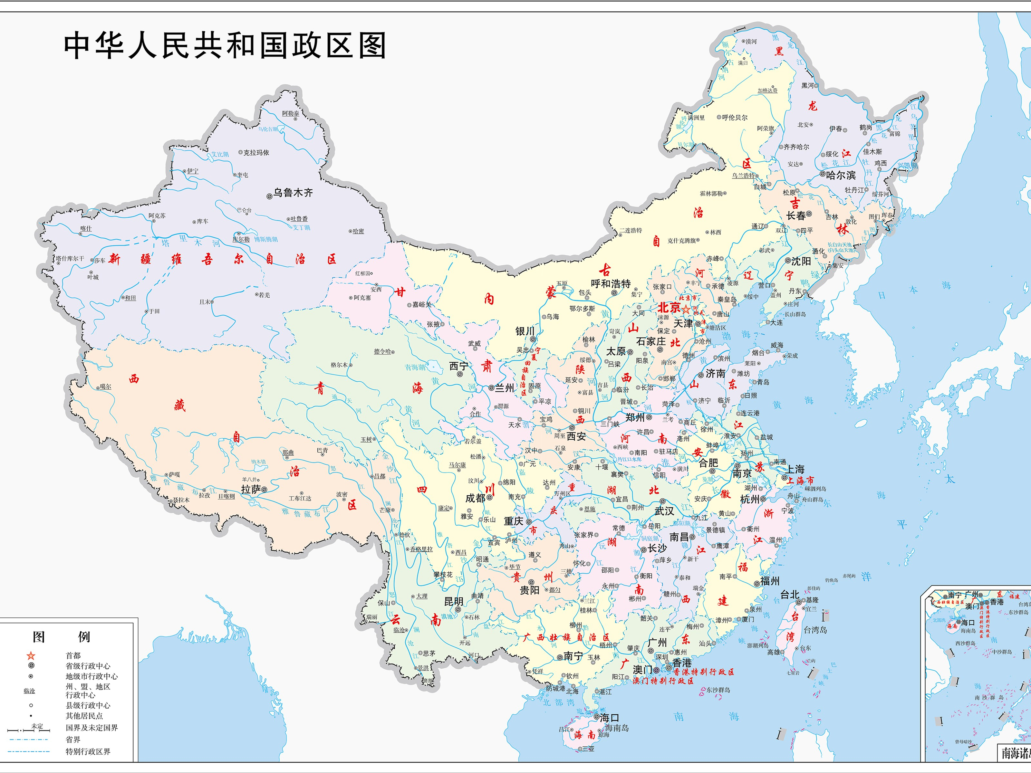
Year | Quarter | Region | Category | Product | Amount | Year | Quarter | Region | Category | Product | Amount | Year | Quarter | Region | Category | Product | Amount |  |  |  |  |  |  |  |  |  |  |  |  |  |  |  |  |  |  | 2010 | Q1 | North | Bicycles | B100 | $3,448.00 | 2010 | Q1 | North | Bicycles | B100 | $3,448.00 | 2010 | Q1 | North | Bicycles | B100 | $3,448.00
2010 | Q1 | North | Bicycles | B100 | $3,448.00 | 2010 | Q1 | North | Bicycles | B100 | $3,448.00 | 2010 | Q1 | North | Bicycles | B100 | $3,448.00
Year | Quarter | Region | Category | Product | Amount | Year | Quarter | Region | Category | Product | Amount | Year | Quarter | Region | Category | Product | Amount
2010 | Q1 | North | Bicycles | B100 | $3,448.00 | 2010 | Q1 | North | Bicycles | B100 | $3,448.00 | 2010 | Q1 | North | Bicycles | B100 | $3,448.00
Year | Quarter | Region | Category | Product | Amount | Year | Quarter | Region | Category | Product | Amount | Year | Quarter | Region | Category | Product | Amount
2010 | Q1 | North | Bicycles | B100 | $3,448.00 | 2010 | Q1 | North | Bicycles | B100 | $3,448.00 | 2010 | Q1 | North | Bicycles | B100 | $3,448.00
Year | Quarter | Region | Category | Product | Amount | Year | Quarter | Region | Category | Product | Amount | Year | Quarter | Region | Category | Product | Amount
2010 | Q1 | North | Bicycles | B100 | $3,448.00 | 2010 | Q1 | North | Bicycles | B100 | $3,448.00 | 2010 | Q1 | North | Bicycles | B100 | $3,448.00
Year | Quarter | Region | Category | Product | Amount | Year | Quarter | Region | Category | Product | Amount | Year | Quarter | Region | Category | Product | Amount
2010 | Q1 | North | Bicycles | B100 | $3,448.00 | 2010 | Q1 | North | Bicycles | B100 | $3,448.00 | 2010 | Q1 | North | Bicycles | B100 | $3,448.00
Year | Quarter | Region | Category | Product | Amount | Year | Quarter | Region | Category | Product | Amount | Year | Quarter | Region | Category | Product | Amount
2010 | Q1 | North | Bicycles | B100 | $3,448.00 | 2010 | Q1 | North | Bicycles | B100 | $3,448.00 | 2010 | Q1 | North | Bicycles | B100 | $3,448.00
Year | Quarter | Region | Category | Product | Amount | Year | Quarter | Region | Category | Product | Amount | Year | Quarter | Region | Category | Product | Amount
2010 | Q1 | North | Bicycles | B100 | $3,448.00 | 2010 | Q1 | North | Bicycles | B100 | $3,448.00 | 2010 | Q1 | North | Bicycles | B100 | $3,448.00
Year | Quarter | Region | Category | Product | Amount | Year | Quarter | Region | Category | Product | Amount | Year | Quarter | Region | Category | Product | Amount
2010 | Q1 | North | Bicycles | B100 | $3,448.00 | 2010 | Q1 | North | Bicycles | B100 | $3,448.00 | 2010 | Q1 | North | Bicycles | B100 | $3,448.00

