Sheet1

1. Amr Khaled @amrkhaled
Followers 10,471,052
Following 8
Tweets 11,671
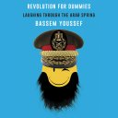
2. Bassem Youssef @Byoussef
Followers 10,144,587
Following 712
Tweets 11,669

3. Amr Diab @amrdiab
Followers 8,648,772
Following 3
Tweets 2,710

4. اليوم السابع @youm7
Followers 7,229,810
Following 11
Tweets 609,602

5. Mustafa Hosny @MustafaHosny
Followers 6,146,048
Following 9
Tweets 34,015
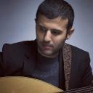
6. Hamza Namira @HamzaNamira
Followers 6,117,341
Following 115
Tweets 5,944

7. Amr Waked @amrwaked
Followers 5,931,048
Following 316
Tweets 14,622
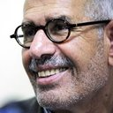
8. Mohamed ElBaradei @ElBaradei
Followers 5,772,128
Following 37
Tweets 1,583

9. شيرين عبدالوهاب @sherine
Followers 5,670,790
Following 52
Tweets 890

10. Hend Sabry @HendSabry
Followers 4,718,572
Following 638
Tweets 7,310

11. دنيا سمير غانم @Donia
Followers 4,641,632
Following 187
Tweets 2,492
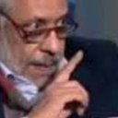
12. نبيل الحلفاوي @nabilelhalfawy
Followers 4,590,554
Following 200
Tweets 80,696

13. الأهرام AlAhram @AlAhram
Followers 4,507,796
Following 15
Tweets 647,413

14. Amr Hamzawy @HamzawyAmr
Followers 4,475,118
Following 5
Tweets 6,940
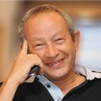
15. Naguib Sawiris @NaguibSawiris
Followers 4,356,651
Following 223
Tweets 9,000
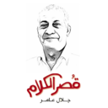
16. جلال عامر @GalalAmer
Followers 4,114,483
Following 0
Tweets 9,185

17. Mohamed Salah @22mosalah
Followers 3,978,226
Following 144
Tweets 918

18. Ahmed Helmy @ahelmy
Followers 3,759,199
Following 214
Tweets 547
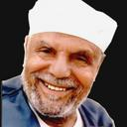
19. محمد متولي الشعراوي @alsha3rawy
Followers 3,756,071
Following 20
Tweets 101,538

20. Moez Masoud @MoezMasoud
Followers 3,653,161
Following 348
Tweets 2,932

21. Yosri Fouda @YosriFouda
Followers 3,642,994
Following 458
Tweets 4,044
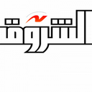
22. Shorouk News @Shorouk_News
Followers 3,617,703
Following 2
Tweets 834,279

23. CBC Egypt @CBCEgypt
Followers 3,588,542
Following 18
Tweets 356,133

24. حمدين صباحي @HamdeenSabahy
Followers 3,470,355
Following 7
Tweets 604
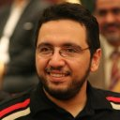
25. Belal Fadl @belalfadl
Followers 3,453,505
Following 870
Tweets 20,494

26. Hassan El Shafei @Hassanelshafei
Followers 3,444,777
Following 158
Tweets 3,832
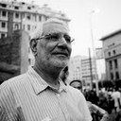
27. عبدالمنعم أبو الفتوح @DrAbolfotoh
Followers 3,423,678
Following 71
Tweets 3,190

28. Mido @midoahm
Followers 3,352,924
Following 619
Tweets 25,150

29. Gameela Ismail @GameelaIsmail
Followers 3,310,752
Following 798
Tweets 10,397

30. ON E @ONENT
Followers 3,213,623
Following 6
Tweets 322,162
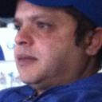
31. Mohamed Henedy @OfficialHenedy
Followers 3,193,069
Following 478
Tweets 535
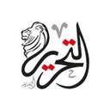
32. التحرير الإخباري @TahrirNews
Followers 3,175,766
Following 5
Tweets 433,302
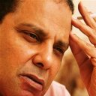
33. علاء الأسواني @AlaaAswany
Followers 3,126,755
Following 333
Tweets 7,862

34. El Sawy Culturewheel @Sakiatweets
Followers 3,064,031
Following 936
Tweets 23,000

35. Mohamed Hamaki @Hamaki
Followers 3,061,733
Following 17
Tweets 699

36. Ahmad El Esseily @ahmadesseily
Followers 3,014,378
Following 1,084
Tweets 67,445

37. محمد أبوتريكة @trikaofficial
Followers 2,901,338
Following 224
Tweets 1,034

38. المصري اليوم @AlMasryAlYoum
Followers 2,885,755
Following 54
Tweets 789,940

39. Khaled El Nabawy @KhaledElNabawy
Followers 2,844,548
Following 485
Tweets 10,982

40. Wael Ghonim @Ghonim
Followers 2,839,059
Following 2,116
Tweets 8,343
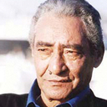
41. عبد الرحمن الأبنودى @abdrhmanabnody
Followers 2,770,759
Following 33
Tweets 1,758

42. Ayman Nour @AymanNour
Followers 2,752,089
Following 19,124
Tweets 11,009

43. Al Ahly SC @AlAhly
Followers 2,731,287
Following 53
Tweets 19,544

44. Bey2ollak - بيقولك @Bey2ollak
Followers 2,719,642
Following 5
Tweets 30,677

45. Amr adib @Amradib
Followers 2,663,517
Following 1,520
Tweets 2,309

46. Zamalek SC @ZSCOfficial
Followers 2,528,222
Following 40
Tweets 23,399
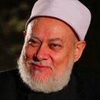
47. أ.د. علي جمعة @DrAliGomaa
Followers 2,524,300
Following 9
Tweets 5,195

48. Amre Moussa @amremoussa
Followers 2,517,949
Following 30
Tweets 2,794

49. Tamer Hosny @tamerhosny
Followers 2,482,477
Following 34
Tweets 3,205

50. Kal Naga - أبوالنجا @kalnaga
Followers 2,400,577
Following 4,019
Tweets 24,111

51. بوابة الوطن @ElwatanNews
Followers 2,354,019
Following 2
Tweets 645,598

52. Cairokee @CairoKee
Followers 2,287,215
Following 5
Tweets 3,403

53. شبكة رصد @RassdNewsN
Followers 2,256,024
Following 2
Tweets 404,814

54. Mohamed A M. El Sawy @MohammadSawy
Followers 2,225,238
Following 106
Tweets 3,255
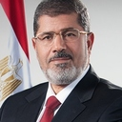
55. د.محمد مرسي @MuhammadMorsi
Followers 2,225,140
Following 0
Tweets 1,223

56. Mona Zaki @monazaki
Followers 2,223,361
Following 260
Tweets 1,795
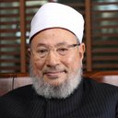
57. يوسف القرضاوي @alqaradawy
Followers 2,160,245
Following 3
Tweets 7,874

58. كل يوم معلومة طبية @DMedicalinfo
Followers 2,152,287
Following 1,181
Tweets 103,047

59. Asser Yassin @AsserYassin
Followers 2,100,036
Following 329
Tweets 3,518
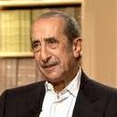
60. Hamdy Kandil @HamdyKandil
Followers 2,063,633
Following 150
Tweets 5,287

61. Khaled Elsawy @khaledalsawy
Followers 2,023,575
Following 481
Tweets 22,190

62. عمر طاهر @omertaher
Followers 1,993,329
Following 0
Tweets 12,818

63. Amir Eid-أمير عيد @Amir3id
Followers 1,921,526
Following 104
Tweets 678

64. Khaled Ali @Khaledali251
Followers 1,871,968
Following 159
Tweets 3,312

65. Mohamed Geddo @Geddo
Followers 1,809,176
Following 95
Tweets 718

66. Vodafone Egypt @VodafoneEgypt
Followers 1,801,773
Following 8,497
Tweets 590,740

67. Ahmed Fahmi @fahmi173
Followers 1,730,943
Following 20
Tweets 7,874

68. A6Mحركة شباب 6 أبريل @shabab6april
Followers 1,690,853
Following 126
Tweets 22,278

69. احمد المسلماني @Almoslemani
Followers 1,680,972
Following 0
Tweets 2,329
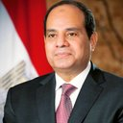
70. Abdelfattah Elsisi @AlsisiOfficial
Followers 1,641,372
Following 0
Tweets 2,370

71. Ahmed Elmohamady @Elmo_27
Followers 1,602,394
Following 229
Tweets 770
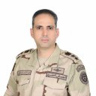
72. المتحدث العسكري @EgyArmySpox
Followers 1,595,335
Following 47
Tweets 4,039

73. مصراوي @Masrawy
Followers 1,574,490
Following 4
Tweets 648,152

74. Mostafa Alnagar @alnagar80
Followers 1,530,753
Following 923
Tweets 20,232
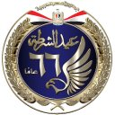
75. وزارة الداخلية @moiegy
Followers 1,511,902
Following 3
Tweets 65,548

76. محمود سعد @mahmooud_saad
Followers 1,476,941
Following 21
Tweets 18,904

77. WAFAA ELKILANY @ELKILANYWAFAA
Followers 1,473,922
Following 316
Tweets 10,696

78. Etisalat Misr @EtisalatMisr
Followers 1,467,458
Following 43
Tweets 314,556

79. Angham @Angham
Followers 1,464,435
Following 291
Tweets 3,962

80. wael kandil @waiel65
Followers 1,463,980
Following 289
Tweets 6,080

81. Ahmed Gamal @IdolAhmedGamal
Followers 1,423,577
Following 94
Tweets 14,358

82. معتز عبد الفتاح @MoatazAFattah
Followers 1,336,350
Following 896
Tweets 11,537
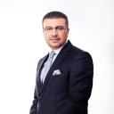
83. Amr Ellissy @amrellissy
Followers 1,312,520
Following 22,009
Tweets 12,179

84. Hoda Kotb @hodakotb
Followers 1,278,325
Following 1,117
Tweets 17,023

85. صدى البلد @ElBaladOfficial
Followers 1,272,392
Following 5
Tweets 765,610

86. Zap Tharwat @ZAPtharwatAXEER
Followers 1,261,864
Following 55
Tweets 4,920

87. MBC مصر @mbcmasr
Followers 1,229,709
Following 11
Tweets 62,561

88. رولا خرسا @Rolakharsa
Followers 1,163,729
Following 1,369
Tweets 23,751

89. Amal Maher @amalmaher
Followers 1,158,627
Following 58
Tweets 3,321

90. Gamal Eid @gamaleid
Followers 1,144,885
Following 2,111
Tweets 62,231

91. بثينة كامل @BothainaKamel
Followers 1,136,928
Following 1,446
Tweets 58,265

92. Orange Egypt @Orange_Egypt
Followers 1,136,831
Following 2,619
Tweets 150,644

93. Wael Elebrashy @WaelElebrashy
Followers 1,123,220
Following 7
Tweets 131,442
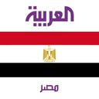
94. العربية مصر @AlArabiya_EGY
Followers 1,115,440
Following 36
Tweets 35,758
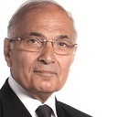
95. أحمد شفيق @AhmedShafikEG
Followers 1,099,217
Following 0
Tweets 1,651

96. Salma Sabahy @SalmaSabahy
Followers 1,077,697
Following 103
Tweets 13,673

97. نادر بكار @naderbakkar
Followers 1,072,386
Following 43
Tweets 9,441

98. مما قرأت @MmaQarat
Followers 1,056,454
Following 10
Tweets 525,471

99. Samo Zaen @SamoZaen
Followers 1,042,149
Following 9
Tweets 9,831

100. كارمن سليمان @CarmenSoliman
Followers 1,015,774
Following 134
Tweets 5,743

