Platforms_and_Environements
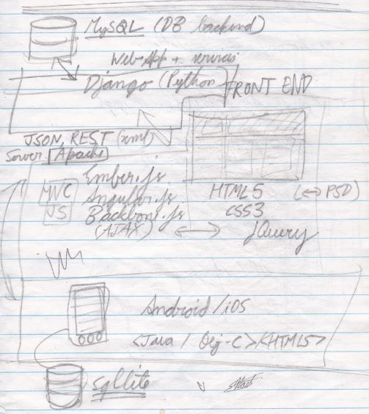
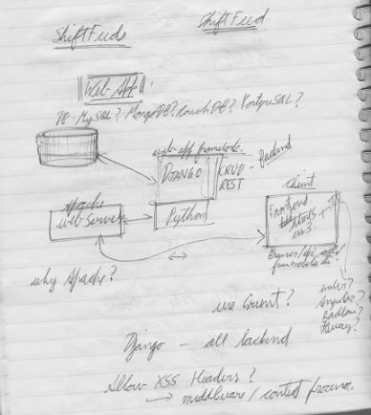
Component | Factors to consider (For ShiftFeed) | Options | Platform choice | Reason(s) | Resources and references
Database | Fast. Powerful. Relational. Open source. Strong community support. Tried and tested. Generic. Popular. Easy integration and setup. Easy maintenance. | MySQL? CouchDB? MongoDB? PostgreSQL? | MySQL | Fast. Powerful. Relational. Open source. Strong community support. Tried and tested. Generic. Popular. Easy integration and setup. Easy maintenance.
Webserver | Fast. Powerful. Robust. Scalable. Strong community support. Open source. Varied stack support. | Apache + mod_wsgi? Fastcgi? Lighttpd? | Apache + mod_wsgi | Fast. Powerful. Robust. Scalable. Strong community support. Open source. Varied stack support.
Web application framework |  | Django python? PHP based? RoR? Grails? | s
REST service/API | Simple. Transparent underlying working. Robust, helps with authentications. | Own Django based API? Django rest framework? Tasty-pie?
Web front end (Markup) | Simple. Symantically ready. Feature rich. | HTML5? HTML4? | HTML5 | Simple. Symantically ready. Feature rich.
Web front end (Presentation) | Cutting edge look and feel, cross browser compliant. Mobile compliant. | CSS3? | CSS3 | Cutting edge look and feel, cross browser compliant. Mobile compliant.
Web front end (Logic/Dynamics) | AJAX, DOM manipulation, UI Widgets, animations, drag and drop, inpu handling/validating, quick development, good maintainability, scalability, solid light framework, cross browser compliant, mobile compliant. Backend compliant. | Angular JS? Ember JS? Backbone JS? jQuery? | Angular JS | Developed by Google. Quicker, intuitive development. Not too bloated - fit for the application's current needs.

