Sprint 1 - Burndown Chart

 |  | Navigo - Sprint 1 - Burndown Chart

Tasks | Working Hours | 01/30/2020 | 02/01/2020 | 02/03/2020 | 02/05/2020 | 02/07/2020 | 02/09/2020 | 02/11/2020 | 02/13/2020 | 02/26/2020 | 02/27/2020 | End Hours
Project Selection and Project Approval | 10 | 1 | 1 | 2 | 2 | 0 | 2 | 1 | 1 | 0 | 0 | 10
Brainstorming and Requirement Gathering | 24 | 6 | 4 | 2 | 2 | 4 | 3 | 2 | 1 | 0 | 0 | 24
Presentation for deliverable 1 | 5 | 0 | 0 | 0 | 0 | 1 | 2 | 1 | 1 | 0 | 0 | 5
Peer to Peer 1 Review | 1 | 0 | 0 | 0 | 0 | 0 | 0 | 0 | 0 | 1 | 0 | 1
Actual Remaining Hours | 40 | 33 | 28 | 24 | 20 | 15 | 8 | 4 | 1 | 0 | 0
Estimated Remaining hours | 40.0000 | 36.0000 | 32.0000 | 28.0000 | 24.0000 | 20.0000 | 16.0000 | 12.0000 | 8.0000 | 4.0000 | 0.0000
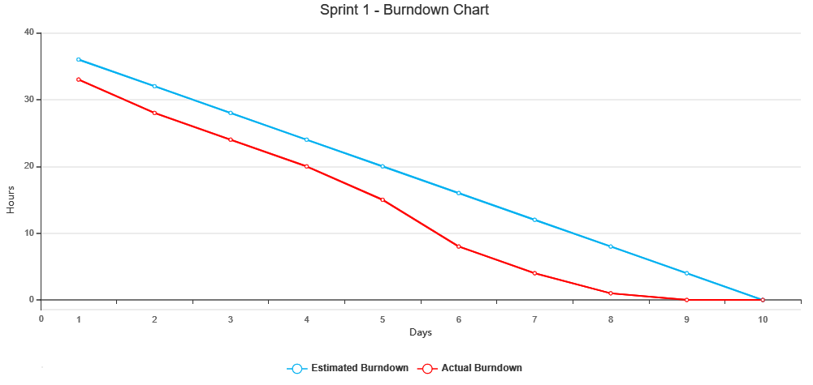

 | Team Member
Tasks | Priya | Sunil | Karthik | Bharath | Pranav | Rahul
Project Selection and Project Approval | 1.5 | 3 | 2 | 1.5 | 1 | 1
Brainstorming and Requirement Gathering | 5 | 4 | 4.5 | 4.5 | 3 | 3
Presentation for deliverable 1 | 2 | 0 | 2 | 1 | 0 | 0
Peer to Peer 1 Review | 1 | 0 | 0 | 0 | 0 | 0
End Hours | 9.5 | 7 | 8.5 | 7 | 4 | 4

 | Cap Stone Project
Project1 |  | Project2
Tasks | Kartik | Task
Project Selection and Project Approval | 2 | Jira Updates | 2
Brainstorming and Requirement Gathering | 4.5 | PPT | 3
Presentation for deliverable 1 | 2 | Chatbot/Testing | 0
Peer to Peer 1 Review | 0 | Peer to Peer 1 Review | 1
Feedback | 2 | Feedback | 2
Sprint1 | 8 | Sprint 1 | 7
Technology assessment, Prep for Sprint 2, Signup and login | 1.5 | Search Bar Implementation | 2
Created a AWS Account, rokognition and lexa | 0 | JIRA Updates | 2
New York Location Research and Product backlog | 0.5 | Navigo testing | 0
GitHub | 0.5 | Github | 1
Presentation for deliverable 2 | 0 | Sprint 2 PPT | 3
Brainstroming on database | 1 | Brainstorm on Sprint 3 | 1
Peer to Peer 2 Review | 1 | Peer to Peer 2 Review | 1
Feedback | 2 | Feedback | 8
Sprint2 | 4.5 | Sprint2
Research on Technical[IEEE] paper and studying formats | 0.5 | Tech Paper research/updates | 1
Researched and Added Literature review | 0 | Sprint 3 updates | 0.5
Abstract, Introduction, added Project Requirement | 0.5 | JIRA updates | 1
Database Schema/Documentation format | 0 | Github | 0
System Diagrams, ER Diagrams, Data Modeling | 0 | Manual Testing | 0
Conclusion, Discussion, Summary and References | 1 | Database Connectivity | 0
Submission of deliverable 3[Technical paper] | 0.25 | Submission of Deliverable 3 | 0.25
brainstorm/coding - Home Page | 0.5 | Brainstorm on Sprint 4 | 2
Peer to Peer 3 Review | 1 | Peer to Peer 3 Review | 1
Feedback | 2.5 | Feedback | 1
Sprint 3 | 4.5 | Sprint 3 | 8
Product backlog/Documentation update | 1.5 | Designing and Implementing NavigoMerch store | 3
Wiki page: Code, Techhnology tools and Project Management | 0.5 | Coding- Merch Store | 4
Wiki page: Architecture and Design, Burndown Charts, Demo | 0 | Architecture/Design | 1
coding - Home Page, About Us, Contact | 0 | Github | 1
coding - User Signup and Login | 0 | Final JIRA Updates | 0.25
Manual Testing | 0 | Manual Testing | 0.5
Draft document on design and technologies | 0 | Sprint 4 PPT | 5
Sprint 4 documentation | 2 | Final Documentation | 2
Retrospective documentation/mvp | 1 | Final Retro | 1
Peer to Peer 4 Review | 1 | Peer to Peer 4 Review
Feedback | 3 | Feedback | 1
Sprint 4 | 5 | Sprint 4

Sprint 2 - Burndown Chart
 |  | Navigo - Sprint 2 - Burndown Chart

Tasks | Working Hours | 02/28/2020 | 03/01/2020 | 03/03/2020 | 03/05/2020 | 03/07/2020 | 03/09/2020 | 03/11/2020 | 03/13/2020 | 03/25/2020 | 03/26/2020 | End Hours
Technology assessment, Prep for Sprint 2, Signup and login | 10.5 | 1 | 2 | 2.5 | 0.5 | 2 | 1 | 0 | 1.5 | 0 | 0 | 10.5
Created a AWS Account, rokognition and lexa | 0.5 | 0 | 0 | 0 | 0 | 0.5 | 0 | 0 | 0 | 0 | 0 | 0.5
New York Location Research and Product backlog | 3.5 | 1 | 1 | 0 | 0.5 | 0 | 1 | 0 | 0 | 0 | 0 | 3.5
GitHub | 4 | 1 | 0 | 2 | 0 | 0 | 0 | 1 | 0 | 0 | 0 | 4
Presentation for deliverable 2 | 3 | 0 | 1 | 0 | 0 | 0 | 1 | 0 | 1 | 0 | 0 | 3
Brainstroming on database | 8.5 | 0.5 | 0 | 0 | 1 | 2 | 2 | 1 | 2 | 0 | 0 | 8.5
Peer to Peer 2 Review | 1 | 0 | 0 | 0 | 0 | 0 | 0 | 0 | 0 | 1 | 0 | 1
Actual Remaining Hours | 31 | 27.5 | 23.5 | 19 | 17 | 12.5 | 7.5 | 5.5 | 1 | 0 | 0
Estimated Remaining hours | 31.0000 | 27.9000 | 24.8000 | 21.7000 | 18.6000 | 15.5000 | 12.4000 | 9.3000 | 6.2000 | 3.1000 | 0.0000
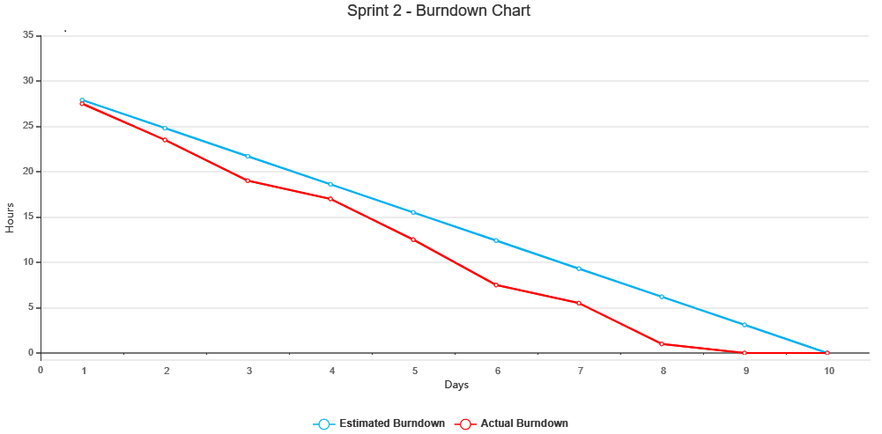

 | Team Member
Tasks | Priya | Sunil | Karthik | Bharath | Pranav | Rahul
Technology assessment, Prep for Sprint 2, Signup and login | 2 | 3 | 1.5 | 1 | 2.5 | 3
Created a AWS Account, rokognition and lexa | 0 | 0.5 | 0 | 0 | 0 | 0
New York Location Research and Product backlog | 1 | 0.5 | 0.5 | 1 | 0.5 | 2
GitHub | 0.5 | 0.5 | 0.5 | 1.5 | 0.5 | 0.5
Presentation for deliverable 2 | 0.5 | 0.5 | 1 | 0.5 | 0.5 | 1
Brainstroming on database | 2.5 | 1.5 | 1 | 0.5 | 2 | 1
Peer to Peer 2 Review | 1 | 0 | 0 | 0 | 0 | 0
End Hours | 7.5 | 6.5 | 4.5 | 4.5 | 6 | 7.5

Sprint 3 - Burndown Chart
 |  | Navigo - Sprint 3 - Burndown Chart

Tasks | Working Hours | 03/27/2020 | 03/29/2020 | 03/31/2020 | 04/02/2020 | 04/04/2020 | 04/06/2020 | 04/08/2020 | 04/10/2020 | 04/22/2020 | 04/23/2020 | End Hours
Research on Technical[IEEE] paper and studying formats | 3 | 1 | 0.5 | 1 | 0 | 0.5 | 0 | 0 | 0 | 0 | 0 | 3
Researched and Added Literature review | 3 | 0.5 | 0.5 | 0 | 1 | 1 | 0 | 0 | 0 | 0 | 0 | 3
Abstract, Introduction, added Project Requirement | 1.5 | 0 | 0 | 0 | 0 | 0.5 | 0 | 1 | 0 | 0 | 0 | 1.5
Database Schema/Documentation format | 2 | 0 | 1 | 0 | 0 | 0 | 0 | 0 | 1 | 0 | 0 | 2
System Diagrams, ER Diagrams, Data Modeling | 2 | 0 | 0.5 | 0.5 | 0 | 1 | 0 | 0 | 0 | 0 | 0 | 2
Conclusion, Discussion, Summary and References | 2 | 0 | 0 | 0 | 0 | 0 | 2 | 0 | 0 | 0 | 0 | 2
Submission of deliverable 3[Technical paper] | 1.5 | 0 | 0 | 0 | 0 | 0 | 0 | 0.5 | 1 | 0 | 0 | 1.5
brainstorm/coding - Home Page | 5.5 | 0.5 | 0.5 | 1 | 1 | 1 | 0 | 1 | 0.5 | 0 | 0 | 5.5
Peer to Peer 3 Review | 1 | 0 | 0 | 0 | 0 | 0 | 0 | 0 | 0 | 1 | 0 | 1
Actual Remaining Hours | 21.5 | 19.5 | 16.5 | 14 | 12 | 8 | 6 | 3.5 | 1 | 0 | 0
Estimated Remaining hours | 21.5000 | 19.3500 | 17.2000 | 15.0500 | 12.9000 | 10.7500 | 8.6000 | 6.4500 | 4.3000 | 2.1500 | 0.0000

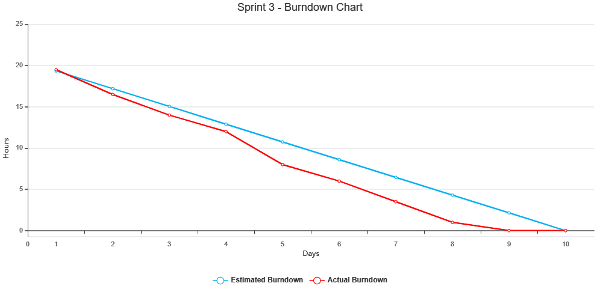

 | Team Member
Tasks | Priya | Sunil | Karthik | Bharath | Pranav | Rahul
Research on Technical[IEEE] paper and studying formats | 0.5 | 0.5 | 0.5 | 0.5 | 0.5 | 0.5
Researched and Added Literature review | 1 | 0 | 0 | 0 | 0.5 | 1.5
Abstract, Introduction, added Project Requirement | 0.5 | 0 | 0.5 | 0 | 0.5 | 0
Database Schema/Documentation format | 0 | 1 | 0 | 0 | 1 | 0
System Diagrams, ER Diagrams, Data Modeling | 0 | 0 | 1 | 1 | 0 | 0
Conclusion, Discussion, Summary and References | 0.5 | 0 | 1.5 | 0 | 0 | 0
Submission of deliverable 3[Technical paper] | 0.25 | 0.25 | 0.25 | 0.25 | 0.25 | 0.25
brainstorm/coding - Home Page | 0.5 | 3.5 | 0.5 | 0.5 | 0.5 | 0
Peer to Peer 3 Review | 1 | 0 | 0 | 0 | 0 | 0
End Hours | 4.25 | 5.25 | 4.25 | 2.25 | 3.25 | 2.25

Sprint 4 - Burndown Chart
 |  | Navigo - Sprint 4 - Burndown Chart

Tasks | Working Hours | 04/24/2020 | 04/26/2020 | 04/28/2020 | 04/30/2020 | 05/02/2020 | 05/04/2020 | 05/06/2020 | 05/08/2020 | 05/13/2020 | 05/14/2020 | End Hours
Product backlog/Documentation update | 5.5 | 1 | 2 | 2.5 | 0 | 0 | 0 | 0 | 0 | 0 | 0 | 5.5
Wiki page: Code, Techhnology tools and Project Management | 5 | 0 | 1 | 1 | 1 | 1 | 0.5 | 0.5 | 0 | 0 | 0 | 5
Wiki page: Architecture and Design, Burndown Charts, Demo | 2 | 0 | 0 | 0 | 0 | 0 | 0 | 1 | 1 | 0 | 0 | 2
coding - Home Page, About Us, Contact | 12 | 0 | 1 | 1 | 1 | 2 | 2 | 3 | 2 | 0 | 0 | 12
coding - User Signup and Login | 12.5 | 1 | 1 | 1 | 2 | 0.5 | 3 | 2 | 2 | 0 | 0 | 12.5
Manual Testing | 1 | 0 | 0 | 0 | 0 | 0 | 0 | 0 | 1 | 0 | 0 | 1
Draft document on design and technologies | 5 | 0 | 0 | 0 | 0 | 2 | 1 | 1 | 1 | 0 | 0 | 5
Sprint 4 documentation | 6 | 0 | 0 | 0 | 0 | 2 | 0 | 1 | 3 | 0 | 0 | 6
Retrospective documentation/mvp | 2 | 0 | 0 | 0 | 0 | 0 | 1 | 0 | 1 | 0 | 0 | 2
Peer to Peer 4 Review | 1 | 0 | 0 | 0 | 0 | 0 | 0 | 0 | 0 | 0 | 1 | 1
Actual Remaining Hours | 52 | 50 | 45 | 39.5 | 35.5 | 28 | 20.5 | 12 | 1 | 1 | 0
Estimated Remaining hours | 52.0000 | 46.8000 | 41.6000 | 36.4000 | 31.2000 | 26.0000 | 20.8000 | 15.6000 | 10.4000 | 5.2000 | 0.0000
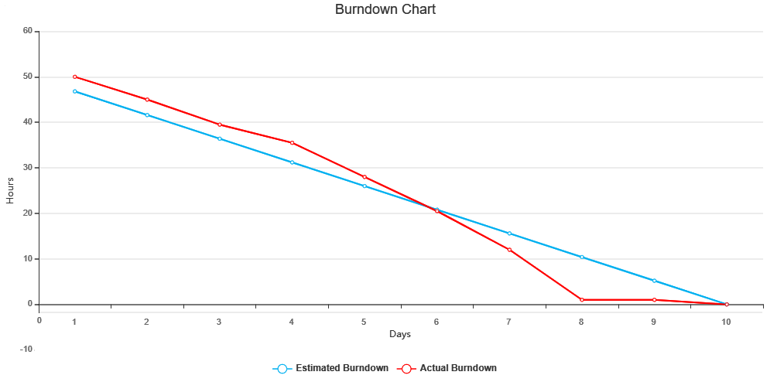

 | Team Members
Tasks | Priya | Sunil | Karthik | Bharath | Pranav | Rahul
Product backlog/Documentation update | 1 | 1 | 1.5 | 1 | 1 | 0
Wiki page: Code, Techhnology tools and Project Management | 1 | 2.5 | 0.5 | 0 | 1 | 0
Wiki page: Architecture and Design, Burndown Charts, Demo | 0 | 2 | 0 | 0 | 0 | 0
coding - Home Page, About Us, Contact | 0 | 7 | 0 | 2 | 0 | 3
coding - User Signup and Login | 0 | 9.5 | 0 | 0 | 0 | 3
Manual Testing | 0 | 0 | 0 | 0 | 1 | 0
Draft document on design and technologies | 2 | 1 | 0 | 1 | 1 | 0
Sprint 4 documentation | 1 | 0 | 2 | 1.5 | 1.5 | 0
Retrospective documentation/mvp | 0 | 1 | 1 | 0 | 0 | 0
Peer to Peer 3 Review | 1 | 0 | 0 | 0 | 0 | 0
End Hours | 5 | 24 | 5 | 5.5 | 5.5 | 6

