Sheet1
Number of input transactions in smt | Time taken to Insert |  | Time taken to Verify
10 | 7258 |  | 6685
30 | 7930 |  | 12159
100 | 8299 |  | 27806
150 | 8330 |  | 32426
200 | 8907 |  | 43286
500 | 76753 |  | 115215
700 | 82425 |  | 142105
1000 | 83912 |  | 200918

Number of input transactions in quad
10 | 541 |  | 20675
30 | 1495 |  | 64329
100 | 4681 |  | 193064
150 | 7827 |  | 302984
200 | 14786 |  | 370781
500 | 56027 |  | 854827
700 | 118272 |  | 1317996
1000 | 252827 |  | 1934006

 | TIME TAKEN BY TREES
NUMBER OF INSERTED TRANSACTIONS | SMT | HYBRID | QUAD
10 | 562 | 556 | 541
30 | 1637 | 1546 | 1495
100 | 4774 | 4707 | 4681
150 | 7977 | 7970 | 7827
200 | 17812 | 16872 | 14786
500 | 27752 | 26982 | 24916
700 | 40025 | 38901 | 38751
1000 | 58235 | 57874 | 55827 | TIMINGS ARE IN MICROSECONDS

NUMBER OF TRANSACTIONS TO VERIFY | SMT | HYBRID | QUAD
10 | 6685 | 9171 | 20675
30 | 12159 | 23089 | 64329
100 | 27806 | 79688 | 193064
150 | 32426 | 104021 | 302984
200 | 43286 | 134007 | 370781
500 | 115215 | 300680 | 854827
700 | 142105 | 445188 | 1317996 | TIMINGS ARE IN MICROSECONDS
1000 | 200918 | 602729 | 1934006
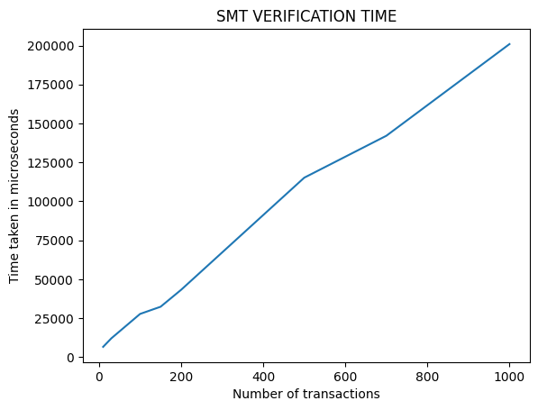
2000 | 1971403 | 2319227 | 2694839
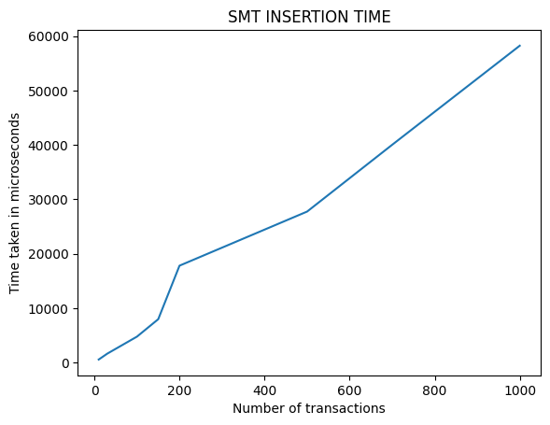

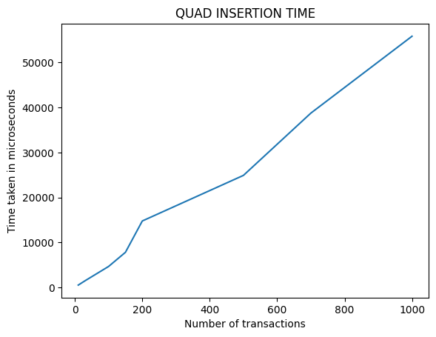
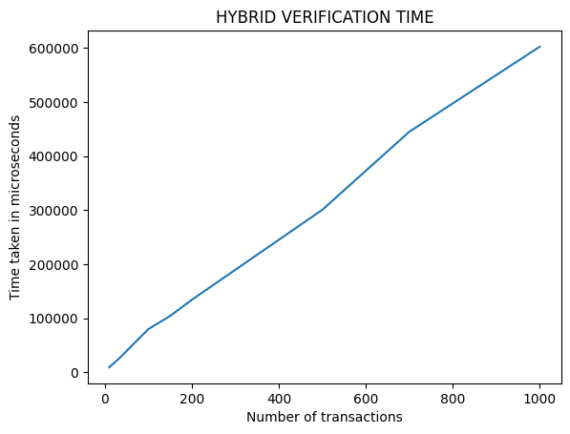

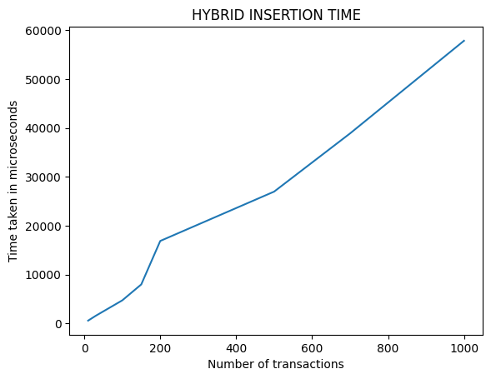

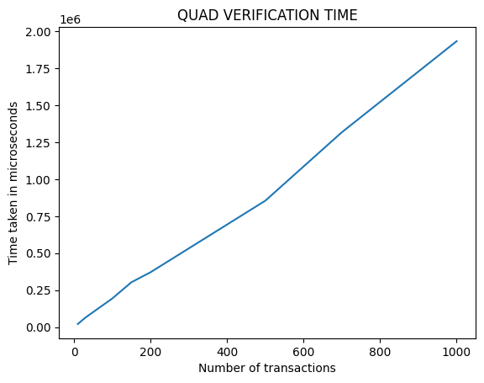

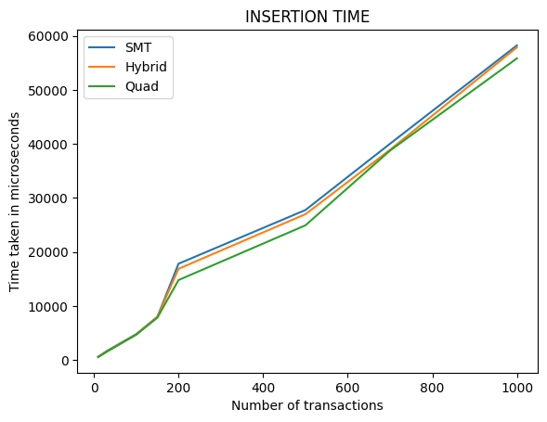
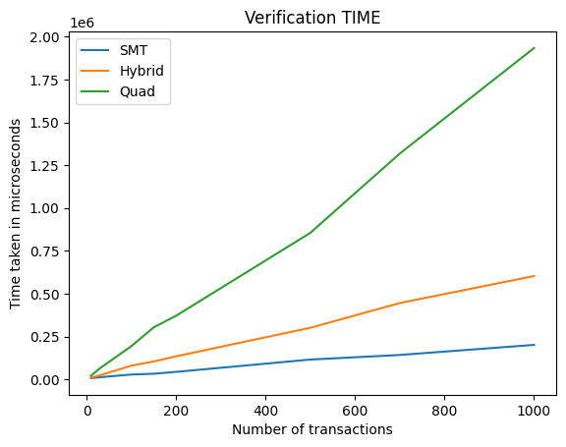

Number of Transactions | SMT | Hybrid | Quad
10 | 4 | 3 | 2
30 | 5 | 4 | 3
100 | 7 | 4 | 4
150 | 8 | 5 | 4
200 | 8 | 5 | 4
500 | 9 | 6 | 5
700 | 10 | 6 | 5
1000 | 10 | 7 | 5

