1cc01697f719b67d8a0984f0f5d3430
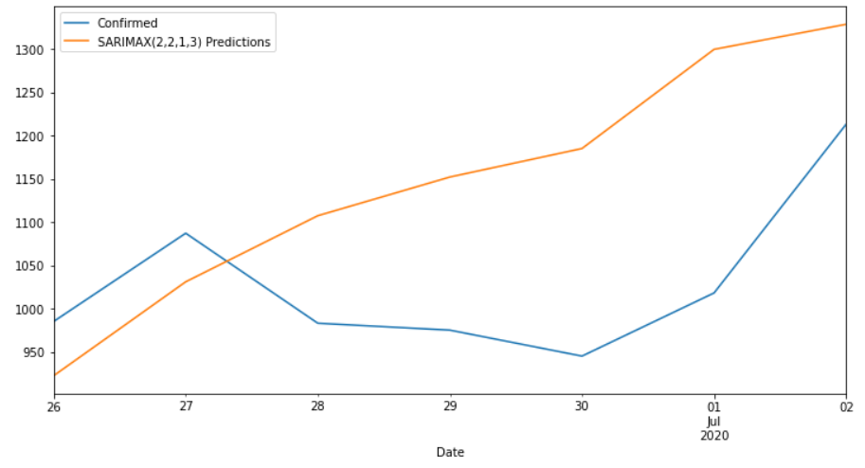
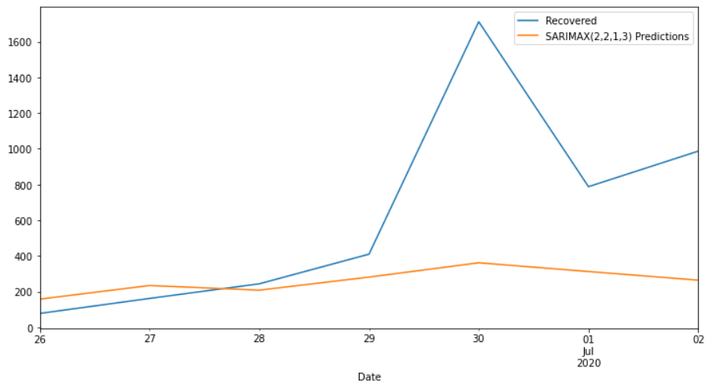
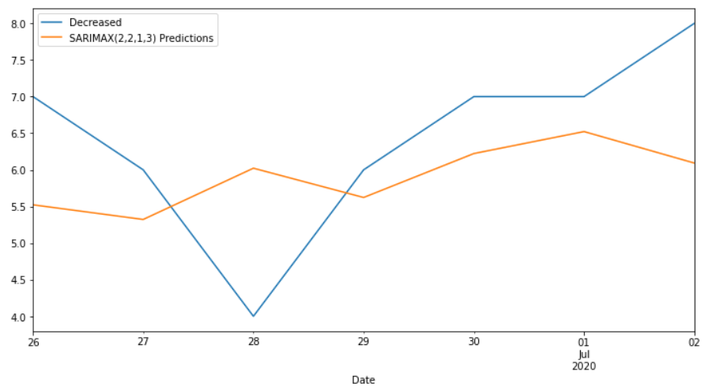
Date | Confirmed | Predicted_Confirmed | Recovered | Predicted_Recovered | Decreased | Predicted_Decreased
2020-06-26 | 985 | 922.29420297 | 78 | 158.04074644 | 7 | 5.5222747853
2020-06-27 | 1087 | 1030.8553615 | 162 | 234.37498393 | 6 | 5.322268349
2020-06-28 | 983 | 1107.2201293 | 244 | 208.30874731 | 4 | 6.0221658473
2020-06-29 | 975 | 1151.9493893 | 410 | 281.52702036 | 6 | 5.6222194619
2020-06-30 | 945 | 1184.8942397 | 1712 | 361.64784634 | 7 | 6.2222487566
2020-07-01 | 1018 | 1299.4847733 | 788 | 312.74341253 | 7 | 6.5222965113
2020-07-02 | 1213 | 1328.48447 | 987 | 264.30402446 | 8 | 6.0926465969
MAPE |  | 14.98% |  | 57.95% |  | 18.72%

