1cc01697f719b67d8a0984f0f5d3430
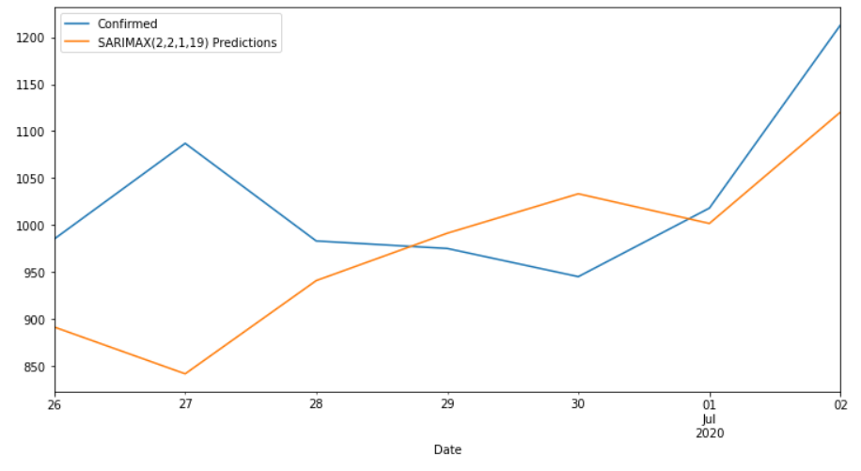
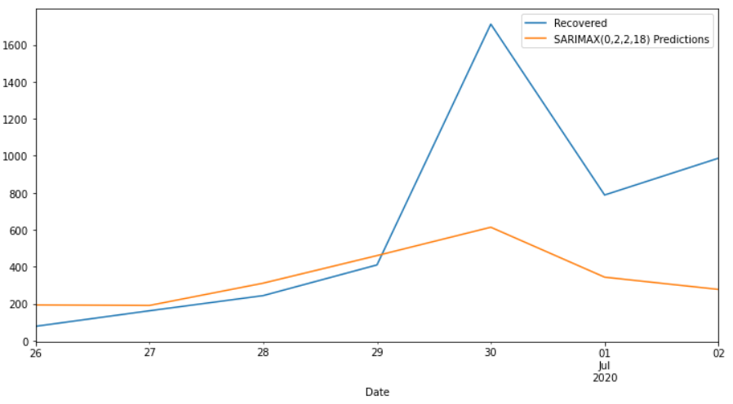
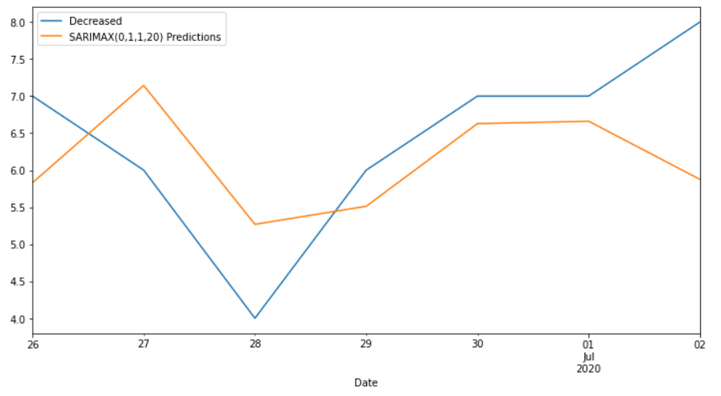
Date | Confirmed | Predicted_Confirmed | Recovered | Predicted_Recovered | Decreased | Predicted_Decreased
2020-06-26 | 985 | 891.38432217 | 78 | 193.65841194 | 7 | 5.8298366437
2020-06-27 | 1087 | 841.51465588 | 162 | 190.70074709 | 6 | 7.1438697039
2020-06-28 | 983 | 940.78078503 | 244 | 311.32464014 | 4 | 5.2681327783
2020-06-29 | 975 | 991.27360168 | 410 | 460.42283728 | 6 | 5.5119803886
2020-06-30 | 945 | 1033.2613597 | 1712 | 613.7598833 | 7 | 6.6280585077
2020-07-01 | 1018 | 1001.6493177 | 788 | 343.79517502 | 7 | 6.6606820683
2020-07-02 | 1213 | 1120.2730516 | 987 | 277.5882498 | 8 | 5.8757294562
MAPE |  | 8.09% |  | 56.90% |  | 16.05%

