6feedab0e373590346a9e42e2029e0e
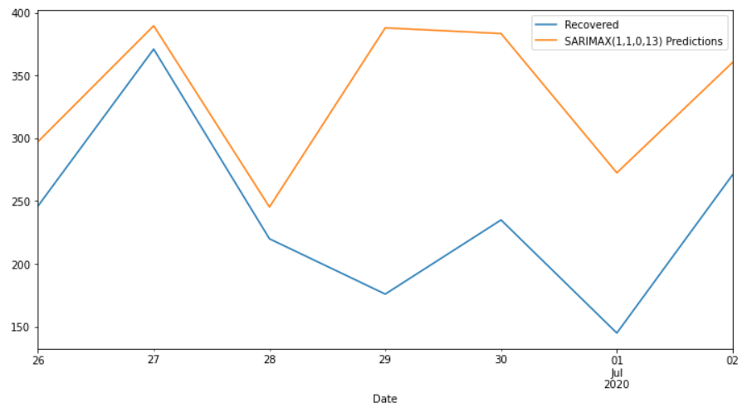
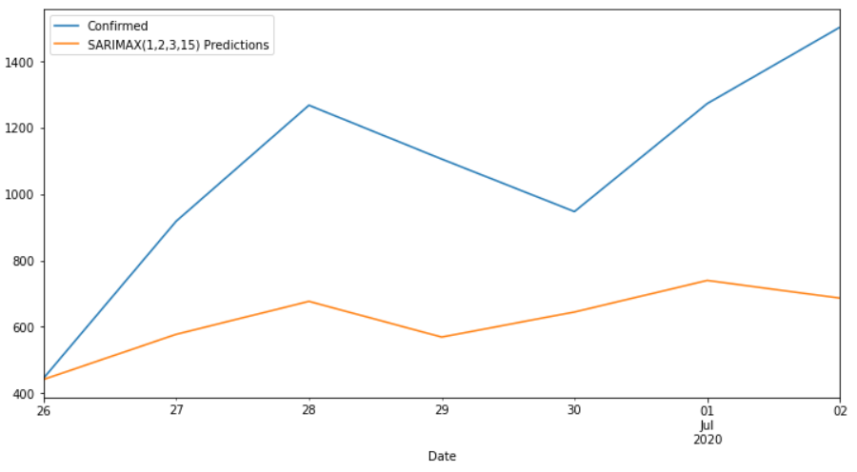
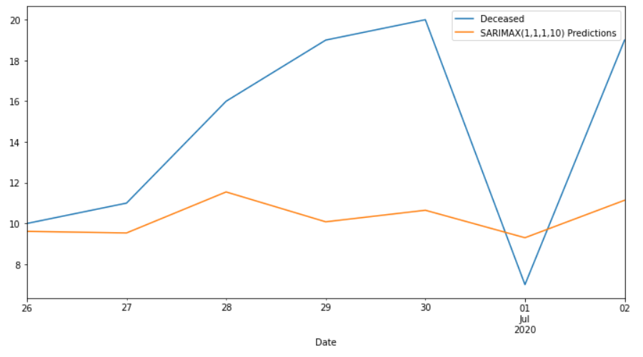
Date | Confirmed | Predicted_Confirmed | Recovered | Predicted_Recovered | Deceased | Predicted_Deceased
2020-06-26 | 445 | 441.54972618 | 246 | 297.24016385 | 10 | 9.613104644
2020-06-27 | 918 | 577.5772997 | 371 | 389.56059553 | 11 | 9.5353719173
2020-06-28 | 1267 | 676.78679963 | 220 | 245.30193993 | 16 | 11.54805507
2020-06-29 | 1105 | 569.2982216 | 176 | 387.88966291 | 19 | 10.081789776
2020-06-30 | 947 | 644.77292107 | 235 | 383.37618409 | 20 | 10.649924026
2020-07-01 | 1272 | 739.7143454 | 145 | 272.51160898 | 7 | 9.3008549908
2020-07-02 | 1502 | 686.55628249 | 271 | 360.4115482 | 19 | 11.140197679
MAPE |  | 37.28% |  | 48.83% |  | 30.42%

