6feedab0e373590346a9e42e2029e0e
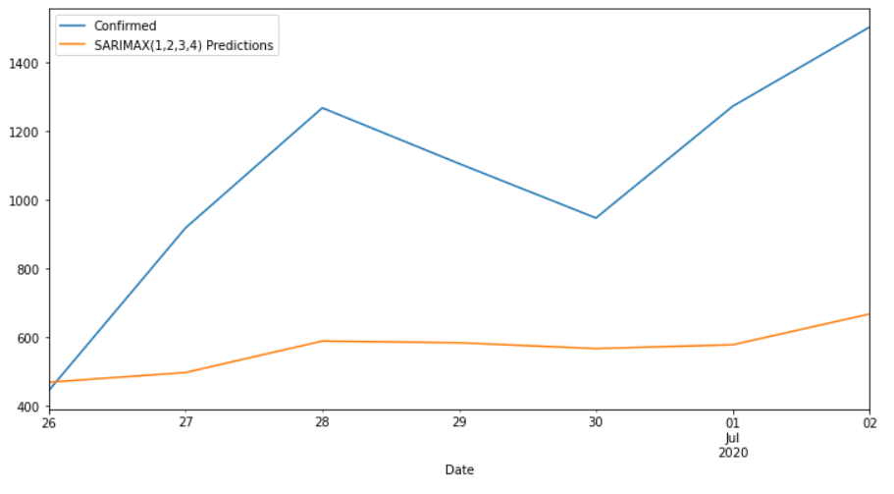
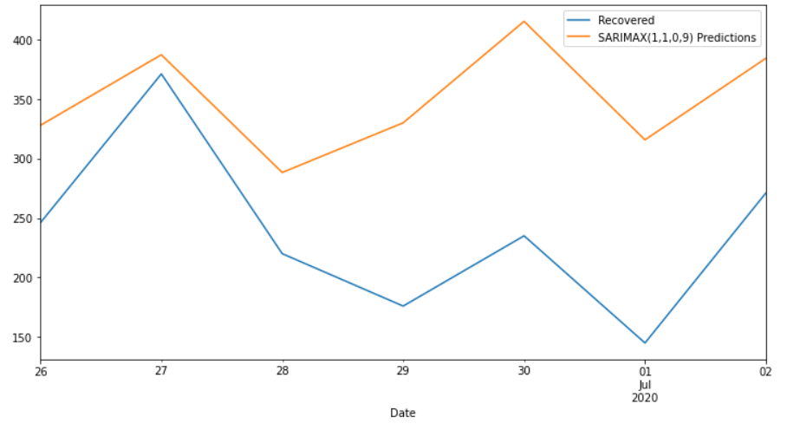
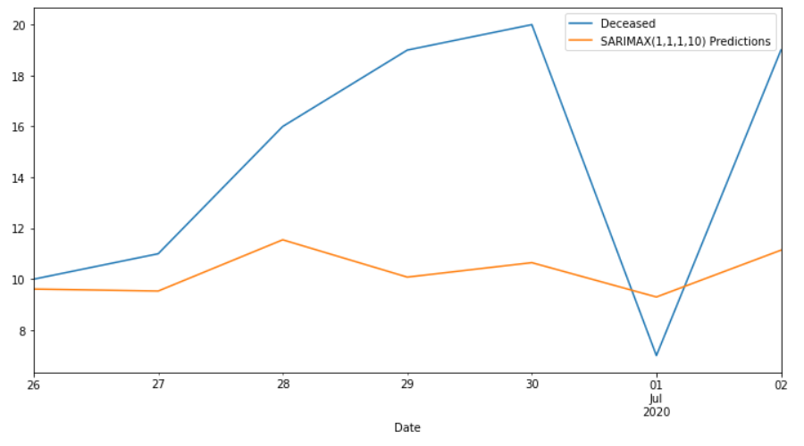
Date | Confirmed | Predicted_Confirmed | Recovered | Predicted_Recovered | Deceased | Predicted_Deceased
2020-06-26 | 445 | 469.63297674 | 246 | 327.7893129 | 10 | 9.613104644
2020-06-27 | 918 | 497.77859155 | 371 | 387.08335138 | 11 | 9.5353719173
2020-06-28 | 1267 | 589.26902081 | 220 | 288.20713479 | 16 | 11.54805507
2020-06-29 | 1105 | 584.34788436 | 176 | 329.91529683 | 19 | 10.081789776
2020-06-30 | 947 | 567.50086153 | 235 | 415.15438124 | 20 | 10.649924026
2020-07-01 | 1272 | 578.51412658 | 145 | 315.63563364 | 7 | 9.3008549908
2020-07-02 | 1502 | 667.89052042 | 271 | 384.14812768 | 19 | 11.140197679
MAPE |  | 43.15% |  | 56.02% |  | 30.42%

