Input Data
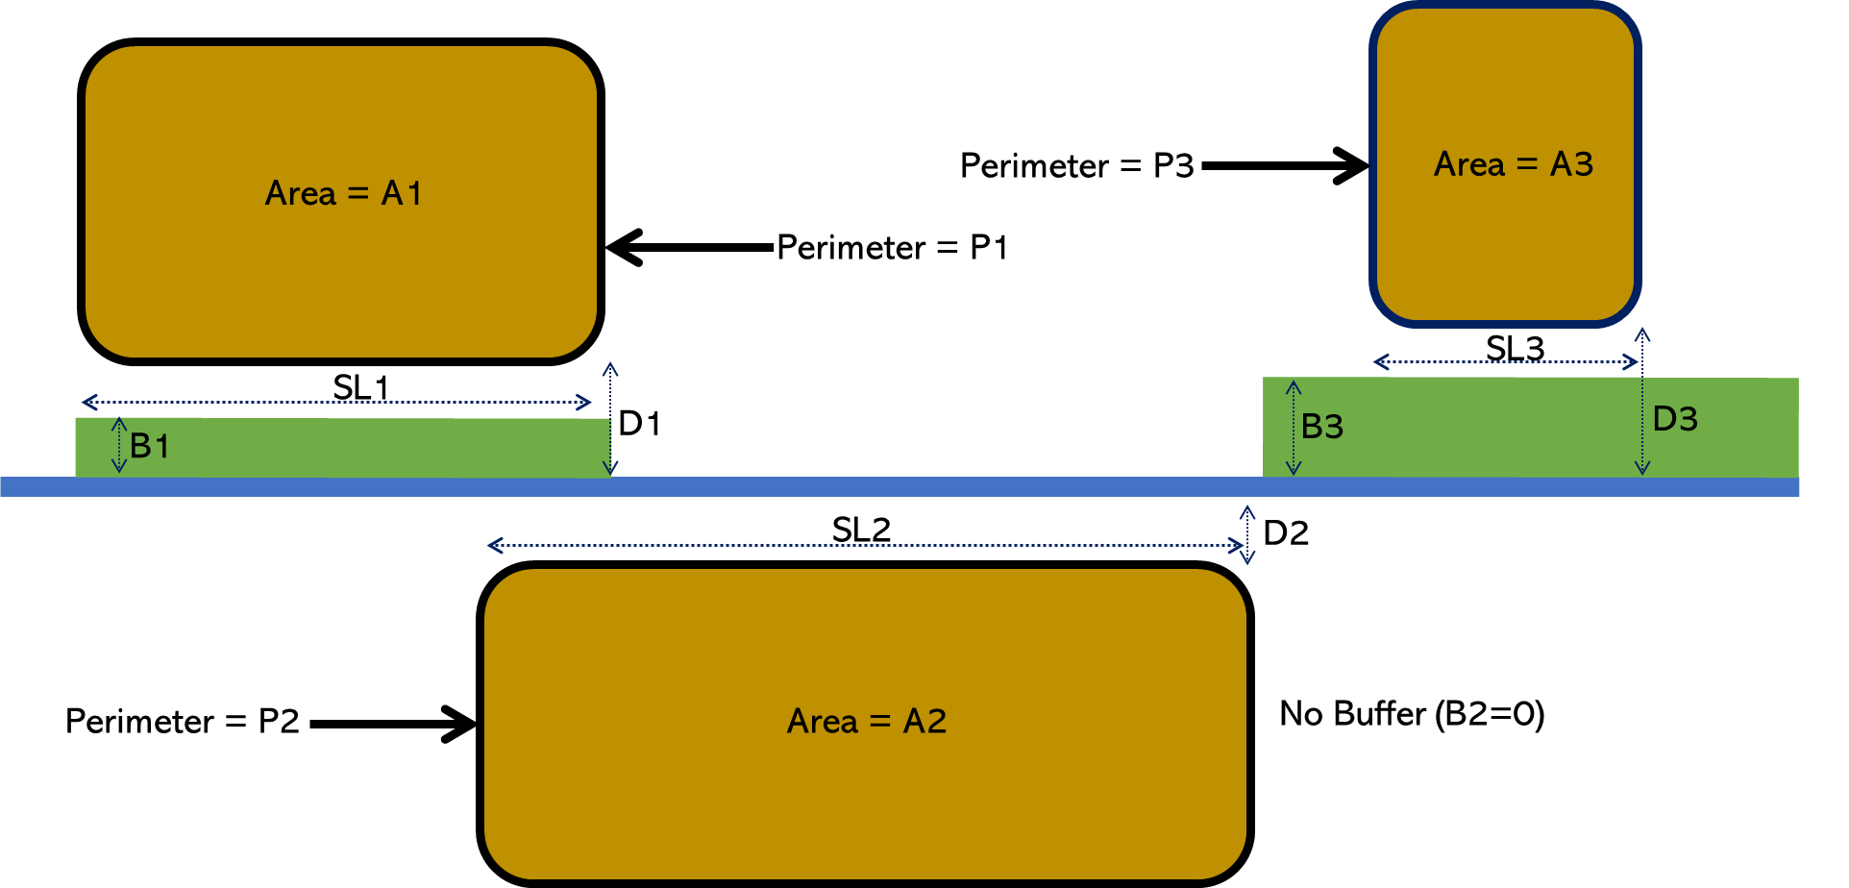
Input Data |  | Example of Calculation of Measurement and Calculation of Input Parmaters for Multiple Fields
Enter Required Information in Green Cells

Select Crop Type & Growth Stage: | Field Crop (late)
Select Crop: | Grapes (wine)
Total Area of Fields in Catchment (TAC) - (ha): | 4
Total Area of Fields Adjacent to Stream (TAS) - (m): | 4
Total Stream Length (TSL) - (m): | 1
Average Stream Depth - (m): | 1
Total Perimeter of fields Adjacent to Stream (TP) - (m): | 20
Average Slope of Field/s (%): | 1
Organic Carbon Content of Soil (%): | 1
Average Distance between Field & Watercourse (D) - (m): | 1
Average Width of Vegetated Buffer Strip (B) - (m): | 1
Rainfall - (mm): | 30
Soil Type: | Loamy Soil

VIEW RESULTS

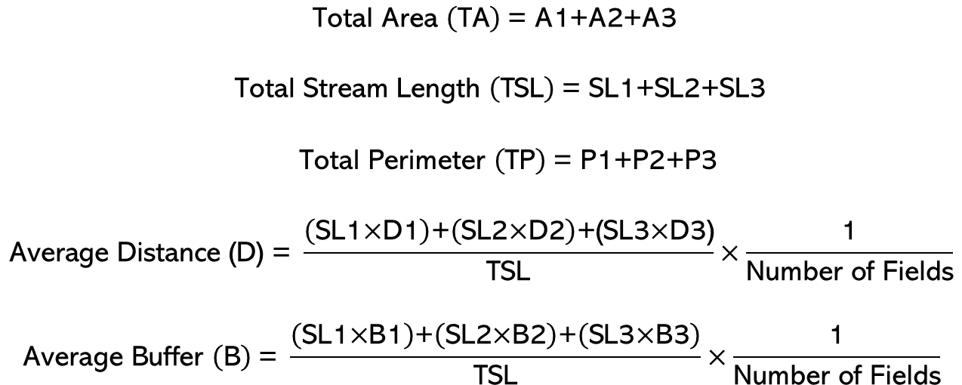
Click to view a summary of pesticides most commonly applied and their associated risk

Click to view a summary of the physicochemical and toxicity data used to make risk predictions

Click to view a summary of ranked risks to Algae

Click to view of a ranked summary of risks to Invertebrates

Click to view a ranked summary of risks to Fish

 | 1Field Crop (late)
 | Field Crop (late)Grapes (wine)

