Further Information
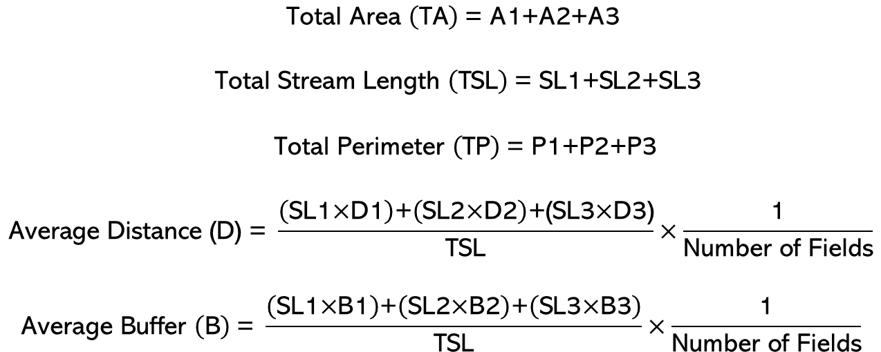
Example of Calculation of Measurement and Calculation of Input Parmaters for Multiple Fields
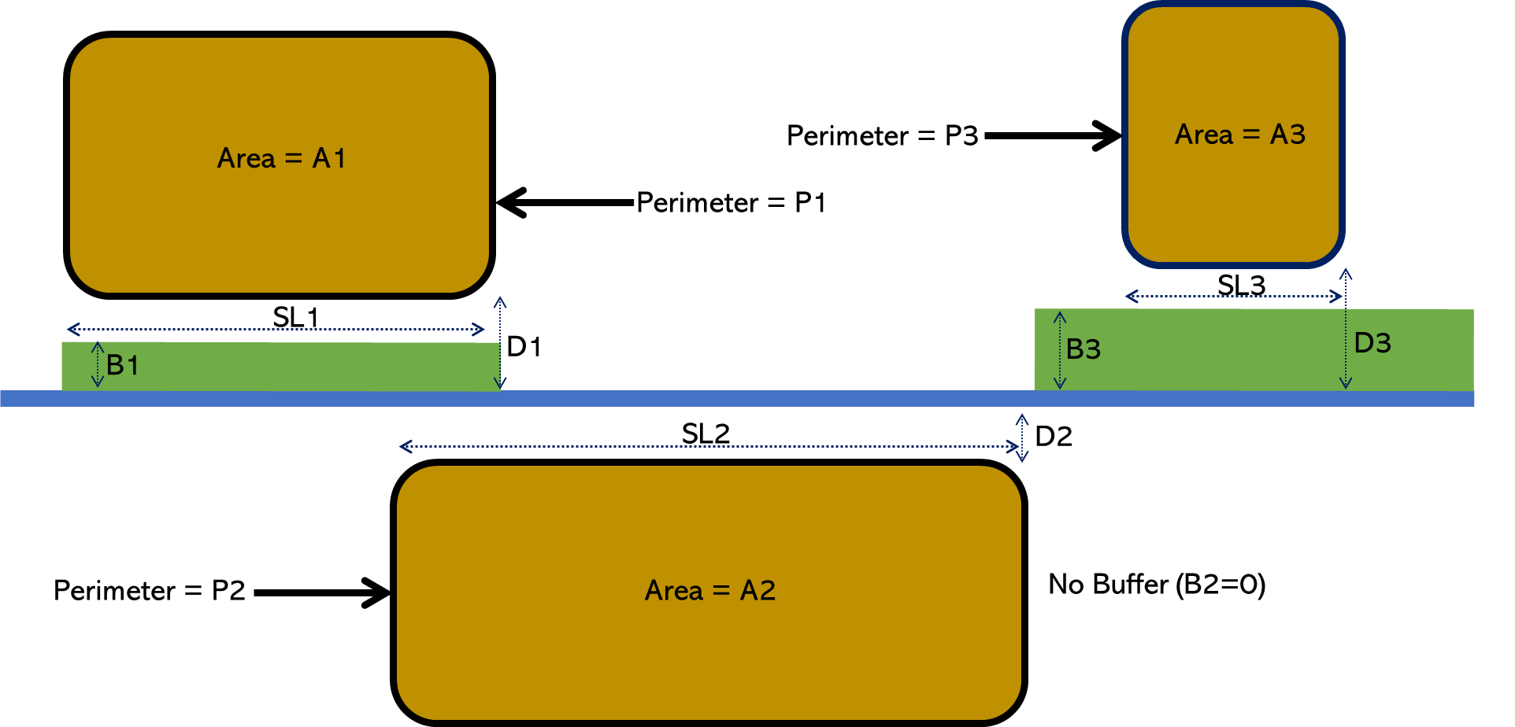

 | Return to Input Page

