Table 1 Figures
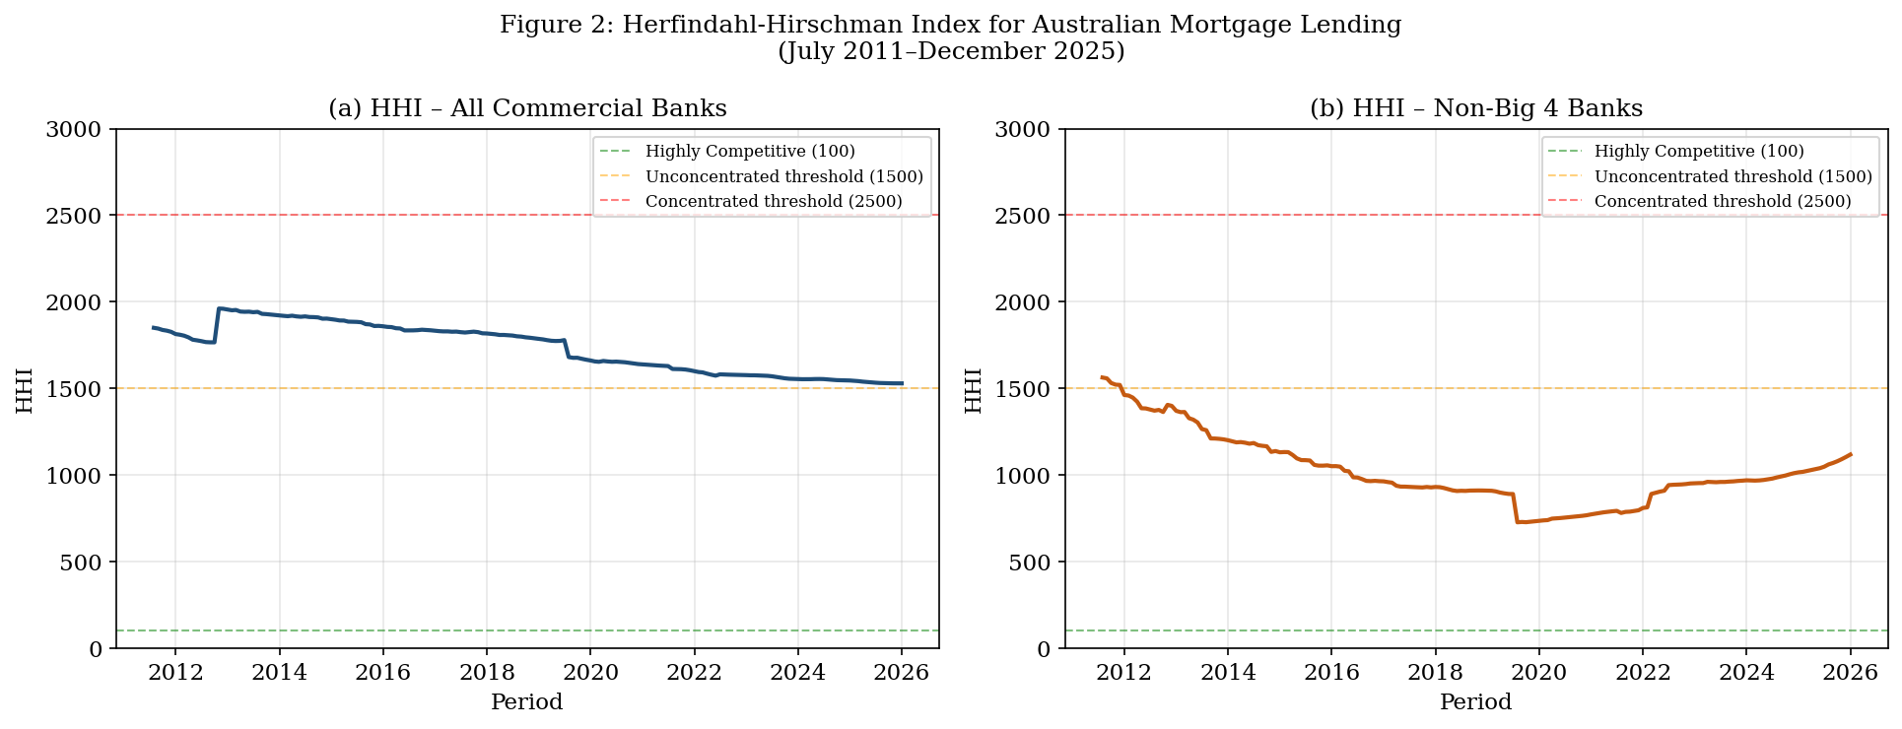
Task 1 — Analysis Charts
Figure 1: Share of Household Real Estate Loans in Total Resident Assets
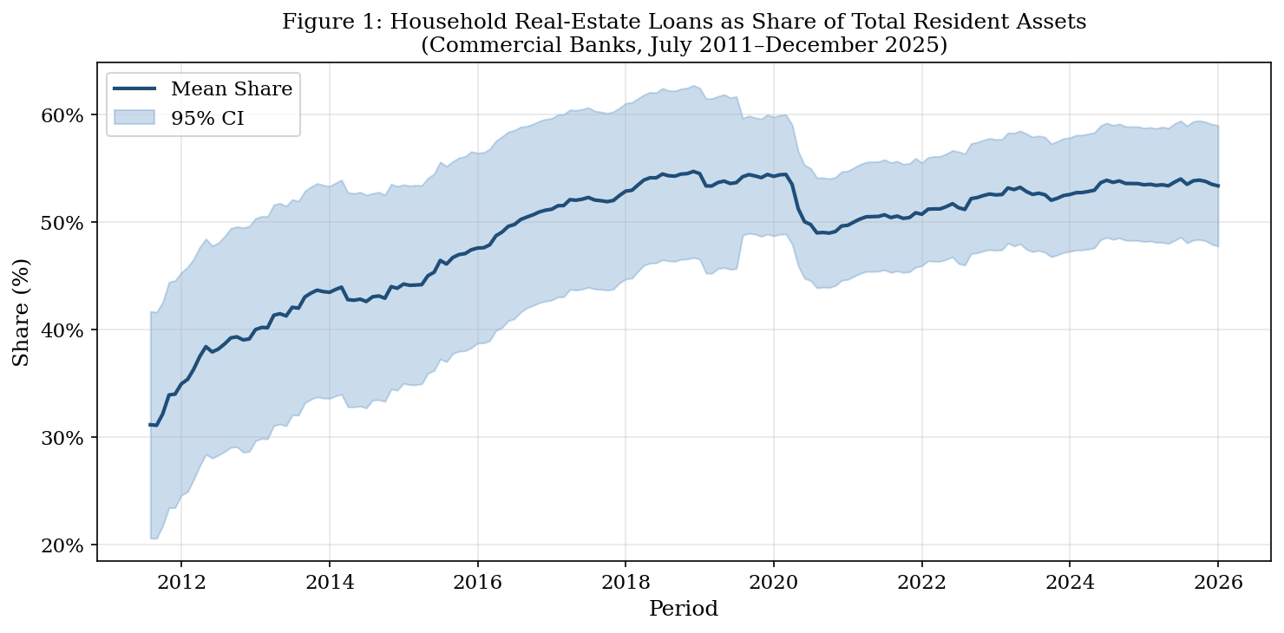

Figure 2: Herfindahl–Hirschman Index (HHI) – All Banks vs. Excluding Big 4

Table 2 - Figures 2
