List1

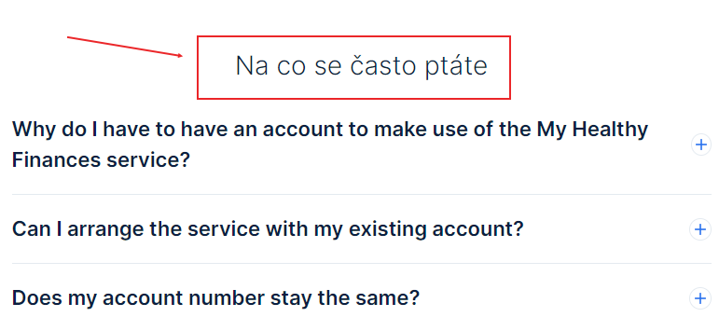
 | Bug report | Bug report | Bug report | Bug report
Bug ID | 1 | 2 | 3 | 4
Title | The phone number link is not clickable in the footer | Pop-up window does not displayed any text | Wrong possition of document links on English version web site | Text in Czech on the English version of the site
Tester | Kate | Kate | Kate | Kate
Date | 01.01.2023 | 01.01.2023 | 01.01.2023 | 01.01.2023
URL | https://www.notino.cz | https://www.bonprix.cz | https://www.csas.cz/en/personal-finance/my-healthy-finances | https://www.csas.cz/en/personal-finance/my-healthy-finances
Summary | Footer of the web site: The link to the mobile phone is not clickable if screen width is less then 768px (on desktop) | The text is not displayed in the pop-up window when you hover the cursor over the "i" icon on the registration page on the web site | Document links overlap one another | Section name in Czech on the English version of the site
Steps to reproduce | 1)enter the any page of website 2)scroll to the footer 3)click on phone number | 1)follow the link https://www.bonprix.cz 2)click on "můj účet" 3)click on "registrujte se" 4)there is a "i" icon next to the email field | 1)change the web site to English version 2)scrool down to footer 3)press on "My Healthy Finances" 4)scroll down to "Important Documents" | 1)change the web site to English version 2)scrool down to footer 3)press on "My Healthy Finances" 4)scroll down to "Na co se částo ptáte"
Expected result | the phone number link is clikable and opens pop-up window to allow open application to proceed a call | hover the cursor on the button "i", text is displayed | document links do not overlap one another | all sections are translated into English
Actual result | the phone number link is not clikable and does not allow to proceed a call | hover the cursor on the icon 'i", nothing is displayed in the pop-up window | document links overlap one another | section "Na co se částo ptáte" are not translated into English
Severity | Minor | Minor | Minor | Minor
Priority | Medium (low) | Low | Low | Low
Screenshot
Environment | Windows 10, Google Chrome, Opera, Mozilla Firefox | Windows 10, Google Chrome, Firefox | Windows 10, Google Chrome, Mozilla Firefox | Windows 10, Google Chrome, Mozilla Firefox
Build version | Latest | Latest | Latest | Latest

