graphs
Spending Per Day of the Week 2025
Spending Per Day of the Week 2026

2025 | 2026
Number of Purchases vs. Month 2025
Amount Spent Per Day of the Week 2025
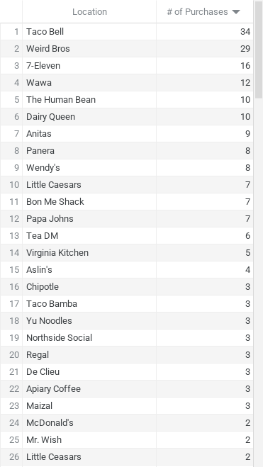
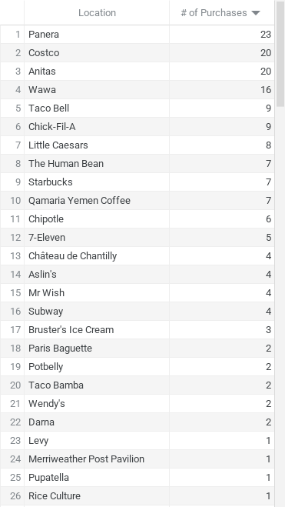

Number of Purchases vs. Week Number

