Task Register
Sr. No. | Description | Before Picture | After Picture | Complete | In Progress
1 | Panel door locks are damaged, allowing rainwater to enter the panel. | 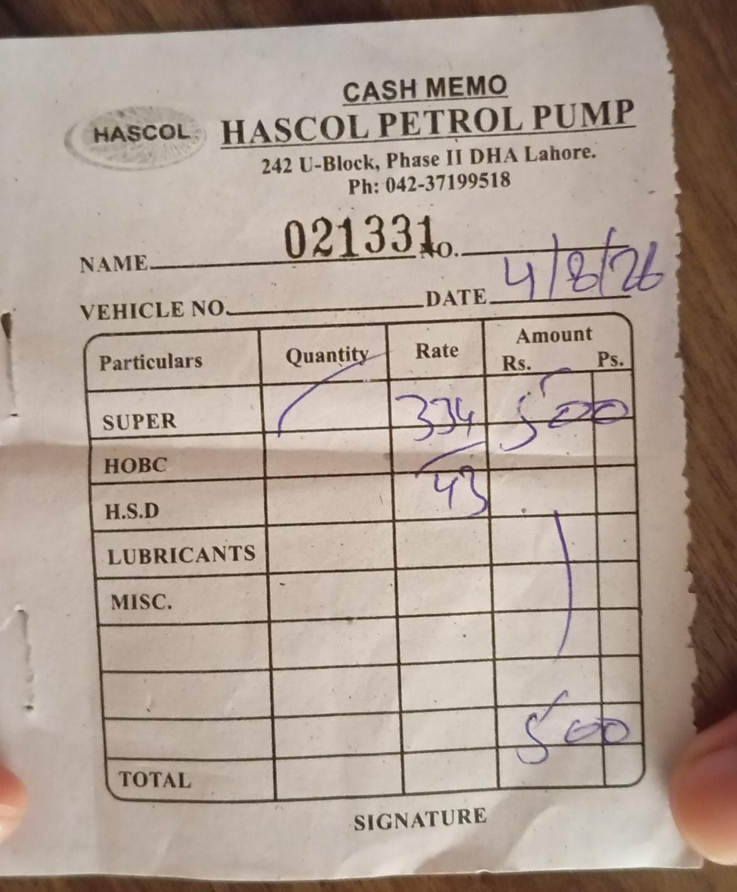 | 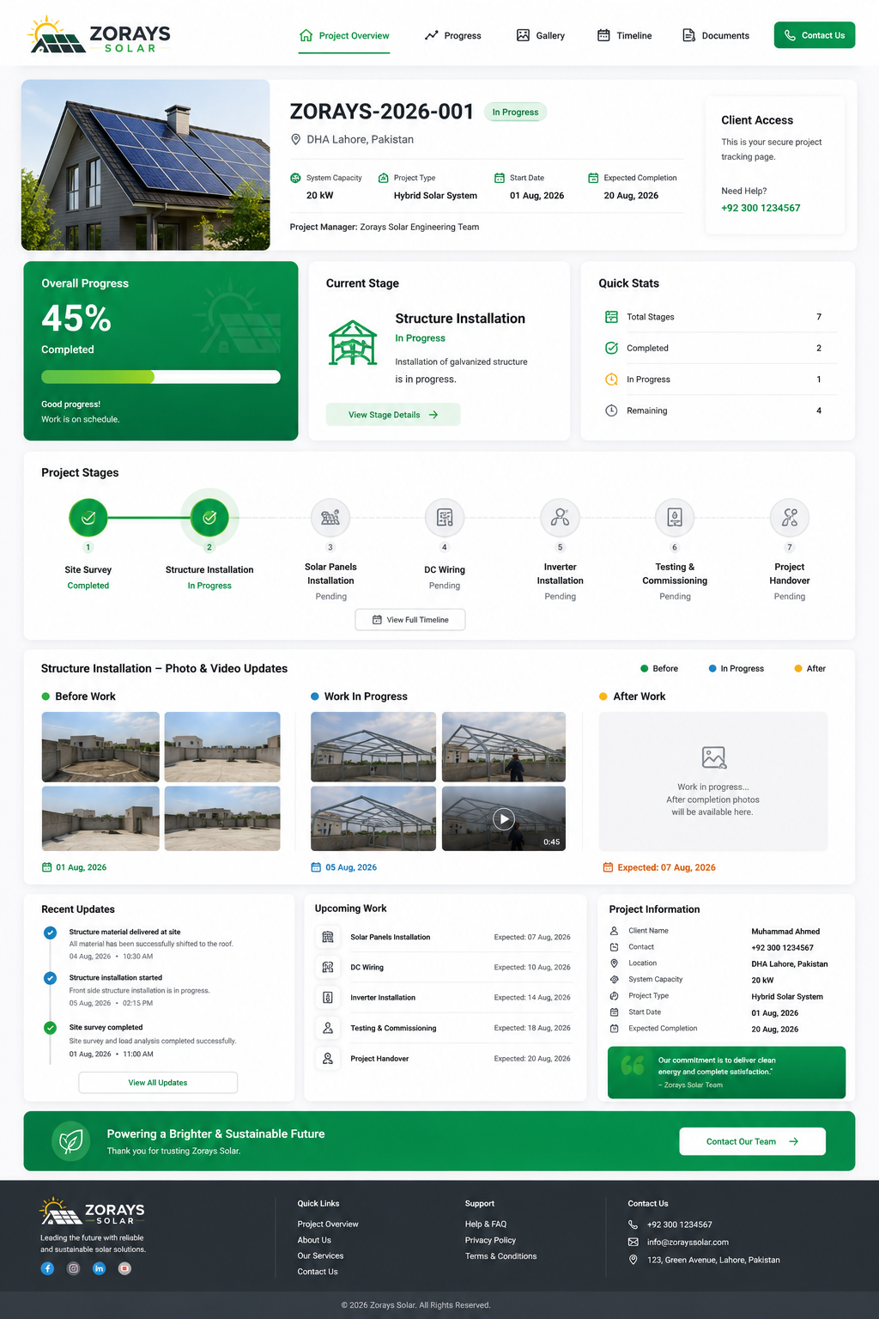 | ✓
2 | Component rating does not comply with the approved Single Line Diagram (SLD). |  |  |  | ✓
3 | Breaker or single-pole MCB is faulty and requires replacement. |  |  |  | ✓
4 | Earth Leakage Circuit (ELC) protection is not installed. |  |  |  | ✓
5 | Neutral link is open/loose, resulting in unintended current flow. |  |  |  | ✓
6 | Busbar is corroded and overheating, creating a potential risk of sparking. |  |  |  | ✓
7 | Red and Yellow phase cables are undersized and do not meet the required current rating. |  |  |  | ✓
8 | Push button is faulty, due to which the circuit has been connected in bypass mode. |  |  |  | ✓
9 | Overload protection ratings are mismatched, causing circuit and load imbalance. |  |  |  | ✓
10 | DOL starter and timer are bypassed, with the circuit connected directly. |  |  |  | ✓
11 | Selector switches are faulty and require repair or replacement. |  |  |  | ✓
12 | Terminal block requires replacement. |  |  |  | ✓
13 | Basement Entrance Right – Ground Floor DB-01. |  |  |  | ✓
14 | AC drain water is directly entering the DB, causing an earth leakage fault and resulting in smoke from the DB. |  |  |  | ✓
15 | MCB breaker is faulty and requires replacement. |  |  |  | ✓

