Index

Infosys Limited

 | 📥 INPUTS

 | Assumptions
 | P&L Input
 | BS Input
 | CF Input
 | Market Data
 | Equity Beta
 | Comps Data

 | 📊Calculation & Analysis

 | Common Sizing
 | Revenue Build-up
 | Working Capital
 | Income Statement
 | Balance Sheet
 | Cash Flows
 | Standard Income Statement
 | Ratio Analysis
 | DCF Valuation
 | COMPS
 | Charts
 | FAS

Assumptions
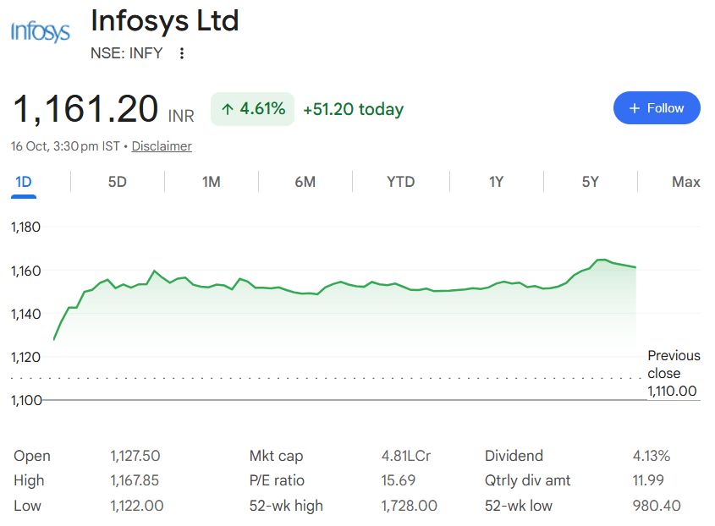
Infosys Limited

Company Description | Infosys Limited
ISIN Code | INE009A01021
Sector Name | Information Technology
Industry | Computers - Software & Consulting
Exchange Name | BSE: 500209, NSE: INFY
Website | https://www.infosys.com
Company Description | Infosys Limited is a global leader in AI-first business consulting and technology services. Established in 1981, Infosys helps enterprises across 59 countries navigate digital transformation through AI, cloud, digital services, consulting and technology solutions. With over 3.25 lakh employees and 1,965 active clients, the company focuses on enterprise transformation, AI-first services, cloud capabilities and digital innovation.
Current Market Price | 1161

Scenario |  | Case
Base case |  | 2

Company data
Particulars |  | Amount
No of Outstanding shares | Nos | 4,038,289,901
Face Value per share | Rs. | 5
Current Market Price | Rs. | 1,161
Market Capitalisation | INR in Crs | 468,926.22

Assumptions
Perpetual Growth rate | % | 4.00%
10 year Bond yield rate | % | 7.08%
Interest rate | % | 3.34%
Bull Case Tapering Rate (p.a.) | % | 1.00%
 |  |  |  |  | Revenue in Crs
Company Revenue by Geography
Year | North America |  | Europe | India | Rest of the World
2022 | 75058.00 |  | 30129.00 | 3585.00 | 12869.00
2023 | 90724.00 |  | 37675.00 | 3861.00 | 14507.00
2024 | 92411.00 |  | 42267.00 | 3881.00 | 15111.00
2025 | 94397.00 |  | 48595.00 | 5014.00 | 14984.00
2026 | 100167.00 |  | 57454.00 | 5102.00 | 15927.00

Headings | Reference | Assumptions
Revenue Buildup | H15:Q15 | Revenue is forecast using the historical average growth rate as the base assumption. The Bull Case assumes a higher growth rate than the Base Case, while the Bear Case assumes a lower growth rate. The growth rate under the scenarios is tapered by 1% annually to reflect a gradual moderation in growth over the forecast period.
 | H18:Q18 H22:Q22 | Other Income is forecast at 2% of Revenue from Operations based on the historical trend. Exceptional Items were reported only in FY2026 at approximately 1% of Revenue from Operations. For the forecast period, Exceptional Items are assumed at 0.25% of Revenue from Operations to reflect a lower impact compared with FY2026.
Cost Buildup | H13:Q13 H31:Q31 | Employee Cost and other operating expenses are forecast as a percentage of Revenue from Operations using the historical average ratio. The average historical cost-to-revenue ratio is applied consistently throughout the forecast period.
 | H34:Q34 | Finance Cost is forecast as a percentage of period-end Lease Liabilities. The historical Finance Cost-to-Lease Liabilities ratio is calculated for the past five years, and the average historical ratio of approximately 4% is applied throughout the forecast period.
 | H37:Q37 | The Effective Tax Rate is forecast based on the historical tax rate, with an annual increase of 0.3 percentage points from FY2027 onwards. The FY2027 tax rate is derived by adding 0.3% to the FY2026 rate, and the same incremental approach is followed throughout the forecast period.
FAS | H173:Q173 | Figures of the year 2025 are used to forecast the additions, disposals and depreciation of Fixed assets, Intangibles and ROU assets with 4% growth rate for the 1st projected year and for every 3 years.
 | H165:Q165 | Capital WIP for FY2027 is based on the average historical increase in Capital WIP. From FY2028 onwards, the annual increase in Capital WIP is grown by 0.5% each year.
BS Items | I13:R13 I54:R54 | Balance Sheet line items are forecast as a percentage of Revenue from Operations using their respective five-year historical average ratios.
Working Capital | H11:Q11 H12:Q12 | Trade Receivables and Trade Payables are projected as a fixed percentage of revenue, based on the average proportions observed over the last five audited years.
Income Statement | H53:Q53 | Total Dividend payments have been projected based on the five-year average of Dividend Payout as percentage of net profit. This average growth rate has been applied to estimate future dividends, and it is assumed to remain constant throughout the forecast period (2027–2036).
Balance Sheet | H33:Q33 | Cash and Cash equivalents are taken as the Balancing Figure

Revenue Buildup
Infosys Limited

 |  |  |  |  |  |  |  |  |  |  |  |  |  | (INR in Crores)
Revenue Buildup
Particulars | 2022 | 2023 | 2024 | 2025 | 2026 | 2027 | 2028 | 2029 | 2030 | 2031 | 2032 | 2033 | 2034 | 2035 | 2036
 | Audited | Audited | Audited | Audited | Audited | Estimated | Projected | Projected | Projected | Projected | Projected | Projected | Projected | Projected | Projected

Sale of Service | 113,536.00 | 137,575.00 | 145,285.00 | 155,395.00 | 170,122.00 | 184,226.18 | 201,780.73 | 219,161.02 | 236,056.50 | 252,143.43 | 267,093.65 | 280,584.06 | 292,306.38 | 301,977.03 | 309,346.78
Other Operating Revenues | 8,105.00 | 9,192.00 | 8,385.00 | 7,595.00 | 8,528.00 | 11,547.51 | 12,647.85 | 13,737.26 | 14,796.29 | 15,804.64 | 16,741.74 | 17,587.33 | 18,322.10 | 18,928.27 | 19,390.21
(% on total Revenue) | 7.1% | 6.7% | 5.8% | 4.9% | 5.0% | 5.9% | 5.9% | 5.9% | 5.9% | 5.9% | 5.9% | 5.9% | 5.9% | 5.9% | 5.9%

Revenue from Operations | 121,641.00 | 146,767.00 | 153,670.00 | 162,990.00 | 178,650.00 | 195,773.69 | 214,428.58 | 232,898.28 | 250,852.79 | 267,948.07 | 283,835.39 | 298,171.40 | 310,628.48 | 320,905.30 | 328,737.00
Y-O-Y Growth |  | 20.66% | 4.70% | 6.06% | 9.61% | 9.59% | 9.53% | 8.61% | 7.71% | 6.81% | 5.93% | 5.05% | 4.18% | 3.31% | 2.44%

Other Income | 2,295.00 | 2,701.00 | 4,711.00 | 3,600.00 | 4,322.00 | 4,452.55 | 4,876.83 | 5,296.89 | 5,705.24 | 6,094.04 | 6,455.37 | 6,781.42 | 7,064.74 | 7,298.47 | 7,476.59
 | 2% | 2% | 3% | 2% | 3% | 2% | 2% | 2% | 2% | 2% | 2% | 2% | 2% | 2% | 2%

Exceptional Items | - | - | - | - | 1,289.00 | 465.29 | 509.63 | 553.52 | 596.19 | 636.82 | 674.58 | 708.65 | 738.26 | 762.68 | 781.30
 | 0% | 0% | 0% | 0% | 1% | 0.25% | 0.25% | 0.25% | 0.25% | 0.25% | 0.25% | 0.25% | 0.25% | 0.25% | 0.25%
Revenue by Geographies
North America | 61.7% | 61.8% | 60.1% | 57.9% | 56.1% | 109,767.96 | 120,227.53 | 130,583.27 | 140,650.15 | 150,235.26 | 159,143.10 | 167,181.12 | 174,165.66 | 179,927.75 | 184,318.89
Europe | 24.8% | 25.7% | 27.5% | 29.8% | 32.2% | 62,961.01 | 68,960.45 | 74,900.32 | 80,674.51 | 86,172.37 | 91,281.75 | 95,892.22 | 99,898.43 | 103,203.47 | 105,722.15
Rest of the World* | 13.5% | 12.5% | 12.4% | 12.3% | 11.8% | 26,481.72 | 29,005.11 | 31,503.45 | 33,932.10 | 36,244.53 | 38,393.56 | 40,332.75 | 42,017.78 | 43,407.90 | 44,467.27
 | 121,641.00 | 146,767.00 | 153,670.00 | 162,990.00 | 178,650.00 | 195,773.69 | 214,428.58 | 232,898.28 | 250,852.79 | 267,948.07 | 283,835.39 | 298,171.40 | 310,628.48 | 320,905.30 | 328,737.00

IT Sector Growth Projection | United Kingdom |  | North America |  | AMEA | Min Growth |  | Revenue Segment By geography
Digital & Application Engineering | 4.71% |  | 3.77% |  | 4.83% | 3.8% |  | 56%
Oracle Cloud & Enterprise Apps | 12.43% |  | 15.30% |  | 20.94% | 12.4% |  | 32%
Digital Commerce & Experience | 4.83% |  | 3.38% |  | 5.84% | 3.4% |  | 14%
Data, Automation and AI | 26.33% |  | 26.88% |  | 26.61% | 26.3%
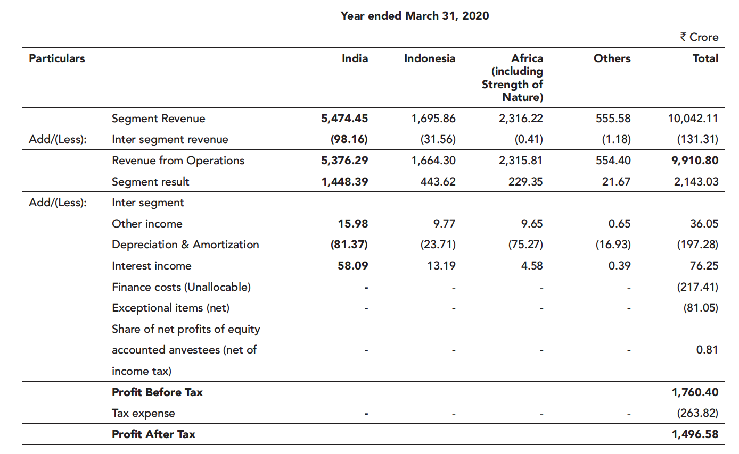
Revenue by Geography | 2022 | 2023 | 2024 | 2025 | 2026 | 2027 | 2028 | 2029 | 2030 | 2031 | 2032 | 2033 | 2034 | 2035 | 2036
North America | 75,058.00 | 90,724.00 | 92,411.00 | 94,397.00 | 100,167.00 | 106,726.17 | 112,697.60 | 117,650.77 | 121,409.83 | 123,832.08 | 124,816.66 | 124,311.28 | 122,316.21 | 118,885.36 | 114,124.12
 |  | 20.9% | 1.9% | 2.1% | 6.1% | 7% | 6% | 4% | 3% | 2% | 1% | 0% | -2% | -3% | -4%
 |  |  |  |  |  | 12% | 10% | 7% | 5% | 3% | 1% | 0% | -2% | -3% | -4%
 |  |  |  |  |  | 7% | 6% | 4% | 3% | 2% | 1% | 0% | -2% | -3% | -4%
 |  |  |  |  |  | 2% | 1% | -1% | -2% | -3% | -4% | -5% | -7% | -8% | -9%

Europe | 30,129.00 | 37,675.00 | 42,267.00 | 48,595.00 | 57,454.00 | 66,881.61 | 78,417.74 | 91,002.69 | 104,515.32 | 118,780.19 | 133,566.66 | 148,591.03 | 163,522.35 | 177,991.78 | 191,605.66
 |  | 25.0% | 12.2% | 15.0% | 18.2% | 16% | 17% | 16% | 15% | 14% | 12% | 11% | 10% | 9% | 8%
 |  |  |  |  |  | 21% | 21% | 19% | 17% | 15% | 12% | 11% | 10% | 9% | 8%
 |  |  |  |  |  | 16% | 17% | 16% | 15% | 14% | 12% | 11% | 10% | 9% | 8%
 |  |  |  |  |  | 11% | 12% | 11% | 10% | 9% | 7% | 6% | 5% | 4% | 3%

India | 3,585.00 | 3,861.00 | 3,881.00 | 5,014.00 | 5,102.00 | 5,540.33 | 5,965.92 | 6,352.62 | 6,688.14 | 6,961.14 | 7,161.74 | 7,282.18 | 7,317.26 | 7,264.70 | 7,125.34
 |  | 7.7% | 0.5% | 29.2% | 1.8% | 9% | 8% | 6% | 5% | 4% | 3% | 2% | 0% | -1% | -2%
 |  |  |  |  |  | 14% | 12% | 9% | 7% | 5% | 3% | 2% | 0% | -1% | -2%
 |  |  |  |  |  | 9% | 8% | 6% | 5% | 4% | 3% | 2% | 0% | -1% | -2%
 |  |  |  |  |  | 4% | 3% | 1% | 0% | -1% | -2% | -3% | -5% | -6% | -7%

Rest of the World | 12,869.00 | 14,507.00 | 15,111.00 | 14,984.00 | 15,927.00 | 16,625.59 | 17,347.31 | 17,892.20 | 18,239.50 | 18,374.66 | 18,290.33 | 17,986.91 | 17,472.67 | 16,763.47 | 15,881.88
 |  | 12.7% | 4.2% | -0.8% | 6.3% | 4% | 4% | 3% | 2% | 1% | 0% | -2% | -3% | -4% | -5%
 |  |  |  |  |  | 9% | 8% | 6% | 4% | 2% | 0% | -2% | -3% | -4% | -5%
 |  |  |  |  |  | 4% | 4% | 3% | 2% | 1% | 0% | -2% | -3% | -4% | -5%
 |  |  |  |  |  | -1% | -1% | -2% | -3% | -4% | -5% | -7% | -8% | -9% | -10%

 | 121,641.00 | 146,767.00 | 153,670.00 | 162,990.00 | 178,650.00 | 195,773.69 | 214,428.58 | 232,898.28 | 250,852.79 | 267,948.07 | 283,835.39 | 298,171.40 | 310,628.48 | 320,905.30 | 328,737.00

Summary
Infosys Limited
Valuation Summary - Football Field

Valuation Summary - Football Field
 |  |  |  |  |  |  |  | Market
 |  |  |  |  | Comps | DCF | 52-week hi/lo | Consensus
 | High |  |  |  | 5,418 | 3,677 | 1,992 | 1,334
 | High |  |  |  | 5,418 | 3,677 | 1,992 | 1,334
 | Low |  |  |  | 164 | 2,375 | 992 | 940
 | Low |  |  |  | 164 | 2,375 | 992 | 940

Valuation Summary
Valuation Summary
 | Market
52-week hi/lo | 0
1,992 | 1334
1,992 | 1334
992 | 940
992 | 940

Broker Analysis |  | Date | LTP | Target Price
ICICI Securities |  | 24-Jul-26 | 1,047.40 | 940.00
Axis Securities |  | 24-Jul-26 | 1,040.90 | 1,140.00
Sharekhan |  | 2-Jun-26 | 1,203.00 | 1,270.00
Geojit BNP Paribas |  | 30-Apr-26 | 1,181.80 | 1,334.00
Motilal Oswal |  | 23-Jul-26 | 1,047.40 | 1,170.00

Charts
Revenue & YoY Growth
 | Revenue from Operations | YoY Growth
2022 | 121,641.00
2023 | 146,767.00 | 20.66%
2024 | 153,670.00 | 4.70%
2025 | 162,990.00 | 6.06%
2026 | 178,650.00 | 9.61%
2027 | 184,226.18 | 9.59%
2028 | 201,780.73 | 9.53%
2029 | 219,161.02 | 8.61%
2030 | 236,056.50 | 7.71%
2031 | 252,143.43 | 6.81%
2032 | 267,093.65 | 5.93%
2033 | 280,584.06 | 5.05%
2034 | 292,306.38 | 4.18%
2035 | 301,977.03 | 3.31%
2036 | 309,346.78 | 2.44%
EBITDA vs Net Profit
 | EBITDA | Net Profit
2022 | 31,491.00 | 22,146.00
2023 | 35,130.00 | 24,108.00
2024 | 36,425.00 | 26,248.00
2025 | 39,236.00 | 26,750.00
2026 | 42,280.00 | 29,474.00
2027 | 74,387.95 | 49,196.06
2028 | 81,476.23 | 53,878.38
2029 | 88,494.14 | 58,472.34
2030 | 95,316.30 | 62,803.42
2031 | 101,811.98 | 66,963.56
2032 | 107,848.67 | 70,775.95
2033 | 113,295.91 | 74,064.59
2034 | 118,029.22 | 76,934.90
2035 | 121,934.09 | 79,224.10
2036 | 124,909.89 | 80,777.85

ROE vs ROCE
 | Return on Equity | Return on Capital Employed
2022
2023 | 0.31819231708 | 29.88%
2024 | 0.31959867524 | 29.28%
2025 | 0.28971537495 | 27.88%
2026 | 0.31107124011 | 31.66%
2027 | 0.48247803155 | 31.64%
2028 | 0.44851103254 | 54.12%
2029 | 0.41788780639 | 55.61%
2030 | 0.38937612889 | 56.88%
2031 | 0.36362113961 | 57.88%
2032 | 0.33957130231 | 58.76%
2033 | 0.31658514017 | 59.46%
2034 | 0.29527355487 | 59.91%
2035 | 0.27501681404 | 60.27%
2036 | 0.25541390551 | 60.45%

